Pivot Table 1
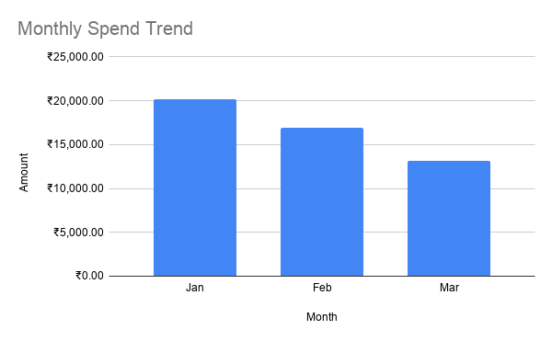
Spend Amount by Category

