Welcome
Welcome to the Reference Architecture Sizing Tool
Offline Customer Worksheet
Version: | 12/19/2019 | Last Updated: | 12/19/2019

Windows Platforms
Apple Platforms

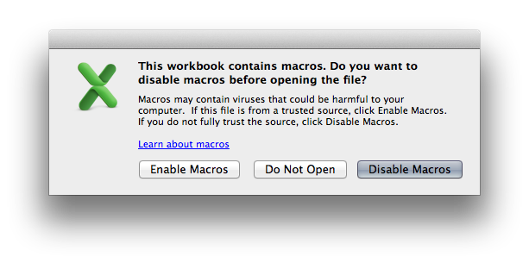

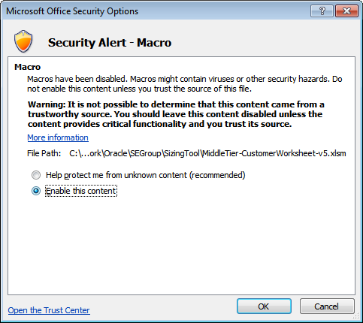

Before beginning, please ensure that you have enabled macros in the current session.

The consolidation sizing process uses existing system configuration details, combined with utilization statistics and customer's growth projections to determine the proper sizing for middle and database tier hardware. The accuracy of a sizing calculation is highly dependent on accuracy of data provided as input to the process. Additionally, there is a margin of error inherent in any sizing process, and sizing estimates will not be 100% accurate even when accurate data is provided.

While the sizing process does consider current system resource utilization (CPU, memory, disk, etc.), the sizing process does not directly address performance issues that might be present in the existing system. The sizing process is designed to give an estimate of capacity.

Note: The workbook and some sheets have been protected to assist you working with the tool. To unprotect , all passwords are "oracle" - without the quotes.
WARNING: When cutting and pasting from other spreadsheet make sure to "Paste Values" to avoid overwriting the validations in this spreadsheet.

Offline Customer Worksheet Instructions

This Excel Workbook facilitiates the collection of a customer consolidation applications and databases. The workbook is divided into 4 tables with each tab collecting a particular type of information. Middle-Tier Applications
Collect sinformation about middle-tier application that are primarily JVM based.
Database Servers
Collects information about the hardware where databases instances are running.
Databases
Collects information about the databases to be consolidated.
DB<->Server Mappings
Collects which database instances are running on which database servers.
You may enter as much, or as little, information into each of the sheet as you need. For example, if the information is only about middle-tier applications, only enter data into the Middle-Tier Applications sheet. The DB<->Server Mappings sheet is special because you cannot upload only mapping information, you must enter Database Servers and Databases before you can map. To get help on a particular column, float the mouse over the heading.
You may enter as much or as little information into each of the tabs as you need. For example, if the information is only about middle-tier applications, only enter data into the Middle-Tier Applications sheet. The only sheet that requires additional information is the

As you enter information into the sheets, you are required to place each server or database into an environment. Environments may be anything you choose, e.g., Production, prod, QA, etc. After the data is uploaded, the environment names are assigned to the middle-tier and databases when they become workloads.

RAS Toolbar

As noted on the Welcome sheet, you must enable macros to allow the workbook to assist you in making entries into the various cells. You may notice a new tab on the Ribbon named RAS that has four buttons .
Validate button
This button can be clicked at any time to valid all the data across all the sheets. Invalid entries are highlighted with a red background.
Rebuild button
After you enter Database Servers or Databases, click the Rebuild button to rebuild the DB<->Server Mapping page. When clicked, every attempt is made to preserve the mapping information, but pay careful attention when a database or server is removed to ensure your mappings are accurate.
Upload button
When all entries are complete, click the Upload button to automatically upload all four sheets to the RAS server. You must be on the Oracle interanl network for this to work.
Refresh button
The underlying lists of values supporting the spreadsheet my be update from the RAS server by clicking the Refresh button.

On Mac Excel 2011, instead of a Ribbon, you should see a sub-menu with the same four buttons. If this does not show, user the View -> Toolbars -> RAS to show the toolbar.

Selecting Server Hardware

On the Middle-tier Applications and Database Servers sheets, you must specify a valid system hardware name. To select the proper server, simply double click on the cell to pop-up a search tool. Simply enter some amount of identifying text and hit return (or click the Search button). To select a server from the search results, double-click on the desired server.

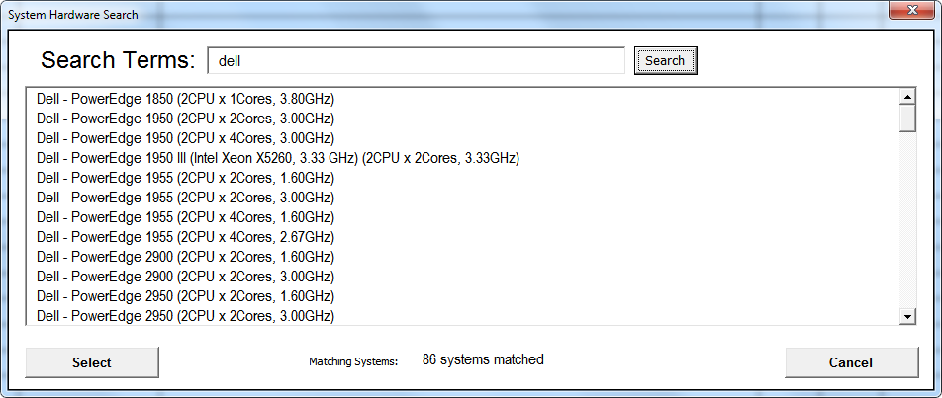

If you cannot find your exact server, please select a server that has the same, or similar, characteristics.

Middle-Tier Applications
To search for a server, double-click in a cell
Environment* | Application Name* | Source Hardware System* | CPU Count (Actual)* | Cores Per CPU (Actual)* | Peak System CPU Utilization (%)* | Peak Memory Utilization (GB)* | Number of JVMs | Operating System* | Thread Characteristics | Packaged Application | WebLogic Version | Application Disk Space (GB) | Description | Planned Application CPU Growth (%) | Requires HA* | Require Application Isolation* | Comparative Application X-Factor*

Database Servers
To search for a server, double-click in a cell
Environment* | Server Name* | Server Model Name* | Chip Count (Actual)* | Cores Per Chip (Actual)* | CPU Utilization Peak (%)* | System Memory -RAM (GB) | Memory Utilization (%) | I/O Bandwidth MBPS (Peak) | Description | Planned CPU Growth (%)* | Planned Memory Growth (%)
 |  |  |  |  |  |  |  |  |  |  |  | Invalid
 |  |  |  |  |  |  |  |  |  |  |  | Invalid
 |  |  |  |  |  |  |  |  |  |  |  | Invalid
 |  |  |  |  |  |  |  |  |  |  |  | Invalid
 |  |  |  |  |  |  |  |  |  |  |  | Invalid
 |  |  |  |  |  |  |  |  |  |  |  | Invalid

