Sheet1
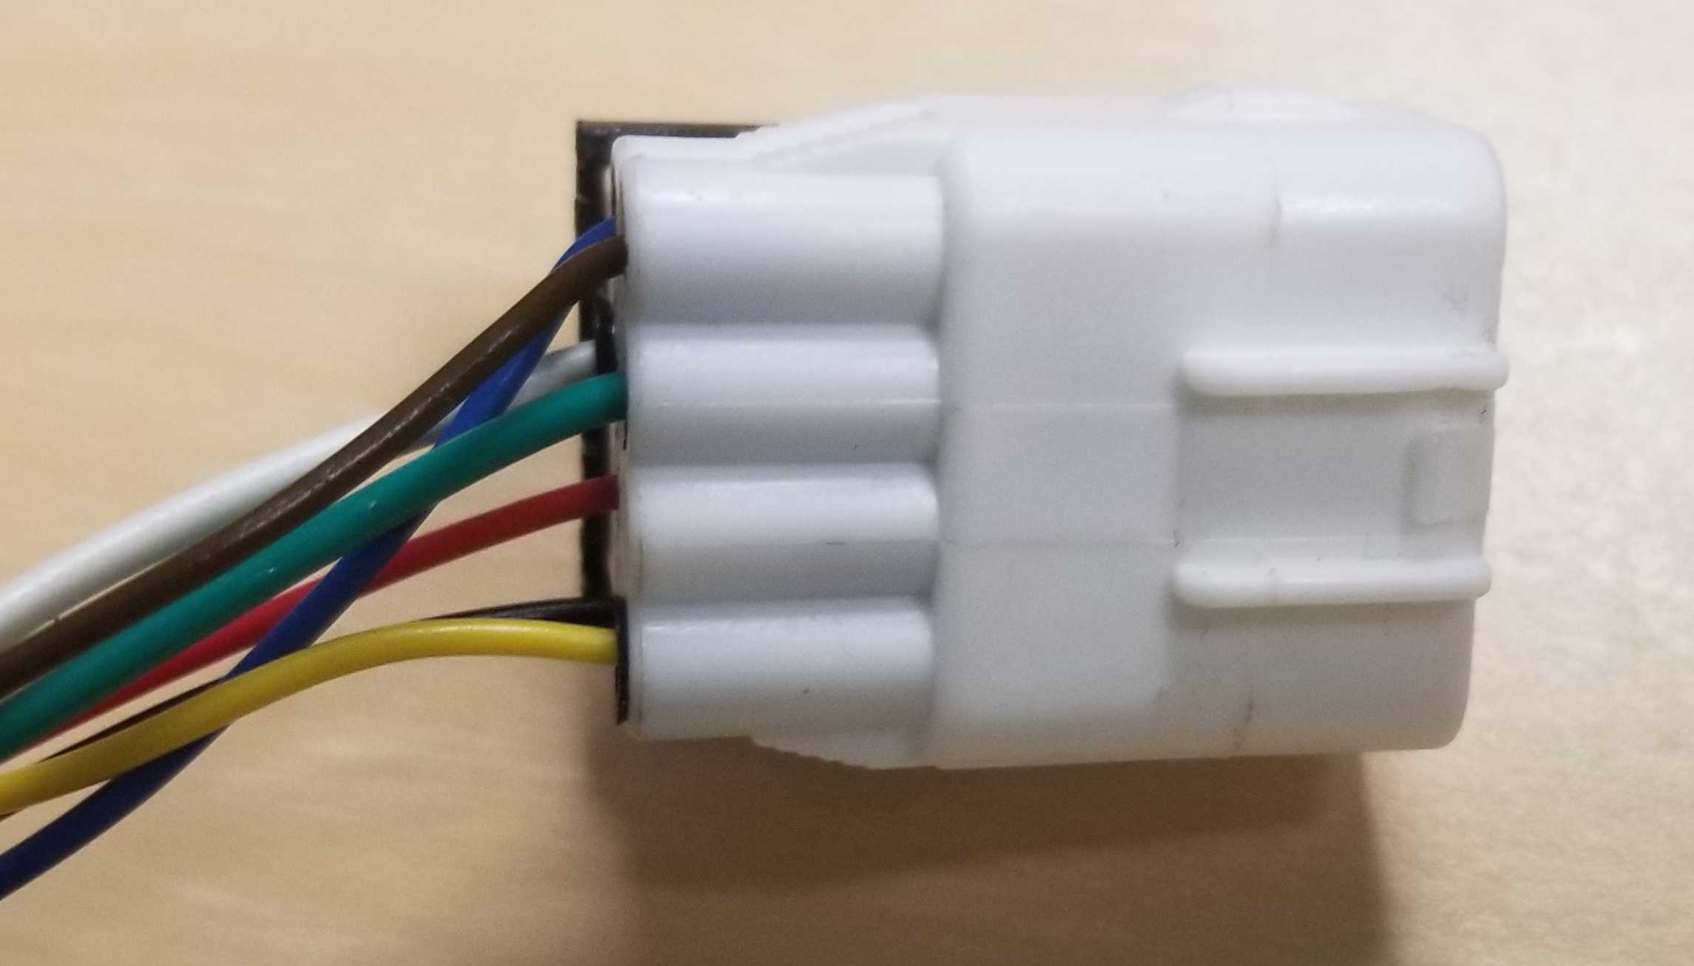
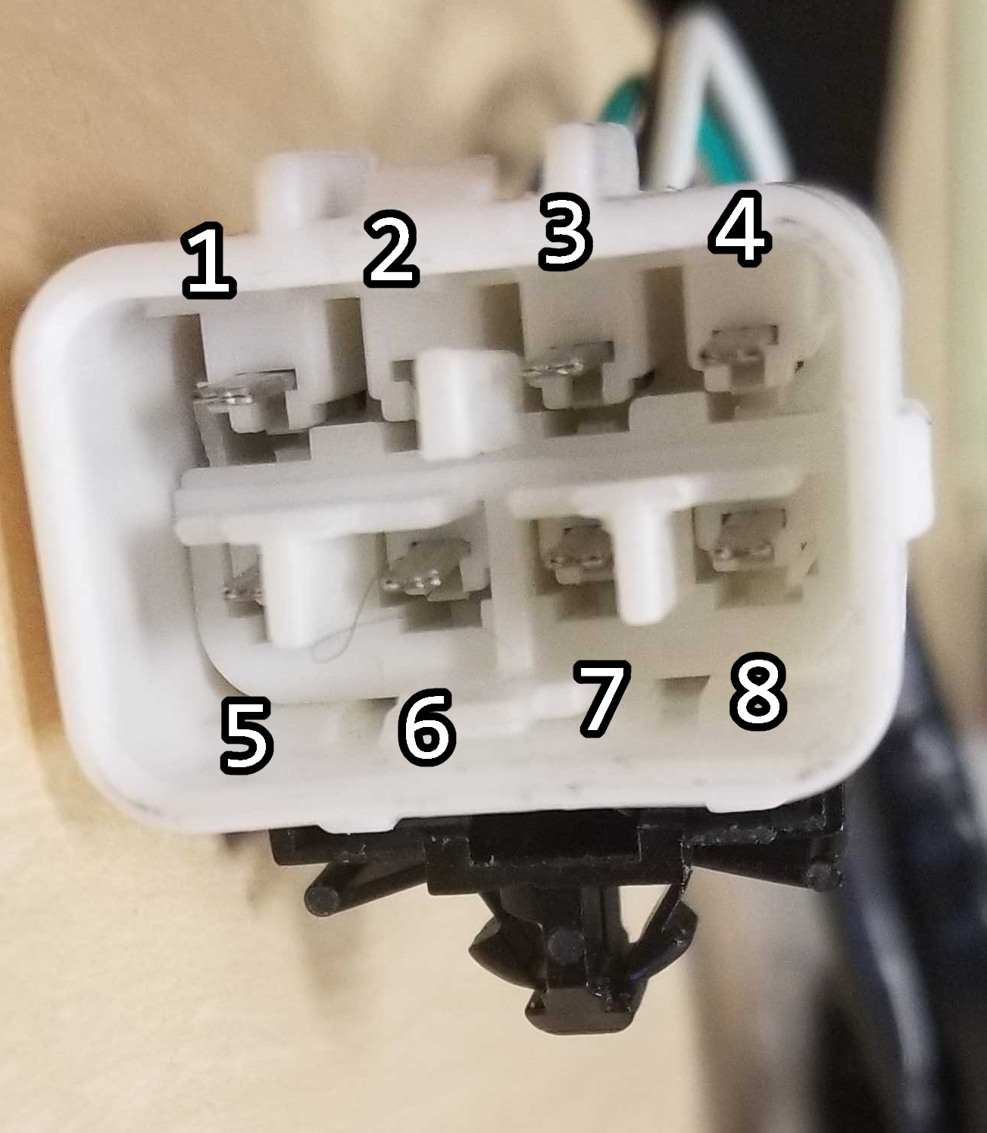
PIN1 | PIN2 | PIN3 | PIN4
PIN5 | PIN6 | PIN7 | PIN8

PIN | Wire Color | Function
1 | Yellow | [Switch] Key Unlock Position
2 | -
3 | green(thick) | [Motor] Lock(+)/Unlock(-)
4 | brown | [Common/Switch] Unlocked
5 | black | [Common] Door Key Position
6 | red | [Switch] Key Lock Position
7 | white(thick) | [Motor] Lock(-)/Unlock(+)
8 | blue | [Common/Switch] Unlocked

