data_and_stats_fall
Date | Speaker gender | W w Qs | M w Qs |  | W present | M present | W % w Qs | M % w Qs | stats | W stats | M stats | Qs from W | Qs from M | Qs per W | Qs per M | stats | W stats | M stats | Q/A from W | Q/A from M | Q/A per W | Q/A per M | stats | W stats | M stats
2017.09.27 | male | 0 | 4 |  | 19 | 23 | 0 | 0.17391304348 | mean | 0.20079365079 | 0.31296871406 | 0 | 7 | 0 | 0.30434782609 | mean | 0.26 | 0.4093236715 | 0 | 9 | 0 | 0.39130434783 | mean | 0.43142857143 | 0.62217391304
2017.10.18 | female | 5 | 15 |  | 15 | 21 | 0.33333333333 | 0.71428571429 | SD | 0.12491871885 | 0.20094527997 | 4 | 15 | 0.26666666667 | 0.71428571429 | SD | 0.24918461133 | 0.094752453751 | 4 | 15 | 0.26666666667 | 0.71428571429 | SD | 0.52309041548 | 0.26751676095
2017.11.01 | male | 2 | 4 |  | 12 | 18 | 0.16666666667 | 0.22222222222 | N | 6 | 6 | 2 | 8 | 0.16666666667 | 0.44444444444 | N | 5 | 5 | 2 | 9 | 0.16666666667 | 0.5 | N | 5 | 5
2017.11.15 | male | 2 | 5 |  | 15 | 20 | 0.13333333333 | 0.25 | variance | 0.015604686319 |  | 2 | 8 | 0.13333333333 | 0.4 | variance | 0.062092970522 |  | 2 | 8 | 0.13333333333 | 0.4 | variance | 0.27362358277 | 0.071565217391
2017.11.29 | female | 4 | 5 |  | 14 | 23 | 0.28571428571 | 0.21739130435 | p-value | 0.2725 |  | 9 | 8 | 0.64285714286 | 0.34782608696 | p-value | 0.2459 |  | 18 | 20 | 1.2857142857 | 0.86956521739 | p-value | 0.4886
2017.12.06 | male | 4 | 6 |  | 14 | 20 | 0.28571428571 | 0.3 | n for 0.80 power | 9.796918339 |  | 5 | 11 | 0.35714285714 | 0.55 | n for 0.80 power | 21.999469538 |  | 8 | 19 | 0.57142857143 | 0.95 | n for 0.80 power | 220.18004676
 |  |  |  |  |  |  |  |  | n for 0.90 power | 13.021220577 |  |  |  |  |  | n for 0.90 power | 29.239801285 |  |  |  |  |  | n for 0.90 power | 292.64436594
 |  |  |  | avg | 14.833333333 | 20.833333333

Note: I (ASH) am not counted for a person who asked a Q or for attendance
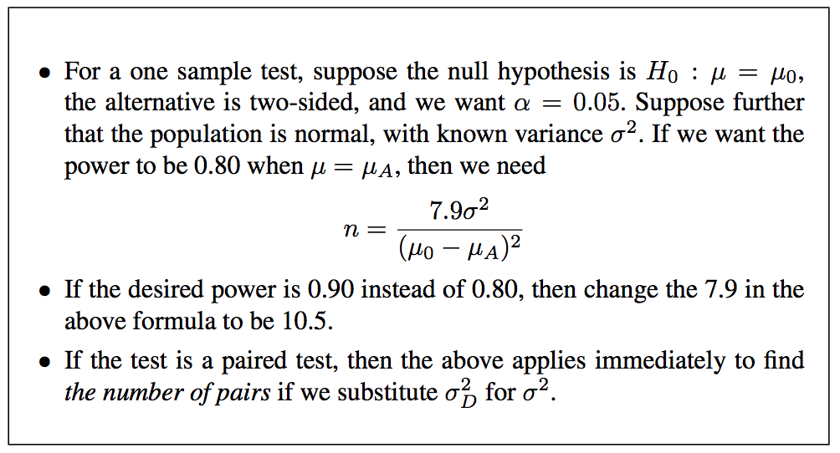

 |  |  |  |  | Red box = on this day I was only able to keep track of which people had commentd at all, since it was a VERY interactive presentation. So I will NOT be counting these numbers where marked in red.
 |  |  |  |  | Website used for t test to get p-value: https://www.graphpad.com/quickcalcs/ttest1.cfm

