data_and_stats_fall
Date | Speaker gender | W w Qs | M w Qs |  | W present | M present | W % w Qs | M % w Qs | stats | W stats | M stats | Qs from W | Qs from M | Qs per W | Qs per M | stats | W stats | M stats
2018.09.19 | female | 7 | 11 |  | 17 | 27 | 0.41176470588 | 0.40740740741 | mean | 0.16303544495 | 0.18912148077 | 28 | 21 | 1.6470588235 | 0.77777777778 | mean | 0.32239819005 | 0.27120199607
2018.09.26 | male | 1 | 3 |  | 15 | 23 | 0.066666666667 | 0.13043478261 | SD | 0.11161792342 | 0.096058127455 | 1 | 4 | 0.066666666667 | 0.17391304348 | SD | 0.47749201385 | 0.21310629578
2018.10.03 | female (prof) | 1 | 2 |  | 15 | 20 | 0.066666666667 | 0.1 |  |  |  | 1 | 2 | 0.066666666667 | 0.1
2018.10.10 | male | 2 | 5 |  | 12 | 25 | 0.16666666667 | 0.2 | N | 10 |  | 4 | 8 | 0.33333333333 | 0.32 | N | 10
2018.10.17 | female (dean) | 2 | 4 |  | 16 | 26 | 0.125 | 0.15384615385 | variance | 0.012458560829 |  | 3 | 4 | 0.1875 | 0.15384615385 | variance | 0.22799862329
2018.10.17 | female (prof) | 3 | 5 |  | 16 | 26 | 0.1875 | 0.19230769231 | p-value | 0.5823 |  | 4 | 5 | 0.25 | 0.19230769231 | p-value | 0.7604
2018.10.24 | male | 3 | 6 |  | 15 | 25 | 0.2 | 0.24 | n for 0.80 power | 144.63679691 |  | 3 | 11 | 0.2 | 0.44 | n for 0.80 power | 687.20128702
2018.10.31 | male | 4 | 6 |  | 15 | 23 | 0.26666666667 | 0.26086956522 | n for 0.90 power | 192.23878071 |  | 5 | 8 | 0.33333333333 | 0.34782608696 | n for 0.90 power | 913.36879921
2018.11.07 | male | 1 | 2 |  | 13 | 21 | 0.076923076923 | 0.095238095238 |  |  |  | 1 | 2 | 0.076923076923 | 0.095238095238
2018.11.28 | male (prof) | 1 | 3 |  | 16 | 27 | 0.0625 | 0.11111111111 |  |  |  | 1 | 3 | 0.0625 | 0.11111111111

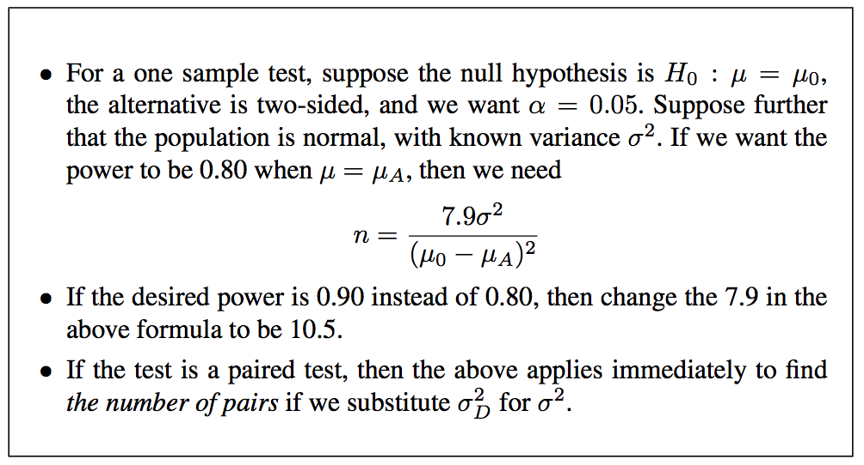
 |  |  |  | avg | 15 | 24.3

 | Need to check these-- not sure they're correct.

Note: Neither ASH nor KMB are counted as people who asked a Q or for attendance

 |  |  |  |  | Red box = on this day I was only able to keep track of which people had commentd at all, since it was a VERY interactive presentation. So I will NOT be counting these numbers where marked in red.
 |  |  |  |  | Website used for t test to get p-value: https://www.graphpad.com/quickcalcs/ttest1.cfm

