Make_Tickets
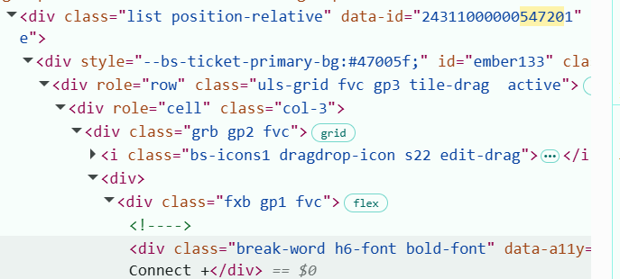
Pole | Rekord 1 | Rekord 2 | Rekord 3 | Rekord 4 | Rekord 5 | Rekord 6 | Rekord 7 | Rekord 8 | Rekord 9 | Rekord 10
eventName | Archiwum AMOZ Connect Warszawa | Archiwum AMOZ Connect Warszawa | AMOZ Connect Warszawa | AMOZ Connect Warszawa | Dental Practice Academy | Dental Practice Academy | Dental Practice Academy
eventId | 24311000000429149 | 24311000000429149 | 24311000000687006 | 24311000000687006 | 24311000000651079 | 24311000000651079 | 24311000000651079
ticketClassId | 24311000000547201 | 24311000000547128 | 24311000000692089 | 24311000000692090 | 24311000000650594 | 24311000000650588 | 24311000000650600
ticketName | *Bilet Connect + | Bilet Connect | *Bilet Connect + | Bilet Connect | Plus | Start | VIP

