Excel format
Date | Capture fisheries - inland waters | Capture fisheries - marine waters | Aquaculture - inland waters | Aquaculture - marine waters
1950 | 2 | 17 | 0 | 0
1951 | 2 | 19 | 0 | 0
1952 | 2 | 21 | 0 | 0
1953 | 3 | 21 | 0 | 1
1954 | 3 | 23 | 1 | 1
1955 | 3 | 24 | 1 | 1
1956 | 3 | 25 | 1 | 1
1957 | 3 | 26 | 1 | 1
1958 | 3 | 26 | 1 | 1
1959 | 3 | 29 | 1 | 1
1960 | 3 | 31 | 1 | 1
1961 | 3 | 34 | 1 | 1
1962 | 4 | 37 | 1 | 1
1963 | 3 | 39 | 1 | 1
1964 | 4 | 43 | 1 | 1
1965 | 4 | 44 | 1 | 1
1966 | 4 | 48 | 1 | 1
1967 | 4 | 51 | 1 | 1
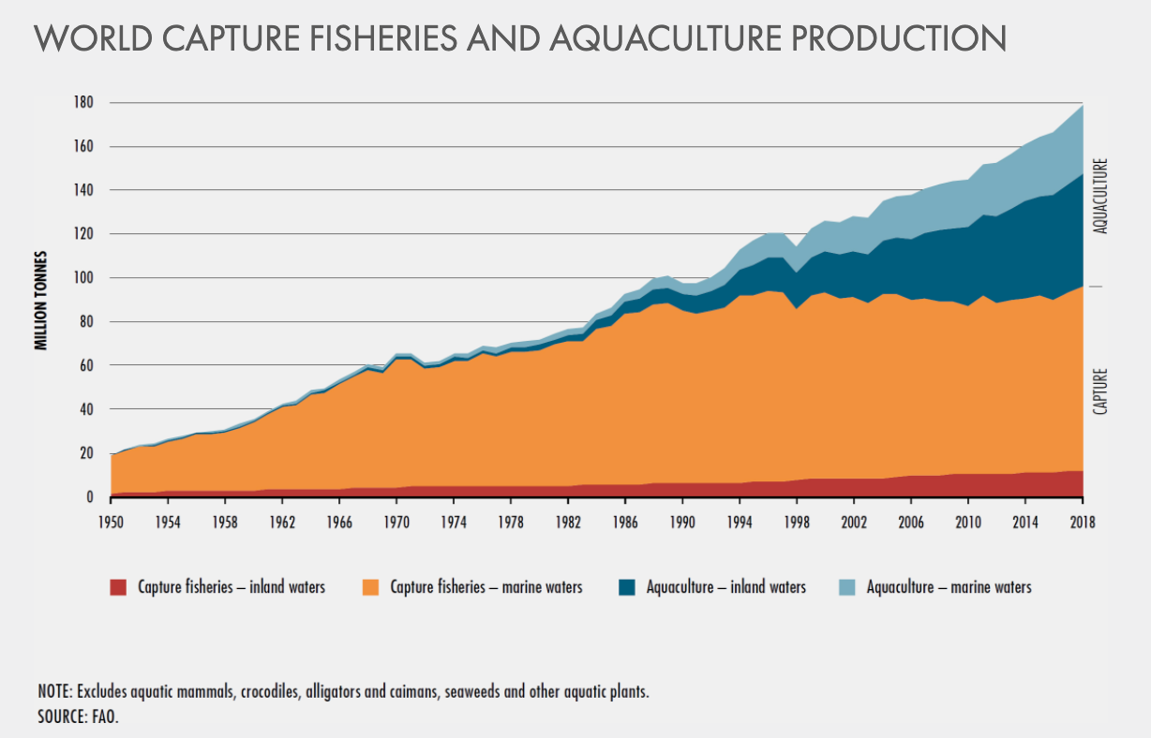
1968 | 4 | 54 | 1 | 1
1969 | 4 | 52 | 1 | 1
1970 | 5 | 58 | 1 | 1
1971 | 5 | 58 | 1 | 1
1972 | 5 | 54 | 1 | 2
1973 | 5 | 54 | 2 | 2
1974 | 5 | 57 | 2 | 2
1975 | 5 | 57 | 2 | 2
1976 | 5 | 60 | 2 | 2
1977 | 5 | 59 | 2 | 2
1978 | 5 | 61 | 2 | 2
1979 | 5 | 62 | 2 | 2
1980 | 5 | 62 | 2 | 2
1981 | 5 | 64 | 3 | 3
1982 | 5 | 66 | 3 | 3
1983 | 6 | 65 | 3 | 3
1984 | 6 | 71 | 4 | 3
1985 | 6 | 73 | 5 | 3
World capture fisheries and acquaculture production
1986 | 6 | 78 | 5 | 4
1987 | 6 | 78 | 6 | 4
1988 | 6 | 82 | 7 | 5
1989 | 6 | 82 | 7 | 5
1990 | 6 | 78 | 8 | 5
1991 | 6 | 77 | 8 | 6
1992 | 6 | 79 | 9 | 7
1993 | 7 | 80 | 10 | 8
1994 | 7 | 85 | 12 | 9
1995 | 7 | 85 | 14 | 11
1996 | 7 | 86 | 15 | 11
1997 | 7 | 86 | 16 | 11
1998 | 8 | 78 | 17 | 12
1999 | 8 | 83 | 18 | 13
2000 | 9 | 85 | 19 | 14
2001 | 9 | 82 | 20 | 15
2002 | 8 | 83 | 21 | 16
2003 | 9 | 80 | 22 | 17
2004 | 9 | 84 | 24 | 18
2005 | 9 | 83 | 26 | 18
2006 | 10 | 80 | 28 | 19
2007 | 10 | 80 | 30 | 20
2008 | 10 | 79 | 32 | 21
2009 | 10 | 79 | 34 | 21
2010 | 10 | 76 | 36 | 22
2011 | 11 | 81 | 37 | 23
2012 | 11 | 78 | 40 | 24
2013 | 11 | 79 | 42 | 25
2014 | 11 | 79 | 44 | 26
2015 | 11 | 81 | 46 | 27
2016 | 11 | 78 | 48 | 29
2017 | 12 | 81 | 59 | 30
2018 | 12 | 84 | 51 | 31

