Sheet1
Coformer 1 | SMILES | Coformer 2 | SMILES | Tag | Score
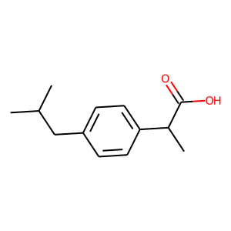 | CC(C)Cc1ccc(C(C)C(=O)O)cc1 | 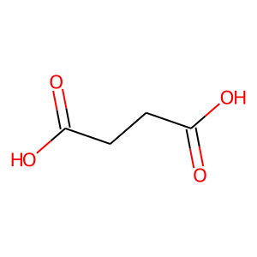 | O=C(O)CCC(=O)O | ibuprofen&SUCACB08 | 17.28222084
 | CC(C)Cc1ccc(C(C)C(=O)O)cc1 | 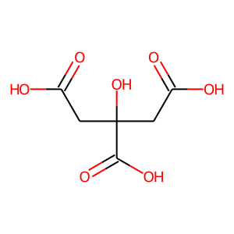 | O=C(O)CC(O)(CC(=O)O)C(=O)O | ibuprofen&CITRAC11 | 3.8352804184
 | CC(C)Cc1ccc(C(C)C(=O)O)cc1 | 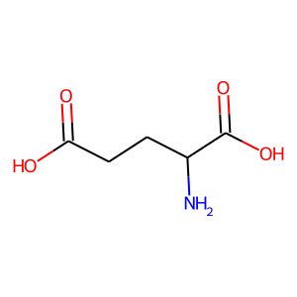 | NC(CCC(=O)O)C(=O)O | ibuprofen&33032 | 1.1794762611
 | CC(C)Cc1ccc(C(C)C(=O)O)cc1 | 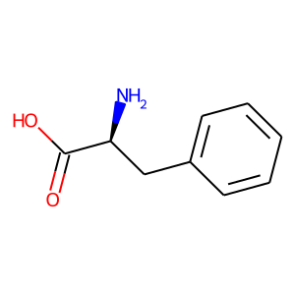 | N[C@@H](Cc1ccccc1)C(=O)O | ibuprofen&5910 | 40.990261078
 | CC(C)Cc1ccc(C(C)C(=O)O)cc1 | 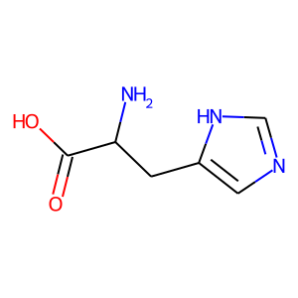 | NC(Cc1cnc[nH]1)C(=O)O | ibuprofen&6038 | 34.53282547
 | CC(C)Cc1ccc(C(C)C(=O)O)cc1 | 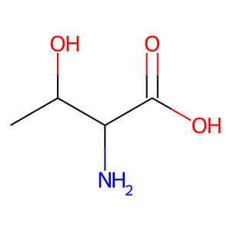 | CC(O)C(N)C(=O)O | ibuprofen&6051 | 11.612581253
 | CC(C)Cc1ccc(C(C)C(=O)O)cc1 | 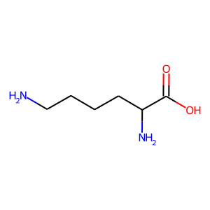 | NCCCCC(N)C(=O)O | ibuprofen&5747 | -6.4091277122
 | CC(C)Cc1ccc(C(C)C(=O)O)cc1 | 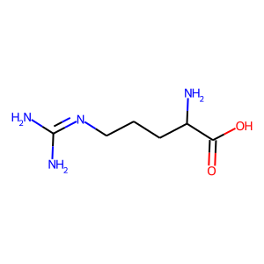 | NC(N)=NCCCC(N)C(=O)O | ibuprofen&6082 | 2.4948089123
 | CC(C)Cc1ccc(C(C)C(=O)O)cc1 | 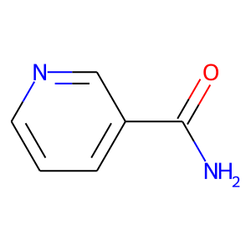 | NC(=O)c1cccnc1 | ibuprofen&911 | 42.938831329
 | CC(C)Cc1ccc(C(C)C(=O)O)cc1 | 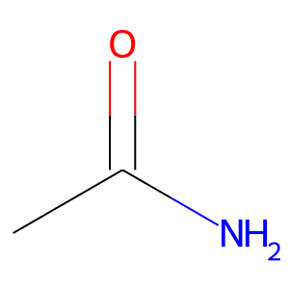 | CC(N)=O | ibuprofen&173 | 12.926282883
 | CC(C)Cc1ccc(C(C)C(=O)O)cc1 | 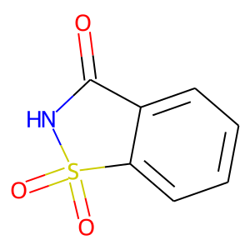 | O=C1NS(=O)(=O)c2ccccc21 | ibuprofen&4959 | 32.793605804
 | CC(C)Cc1ccc(C(C)C(=O)O)cc1 | 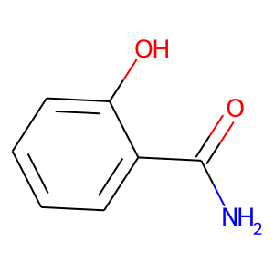 | NC(=O)c1ccccc1O | ibuprofen&4963 | -11.757468224
 | CC(C)Cc1ccc(C(C)C(=O)O)cc1 | 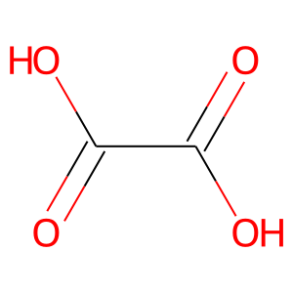 | O=C(O)C(=O)O | ibuprofen&946 | 12.100431442
 | CC(C)Cc1ccc(C(C)C(=O)O)cc1 | 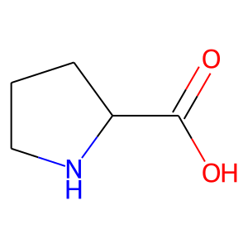 | O=C(O)C1CCCN1 | ibuprofen&128566 | 18.541149139
 | CC(C)Cc1ccc(C(C)C(=O)O)cc1 | 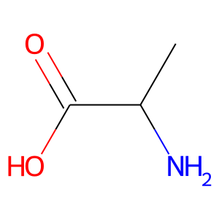 | CC(N)C(=O)O | ibuprofen&5735 | 14.829802513
 | CC(C)Cc1ccc(C(C)C(=O)O)cc1 | 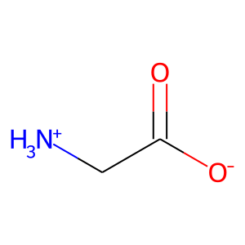 | [NH3+]CC(=O)[O-] | ibuprofen&GLYCIN19 | 31.355800629

