1. Title Page
[Basket Analysis]

Project Name: Insatcart Basket Analysis
Date: 03/09/23
Analyst Name: Kate Roussel

Contents:
Population Flow
Consistency checks
Wrangling steps
Column derivations
Visualizations
Recommendations

2. Population Flow
 |  | Title page

Population flow

Exclusion flag
Condition: max_order < 5
Obervations to be removed: Cusomer's PII Info
2 Columns: (First name, Last name)
Final total count of order_products_all: 32404859, 26

Orders_products_combined
Orders_products_merged
Orders_products_all

Total:
Total:
32434489, 10
Total:
32404859, 19 | 32404859, 26

1.) The grey boxes in the first row of the population flow represent the original data sets as they were when you downloaded them. In the Total fields you need to add the count of the rows when you imported the data set into Jupyter.
2.) The second row of boxes (coloured) represents the data sets after you manipulated them, e.g., removed missing values and duplicates. In the Total fields you need to add the count of the rows after conducting these operations. This offers a visual oveview of how the data flows throughout the data consistency checks.
3.) The third row, where also the arrows are coloured, represents the merges you performed between the datasets. In the Total fields you need to add the count of the rows in the merged datasets, so that you end up with the final dataset (in the red box). Keep in mind the final dataset should be without exclusions (based on the exclusion flag).

3. Consistency checks
 |  |  |  | Title page
Consistency checks

Dataset | Missing values | Missing values treatment | Duplicates
orders | 206209, days_since_prior_order | None | None
products | 16, product_name | Eliminate missing values | None
orders_products_prior
customers

4. Wrangling steps
 |  |  |  | Title page
Wrangling steps

Columns dropped | Columns renamed | Columns' type changed | Comment/Reason
‘eval_set’ in Orders |  |  | Not relevant or useful
 | ‘order_dow’ to ‘orders_day_of_week’
‘First Name’ in Customers |  |  | PII
‘Surnam’ in Customers |  |  | PII
 | ‘STATE’ to ‘state’ in Customers
 | ‘Age’ to ‘age’ in Customers
 | ‘Gender’ to ‘gender’ in Customers
 | ’n_dependants’ to ‘dependants’ in Customers
 | ‘fam_status’ to ‘family_status’ in Customers
 |  | ‘user_id’ from int64 to str in Customers | Changed in order to merge the two data frames
 |  | user_id’ from int64 to str in ords_prods_merged

5. Column derivations
 |  |  |  | Title page

Column derivations and aggregations

In this tab you should add tables below that the frequences of flags/label variables that you produced after deriving them. NB: don't do this for continuous variables, only for flags.
Dataset | New column | Column/s it was derived from | Conditions
df_ords_prods_merged | 'price_range' | prices' | if row['prices'] <= 5: return 'Low-range product' elif (row['prices'] > 5) and (row['prices'] <= 15): return 'Mid-range product' elif row['prices'] > 15: return 'High range' else: return 'Not enough data'
df_ords_prods_merged | busiest_day | orders_day_of_week' | if value == 0: result.append("Busiest day") elif value == 4: result.append("Least busy") else: result.append("Regularly busy")
df_ords_prods_merged | 'busiest_days' | orders_day_of_week' | if value == 0 or value ==1: result2.append("Busiest Days") elif value == 4 or value == 3: result2.append("Slowest Days") else: result2.append("Regular Days")
df_ords_prods_merged | 'busiest_period_of_day' | 'order_hour_of_day' | orders = list(df_ords_prods_merged['order_hour_of_day'].value_counts().quantile([0.25, 0.5, 0.75]))
ords_prods_merge | 'max_order' | user_id', 'order_number' | .groupby(['user_id'])['order_number'].transform(np.max)
ords_prods_merge | 'loyalty_flag' | max_order' | ords_prods_merge.loc[ords_prods_merge['max_order'] > 40, 'loyalty_flag'] = 'Loyal customer'ords_prods_merge.loc[(ords_prods_merge['max_order'] <= 40) & (ords_prods_merge['max_order'] > 10), 'loyalty_flag'] = 'Regular customer' ords_prods_merge.loc[ords_prods_merge['max_order'] <= 10, 'loyalty_flag'] = 'New customer'
ords_prods_merge | 'avg_price' | user_id', 'prices' | .groupby(['user_id'])['prices'].transform(np.max)
ords_prods_merge | 'spending_flag' | 'avg_price' | ords_prods_merge.loc[ords_prods_merge['avg_price'] < 10, 'spending_flag'] = 'Low spender' ords_prods_merge.loc[ords_prods_merge['avg_price'] >= 10, 'spending_flag'] = 'High spender'

6. Visualizations
 | Title page

Visualisations

In this tab you should include all the visualtions from Exercises 4.9 and 4.10, alongside the questions from the project brief that they answer. Include any commentary on the relationship between different variables.

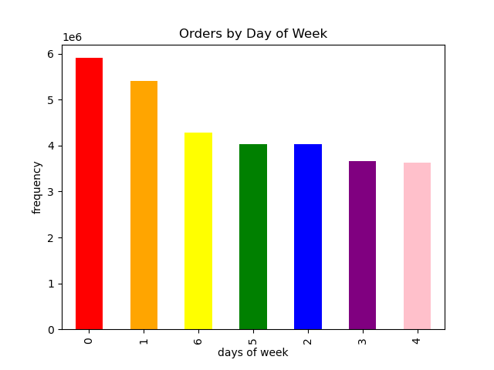

This bar chart shows us the frequency of orders by the day of the week. (Sunday = 0 and so on) We can see that Sunday and Saturday are the most popular days to place an order.

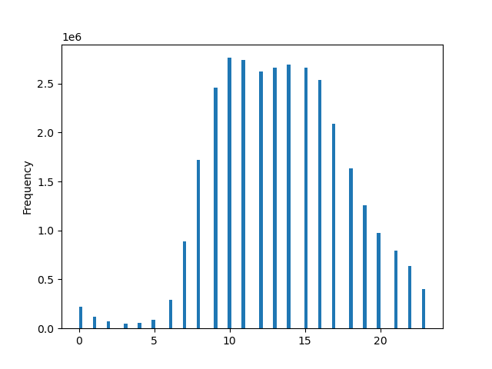

This bar chart shows us the frequency of orders by the hour of the day. (0= 1am and so on) We can see that 10am and 11am are the most popular times to place an order.

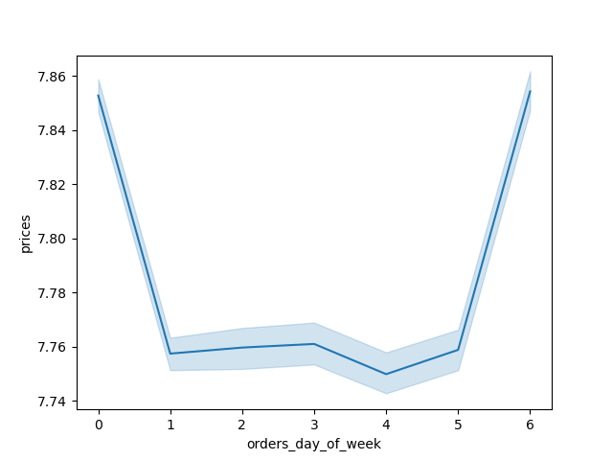

This line chart shows us the price of orders by the day of the week. (Sunday = 0 and so on)



This bar chart shows us the frequency of orders by the hour of the day. (0= 1am and so on)

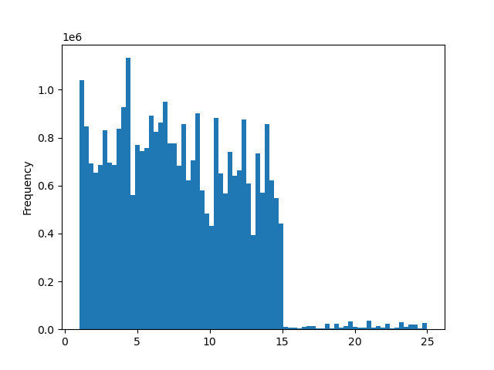

This histogram shows us the variation of prices for each product. We can see that the most common price for products is under $5.

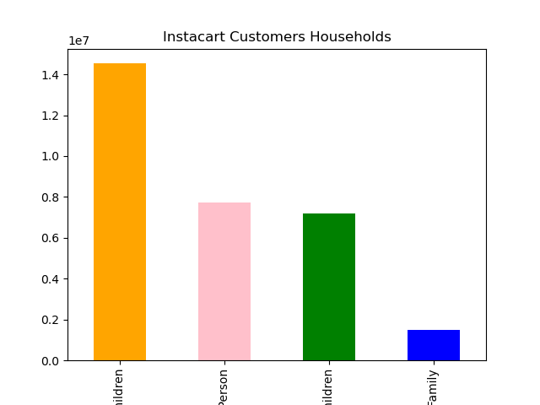

This bar chart shows us the distribution of family structures for Instacart customers. The most common type of family structure is 'Couple with Children', followed by 'One Person', "Couple without Children', and 'Other Family'

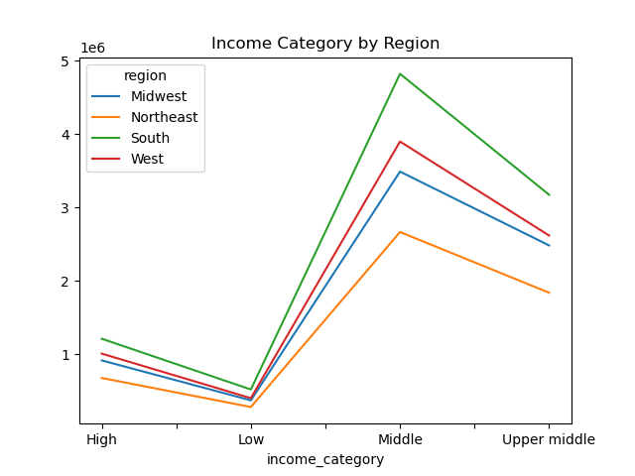

This line chart shows us the types of income levels by region of the US. The most common type of income level for each region is "Middle"

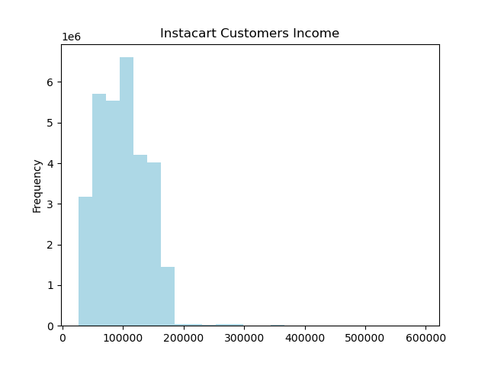

This bar graph shows the distribution of customers' income. The most common level of income is around the $100,000 range.

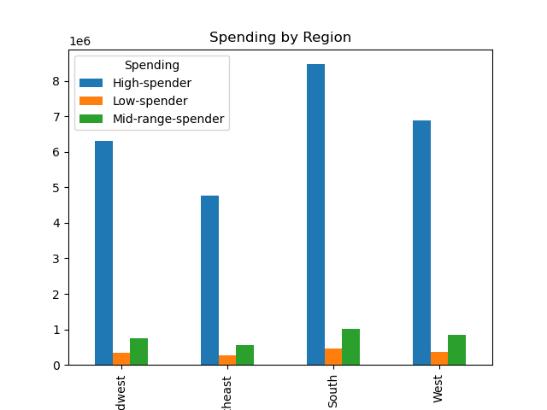

Here we have customer's spending by region of the US. We can see that the South has the highest amount of "High spenders", while the Northeast has the lowest.

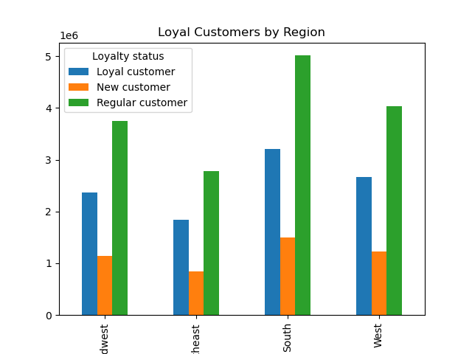

Here we have customer's loyalty status by region of the US. We can see that the South has the highest amount of "Loyal customers", while the Northeast has the lowest.

7. Recommendations
 |  | Title page

Recommendations

In this tab you should include any recommendations you would made to Instcart in terms of their marketing strategy based on the questions posed in the brief. Every key question has been covered in the Tasks of the Exercises - here you need to add an item - a visualisation or table/crosstable that is showing the answer in the data, acompanied by a comment from you. Please, list the questions below and add the answer underneath.

Question | Answer
The sales team needs to know what the busiest days of the week and hours of the day are (i.e., the days and times with the most orders) in order to schedule ads at times when there are fewer orders. | The busiest day for orders is Saturday, known as '0' in the dataframe. The hours in which orders occur most frequently are, (in order from most frequent to least): 10am, 11am, 2pm, 3pm, 1pm.
They also want to know whether there are particular times of the day when people spend the most money, as this might inform the type of products they advertise at these times. | The time of day when customer spend the most money is around 4am. The most popular days to spend more money are Saturday and Sunday. Source: linechart_orders_prices, linechart_prices
Instacart has a lot of products with different price tags. Marketing and sales want to use a simpler price range groupings to help direct their efforts. | Products have been sorted into 3 categories: Low-range product, with a price range of below $5 Mid-range products with a price range between $5 and $15, High-range products with a price range above $15
The marketing and sales teams are particularly interested in the different types of customers in their system and how their ordering behaviors differ. For example:
● What’s the distribution among users in regards to their brand loyalty (i.e., how often do they return to Instacart)? | Most Insacart customers are regular customers, followed by frequent customers, followed by new customers.
● Are there differences in ordering habits based on a customer’s loyalty status? | All customers are most likely to be a "Day Time" orderer, meaning they make most of their purchases during the time frame of of 10 am to 11pm.
● Are there differences in ordering habits based on a customer’s region? | All customers in each region are most likely to be a "Day Time" orderer, meaning they make most of their purchases during the time frame of 10 am to 11pm.
● Is there a connection between age and family status in terms of ordering habits? | Again, all customers in every type of family are more likely to order during regular hours of 10am to 11pm.

