Pivot_Tables_&_Charts
PIVOT TABLES & PIVOT CHARTS SUMMARY
Grouped Pivot-Style Aggregations, Grand Totals & Native Interactive Visualizations

Department Attrition Rate (%)
Pivot Table 1: Attrition by Department
Department | Headcount | Leavers | Stayers | Attrition Rate % | Total Overtime Hrs | Avg Engagement
Customer Support
Sales
Operations
Marketing
HR
Engineering
Finance
Grand Total

Pivot Table 2: Promotion Patterns vs Attrition
Promotion Status | Headcount | Leavers | Stayers | Attrition Rate %
Not Promoted
Attrition Rate by Promotion History (%)
Promoted
Unknown
Grand Total

Pivot Table 3: Tenure Cohort vs Attrition
Tenure Cohort | Headcount | Leavers | Stayers | Attrition Rate %
< 2 years
2-4 years
4-6 years
6+ years
Grand Total

Department_Analysis
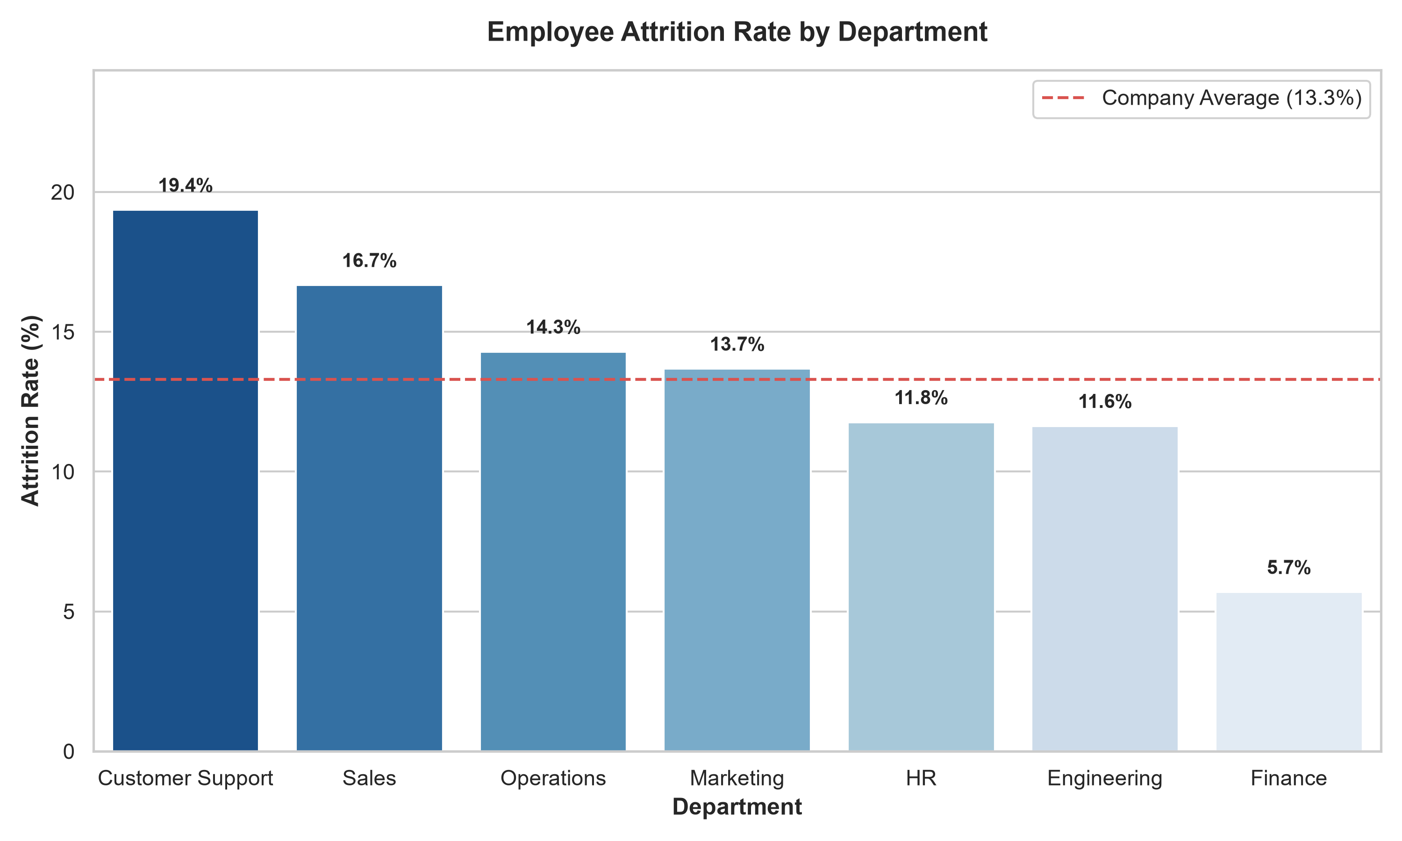
DEPARTMENT ATTRITION ANALYSIS
Comprehensive Breakdown Across All 7 Departments with Statistical KPIs & Embedded Visual Chart

Department Performance & Flight-Risk Roster
Department | Headcount | Leavers | Stayers | Attrition Rate | Avg Tenure (Yrs) | Avg Overtime (Hrs) | Avg Increment % | Avg Engagement | Avg Flight Risk | High Risk Count
Customer Support
Sales
Operations
Marketing
HR
Engineering
Finance
Grand Total

Role_Level_Attrition
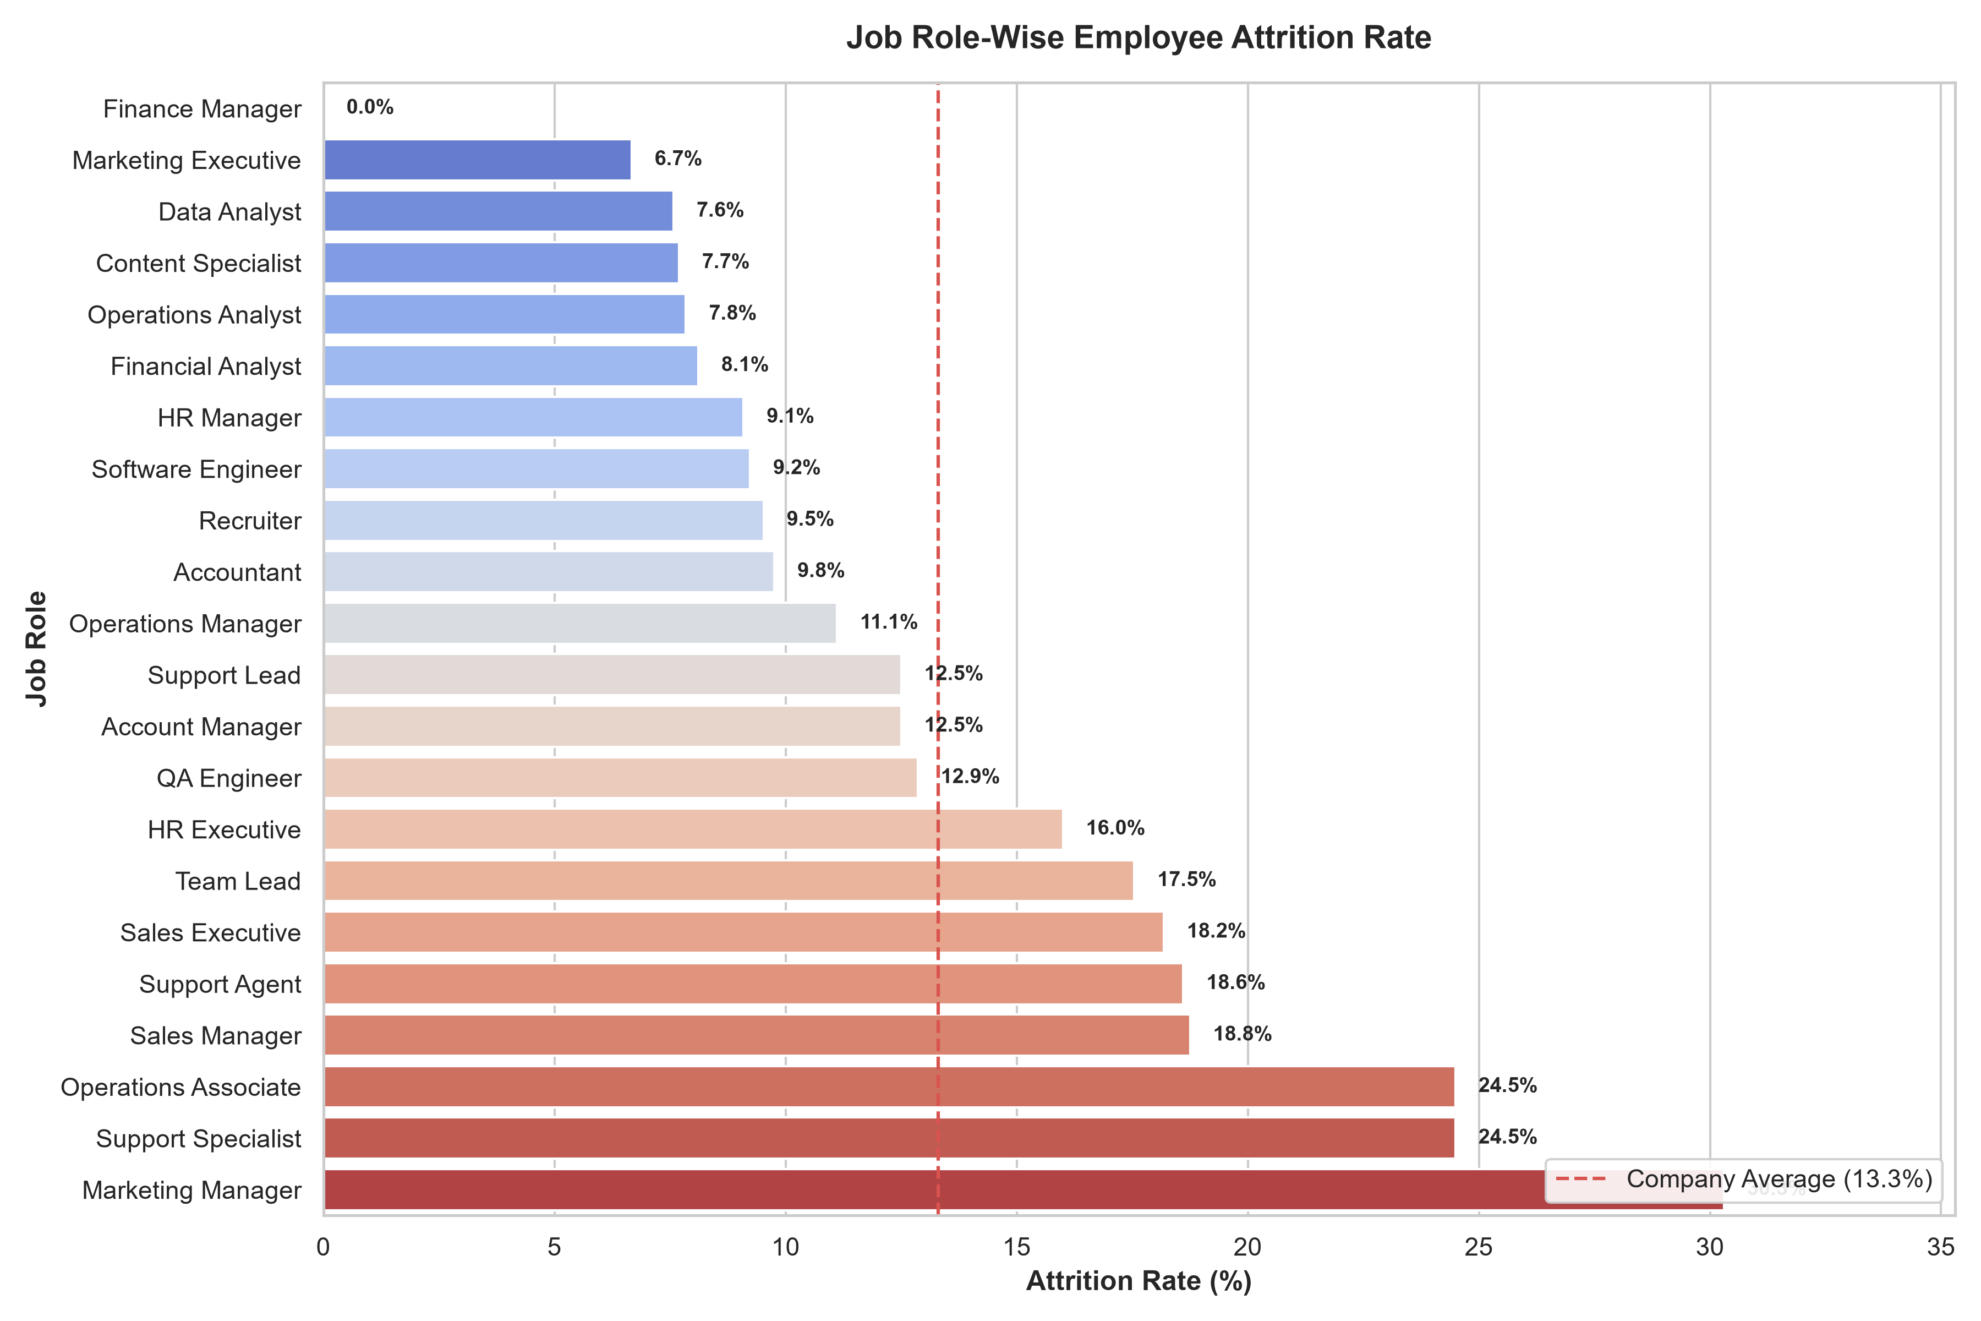
ROLE-LEVEL ATTRITION ANALYSIS
Granular Analysis Across All 22 Standardized Job Roles Ranked by Voluntary Turnover Rate

Complete 22-Role Workforce Roster & Flight-Risk Profile
Rank | Job Role | Department | Headcount | Leavers | Stayers | Attrition Rate % | Avg Tenure (Yrs) | Avg Overtime (Hrs) | Avg Engagement | Avg Flight Risk % | Risk Status
1 | Marketing Manager | Marketing
2 | Support Specialist | Customer Support
3 | Operations Associate | Operations
4 | Sales Manager | Sales
5 | Support Agent | Customer Support
6 | Sales Executive | Sales
7 | Team Lead | Engineering
8 | HR Executive | HR
9 | QA Engineer | Engineering
10 | Account Manager | Sales
11 | Support Lead | Customer Support
12 | Operations Manager | Operations
13 | Accountant | Finance
14 | Recruiter | HR
15 | Software Engineer | Engineering
16 | HR Manager | HR
17 | Financial Analyst | Finance
18 | Operations Analyst | Operations
19 | Content Specialist | Marketing
20 | Data Analyst | Engineering
21 | Marketing Executive | Marketing
22 | Finance Manager | Finance
 | Grand Total | - |  |  |  |  |  |  |  |  | Company Baseline

Statistical_Analysis
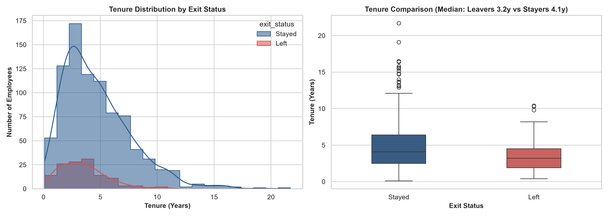
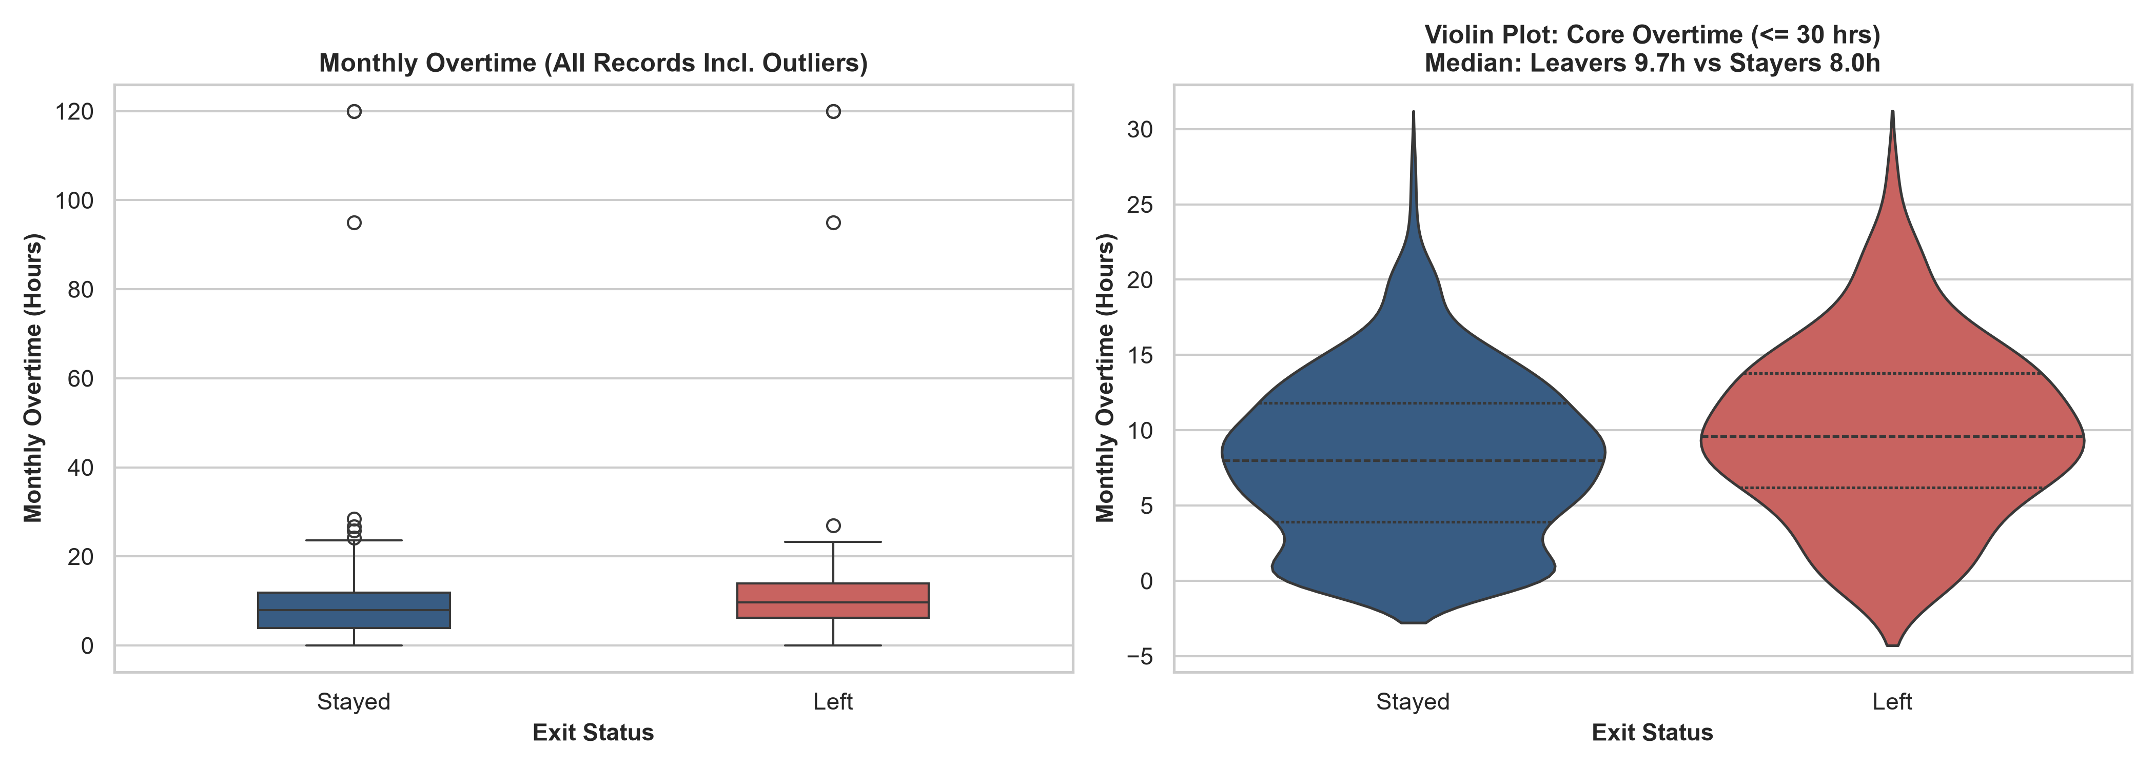
STATISTICAL ANALYSIS & HYPOTHESIS TESTING
Full Descriptive Statistics (Stayers vs Leavers), Parametric/Non-Parametric Tests & Significance Tests

Quantitative Features: Stayers vs Leavers Descriptive Statistics
Metric / Variable | Stayers Mean | Stayers Median | Stayers Min | Stayers Max | Stayers Std | Leavers Mean | Leavers Median | Leavers Min | Leavers Max | Leavers Std | Mean Diff (L-S) | % Variance | Hypothesis Test | Test Stat | p-value | Significance
Tenure (Years) |  | 4.10 |  |  | 3.01 |  | 3.20 |  |  | 2.05 |  |  | Welch's t-test | t = -6.002 | 7.65e-09 | *** Significant
Overtime Hours (Monthly) |  | 8.00 |  |  | 8.15 |  | 9.70 |  |  | 16.28 |  |  | Mann-Whitney U | U = 69,106 | 0.00022 | *** Significant
Engagement Score (1-5) |  | 3.40 |  |  | 0.80 |  | 3.20 |  |  | 0.75 |  |  | Two-Sample t-test | t = -3.003 | 0.0030 | ** Significant
Absence Days |  | 5.00 |  |  | 2.01 |  | 5.00 |  |  | 2.03 |  |  | Two-Sample t-test | t = 0.215 | 0.8300 | Not Significant
Leave Days Taken |  | 14.90 |  |  | 4.10 |  | 15.10 |  |  | 4.25 |  |  | Two-Sample t-test | t = 0.621 | 0.5348 | Not Significant
Increment % |  | 8.70 |  |  | 3.85 |  | 8.50 |  |  | 3.92 |  |  | Two-Sample t-test | t = -0.583 | 0.5601 | Not Significant
Benefits Score (1-5) |  | 3.50 |  |  | 0.82 |  | 3.40 |  |  | 0.84 |  |  | Two-Sample t-test | t = -0.392 | 0.6952 | Not Significant
Age (Years) |  | 36.00 |  |  | 7.82 |  | 35.00 |  |  | 7.64 |  |  | Two-Sample t-test | t = -0.748 | 0.4547 | Not Significant
Survey Participation % |  | 0.58 |  |  | 0.22 |  | 0.55 |  |  | 0.23 |  |  | Two-Sample t-test | t = -0.965 | 0.3349 | Not Significant

ML_Model_Performance
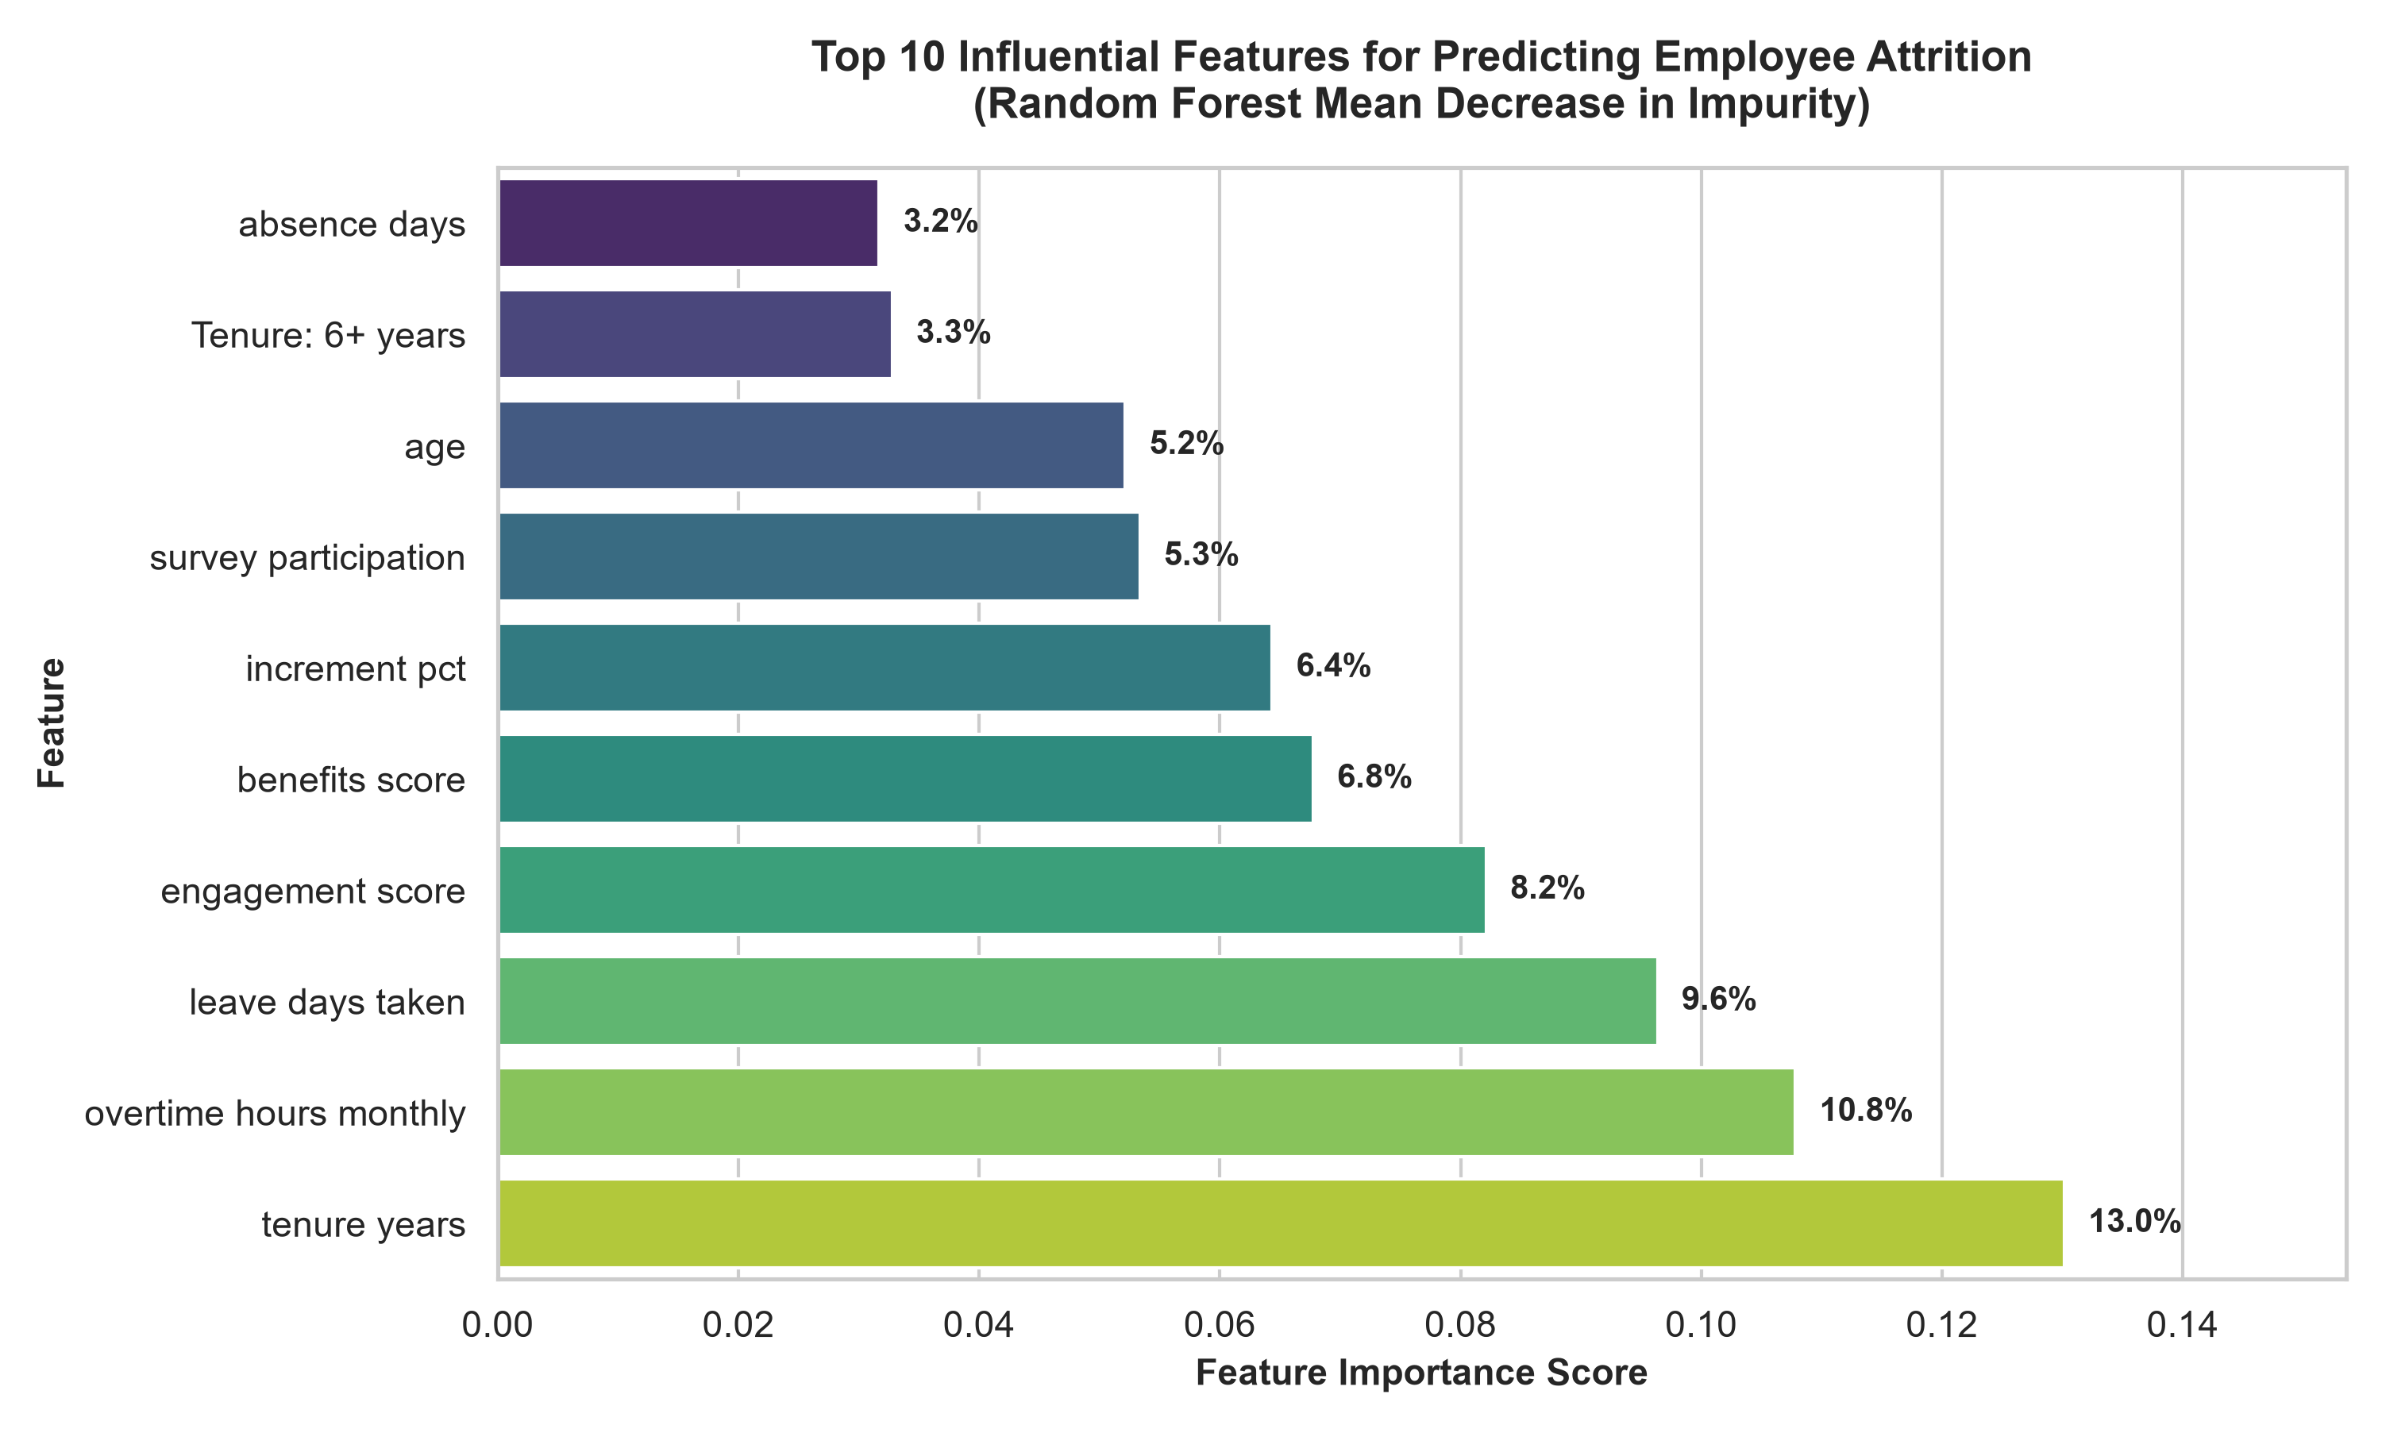
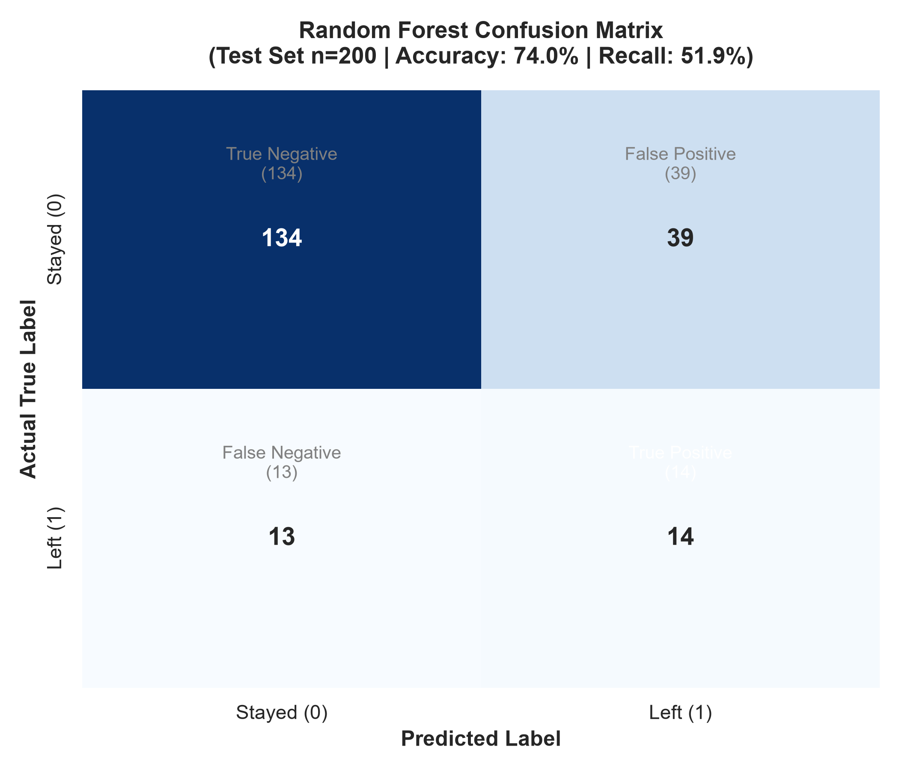
ROUND 2 MACHINE LEARNING MODEL PERFORMANCE
Random Forest Classifier vs Baselines, Confusion Matrix, Metrics & Top Feature Importances

Model Evaluation Comparison (Test Set n=200, 80:20 Stratified Split)
Model Architecture | Accuracy | Precision (Leavers) | Recall (Leavers) | F1-Score | ROC-AUC Score | Verdict / Status
Random Forest (Tuned, Balanced Class Weights) | 74.0% | 26.4% | 51.9% | 0.3500 | 0.7294 | Primary Production Model
Logistic Regression (L2 Regularized) | 71.0% | 23.1% | 44.4% | 0.3038 | 0.6912 | Baseline Model
Zero-R (Majority Class Predictor) | 86.5% | 0.0% | 0.0% | 0.0000 | 0.5000 | Naive Zero-Predictor

Random Forest Test Set Confusion Matrix (n=200)
 | Predicted Stayed (0) | Predicted Left (1) | Row Total (Actual)
Actual Stayed (0) | 134 | 39
Actual Left (1) | 13 | 14
Column Total (Pred)

Top Predictors of Voluntary Turnover (Random Forest Gini Importance)
Rank | Feature Name | Domain Category | Gini Importance | Cumulative Importance % | Strategic Impact

