Sheet1
Items | Description | System Location | Heuristics Violated | Severity
Item 1 | When using the search feature, if you type an individual's name, users would expect the closest match to appear at the top of the list. Sometimes the name is at the top, and sometimes the perfect match is lower on the list making the user scroll and read through all the other names to find it. the inconsistency make this difficult for users to know what to expect. Searching an individual by their full name when both the full name and a nickname are entered in the system, often times theuser has to type the nickname in order for the results to show the correct person. Additionally, if a user types a name and clicks the "enter" key on their keyboard, they would expect the system to produce a list of names similar to what was typed, with the closest matches at the top, even if no names match perfectly. However, when the enter key is pressed, the text typed in the search bar disappears, the drop down of suggested matches disappears, and the user has to type in the name all over again. This is a problem because for many users, when typing in the search bar, it is habitual to click enter when finished typing. If that is done with the Retain search bar, the user must begin their task from the beginning. | Top right corner of the dashboard | #4 Consistency and Standards | 3
Item 2 | Attempting to go back to a previous screen - There are times when a user would like to go back to the previous screen, but clicking back either produces no response from the system, or it takes the user all the way back to the dashboard and they have to start the task over. The instances where this occurs are as follows: |  | #1 Visibility of System Status | 3
Item 3 | When reviewing appointment requests, the user must click on the "i" to see the details of the requested appointment (for example the preferred days of the week, times, and even the specific tutor that is preferred). Once the user clicks on the schedule icon to schedule the appointment, they can no longer see those details. This puts a burden on the user with a large cognitive load to remember all the details while comparing them to the time, date, and tutor options that are available. Suggestion: display the request details on the scheduling page when a user clicks to schedule that specific appointment | Requests page | #6 Recognition rather than Recall | 3
Item 4 | When scheudling appointments, a user has trouble deciphering between appointments that are already scheduled for the student and appointmnets that are already scheduled for the tutor. Suggestion: make the appointments have a different "texture" on the scheduling page. For example, the student's appointment blocks will have dots while the tutor's have diagonal lines. For any appointments that they have scheduled together, the box will show both lines and dots. | Scheduling Page | #4 Consistency and Standards | 3
Item 5 | Need higher contrast between white & grey for available & unavailable. Additionally, if a student is already scheduled or has something else on their schedule, it covers the whole spce and make it hard for the user to see if the space is white underneath-indicating the tutor is available. | Scheduling Page | #4 Consistency and Standards | 3
Item 6 | A student is scheduled for recurring appointments on Mondays and Wednesdays at 8pm. The user needs to move the appointment on Mondays to 7pm from now on. The system will move the time for both appointments rather than just the Monday appointment. To combat this, the user must schedule appointments on each day of the week separately. (NEED TO TRY) Suggestion: have the system ask the user if they would like to make that change to ONLy the monday appointment, only the wednesday appointment or both appointments | Scheduling Page | #5 Error Prevention | 3
Item 7 | If a user changes the day of the week for a recurring appointment appointment moving forward on the scheduling calendar by clicking and dragging the appointment, the checkbox days of the week at the bottom left of the page should automatically adjust to reflect the change. Instead, the days stay checked how they were originally. (NEED TO TRY) | Scheduling Page | #5 Error Prevention | 3
Item 8 | Scheduling busy appointments |  | #1 Visibility of System Status #4 Consistency and Standards | 2
Item 9 |  |  | #1 Visibility of System Status #4 Consistency and Standards | 2
Item 10 | When adding a hyperlink, if you highlight more than one paragraph of text, and create a valid hyperlink, the link attaches to the last paragraph of text only (10a). It still underlines and blues the other paragraphs that were highlighted so they look hyperlinked (10b), but when clicked on, they lead to an invalid/missing link. If you click on the missing link where it says "https://" there is no error message from the site letting you know that the link is missing/invalid. If the link can attach only to the last paragraph, the system should only chnage the color & underline the part of the text that was successfully hyperlinked as the common standard is that the blue-underlined visual signals that the text is "clickable". | Discussion Prompt: Self-Reflection in Week 1, 2, 3, 4, & 5, and Heuristic Evaluation Sandbox in week 6 --> text box hyperlink option | #1Visibility of System Status #4Consistency and Standards | 2
Item 11 | When analyzing the math equation feature, my discussion board page got stuck only partially scrolling. The bottom half of the screen became white (11a), blocking half of what is supposed to be seen on the screen. When I refrshed the page, it reset back to a normal full screen. | Discussion Prompt: Self-Reflection in Week 3 | #4 Consistency and Standards | 2
Item 12 | In some discussion text boxes, the user is only able to go back and add one letter into text that has already been typed. After one letter is typed, the blinker is automatically moved back to the end of the text. This is not efficient nor consistent with expectations. | Discussion Prompt: Self Reflection Week 1 | #4 Consistency and Standards #7 Flexibility and Efficiency of Use | 2
Item 13 | There is no separation between discussion board posts other than the upvote and reply button and timestamp. Perhaps a very thin horizontal line would allow for more separation and easy scanning of the posts while skimming over all posts. There should also be more of a differentiation in the "look" of an original post versus a reply to an original post. | Discussion Prompt: Self-Reflection in Week 1, 2, 3, 4, & 5, and Heuristic Evaluation Sandbox in week 6 | #8 Aesthetic and Minimalist Design | 1
Item 14 | When scrolling through other users' responses, the page length varies and can sometimes get very long depending on the size/number of embedded images present. This makes it difficult to remember where certain posts are and to navigate reading through all the posts. There is also a "page" navigator at the bottom which is a very useful tool for users to have a checkpoint or reference for how many responses they are sifting through as well as an easy way to locate and return to certain posts at a later time. One might consider decreasing the number of responses on each page or limit each page to a certain length rather than a certain number of posts. | Discussion Prompt: Self-Reflection in Week 1, 2, 3, 4, & 5, and Heuristic Evaluation Sandbox in week 6 --> after response is submitted | #8 Aesthetic and Minimalist Design | 1
Photos
Item 9a | 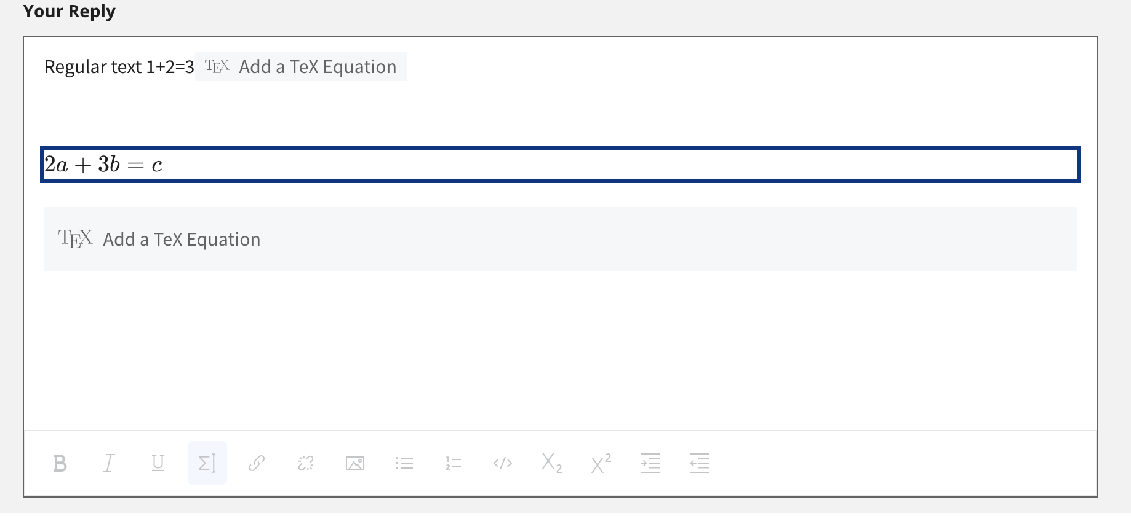 9a
Item 9b | 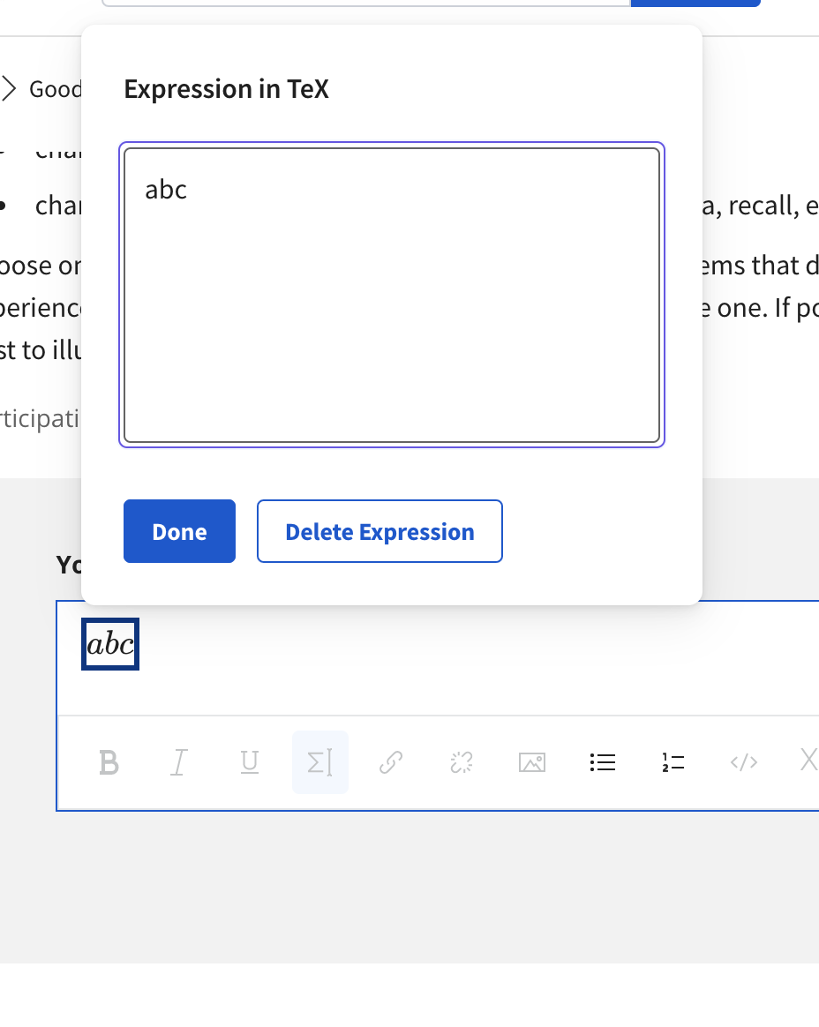
Item 9c | 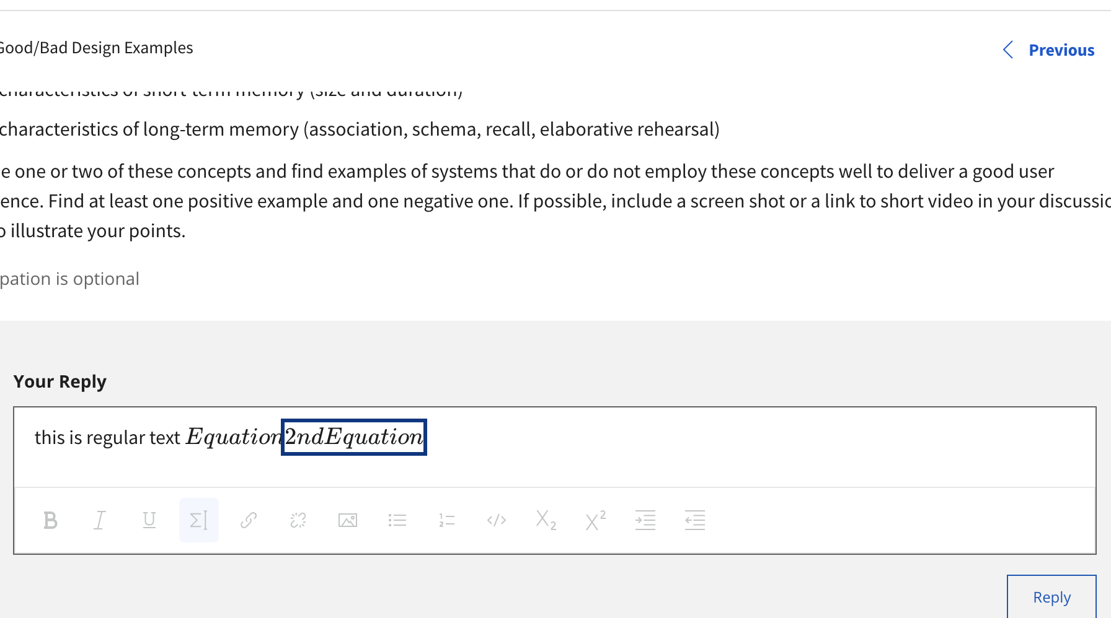
Item 9d | 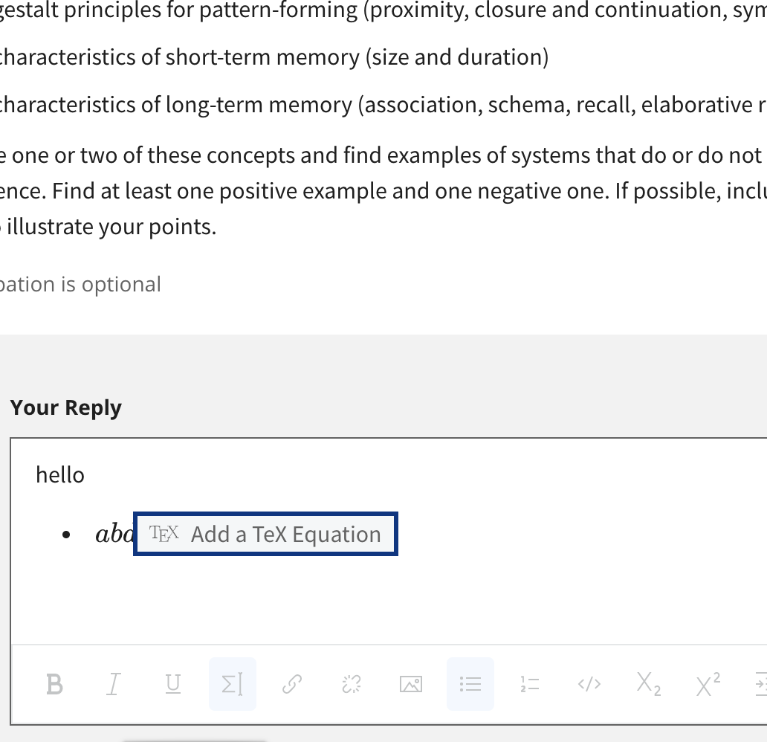
Item 9e
Item 9f | 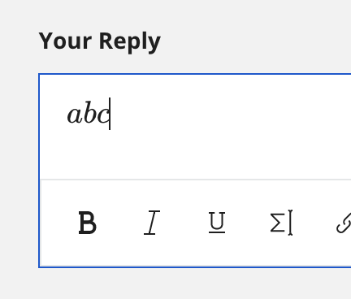
Item 9g | 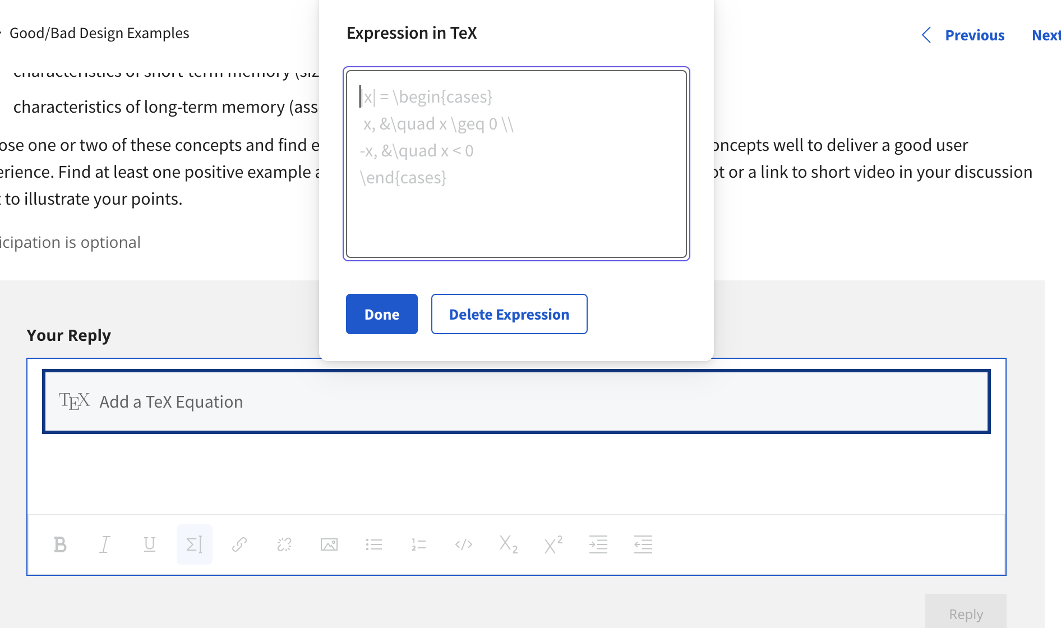
Item9h | 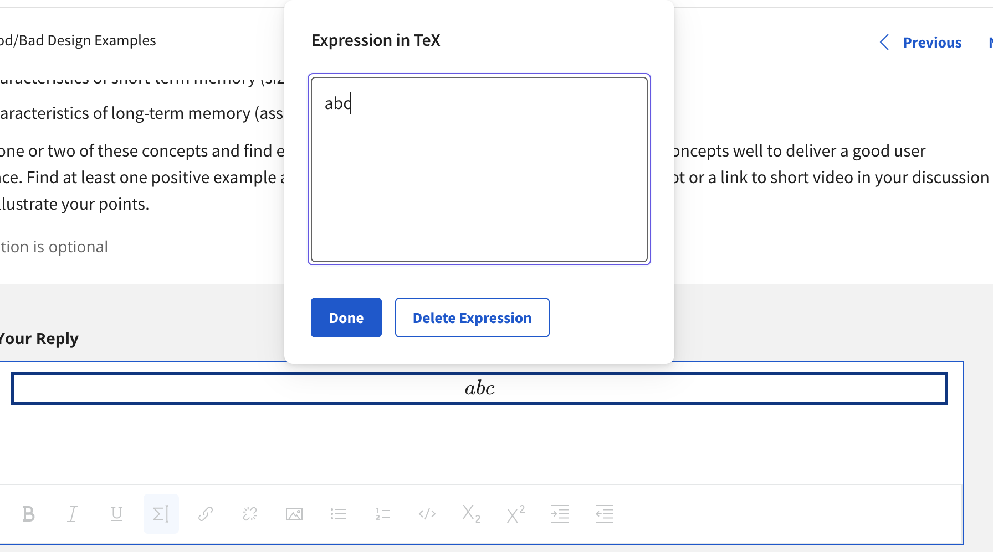
Item 10a | 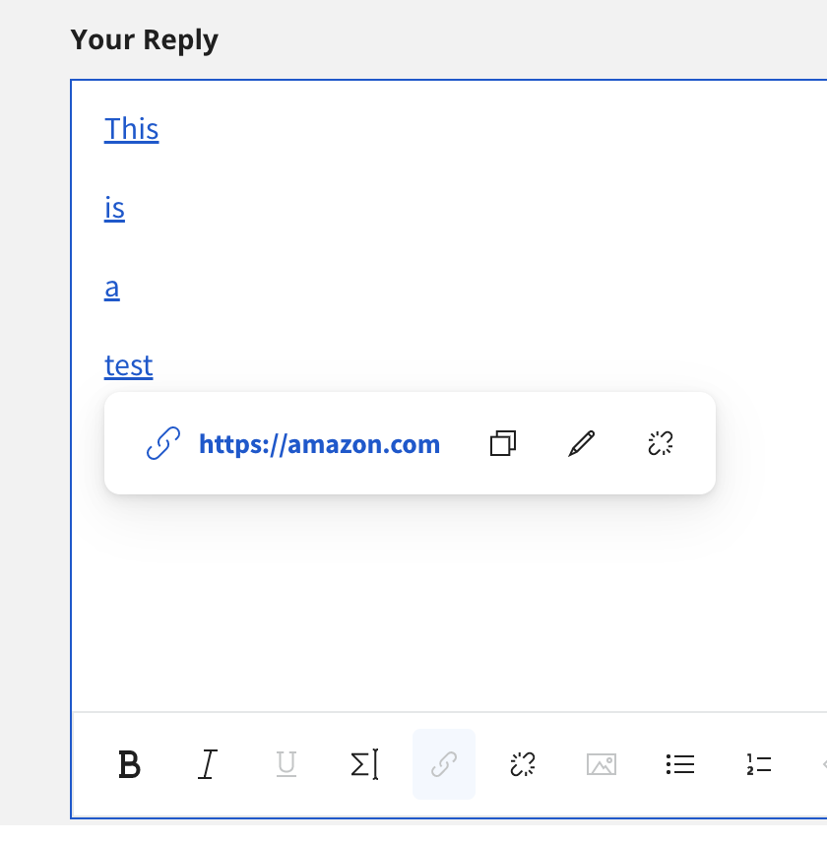
Item 10b | 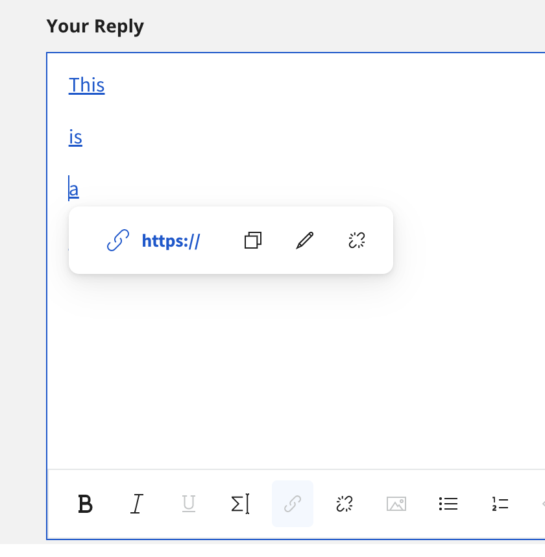
Item 11a | 