Sheet1
 | FAIL | PASS
Tingles Island | 2
Tingles Island |  | 2
Tingles Island | 1 | 1
Tingles Island |  | 2
Tingles Island |  | 2
Tingles Island |  | 2
Tingles Island |  | 2
Tingles Island |  | 2
Tingles Island |  | 2
Tingles Island |  | 2
Tingles Island |  | 2
Tingles Island |  | 2
Tingles Island | 1 | 2
Tingles Island | 1 | 2
Tingles Island |  | 3
Tingles Island |  | 3
Tingles Island | 3

Count of All_check | Column Labels
Row Labels | FAIL | PASS | Grand Total
2009 | 2 |  | 2
Tingles Island | 2 |  | 2
2010 |  | 2 | 2
Tingles Island |  | 2 | 2
2011 | 1 | 1 | 2
Tingles Island | 1 | 1 | 2
2012 |  | 2 | 2
Tingles Island |  | 2 | 2
2013 |  | 2 | 2
Tingles Island |  | 2 | 2
2014 |  | 2 | 2
Tingles Island |  | 2 | 2
2015 |  | 2 | 2
Tingles Island |  | 2 | 2
2016 |  | 2 | 2
Tingles Island |  | 2 | 2
2017 |  | 2 | 2
Tingles Island |  | 2 | 2
2018 |  | 2 | 2
Tingles Island |  | 2 | 2
2019 |  | 2 | 2
Tingles Island |  | 2 | 2
2020 |  | 2 | 2
Tingles Island |  | 2 | 2
2021 | 1 | 2 | 3
Tingles Island | 1 | 2 | 3
2022 | 1 | 2 | 3
Tingles Island | 1 | 2 | 3
2023 |  | 3 | 3
Tingles Island |  | 3 | 3
2024 |  | 3 | 3
Tingles Island |  | 3 | 3
2025 | 3 |  | 3
Tingles Island | 3 |  | 3
Grand Total | 8 | 31 | 39

Sheet2
 | FAIL | PASS
Tingles Island | 2
Tingles Island |  | 2
Tingles Island | 1 | 1
Tingles Island |  | 2
Tingles Island |  | 2
Tingles Island |  | 2
Tingles Island |  | 2
Tingles Island |  | 2
Tingles Island |  | 2
Tingles Island |  | 2
Tingles Island |  | 2
Tingles Island |  | 2
Tingles Island | 1 | 2
Tingles Island | 1 | 2
Tingles Island |  | 3
Tingles Island |  | 3
Tingles Island | 3

Figure 1. Mean HDH Comparison
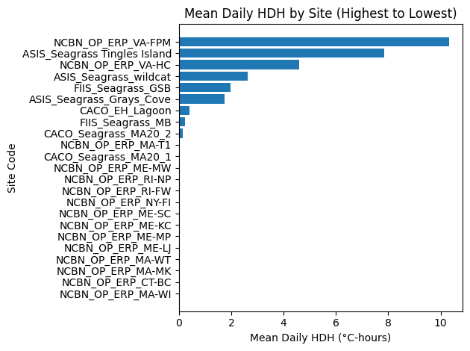
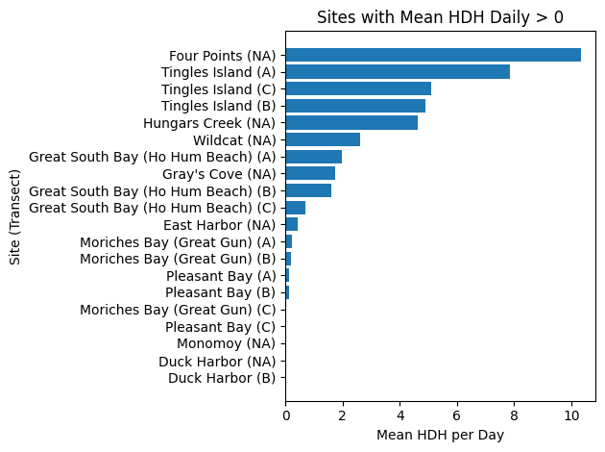
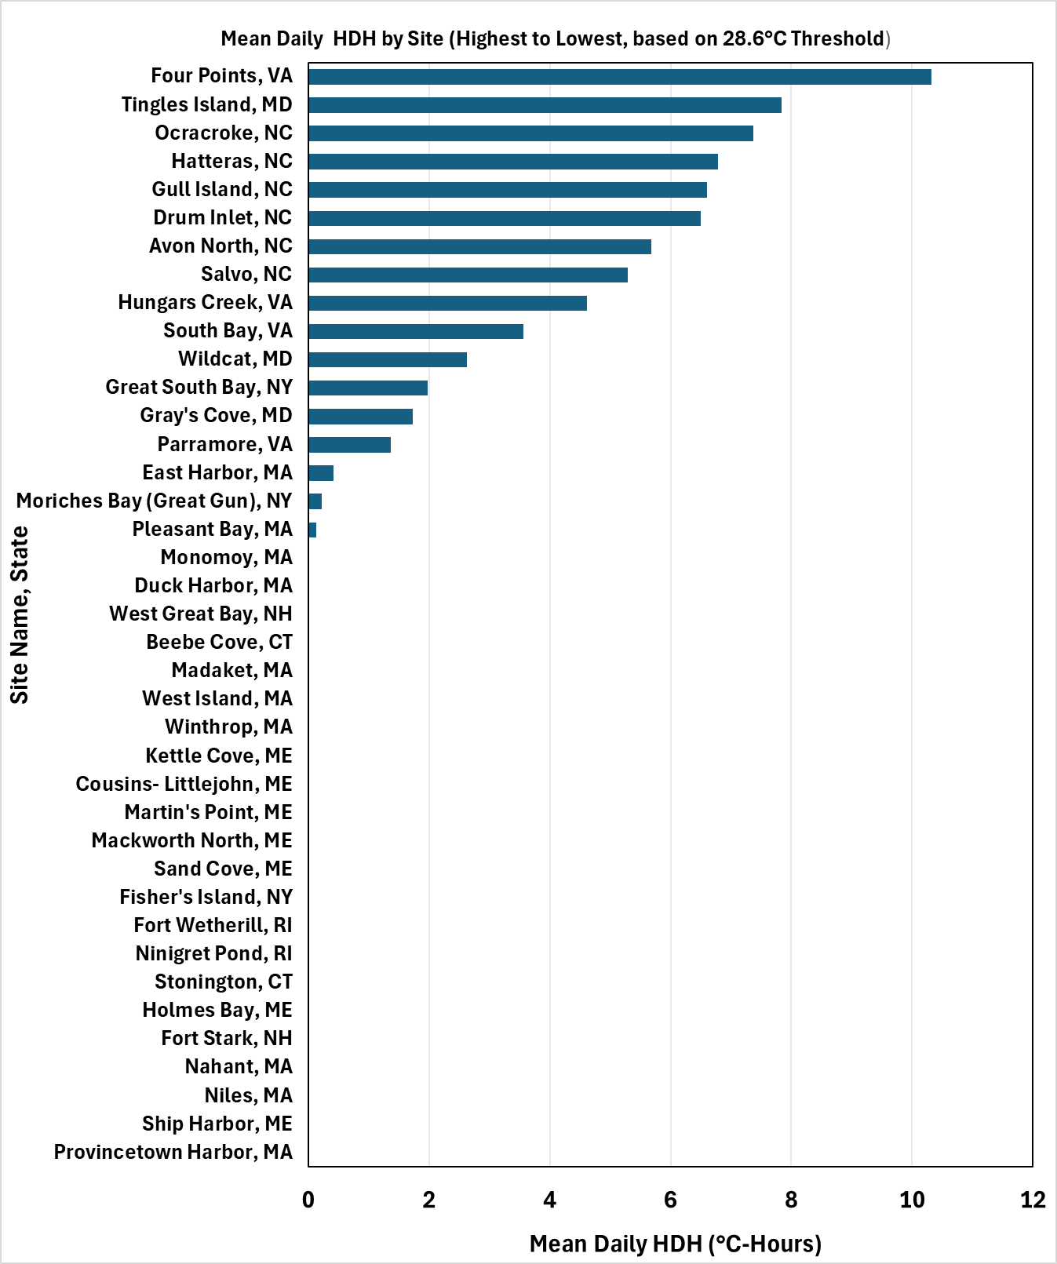
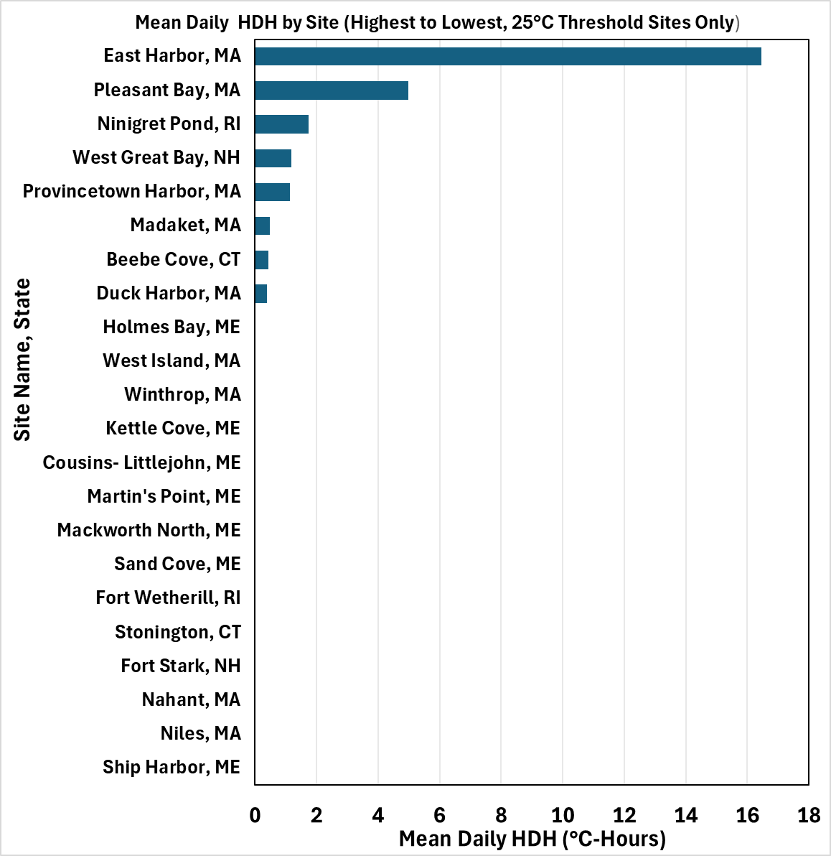

Notes: Not capturing heat stress from Northern sites
Reduce threshold to 25C for these sites?
Determine where cutoff is from genomics studies

2. % 28.6 Comparison
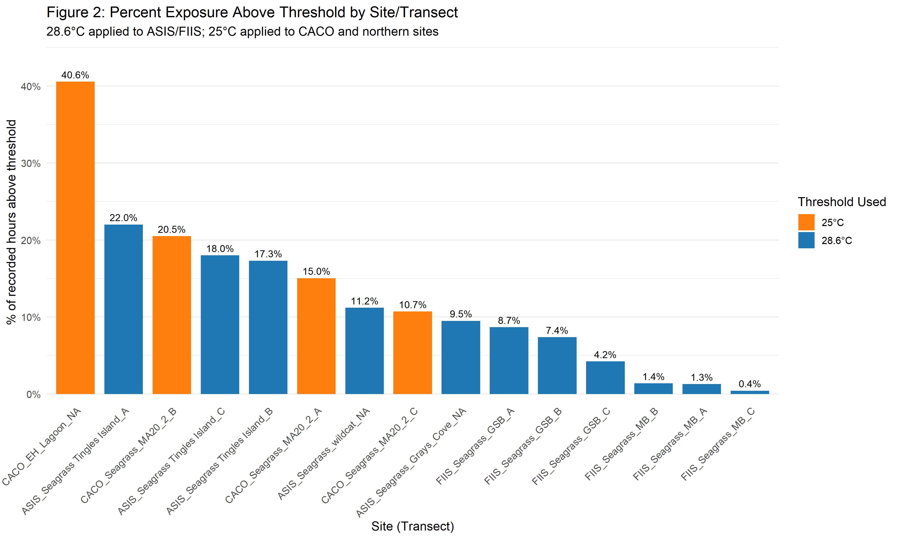
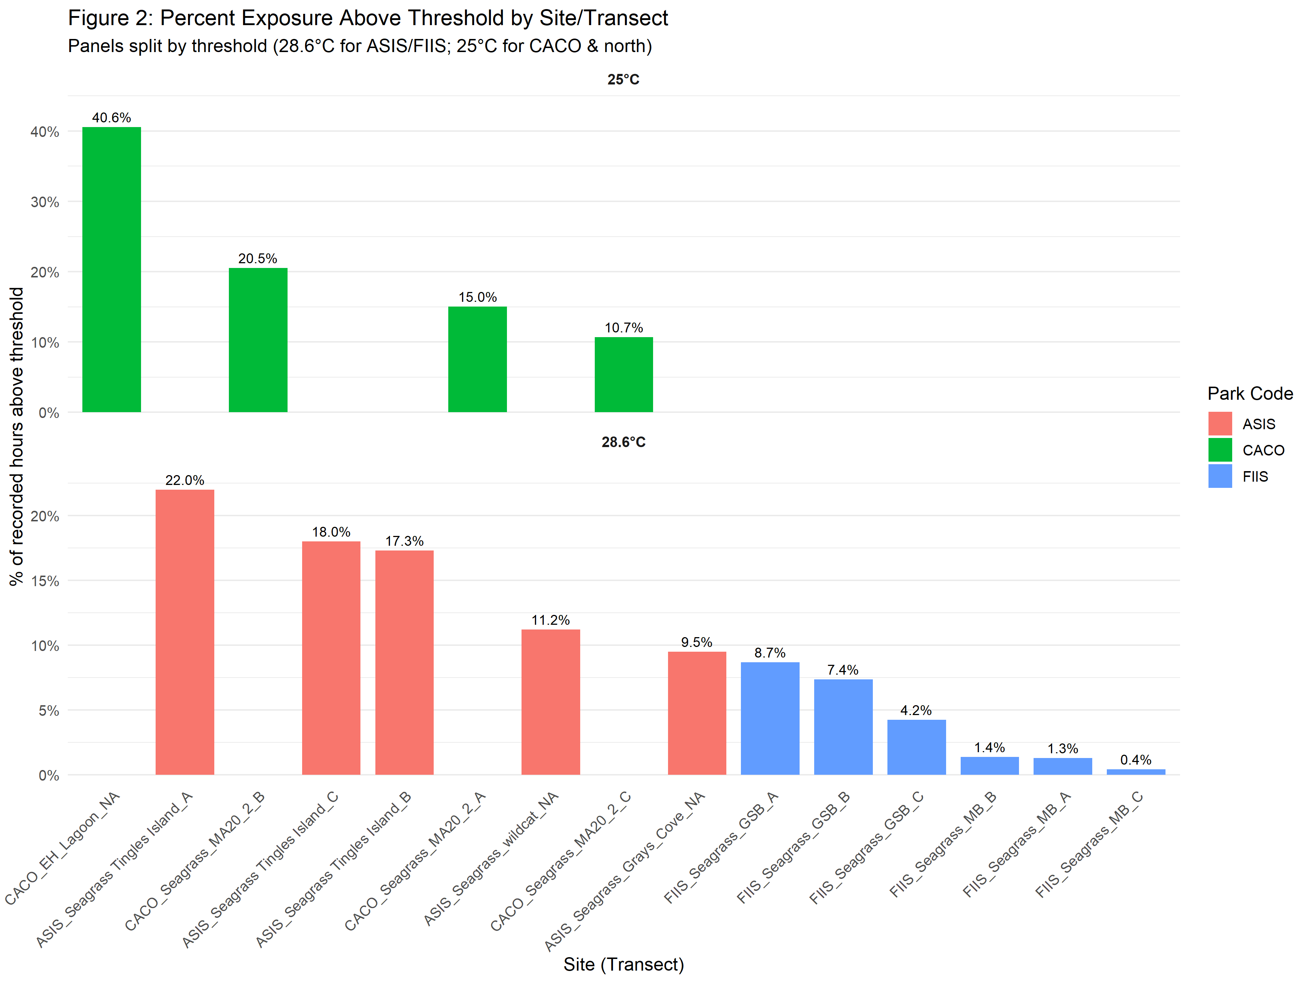
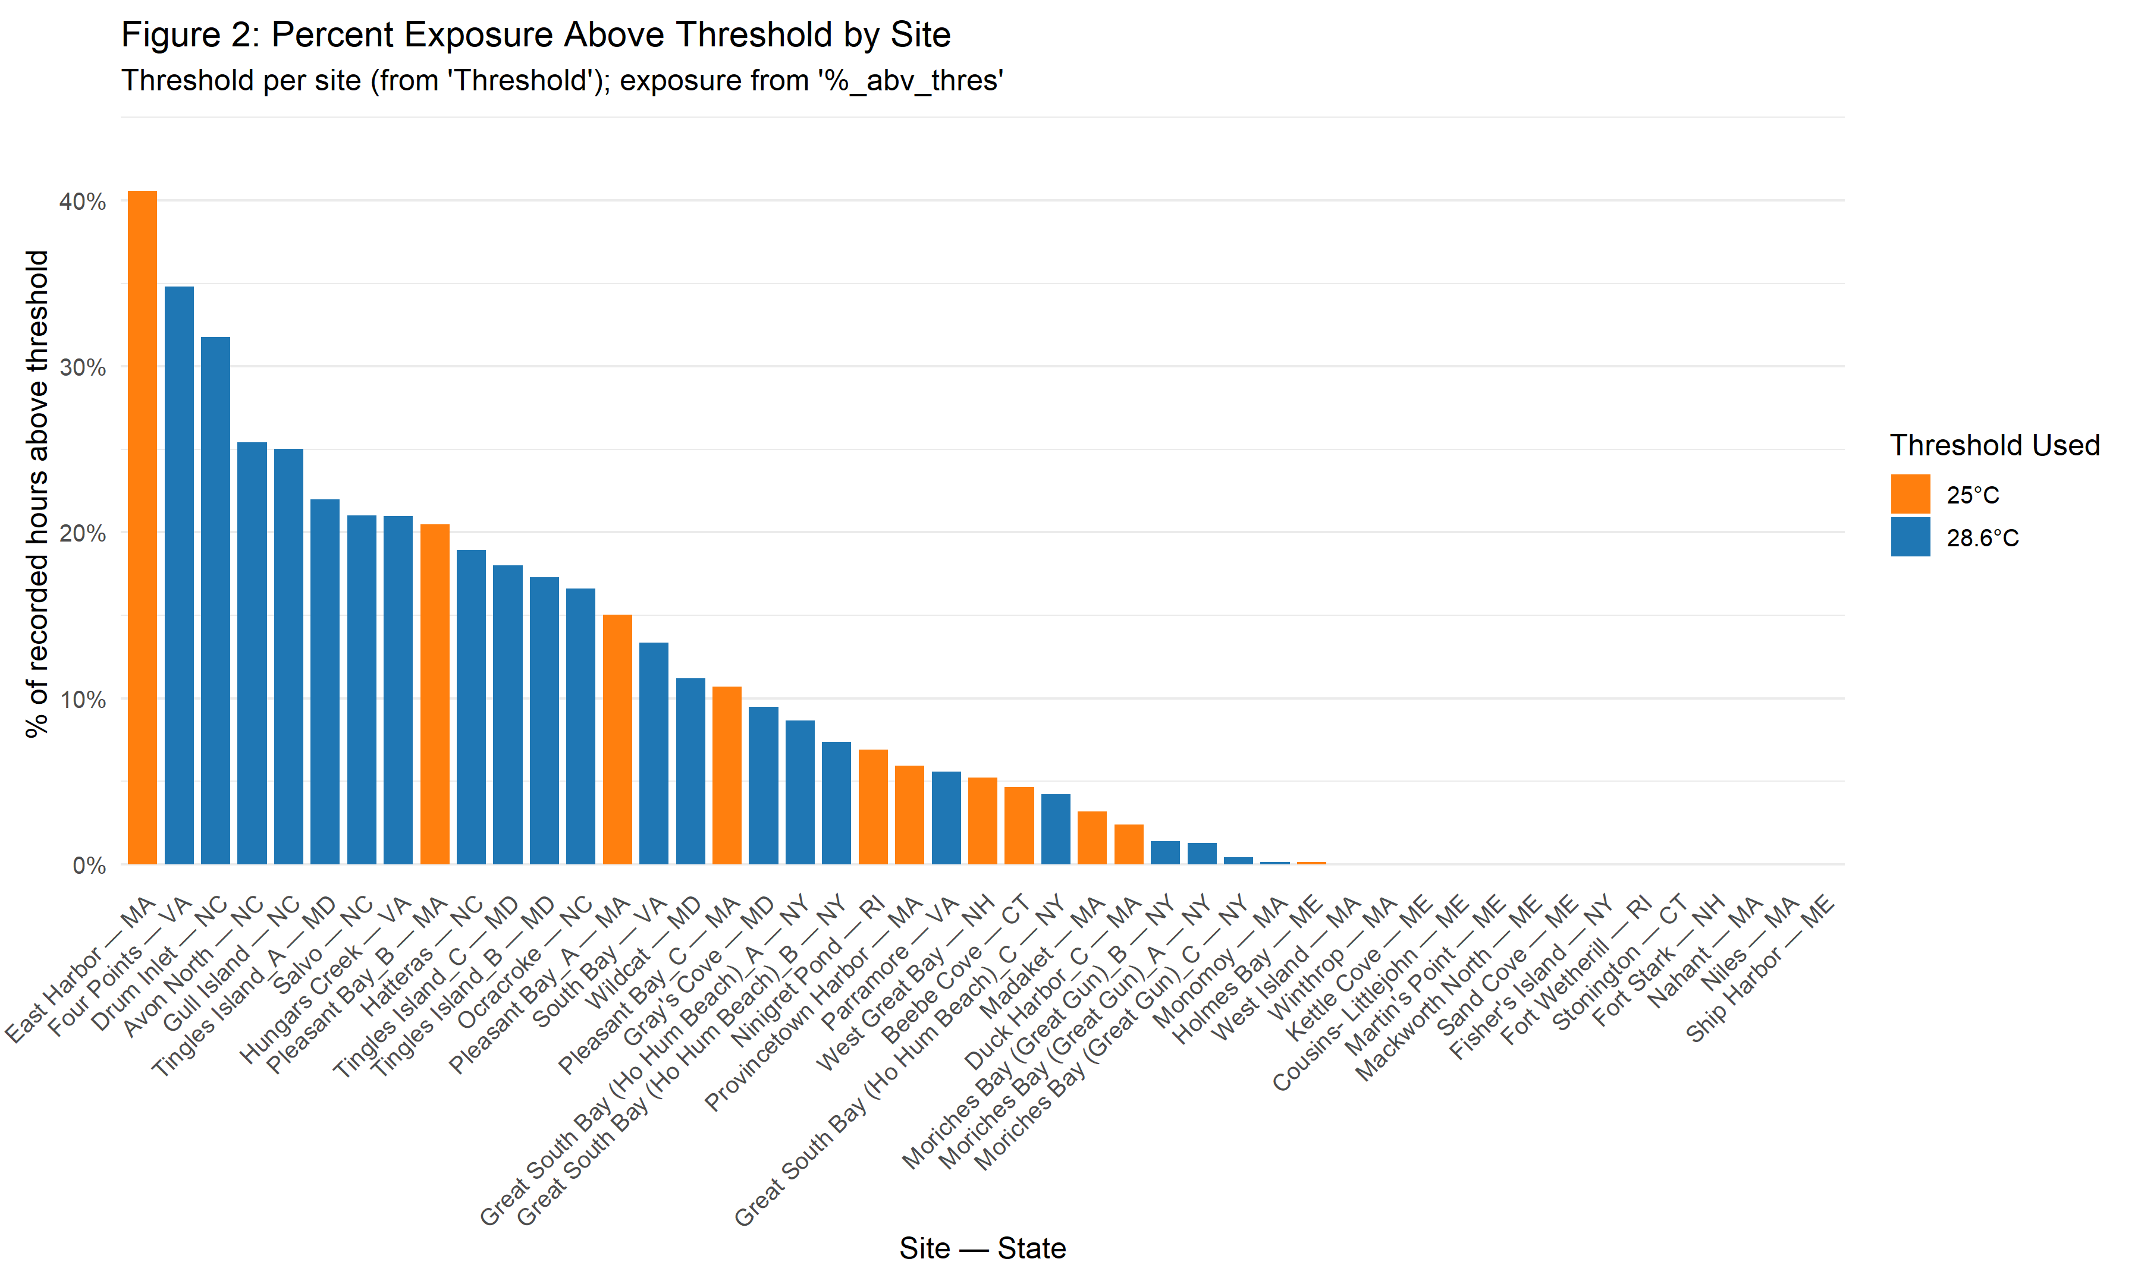
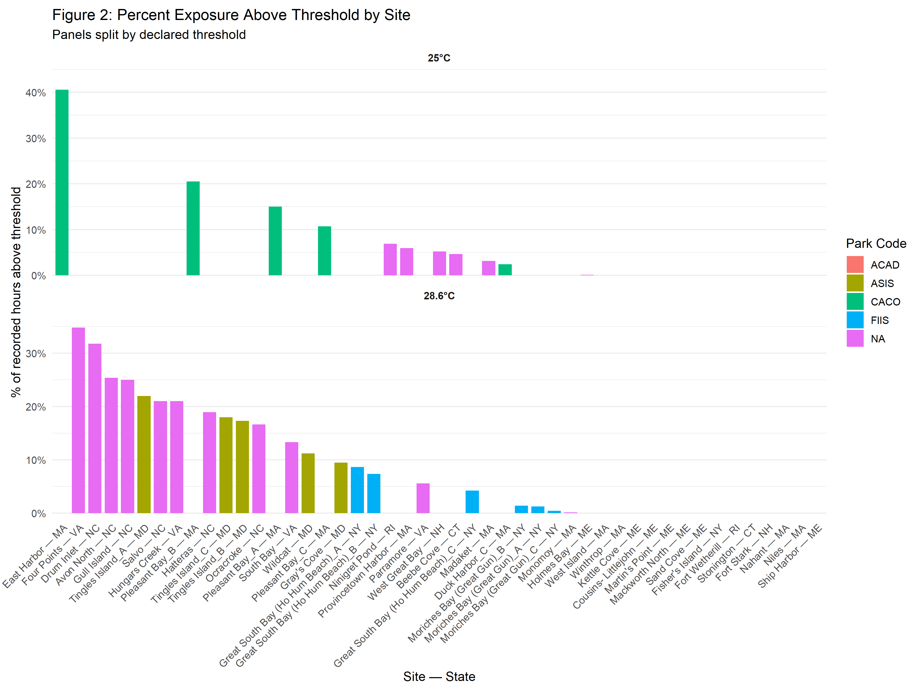
EXAMPLES

Fig 3. Event Structure
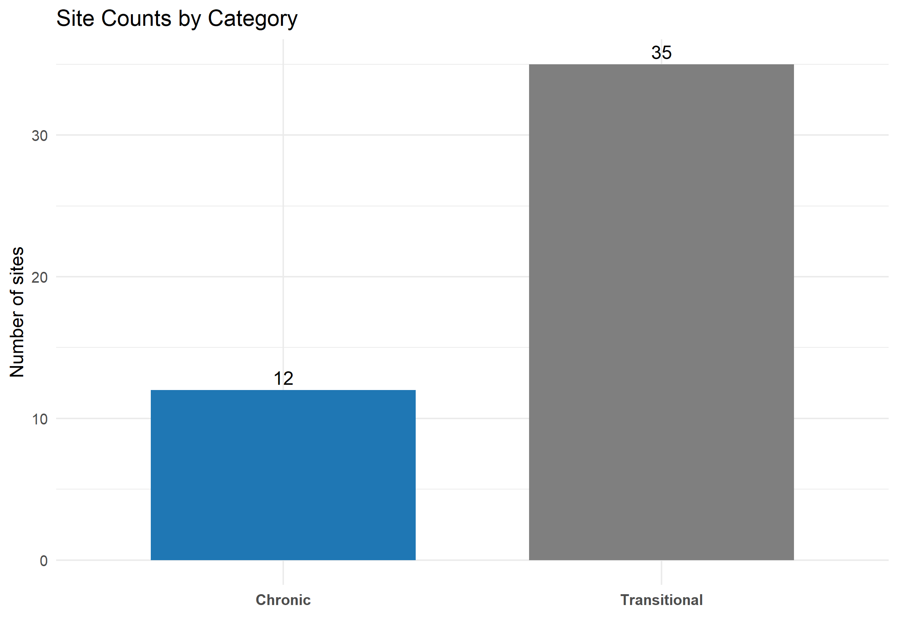
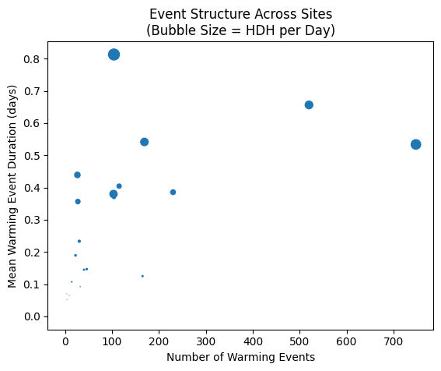

Episodic: Not many warmings, but long events
High Intensity systems: Frequent + long events. Compounded thermal stress

Chronic: Frequent, short events. Moderate stress

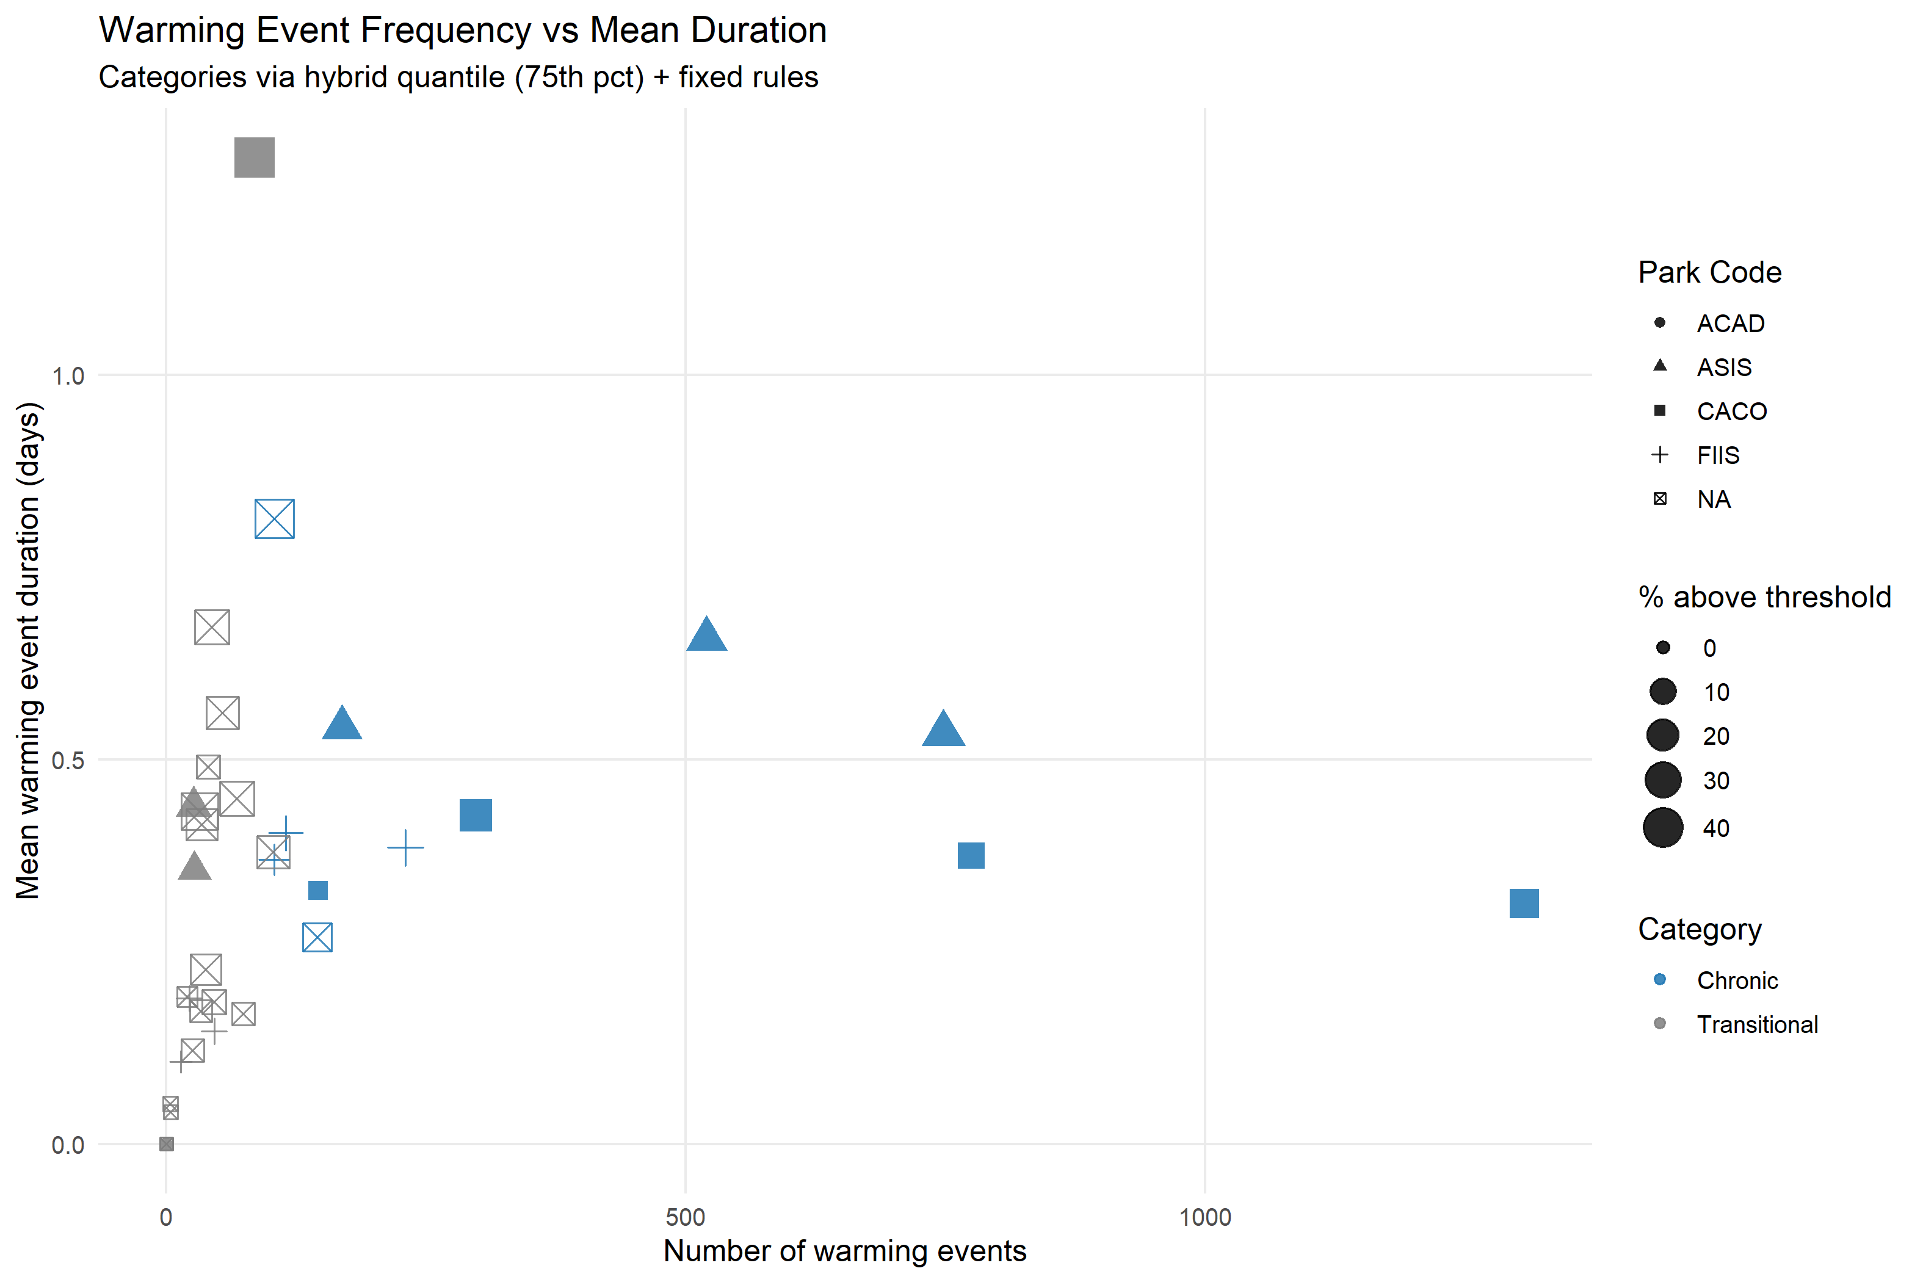
 | Based on 28.6 threshold
 | Highest X (most events):
 | ASIS-ASIS_Seagrass Tingles Island A
** Define quantiles | (X=748, Y≈0.534) | Figure 3. Warming Event Frequency vs. Mean Duration by Site
 | ASIS-ASIS_Seagrass Tingles Island C | Sites are categorized based on how often and how long warming events occur:
 | (X=520, Y≈0.656) | High-Intensity: Many events that are also long-lasting, indicating compounded thermal stress.
 | FIIS-FIIS_Seagrass_GSB A | Chronic: Frequent warming events, but each event is relatively short. These sites experience persistent, moderate stress over time.
 | (X=230, Y≈0.386) | Episodic: Few warming events, but those events last a long time, creating isolated but severe stress periods.
 | Highest Y (longest average events): | Transitional: Sites that do not clearly fit the other categories—event frequency and duration are both low or intermediate, suggesting minimal or mixed stress patterns.
 | ASIS-ASIS_Seagrass Tingles Island C
 | (Y≈0.656, X=520)
 | ASIS-ASIS_Seagrass Tingles Island B
 | (Y≈0.541, X=169)
 | NCBN_OP_ERP_VA-FPM
 | (Y≈0.813, X=104, no transect code listed)

