3.6_film_numerical
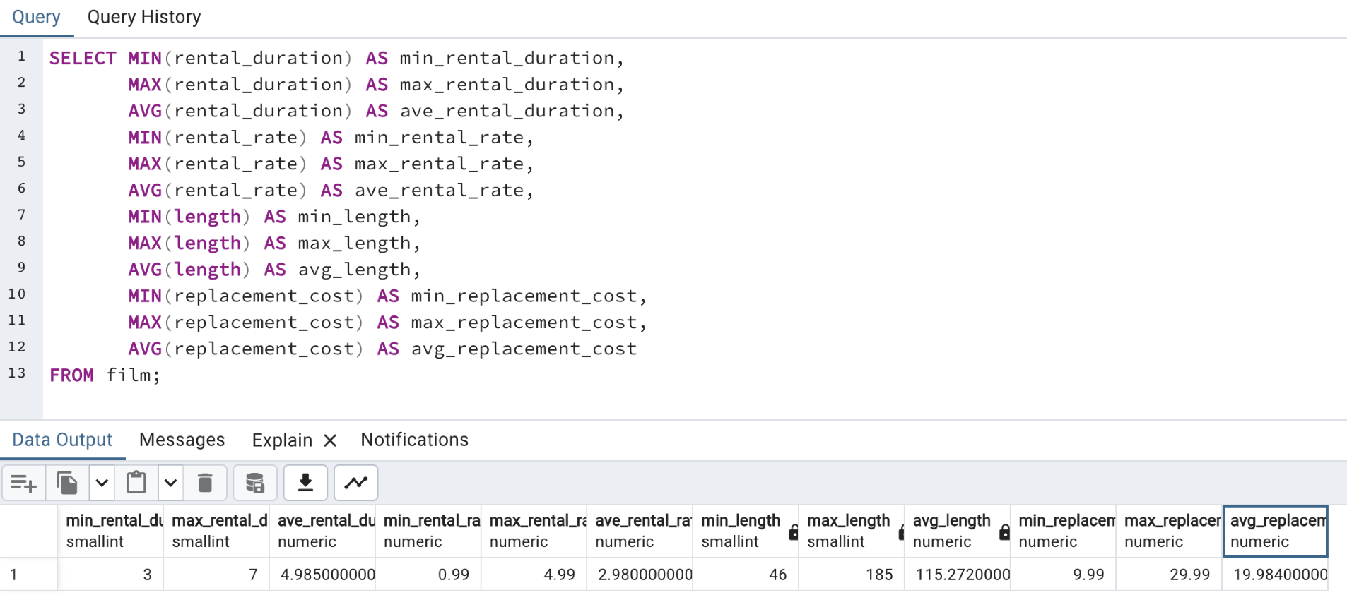
min_rental_duration | max_rental_duration | avg_rental_duration | min_rental_rate | max_rental_rate | avg_rental_rate | min_length | max_length | avg_length | min_replacement_cost | max_replacement_cost | avg_replacement_cost
3 | 7 | 4.985 | 0.99 | 4.99 | 2.98 | 46 | 185 | 115.272 | 9.99 | 29.99 | 19.984

3.6_film_nonnumerical
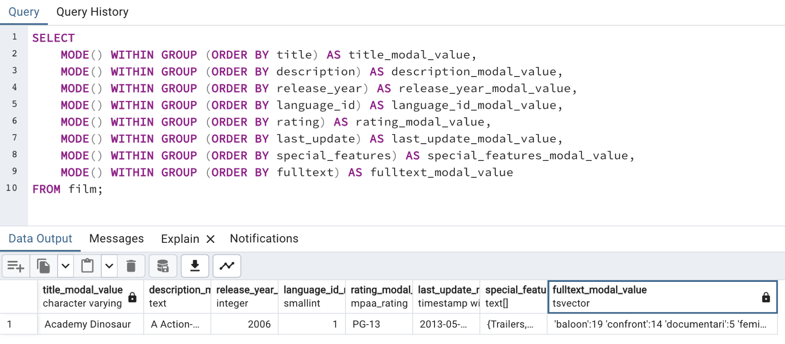
title_modal_value | description_modal_value | release_year_modal_value | language_id_modal_value | rating_modal_value | last_update_modal_value | special_features_modal_value | fulltext_modal_value
Academy Dinosaur | A Action-Packed Character Study of a Astronaut And a Explorer who must Reach a Monkey in A MySQL Convention | 2006 | 1 | PG-13 | 2013-05-26 14:50:58 | {Trailers,Commentaries,"Behind the Scenes"} | 'baloon':19 'confront':14 'documentari':5 'feminist':8,11,16 'mile':2 'must':13 'spi':1 'thrill':4

3.6_customer_nonnumerical
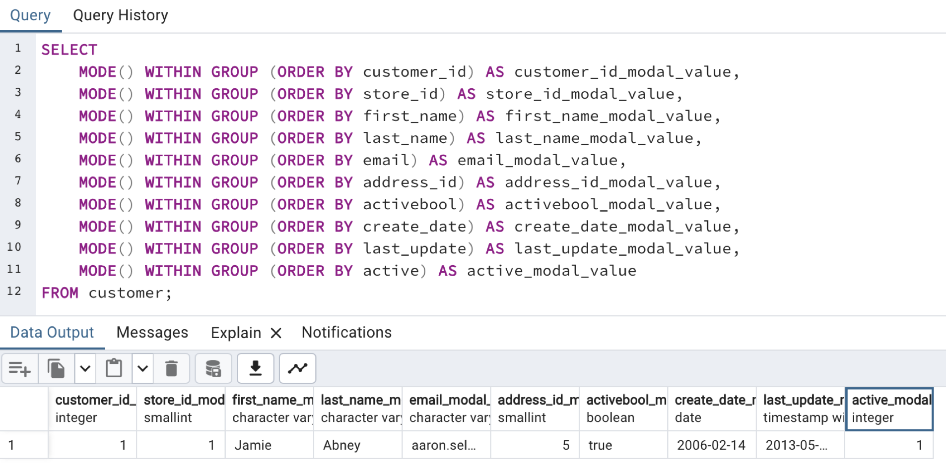
customer_id_modal_value | store_id_modal_value | first_name_modal_value | last_name_modal_value | email_modal_value | address_id_modal_value | activebool_modal_value | create_date_modal_value | last_update_modal_value | active_modal_value
1 | 1 | Jamie | Abney | aaron.selby@sakilacustomer.org | 5 | TRUE | 2006-02-14 | 2013-05-26 14:49:45 | 1

3.10_genres
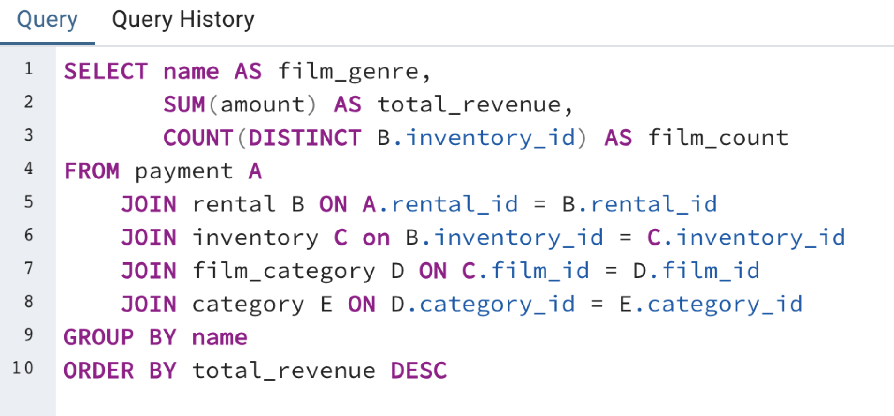
name | film_count | total_revenue
Sports | 74 | 4892.19
Sci-Fi | 61 | 4336.01
Animation | 66 | 4245.31
Drama | 62 | 4118.46
Comedy | 58 | 4002.48
New | 63 | 3966.38
Action | 64 | 3951.84
Foreign | 73 | 3934.47
Games | 61 | 3922.18
Family | 68 | 3782.26
Documentary | 68 | 3749.65
Horror | 56 | 3401.27
Classics | 57 | 3353.38
Children | 60 | 3309.39
Travel | 57 | 3227.36
Music | 51 | 3071.52
Thriller | 1 | 47.89

3.7_top_10_countries
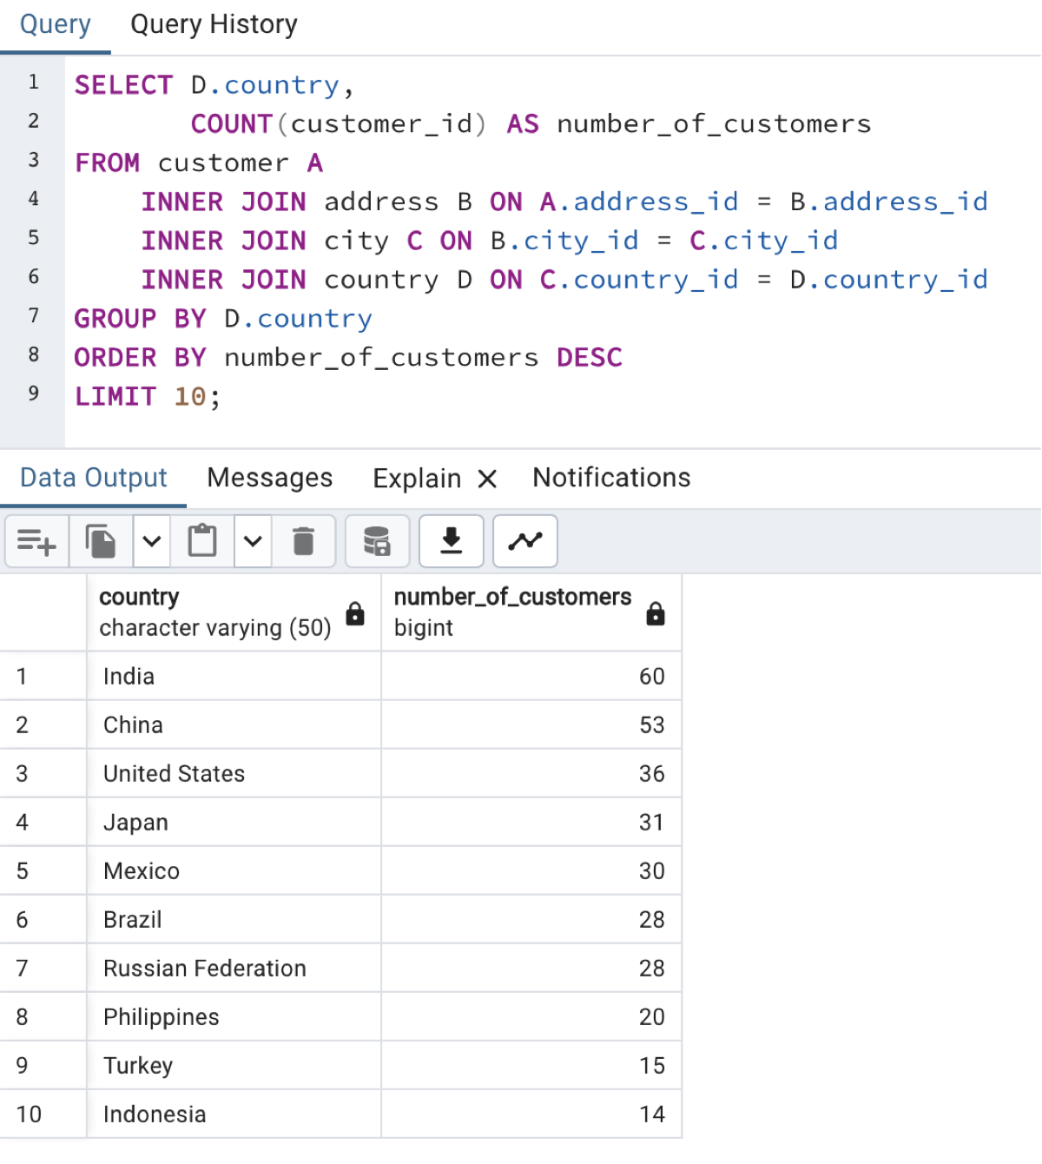
country | number_of_customers
India | 60
China | 53
United States | 36
Japan | 31
Mexico | 30
Brazil | 28
Russian Federation | 28
Philippines | 20
Turkey | 15
Indonesia | 14

3.7_top_5_customers
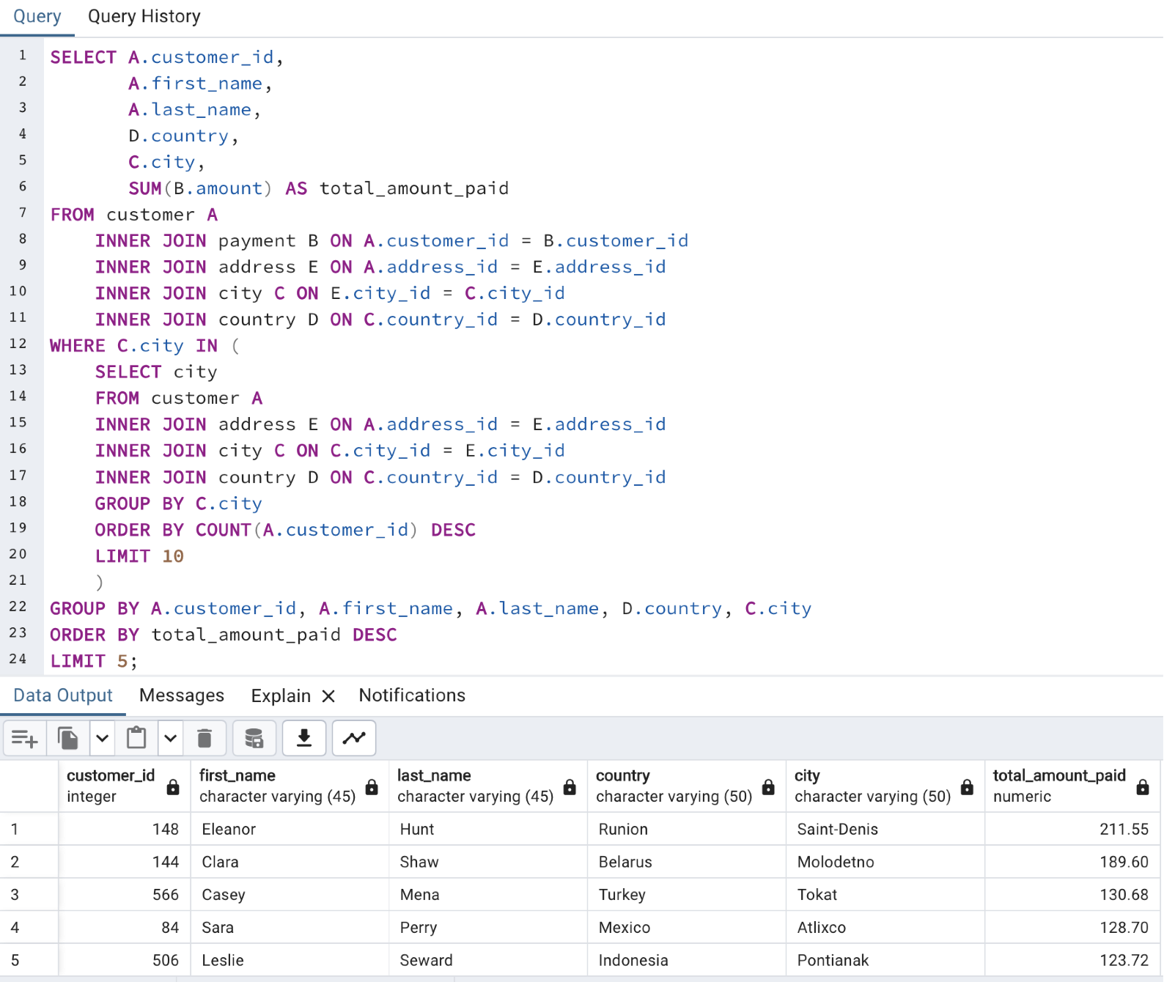
customer_id | first_name | last_name | country | city | total_amount_paid
148 | Eleanor | Hunt | Runion | Saint-Denis | 211.55
144 | Clara | Shaw | Belarus | Molodetno | 189.6
566 | Casey | Mena | Turkey | Tokat | 130.68
84 | Sara | Perry | Mexico | Atlixco | 128.7
506 | Leslie | Seward | Indonesia | Pontianak | 123.72

3.7_top_10_cities
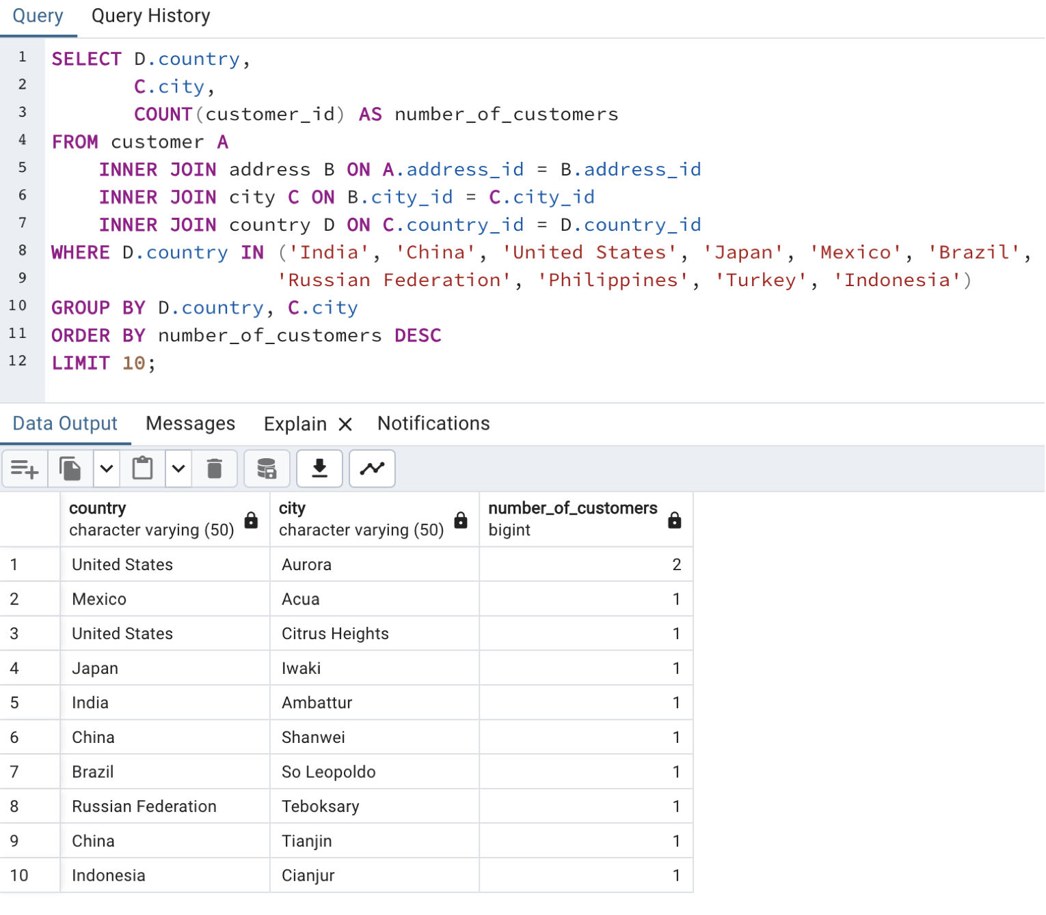
country | city | number_of_customers
United States | Aurora | 2
Mexico | Acua | 1
United States | Citrus Heights | 1
Japan | Iwaki | 1
India | Ambattur | 1
China | Shanwei | 1
Brazil | So Leopoldo | 1
Russian Federation | Teboksary | 1
China | Tianjin | 1
Indonesia | Cianjur | 1

3.10_country_revenue
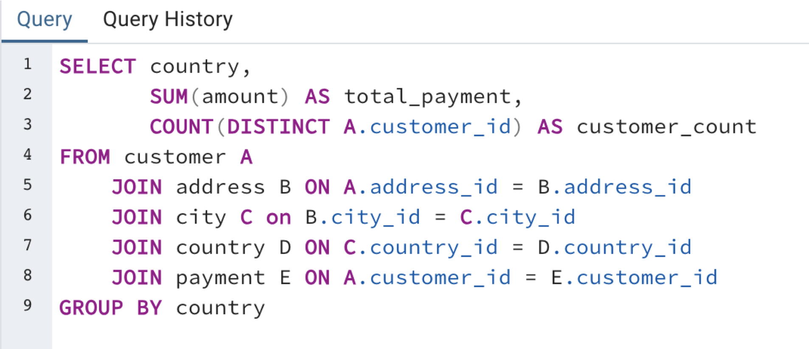
country | total_payment | customer_count
Afghanistan | 67.82 | 1
Algeria | 349.18 | 3
American Samoa | 47.85 | 1
Angola | 187.55 | 2
Anguilla | 99.68 | 1
Argentina | 1298.8 | 13
Armenia | 118.75 | 1
Austria | 284.3 | 3
Azerbaijan | 198.53 | 2
Bahrain | 108.76 | 1
Bangladesh | 353.19 | 3
Belarus | 271.36 | 2
Bolivia | 178.56 | 2
Brazil | 2919.19 | 28
Brunei | 107.66 | 1
Bulgaria | 194.52 | 2
Cambodia | 179.51 | 2
Cameroon | 186.49 | 2
Canada | 559.7 | 5
Chad | 122.72 | 1
Chile | 303.34 | 3
China | 5251.03 | 53
Colombia | 661.54 | 6
Congo, The Democratic Republic of the | 168.58 | 2
Czech Republic | 132.72 | 1
Dominican Republic | 304.26 | 3
Ecuador | 369.18 | 3
Egypt | 659.48 | 6
Estonia | 105.72 | 1
Ethiopia | 91.77 | 1
Faroe Islands | 96.76 | 1
Finland | 78.79 | 1
France | 334.12 | 4
French Guiana | 97.8 | 1
French Polynesia | 205.52 | 2
Gambia | 114.73 | 1
Germany | 741.24 | 7
Greece | 204.54 | 2
Greenland | 119.72 | 1
Holy See (Vatican City State) | 146.68 | 1
Hong Kong | 104.76 | 1
Hungary | 111.71 | 1
India | 6034.78 | 60
Indonesia | 1352.69 | 14
Iran | 877.96 | 8
Iraq | 111.73 | 1
Israel | 379.13 | 4
Italy | 753.26 | 7
Japan | 3122.51 | 31
Kazakstan | 192.51 | 2
Kenya | 245.49 | 2
Kuwait | 106.75 | 1
Latvia | 249.43 | 2
Liechtenstein | 99.74 | 1
Lithuania | 63.78 | 1
Madagascar | 92.79 | 1
Malawi | 121.73 | 1
Malaysia | 330.23 | 3
Mexico | 2984.82 | 30
Moldova | 127.66 | 1
Morocco | 274.35 | 3
Mozambique | 315.25 | 3
Myanmar | 179.53 | 2
Nauru | 143.7 | 1
Nepal | 93.83 | 1
Netherlands | 557.73 | 5
New Zealand | 85.77 | 1
Nigeria | 1314.92 | 13
North Korea | 107.71 | 1
Oman | 161.56 | 2
Pakistan | 473.84 | 5
Paraguay | 273.4 | 3
Peru | 407.01 | 4
Philippines | 2219.7 | 20
Poland | 786.16 | 8
Puerto Rico | 224.48 | 2
Romania | 218.42 | 2
Runion | 211.55 | 1
Russian Federation | 2765.62 | 28
Saint Vincent and the Grenadines | 64.82 | 1
Saudi Arabia | 452.94 | 5
Senegal | 95.76 | 1
Slovakia | 80.77 | 1
South Africa | 1069.46 | 11
South Korea | 527.77 | 5
Spain | 513.8 | 5
Sri Lanka | 103.73 | 1
Sudan | 202.51 | 2
Sweden | 139.67 | 1
Switzerland | 248.41 | 3
Taiwan | 1155.1 | 10
Tanzania | 322.22 | 3
Thailand | 401.08 | 3
Tonga | 64.84 | 1
Tunisia | 73.78 | 1
Turkey | 1498.49 | 15
Turkmenistan | 126.74 | 1
Tuvalu | 93.78 | 1
Ukraine | 675.53 | 6
United Arab Emirates | 305.25 | 3
United Kingdom | 850.96 | 9
United States | 3685.31 | 36
Venezuela | 632.43 | 7
Vietnam | 676.45 | 6
Virgin Islands, U.S. | 121.69 | 1
Yemen | 473.93 | 4
Yugoslavia | 233.49 | 2
Zambia | 121.7 | 1

