infants
Infants at the Nashville City Cemetery

Sadly, about 41% of the burial records for Nashville City Cemetery are for infants. While 15% are unknown, the top 10 known causes of these deaths are shown in the chart below. Children under 6 years of age were usually considered infants. In 1900, 30 percent of all deaths in the United States occurred in children less than 5 years of age.
(source: https://www.ncbi.nlm.nih.gov/books/NBK220806/)
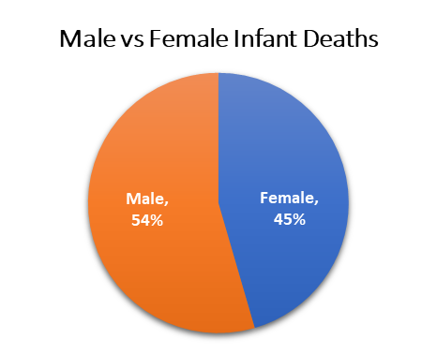



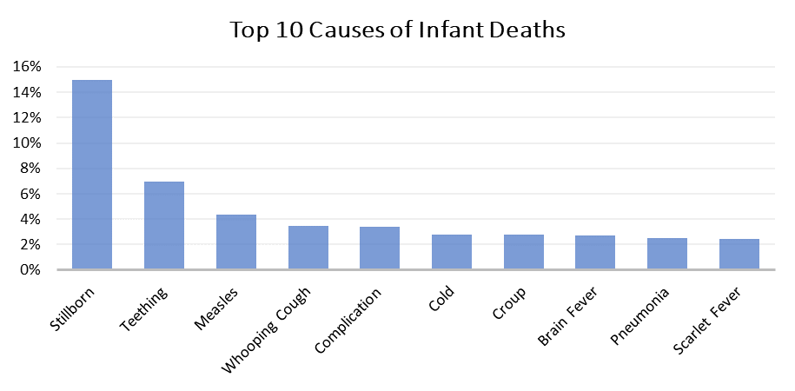

In addition, male infants were about 9% more likely to die than females. As early as the year 1786 it was recognized that male mortality is higher than females worldwide, especially during early stages of life. This is referred to as the "male disadvantage" and has been attributed to boys being at a higher risk of birth complications, more likely to be born prematurely, and having a weaker immune system than females, among other things.
(source: https://ourworldindata.org/child-mortality)

Photo credit: Copyright: Jeffery T Johnson

