Results
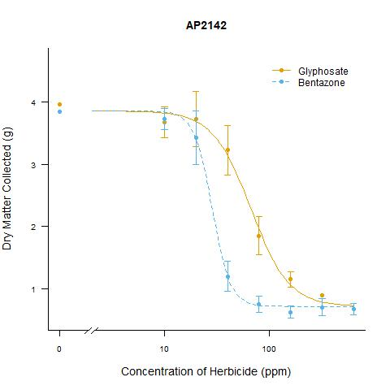
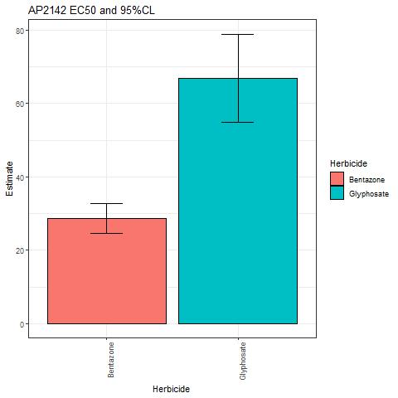
Sample Alias | EC50 | Std Error | Lower 95CI | Upper 95CI
Bentazone | 28.63 | 2.04 | 24.56 | 32.71
Glyphosate | 66.89 | 5.97 | 54.96 | 78.82

