How to use
Step 1 | Select a poverty line.
a. | Select a poverty line from among those that the PPI is calibrated to. These poverty lines are available with this PPI -
 | National Poverty Lines - (1) Total Poverty Line (NPL) , (2)Poverty Food Line, (3) 150% NPL, (4) 200% NPL
 | 2017 PPP Poverty Lines - (1)$2.15 per day 2017 PPP, (2)$3.65 per day 2017 PPP, (3)$6.85 per day 2017 PPP.
 | 2011 PPP Poverty Lines- (1)$1.90 per day 2011 PPP, (2)$3.20 per day 2011 PPP, (3)$5.50 per day 2011 PPP.
 | Percentile Lines - (1)20th Percentile, (2)40th Percentile, (3)60th Percentile, and (4)80th Percentile.

Step 2 | Compute a PPI score corresponding to the chosen poverty line for each household in the group.
a. | Obtain a response from the household for ALL 10 questions in the PPI Scorecard.
b. | Mark the responses obtained from the household clearly, like this.

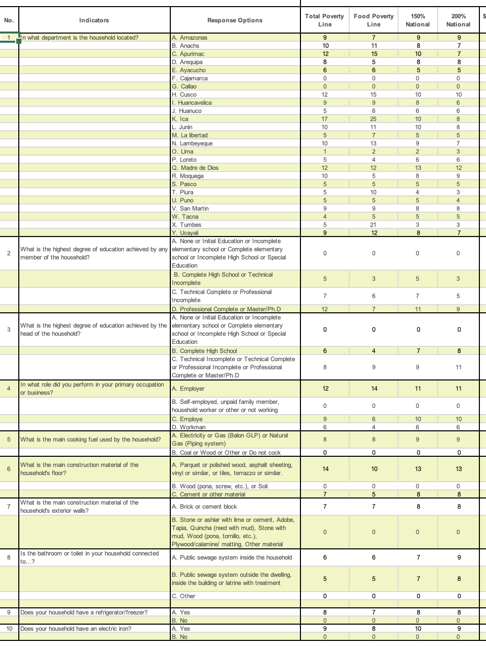
 |  |  | Selected Poverty Line | Selected Poverty Line

c. | In the Scorecard tab, locate the points column corresponding to the poverty line you selected in Step 1.
 | Add up the points allocated to each response option FOR THE POVERTY LINE SELECTED IN STEP 1 to obtain the household's PPI score corresponding to that poverty line.
d. | In the example provided above, the chosen poverty line is the National Poverty Line.
 | Adding up the points allocated to each response provided by the household, we get -
 | 12+0+8+0+8+0+0+5+8+9=50
 | This household's PPI score corresponding to the National Poverty Line (NPL) is 50.

Step 3 | Convert the PPI score into a corresponding poverty likelihood for the selected poverty line for each household in the group.
a. | In the Look-up Tables tab, locate the poverty likelihood column for the poverty line you selected in Step 1.
b. | Look-up the poverty likelihood corresponding to the PPI Score computed in step 2 above, in this column.

c. | In this example, the poverty likelihood corresponding to the National Poverty Line for the household with a PPI Score of 50 is 18.65%

Step 4 | Average the poverty likelihoods of all households in the group to obtain the poverty rate of the group for the selected poverty line.
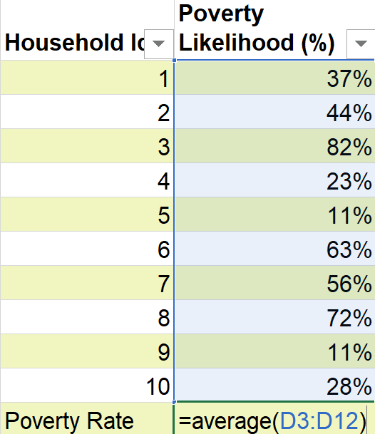

a. | Obtain a poverty likelihood value for each surveyed household in the group following steps 2 and 3 above.
b. | Obtain a simple average of these poverty likelihoods to calculate the poverty rate of the group corresponding to the selected poverty line.
c. | For example, in the above table - the poverty rate of this group of 10 households is computed as below.
 | =(37%+44%+82%+23%+11%+63%+56%+72%+11%+28%) = 43%
 |  | 10

