How to use
Step 1 | Select a poverty line.
a. | Select a poverty line from among those that the PPI is calibrated to. These poverty lines are available with this PPI -
 | 2011 and 2017 PPP Lines: It was not possible to replicate international poverty rates with the income estimates provided by the survey. Therefore, the offical poverty rate for each international poverty line in 2014 was used as the cutoff point to estimate relative poverty lines corresponding to each international poverty line. The following poverty lines were constructed: (1 ) $1.90 per day 2011 PPP ( corresponding to the Bottom 7th percentile), (2) $3.20 per day 2011 PPP ( corresponding to the Bottom 21th percentile), (3) $5.50 per day 2011 PPP ( corresponding to the Bottom 44th percentile), (4) $2.15 per day 2017 PPP ( corresponding to the Bottom 10th percentile) , (5) $3.65 per day 2017 PPP (correspoding to the Bottom 26th percentile) y (6)$6.85 per day 2017 PPP (corresponding to the Bottom 55th percentile).
 | Percentile Lines - (1)20th Percentile, (2)40th Percentile, (3)60th Percentile, (4)80th Percentile

Step 2 | Compute a PPI score corresponding to the chosen poverty line for each household in the group.
a. | Obtain a response from the household for ALL 10 questions in the PPI Scorecard.
b. | Mark the responses obtained from the household clearly, like this.
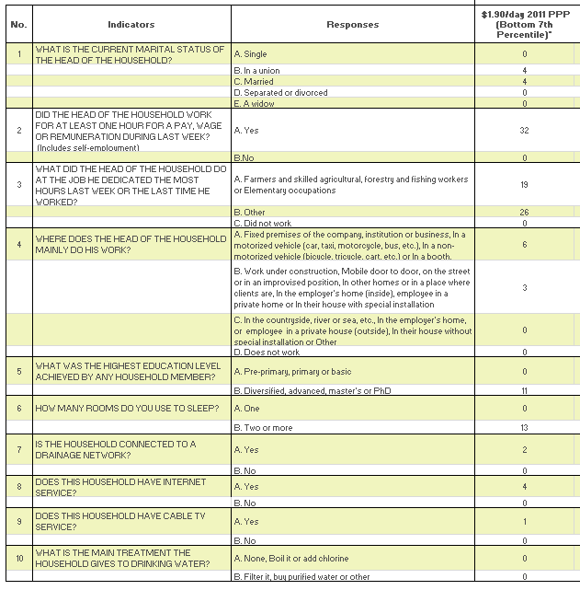
 |  |  | Poverty Line Selected

c. | In the Scorecard tab, locate the points column corresponding to the poverty line you selected in Step 1.
d. | Add up the points allocated to each response option FOR THE POVERTY LINE SELECTED IN STEP 1 to obtain the household's PPI score corresponding to that poverty line.
e. | In the example provided above, the chosen poverty line is the National Poverty Line.
 | Adding up the points allocated to each response provided by the household, we get -
 | 4+0+0+3+11+0+0+0+0=18
 | This household's PPI score corresponding to the National Poverty Line (NPL) is 18.

Step 3 | Convert the PPI score into a corresponding poverty likelihood for the selected poverty line for each household in the group.
a. | In the Look-up Tables tab, locate the poverty likelihood column for the poverty line you selected in Step 1.
b. | Look-up the poverty likelihood corresponding to the PPI Score computed in step 2 above, in this column.
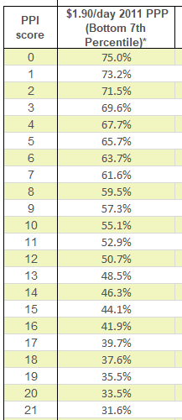

c. | In this example, the poverty likelihood corresponding to the National Poverty Line for the household with a PPI Score of 18 is 37.6%

Step 4 | Average the poverty likelihoods of all households in the group to obtain the poverty rate of the group for the selected poverty line.
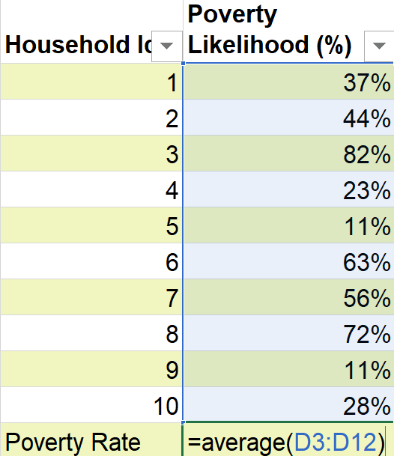

a. | Obtain a poverty likelihood value for each surveyed household in the group following steps 2 and 3 above.
b. | Obtain a simple average of these poverty likelihoods to calculate the poverty rate of the group corresponding to the selected poverty line.
c. | For example, in the above table - the poverty rate of this group of 10 households is computed as below.
 | =(37%+44%+82%+23%+11%+63%+56%+72%+11%+28%) = 43%
 |  | 10

 | This PPI comes with a custom Data Analysis Tool which accepts PPI survey data as input and automatically computes poverty likelihoods and rates. Available at www.povertyindex.org/country/Guatemala.

