Commodities
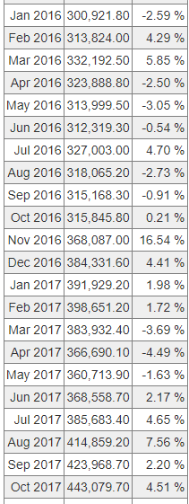
Aluminum | https://www.indexmundi.com/commodities/?commodity=aluminum&months=60&currency=inr
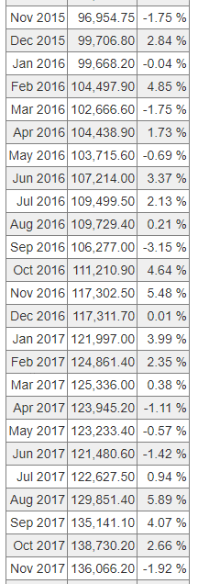

Copper | https://www.indexmundi.com/commodities/?commodity=copper&months=120&currency=inr

