STQ_Output
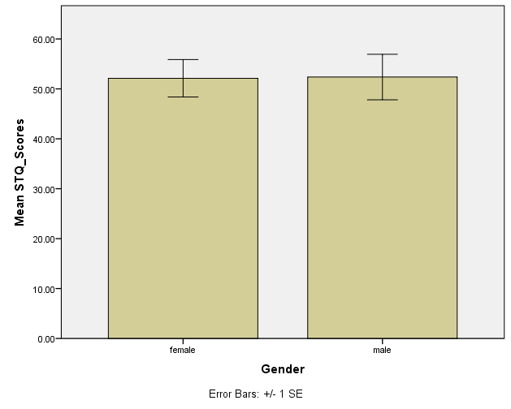
Group Statistics
Gender |  | N | Mean | Std. Deviation | Std. Error Mean
STQ_Scores | female | 8 | 52.1250 | 10.61586 | 3.75327
 | male | 8 | 52.3750 | 12.91663 | 4.56672

Independent Samples Test
 |  | Levene's Test for Equality of Variances |  | t-test for Equality of Means
 |  | F | Sig. | t | df | Sig. (2-tailed) | Mean Difference | Std. Error Difference | 95% Confidence Interval of the Difference
 |  |  |  |  |  |  |  |  | Lower | Upper
STQ_Scores | Equal variances assumed | 0.030 | 0.866 | -0.042 | 14 | 0.967 | -0.25000 | 5.91117 | -12.92820 | 12.42820
 | Equal variances not assumed |  |  | -0.042 | 13.494 | 0.967 | -0.25000 | 5.91117 | -12.97297 | 12.47297

Demographics
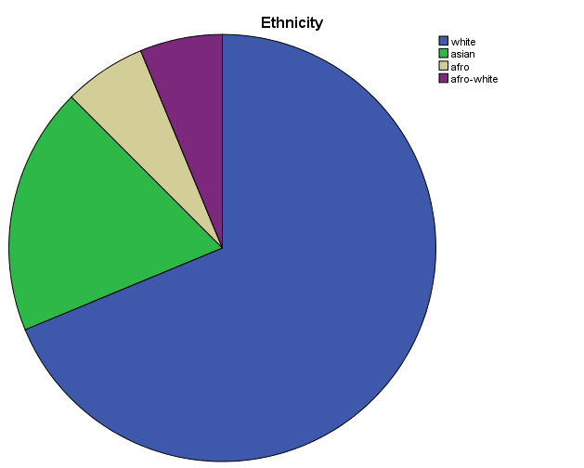
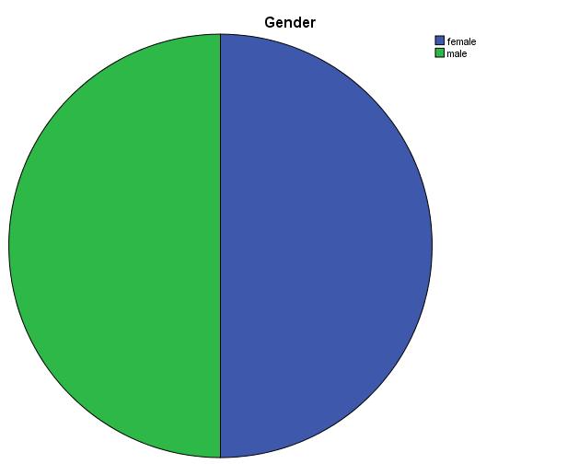
Ethnicity
 |  | Frequency | Percent | Valid Percent | Cumulative Percent
Valid | white | 11 | 68.8 | 68.8 | 68.8
 | asian | 3 | 18.8 | 18.8 | 87.5
 | afro | 1 | 6.3 | 6.3 | 93.8
 | afro-white | 1 | 6.3 | 6.3 | 100.0
 | Total | 16 | 100.0 | 100.0

Gender
 |  | Frequency | Percent | Valid Percent | Cumulative Percent
Valid | female | 8 | 50.0 | 50.0 | 50.0
 | male | 8 | 50.0 | 50.0 | 100.0
 | Total | 16 | 100.0 | 100.0

Sexual_Orientation
 |  | Frequency | Percent | Valid Percent | Cumulative Percent
Valid | heterosexual | 15 | 93.8 | 93.8 | 93.8
 | homosexual | 1 | 6.3 | 6.3 | 100.0
 | Total | 16 | 100.0 | 100.0

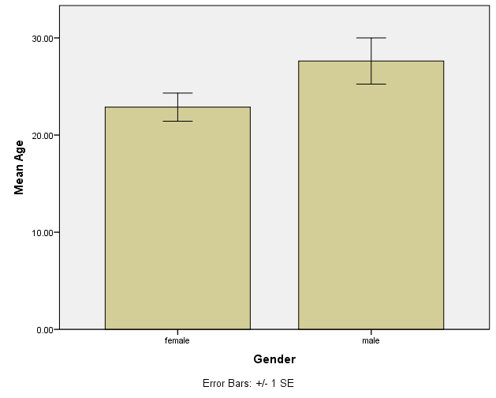
Group Statistics
Gender |  | N | Mean | Std. Deviation | Std. Error Mean
Age | female | 8 | 22.8750 | 4.08613 | 1.44466
 | male | 8 | 27.6250 | 6.71751 | 2.37500

Independent Samples Test
 |  | Levene's Test for Equality of Variances |  | t-test for Equality of Means
 |  | F | Sig. | t | df | Sig. (2-tailed) | Mean Difference | Std. Error Difference | 95% Confidence Interval of the Difference
 |  |  |  |  |  |  |  |  | Lower | Upper
Age | Equal variances assumed | 1.104 | 0.311 | -1.709 | 14 | 0.110 | -4.75000 | 2.77987 | -10.71223 | 1.21223
 | Equal variances not assumed |  |  | -1.709 | 11.556 | 0.114 | -4.75000 | 2.77987 | -10.83271 | 1.33271

