Commands and practice
Module | Bash commands | Explanation | Example
pwd (Print Working Directory) | pwd | Show current directory
cd (Change Directory) | cd /home/kate | Open needed directory
 | cd .. | Moves to higher directory
 | cd - | Move to the previous directory you was in
 | cd / | Move to the entire system's root directory
ls (List) | ls | List all contents
 | ls -a | shows all contents including hidden
 | ls -R | Shows what each shown directory has | 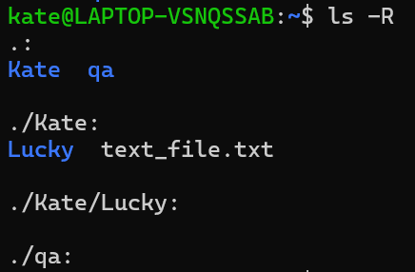
 | ls -l | Shows all the info about contained fails / directories
touch | touch file1.txt | Create new file
mkdir (Make Directory) | mkdir Danya | Make new directory
rm (Remove) | rm file1.txt | Delete file / directory
 | rm -R dir2 | Delete not empty directory
rmdir (Remove Directory) | rmdir hello | Delete empty directory
mv (Move) | mv dir3/file4.txt dir2 | Move file from one directory to another | 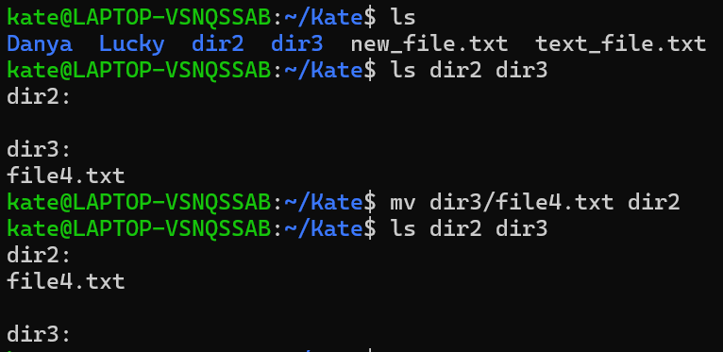
 | mv file4.txt file4_1.txt | Rename file
cp (Copy) | cp new_file.txt dir2 | Copy file to another directory
nano | nano new_file.txt | Edit file | 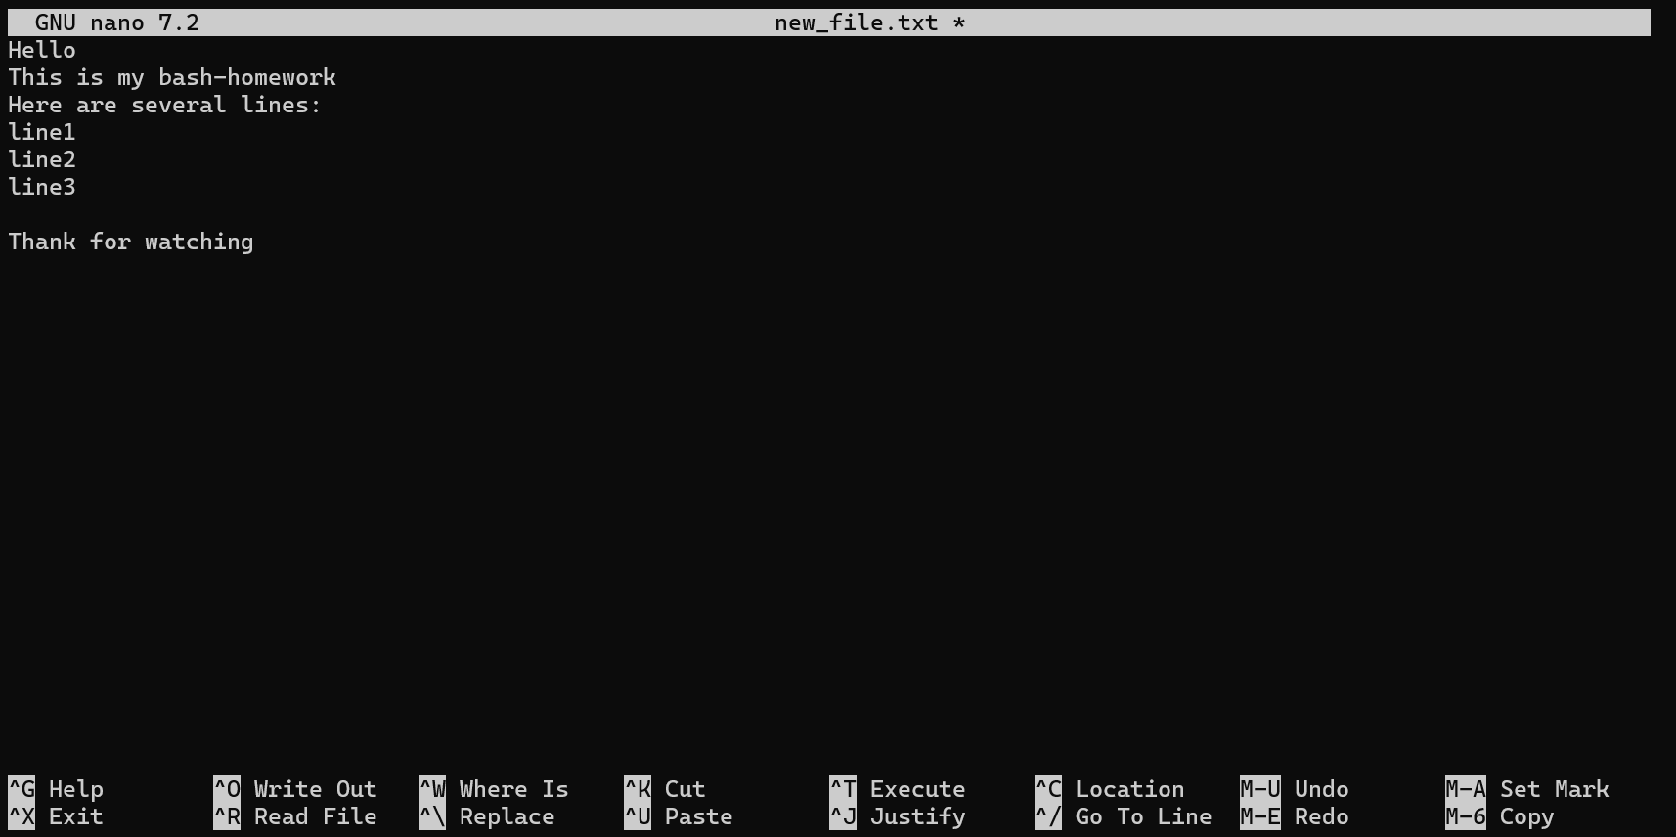
cat (Concatenate) | cat new_file.txt | Show file contents | 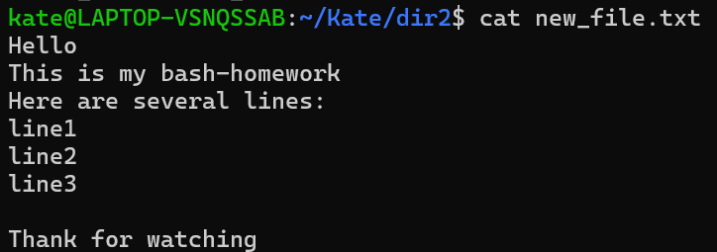
less | less new_file.txt | Show contents of the file in a new window | 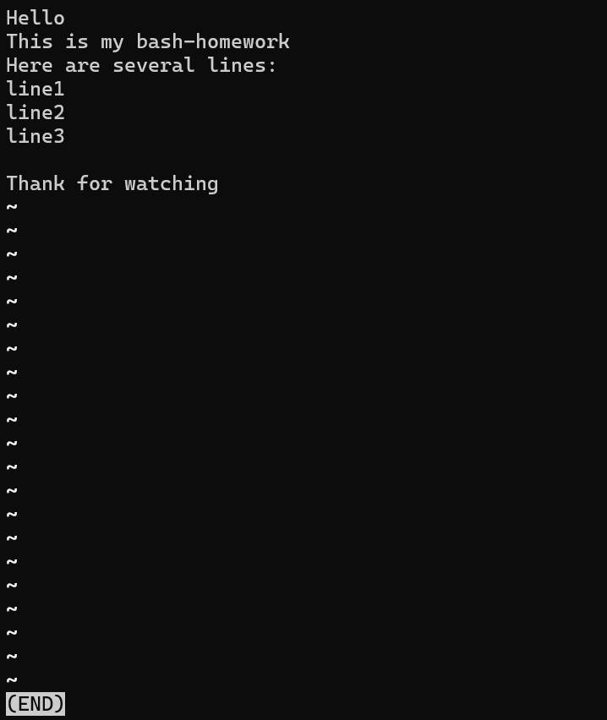
/ text | / line | Search some text in file |  
clear | clear | To remove all the lines from the console | 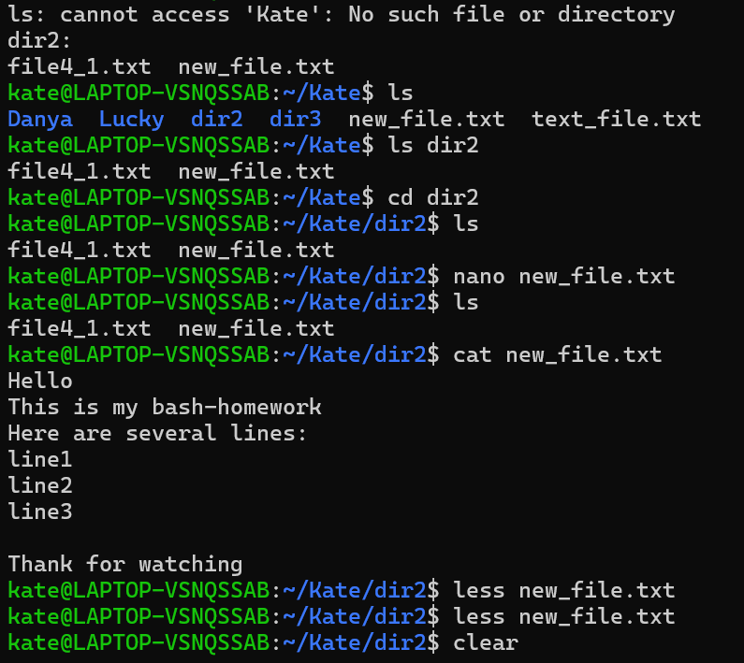 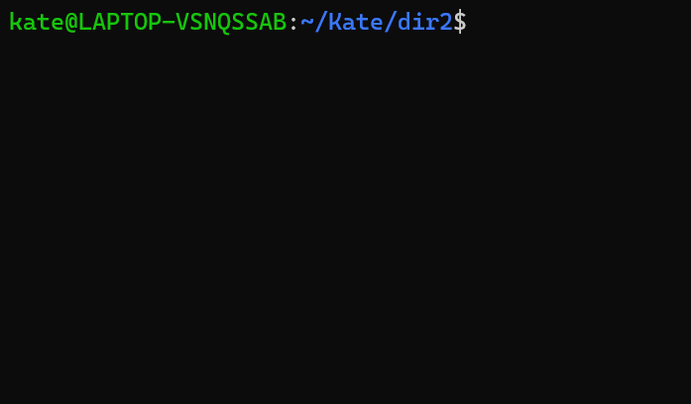
grep (Global Regular Expression Print) | grep line new_file.txt | Find needed word in file (case sensitive)
 | grep -i t new_file.txt | Find needed word in file (not case sensitive)
 | grep -v line new_file.txt | Show all that is not equal to the requested characters
 | grep -c line new_file.txt | Show amount of responses
find | find . -name "dir2" | Find file/directory with needed name in current directory
 | find . -name "*txt" | Find file with specific format
echo | echo hi! | Displaying lines of text or string that user types
 | echo hi! > file6.txt | Add text / string to file and create this file (When type this again but with another text, new text will replace all the old)
 | echo hello! >> file6.txt | Add text / string to file
Button Q | Q | To leave some window
ps (Process Status) | ps | Show all processes in console
kill | kill 9 | To close the process by PID number
| | cat new_file.txt | grep -i "l" | To combine requests
ping | ping google.com | Test and verify if an IP address exists and can accept requests (use ctrl + C to stop)
curl | curl https://vivaldi.com/pl/game/ | Request and transfer data over a URL using different protocols

