Order Form
 | Order Form |  |  |  | FIRE1 rev. 06.2021

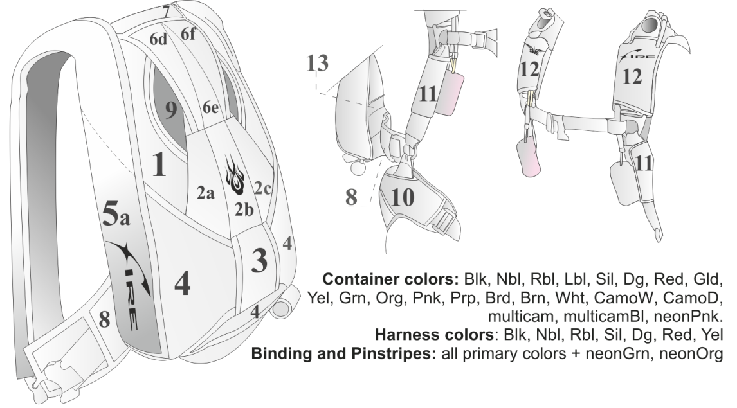
SkyWideSystems
Kiev, Ukraine
e-mail: info@sws.aero
web: www.sws.aero
Информация о заказчике:
Dealer
Name
Tel
e-mail
Address
Number of jumps
Previous container
Customer measurements:
Mesurement units
Sex |  |  | Torso
Height |  |  | Legstrap
Weight |  |  | Thigh |  |  | Harness: |  |  |  |  | Main deployment:
Chest |  |  | Size A |  |  | Metal |  |  |  |  | Pod (std) |  |  | Hackey |  | Hack.-pod
Belly |  |  | Inseam |  |  | Cad (std) |  | Black ($) |  | SS ($) | Tube |  |  | Choose color
Harness |  |  |  |  |  | 3-Rings |  |  |  |  |  |  |  |  |  | input color
norm. |  | loose |  | tight |  | Mini (std) |  |  | Large |  | Main PC
Main canopy |  |  |  |  |  | Harness |  |  |  |  | Zp (std) |  |  | F-111 |  | Stud
Reserve canopy |  |  |  |  |  | Hip rings(std) |  | 4 rings ($) |  | Adj ($) |  |  |  | Choose color ($)
Container |  |  |  |  |  | Chest strap |  |  |  |  |  |  |  |  |  | input color
norm. |  | loose |  | tight |  | Narrow (std) |  |  | Wide |  | Bridle
Colors: |  |  |  |  |  | Legstrap |  |  |  |  | 2m (std) |  |  | Wingmod 3m |  |  | Stud
Conteiner (solid): |  |  |  |  |  | Thread thru (std) |  |  | B-12 ($) |  | Main D-bag
1 |  |  | 6f |  |  | Risers |  |  |  |  | Standard(std) |  |  | Lazy Bag($) |  | Direct Bag($)
2a |  |  | 7 |  |  | Narrow (std) |  |  | Wide |  |  |  | Protected main PC pocket
2b |  |  | 8 |  |  | Swoop опции
2c |  |  | 9 |  |  | Add ring($) |  | Dive Loops($) |  | Low Profile($) | Additional options ($):
3 |  |  | 10 |  |  | Length |  |  |  |  | Hook-knife
4 |  |  | 11 |  |  | 500mm(std) |  | 550 mm |  | 600 mm | Plastic |  |  |  | Metal
5 |  |  | 12 |  |  |  |  |  |  |  | Main parts kit
6d |  |  | 13 |  |  |  | Fabric toggles |  |  |  | (risers, d-bag, bridle, main PC)
6e |  |  |  |  |  |  |  |  |  |  | Reserve parts kit
 |  |  |  |  |  |  |  |  |  |  | (Reserve d-bag with bridle, reserve PC, cutaway handle, metal reserve D-ring)
Pinstripes ($): |  |  |  |  |  | Container and backpad:
 | a/b |  | b/c |  |  | Main container |  |  |  |  | Assemble at SWS
 | d/e |  | e/f |  |  | Standard (std) |  |  | Wingmod
 | 3 |  | 9 |  |  | Backpad |  |  |  |  | Special instructions:
Harness |  |  |  |  |  | Parapack (std) |  |  | Spacefoam ES ($)
Binding |  |  |  |  |  | Laterals
Embroidery: |  |  |  |  |  | Standard (std) |  |  | Cut-in
RC Right |  |  | Color |  |  | Legstrap
SWS (std) |  |  |  |  |  | Standard (std) |  |  | Narrow
Text ($)
Logo ($)
RC Left
Fire (std) |  |  |  |  |  |  |  |  |  |  | All Fire 2 come standard with:
Text ($) |  |  |  |  |  | Reserve deployment: |  |  |  |  | Collapsable main PC, main bridle and d-bag, main risers with pin-toggles, cutaway handle, metal reserve D-ring, reserve PC, reserve bridle and d-bag, reserve toggles, harness with 2 rings (hips), containe
Logo ($) |  |  |  |  |  | Cutaway handle
Side wall Right |  |  |  |  |  | Red (std) |  | Choose color ($)
Fire (std) |  |  |  |  |  |  |  |  |  | input color
Text ($) |  |  |  |  |  | Reserve handle
Logo ($) |  |  |  |  |  | D-ring(std) |  | Choose color ($) |  |  |  | Tested by TSO-C 23 d, max. weight 136 kg (300 lbs), max. deployment speed 309 km\h (170 knots). ------------------ Airtec certified
Side wall Left |  |  |  |  |  |  |  |  |  | input color
Fire (std) |  |  |  |  |  | RSL
Text ($) |  |  |  |  |  | No (std) |  | Brass ($) |  | SS ($)
Logo ($) |  |  |  |  |  | DRD
Central detail 2с |  |  |  |  |  | No (std) |  | Brass ($) |  | SS ($)
Demon (std) |  |  |  |  |  |  |  |  |  |  |  | Approved by USA FAA TSO C23B
Text ($)
Logo ($)

