THOMAS CHARTS
Bitonic Sort Smart Data Layout Vs. Naïve Data Layout
DATA SET SIZE | DUMB | SMART | SPEED UP
2 ¹ ⁰ | 4,200,873 | 2,941,174 | 1.4282980198
2 ¹ ⁵ | 78,040,555 | 10,924,494 | 7.1436310917
2 ² ⁰ | 2,359,861,644 | 165,449,198 | 14.263361035
2 ² ⁵ | 75,992,179,471 | 5,859,256,229 | 12.96959486
2 ³ ⁰ | 2,467,220,742,369 | 212,689,442,424 | 11.600109127

Bitonic Sort Thread Spawning Strategies Speed-ups over Linear Spawning

DATA SET SIZE | Recursive | Recursive Linear
2 ¹ ⁰ | 2.2606106318 | 0.42863893853
2 ¹ ⁵ | 1.6574594372 | 0.52651760227
2 ² ⁰ | 1.3179104665 | 1.0480699726
2 ² ⁵ | 1.4288705174 | 1.415162336
2 ³ ⁰ | 1.5460516857 | 1.545428465

Bitonic Sort Smart Data Layout Remapping Overhead
 | 100,000,000

DATA SET SIZE | TOTAL CYCLES | REMAP CYCLES
2 ¹ ⁰ | 0.03 | 0.01
2 ¹ ⁵ | 0.11 | 0.01
2 ² ⁰ | 1.65 | 0.10
2 ² ⁵ | 58.67 | 3.08
2 ³ ⁰ | 2126.39 | 86.84

 |  | 0.040839504642

 | 1.00E+06

Bitonic Sort Thread Spawning Strategies Total Execution Cycles
DATA SET SIZE | Linear | Recursive | Recursive Linear
2 ¹ ⁰ | 6.65 | 2.94 | 15.51
2 ¹ ⁵ | 18.10 | 10.92 | 34.38
2 ² ⁰ | 218.07 | 165.47 | 208.07
2 ² ⁵ | 8383.62 | 5867.31 | 5924.14
2 ³ ⁰ | 328750.77 | 212638.93 | 212724.68

 | 2.2606106318

 | 1000000
Bitonic Sort Adaptive Loop Parallelism Total Execution Cycles

 | WITH | WITHOUT
2 ¹ ⁰ | 3.135775 | 2.940659
2 ¹ ⁵ | 12.213298 | 10.920911
2 ² ⁰ | 81.172694 | 165.467399
2 ² ⁵ | 3109.580772 | 5867.306172
2 ³ ⁰ | 133924.76263 | 212638.92596

2.lin Vs rec Vs reclin
 | Spawn Type | linear Vs Rec Vs RecLin
 | Scale | Varying [10 15 20 25 30 ]
 | RemapThreads | const [64]
 | ComparisonThreads | const [64]
 | SmartOrDumb | smart
 | Configuration | MultiNode
 | Nodelets | 64
 | Machine | DEMO Machine
 | files | linear Vs Rec Vs RecLin
 | Purpose | to find best spawn

 | REMAP_CYCLES | TOTAL_CYCLES
Linear 2 ¹ ⁰ | 1,388,372 | 6,647,685
Recursive 2 ¹ ⁰ | 700,411 | 2,940,659
Recursive_Linear 2 ¹ ⁰ | 3,318,423 | 15,508,822
Linear 2 ¹ ⁵ | 1,678,903 | 18,100,967
Recursive 2 ¹ ⁵ | 1,105,936 | 10,920,911
Recursive_Linear 2 ¹ ⁵ | 3,168,412 | 34,378,655
Linear 2 ² ⁰ | 19,117,397 | 218,071,217
Recursive 2 ² ⁰ | 10,277,020 | 165,467,399
Recursive_Linear 2 ² ⁰ | 12,143,603 | 208,069,330
Linear 2 ² ⁵ | 588,672,253 | 8,383,620,806
Recursive 2 ² ⁵ | 308,446,472 | 5,867,306,172
Recursive_Linear 2 ² ⁵ | 304,984,853 | 5,924,140,710
Linear 2 ³ ⁰ | 16,117,944,560 | 328,750,769,937
Recursive 2 ³ ⁰ | 8,684,068,404 | 212,638,925,963
Recursive_Linear 2 ³ ⁰ | 8,720,382,498 | 212,724,676,279
FILENAME | SCALE | REMAPTHREADS | COMPARISONTHREADS | REMAP_CYCLES | TOTAL_CYCLES | REMAP_PERCENTAGE

Linear 2 ¹ ⁰ | 10 | 64 | 64 | 1,388,372 | 6,647,685 | 20.89
Recursive 2 ¹ ⁰ | 10 | 64 | 64 | 700,411 | 2,940,659 | 23.82
Recursive_Linear 2 ¹ ⁰ | 10 | 64 | 64 | 3,318,423 | 15,508,822 | 21.40

Linear 2 ¹ ⁵ | 15 | 64 | 64 | 1,678,903 | 18,100,967 | 9.28
Recursive 2 ¹ ⁵ | 15 | 64 | 64 | 1,105,936 | 10,920,911 | 10.13
Recursive_Linear 2 ¹ ⁵ | 15 | 64 | 64 | 3,168,412 | 34,378,655 | 9.22

Linear 2 ² ⁰ | 20 | 64 | 64 | 19,117,397 | 218,071,217 | 8.77
Recursive 2 ² ⁰ | 20 | 64 | 64 | 10,277,020 | 165,467,399 | 6.21
Recursive_Linear 2 ² ⁰ | 20 | 64 | 64 | 12,143,603 | 208,069,330 | 5.84

Linear 2 ² ⁵ | 25 | 64 | 64 | 588,672,253 | 8,383,620,806 | 7.02
Recursive 2 ² ⁵ | 25 | 64 | 64 | 308,446,472 | 5,867,306,172 | 5.26
Recursive_Linear 2 ² ⁵ | 25 | 64 | 64 | 304,984,853 | 5,924,140,710 | 5.15

Linear 2 ³ ⁰ | 30 | 64 | 64 | 16,117,944,560 | 328,750,769,937 | 4.90
Recursive 2 ³ ⁰ | 30 | 64 | 64 | 8,684,068,404 | 212,638,925,963 | 4.08
Recursive_Linear 2 ³ ⁰ | 30 | 64 | 64 | 8,720,382,498 | 212,724,676,279 | 4.10

3.SMART VS DUMB
Spawn Type |  | Recursive
Scale |  | Varying [10 15 20 25 30 ]
RemapThreads |  | const [1/64]
ComparisonThreads |  | const [1/64]
SmartOrDumb |  | varying [smart/Dumb]
Configuration |  | MultiNode
Nodelets |  | 64
Machine |  | DEMO Machine
files |  | Recursive
Purpose |  | smart Vs Dumb

FILENAME |  | TOTAL_TICKS | LOG_TOTAL_TICKS | REMAPTHREADS | COMPARISONTHREADS | SMARTORDUMB
10_SMART | 2 ¹ ⁰ | 3,176,963 | 6.50 | 1 | 1 | 1
10_DUMB | 2 ¹ ⁰ | 4,261,209 | 6.63 | 1 | 1 | 0
15_SMART | 2 ¹ ⁵ | 34,020,462 | 7.53 | 1 | 1 | 1
15_DUMB | 2 ¹ ⁵ | 92,036,824 | 7.96 | 1 | 1 | 0
20_SMART | 2 ² ⁰ | 1,519,975,862 | 9.18 | 1 | 1 | 1
20_DUMB | 2 ² ⁰ | 3,416,589,573 | 9.53 | 1 | 1 | 0
25_SMART | 2 ² ⁵ | 70,121,756,685 | 10.85 | 1 | 1 | 1
25_DUMB | 2 ² ⁵ | 130,587,962,630 | 11.12 | 1 | 1 | 0
30_SMART | 2 ³ ⁰ | 3,053,343,419,842 | 12.48 | 1 | 1 | 1
30_DUMB | 2 ³ ⁰ | 5,020,671,831,798 | 12.70 | 1 | 1 | 0

10_SMART | 2 ¹ ⁰ | 2,941,174 | 6.47 | 64 | 64 | 1
10_DUMB | 2 ¹ ⁰ | 4,200,873 | 6.62 | 64 | 64 | 0
15_SMART | 2 ¹ ⁵ | 10,924,494 | 7.04 | 64 | 64 | 1
15_DUMB | 2 ¹ ⁵ | 78,040,555 | 7.89 | 64 | 64 | 0
20_SMART | 2 ² ⁰ | 165,449,198 | 8.22 | 64 | 64 | 1
20_DUMB | 2 ² ⁰ | 2,359,861,644 | 9.37 | 64 | 64 | 0
25_SMART | 2 ² ⁵ | 5,859,256,229 | 9.77 | 64 | 64 | 1
25_DUMB | 2 ² ⁵ | 75,992,179,471 | 10.88 | 64 | 64 | 0
30_SMART | 2 ³ ⁰ | 212,689,442,424 | 11.33 | 64 | 64 | 1
30_DUMB | 2 ³ ⁰ | 2,467,220,742,369 | 12.39 | 64 | 64 | 0

4.THREADS CONSTANT R
Spawn Type | Recursive
Scale | 24
RemapThreads | varying [1,2,4,8,16,32,64]
ComparisonThreads | varying [1,2,4,8,16,32,64]
SmartOrDumb | smart
Configuration | MultiNode
Nodelets | 64
Machine | DEMO Machine
files | Recursive
Purpose | to find best remap threads

 |  |  | COMPARISON THREADS
 |  |  | 1 | 2 | 4 | 8 | 16 | 32 | 64
 | REMAP THREADS | 1 | 32.71 | 18.34 | 11.35 | 7.97 | 6.37 | 5.84 | 5.84
 |  | 2 | 31.14 | 16.76 | 9.78 | 6.40 | 4.80 | 4.27 | 4.26
 |  | 4 | 30.35 | 15.98 | 8.99 | 5.61 | 4.01 | 3.48 | 3.48
 |  | 8 | 29.96 | 15.59 | 8.60 | 5.22 | 3.62 | 3.09 | 3.08
 |  | 16 | 29.76 | 15.39 | 8.41 | 5.02 | 3.42 | 2.90 | 2.89
 |  | 32 | 29.71 | 15.34 | 8.35 | 4.97 | 3.37 | 2.84 | 2.83
 |  | 64 | 29.71 | 15.34 | 8.35 | 4.97 | 3.37 | 2.84 | 2.84

5.WithInner Vs WithoutInner
Spawn Type | Recursive
Scale | Varying [10 15 20 25 30 ]
RemapThreads | const 64
ComparisonThreads | const 64
SmartOrDumb | smart
Configuration | MultiNode
Nodelets | 64
Machine | DEMO Machine
files | BitonicSort_Recursive.mwx [ version2]
Purpose | comparing withInner Vs withoutInner

FILENAME | REMAP_TICKS | LOG_REMAP_TICKS | TOTAL_TICKS | LOG_TOTAL_TICKS | REMAP_PERCENTAGE | SCALE
BitonicSort_Recursive_WInner.mwx | 704,228 | 5.85 | 3,135,775 | 6.50 | 22.46 | 2 ¹ ⁰ | 0.93777742344
BitonicSort_Recursive_WInner.mwx | 1,112,266 | 6.05 | 12,213,298 | 7.09 | 9.11 | 2 ¹ ⁵ | 0.89418198098
BitonicSort_Recursive_WInner.mwx | 10,300,674 | 7.01 | 81,172,694 | 7.91 | 12.69 | 2 ² ⁰ | 2.0384613451
BitonicSort_Recursive_WInner.mwx | 304,267,740 | 8.48 | 3,109,580,772 | 9.49 | 9.78 | 2 ² ⁵ | 2.0384613451
BitonicSort_Recursive_WInner.mwx | 8,699,377,530 |  | 133,924,762,627 |  | 6.50 | 2 ³ ⁰ | 1.8868479715
 |  |  |  |  |  |  | 1.5877491346
BitonicSort_Recursive.mwx | 700411 | 5.85 | 2940659 | 6.47 | 23.82 | 2 ¹ ⁰
BitonicSort_Recursive.mwx | 1105936 | 6.04 | 10920911 | 7.04 | 10.13 | 2 ¹ ⁵
BitonicSort_Recursive.mwx | 10277020 | 7.01 | 165467399 | 8.22 | 6.21 | 2 ² ⁰
BitonicSort_Recursive.mwx | 308446472 | 8.49 | 5867306172 | 9.77 | 5.26 | 2 ² ⁵
BitonicSort_Recursive.mwx | 8684068404 | 9.94 | 212638925963 | 11.33 | 4.08 | 2 ³ ⁰

Profiler
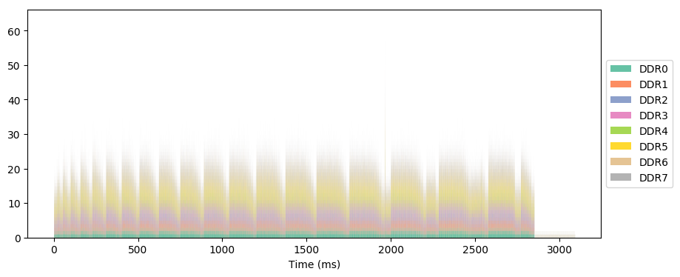
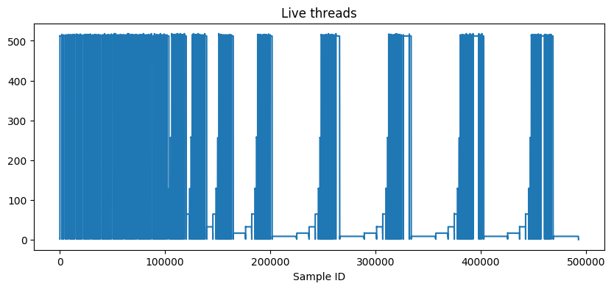
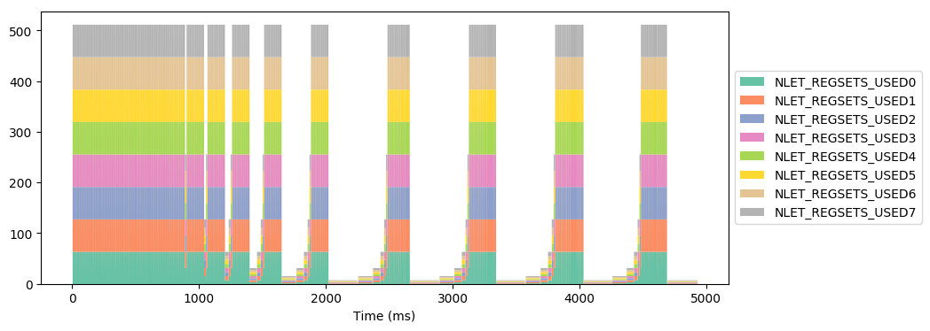
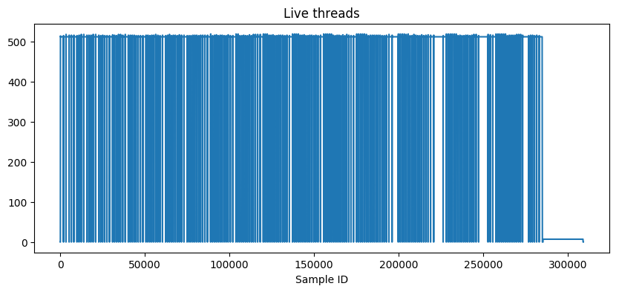
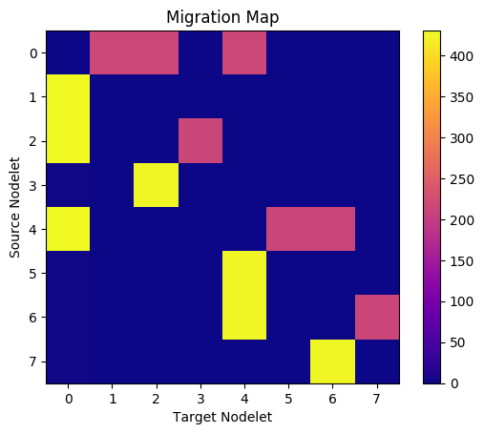
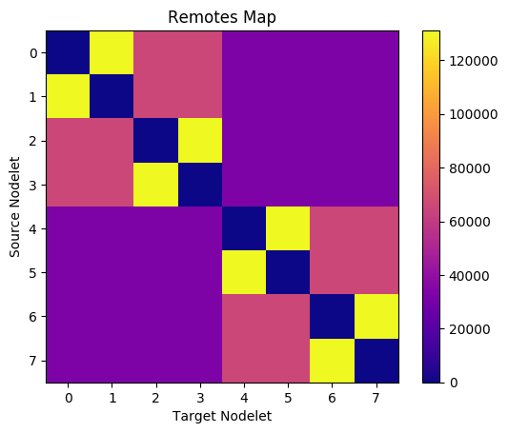
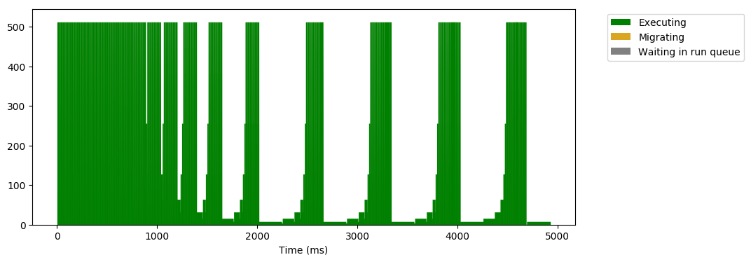
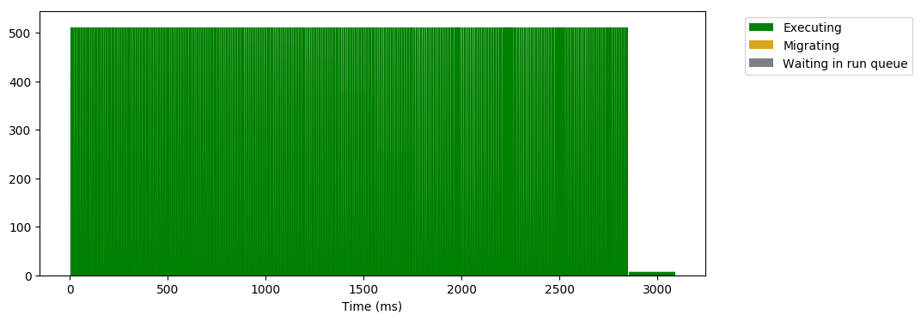
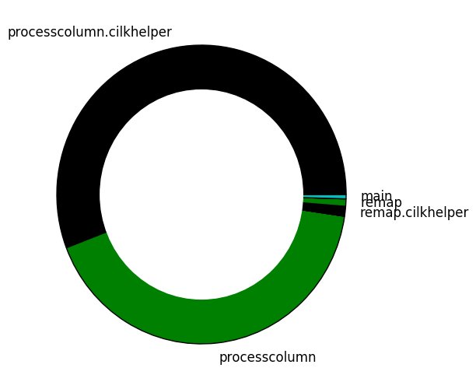
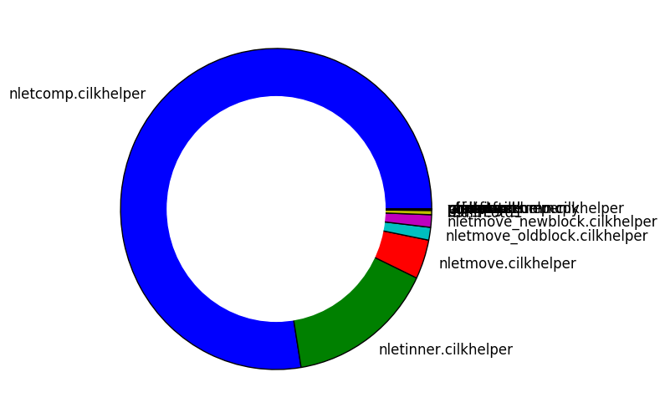
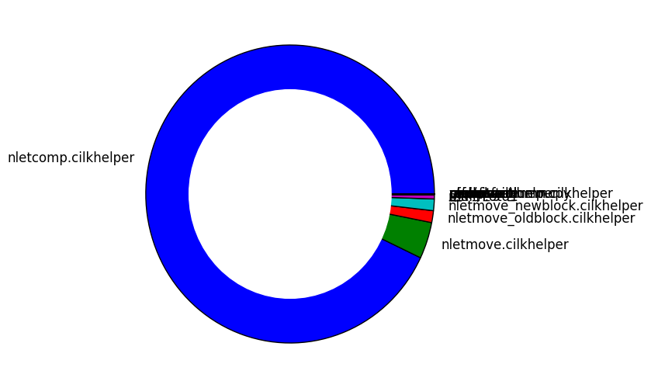
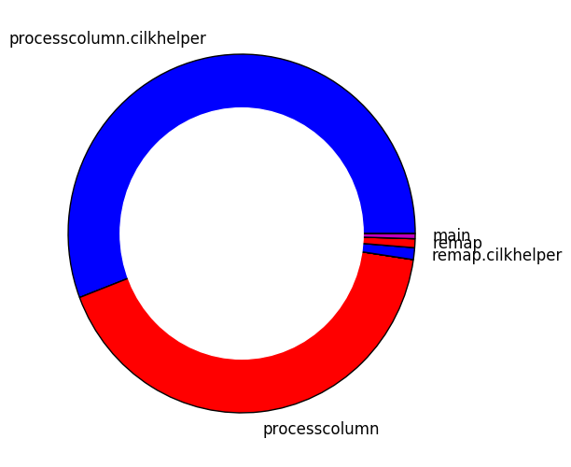
 |  |  | with inner |  |  |  |  |  |  |  | without inner
/usr/local/emu/bin/emusim_profile i_dir_20 --model_hw -- Recursive_With_Inner.mwx -n 20 -R 6 -C 6 -p 1 |  |  |  |  |  |  |  |  | /usr/local/emu/bin/emusim_profile dir_20 --model_hw -- Recursive.mwx -n 20 -R 6 -C 6 -p 1
 | Scale:20 | Remap:64 | Compute:64 | Smart:1 | Nodelets:8 | Remap:32275372 | Compute:466221808 | Sum:498497180} |  | {"Size":1048576 | Scale:20 | Remap:64 | Compute:64 | Smart:1 | Nodelets:8 | time_ms:4687.85 | ticks:820373912}

Size 1048576 Scale 20 Remap 64 Compute 64 Smart 1 Nodelets 8 PASS |  |  |  |  |  |  |  |  |  | {"Size":1048576 | Scale:20 | Remap:64 | Compute:64 | Smart:1 | Nodelets:8 | Remap:32275260 | Compute:787973712 | Sum:820248972}

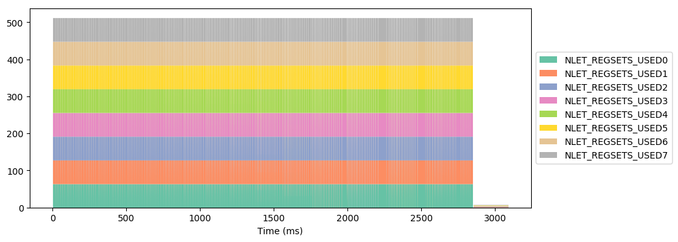
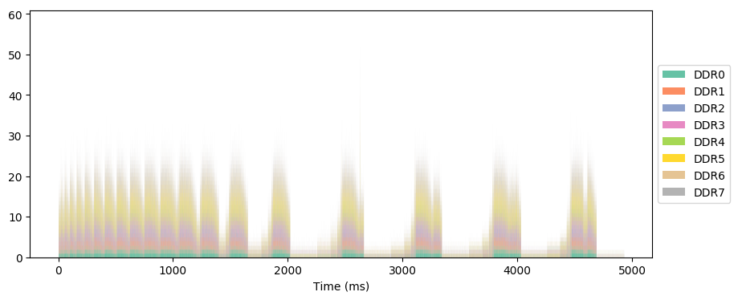
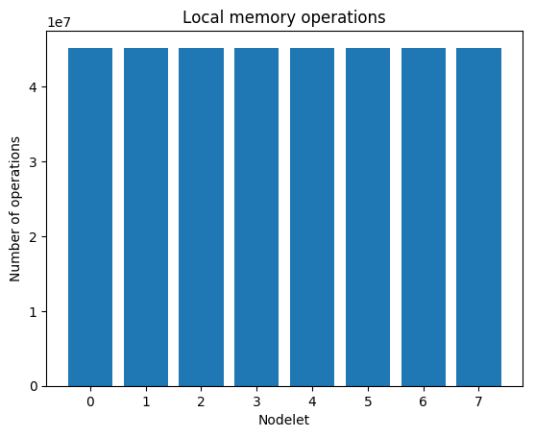
i_dir_20/Recursive_With_In
 |  |  |  |  |  |  |  |  |  |  |  | dir_20/Recursive_live_

