Exec Summary
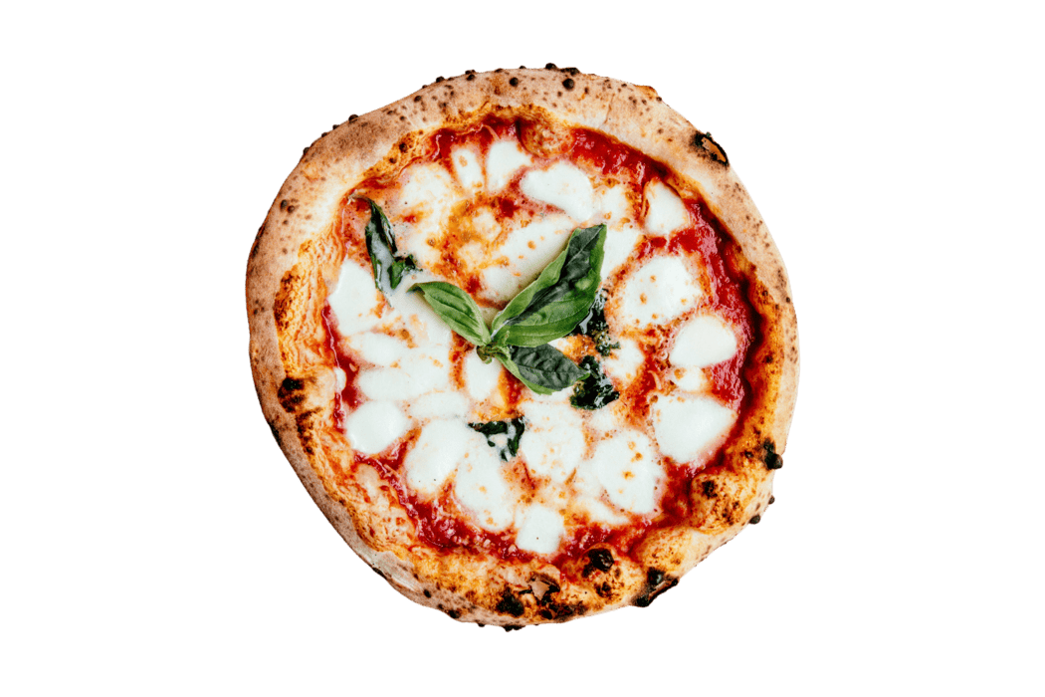
49,574
$8,17,860
$38.31
$16.50
21,350
MAVEN PIZZA SALES DASHBOARD
Total Sales
Total Revenue
Average Order Value
Revenue per Order
Total Orders

 | Total
Q1 | $38.24
Q2 | $38.41
Q3 | $37.71
Q4 | $38.91
Which month generated highest total revenue? | Which Quarter generated highest Average Order Value?
 | Total
Jan | $69,793
Feb | $65,160
Mar | $70,397
Apr | $68,737
May | $71,403
Jun | $68,230
Jul | $72,558
Aug | $68,278
Sep | $64,180
Oct | $64,028
Nov | $70,395
Dec | $64,701

 | Total Revenue | Quantity
9:00 | $83 | 4
10:00 | $304 | 18
11:00 | $44,936 | 2,728
12:00 | $111,878 | 6,776
13:00 | $106,066 | 6,413
14:00 | $59,201 | 3,613
15:00 | $52,992 | 3,216
16:00 | $70,055 | 4,239
17:00 | $86,237 | 5,211
18:00 | $89,297 | 5,417
19:00 | $72,629 | 4,406
20:00 | $58,215 | 3,534
21:00 | $42,030 | 2,545
22:00 | $22,815 | 1,386
23:00 | $1,121 | 68
Which time of the day saw highest revenue? | What type of pizza generated max revenue?
 | Total
Spicy Italian Pizza | $34,831
Classic Deluxe Pizza | $38,181
California Chicken Pizza | $41,410
Barbecue Chicken Pizza | $42,768
Thai Chicken Pizza | $43,434

By
Kaustav Mukherjee

Sales Overview
49,574
MAVEN PIZZA SALES DASHBOARD
 | Total
Large | $375,319
Medium | $249,382
Small | $178,076
XL | $14,076
XXL | $1,007
Large
Which pizza type generated highest total revenue? | Which pizza sizes contribute the most to revenue?
 | Total
Spicy Italian Pizza | $34,831
Classic Deluxe Pizza | $38,181
California Chicken Pizza | $41,410
Barbecue Chicken Pizza | $42,768
Thai Chicken Pizza | $43,434

$3,75,319
Large

Classic Deluxe Pizza
2,453

Top5: Which pizza type was most loved? | Which pizza size was most loved?
 | Total
Classic Deluxe Pizza | 2,453
Barbecue Chicken Pizza | 2,432
Hawaiian Pizza | 2,422
Pepperoni Pizza | 2,418
Thai Chicken Pizza | 2,371
 | Total
Large | 18,956
Medium | 15,635
Small | 14,403
XL | 552
XXL | 28

By
Kaustav Mukherjee

Customer Behavior
MAVEN PIZZA SALES DASHBOARD
 | Total
Monday | 6,485
Tuesday | 6,895
Wednesday | 6,946
Thursday | 7,478
Friday | 8,242
Saturday | 7,493
Sunday | 6,035
Which month had the largest orders? | Which time of day was most engaging? |  | Which day of week was most engaging?
 | Total
Jan | 4232
Feb | 3961
Mar | 4261
Apr | 4151
May | 4328
Jun | 4107
Jul | 4392
Aug | 4168
Sep | 3890
Oct | 3883
Nov | 4266
Dec | 3935
 | Total Revenue | Quantity
9:00 | $83 | 4
10:00 | $304 | 18
11:00 | $44,936 | 2,728
12:00 | $111,878 | 6,776
13:00 | $106,066 | 6,413
14:00 | $59,201 | 3,613
15:00 | $52,992 | 3,216
16:00 | $70,055 | 4,239
17:00 | $86,237 | 5,211
18:00 | $89,297 | 5,417
19:00 | $72,629 | 4,406
20:00 | $58,215 | 3,534
21:00 | $42,030 | 2,545
22:00 | $22,815 | 1,386
23:00 | $1,121 | 68

 | Total
Afternoon | 24,257
Evening | 18,568
Night | 3,999
Morning | 2,750
 | Total
Weekday | 36,046
Weekend | 13,528
Which time of the day saw the largest orders? |  | Weekend vs Weekday
 |  |  |  | Above or Below Average
 |  |  |  | Pizza Type | Average of Price | Total Revenue
 |  |  |  | Supreme | $16.79 | $208,197.00
 |  |  |  | Chicken | $16.75 | $195,919.50
 |  |  |  | Classic | $16.33 | $220,053.10
 |  |  |  | Veggie | $16.02 | $193,690.45
By
Kaustav Mukherjee

Product Overview
MAVEN PIZZA SALES DASHBOARD
 | Total
Garlic | 20
Tomatoes | 18
Red Onions | 13
Red Peppers | 10
Spinach | 8
Mushrooms | 7
Pepperoni | 6
Mozzarella Cheese | 6
Chicken | 5
Artichokes | 5
Which ingredients appear in the top‑selling pizzas? |  | Which ingredient were most actively used?
Top5 Selling Pizza | Ingredients
Classic Deluxe Pizza | Pepperoni, Mushrooms, Red Onions, Red Peppers, Bacon
Barbecue Chicken Pizza | Barbecued Chicken, Red Peppers, Green Peppers, Tomatoes, Red Onions, Barbecue Sauce
Hawaiian Pizza | Sliced Ham, Pineapple, Mozzarella Cheese
Pepperoni Pizza | Mozzarella Cheese, Pepperoni
Thai Chicken Pizza | Chicken, Pineapple, Tomatoes, Red Peppers, Thai Sweet Chilli Sauce

Which pizzas require most ingredients? |  | Which categories require most ingredients?
 | Total
Brie Carre Pizza | 6
Barbecue Chicken Pizza | 6
Calabrese Pizza | 6
Italian Vegetables Pizza | 7
California Chicken Pizza | 7
Mediterranean Pizza | 7
Mexicana Pizza | 8
Spinach Supreme Pizza | 8
Southwest Chicken Pizza | 8
Vegetables + Vegetables Pizza | 8
 | Total
Classic | 34
Chicken | 38
Supreme | 52
Veggie | 57

By
Kaustav Mukherjee

