Sheet1
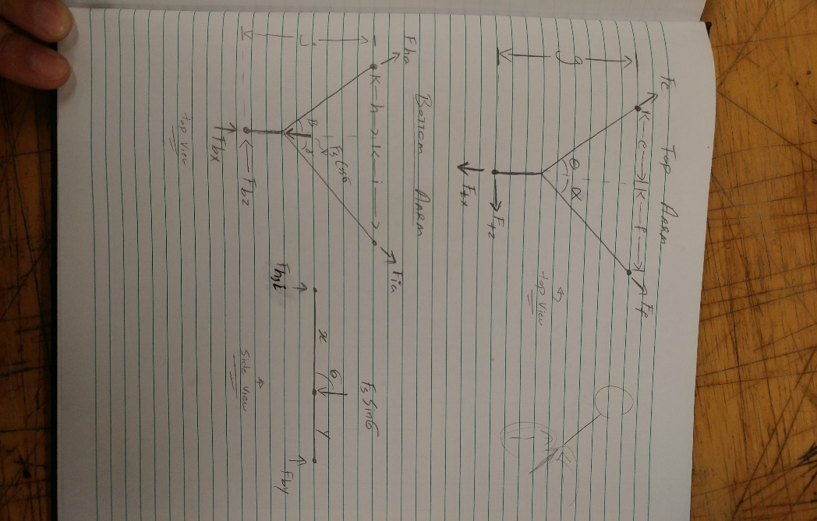
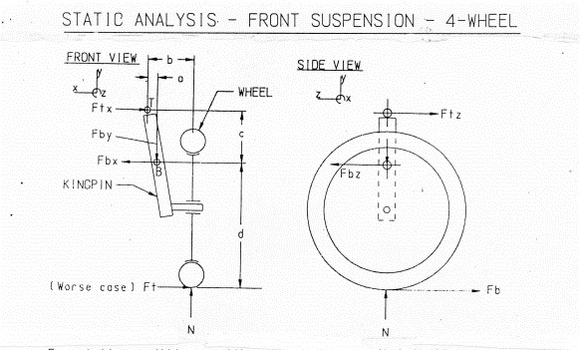
Parameter | Value(x)
a | 0
b | 0.17
c | 0.3
d | 0.164
e | 0
f | 0.21
g | 0.359
x | 0.359
y | 0
h | 0
i | 0.21
j | 0.359
theta | 0 | 58
alpha | 1.1344640138 | 65
sigma | 0.6108652382 | 35
beta | 0 | 48.8 | `
gamma | 1.1344640138 | 65

