Sheet1
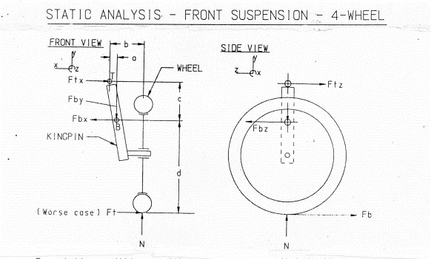
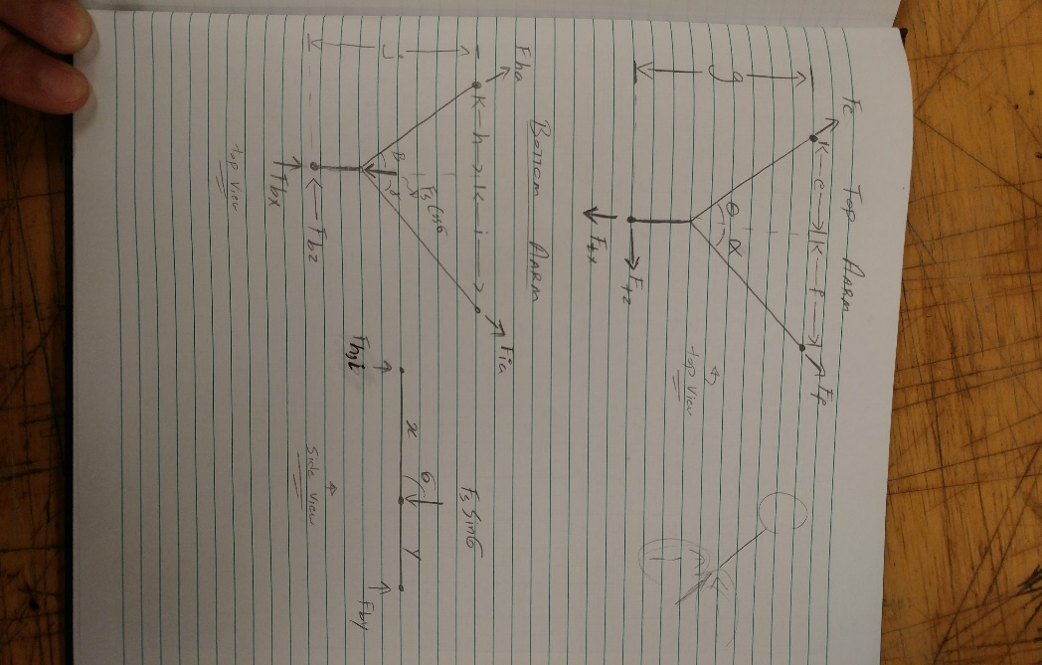
Parameter | Value(x)
a | 0.0127
b | 0.093
c | 0.5
d | 0.17
e | 0.5
f | 0.1
g | 0.108
x | 0.0878
y | 0.0742
h | 0.165
i | 0.221
j | 0.131
theta | 1.064
alpha | 1.11
sigma | 0.85
beta | 0.8988
gamma | 1.0472

