Sheet1
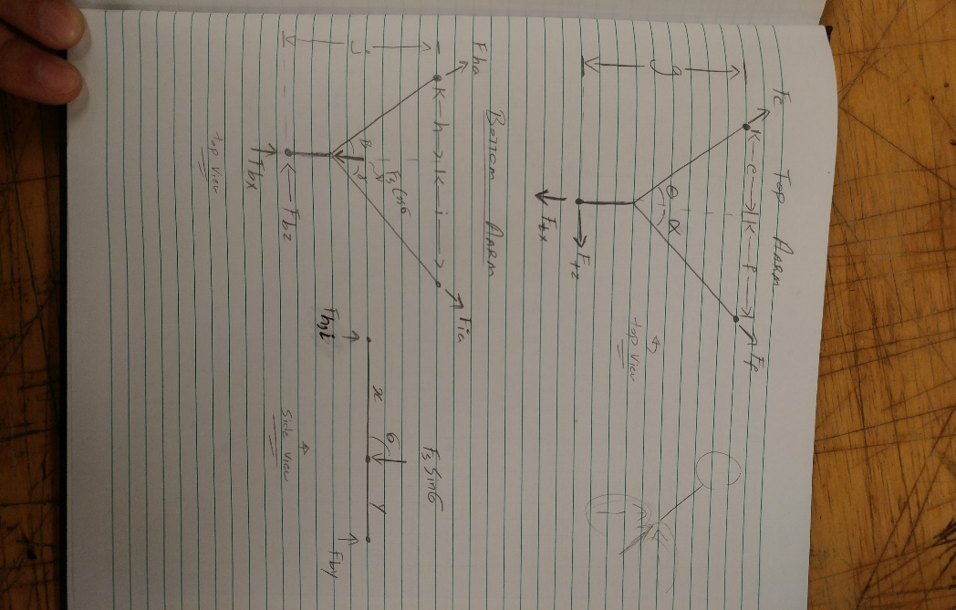
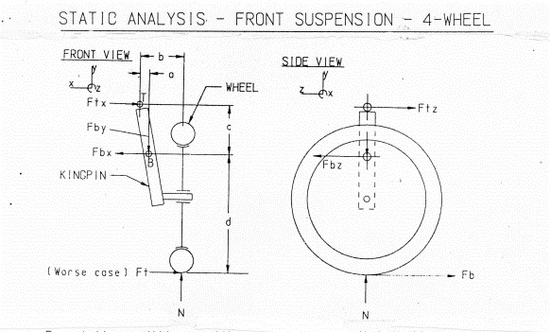
Parameter | Value(x)
a | 0.0127
b | 0.093
c | 0.0899
d | 0.4917
e | 0.191
f | 0.217
g | 0.108
x | 0.0878
y | 0.0742
h | 0.165
i | 0.221
j | 0.131
theta | 1.064 | 58
alpha | 1.11 | 38.66
sigma | 0.85 | 78.935
beta | 0.8988 | 48.8 | `
gamma | 1.0472 | 29.745

