Sheet1
 | Apache lucene dala query hadala ekta knn dala unassigned evath cluster valata dala eken qualitative eka vadi vela | HirschClusteringSingleWordQuery.pdf | prasanna sir
 | Pantuation mark tokenizer well performed | Enhanced_Tokenizer_for_Sinhala_Language.pdf | prsanna sir
 | polysemy issue on information retrieval paradigm and used clustering as a tool for improving the accuracy and appropriateness in the information retrieval process. | Hierarchical_clustering_based_Intelligent_Information_Retrieval_approach.pdf | Potnuru Sai Nishant, Shashi Mehrotra, Patchava Ramya Sree and Potta Srikanth Department of Computer Science and Engineering, Koneru Lakshmaiah Education Foundation, Vaddeswaram, A.P., India. sai.nishant8@gmail.com, sethshashi11@gmail.com , p.ramyasri111@gmail.com , pottavsrikanth@gmail.com
 | To address this void, this paper presents a system to collect news articles published across the web and group related articles using corpus-based similarity measures. Despite the simplicity of the technique and morphological richness of Sinhala, we achieved very promising results that prove the viability of the presented technique. | Clustering_Sinhala_News_Articles_Using_Corpus-Based_Similarity_Measures.pdf | Purnima Nanayakkara, Surangika Ranathunga Department of Computer Science and Engineering, University of Moratuwa Katubedda 10400, Sri Lanka nanayakkara.purnima@gmail.com, surangika@cse.mrt.ac.lk
summary | 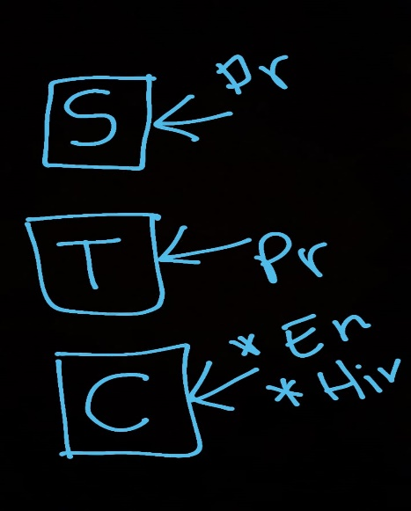
 | [18:45, 28/11/2021] Kavindi Fernando: clu clasifi Ga system classifer [18:45, 28/11/2021] Kavindi Fernando: Lost down [18:45, 28/11/2021] Kavindi Fernando: Paper kiyavala list dow
 | cluster | On_K-means_data_clustering_algorithm_with_genetic_algorithm (1).pdf | shruthi kapil ,meenu chawla,mohad dilshad ansari
 |  | Document_Clustering_Using_Differential_Evolution.pdf | Ajith Abraham1 , Swagatam Das2 and Amit Konar2
 | cluster | Clustering Using the Genetic Algorithm in Python | Paperspace Blog
 | classification | GitHub - mcavus/Genetic-Algorithm-Classification: Genetic algorithm based cost-sensitive multiclass classifier
 |  | GeneticA.pdf | Zheyun Feng Michigan State University Department of Computer Science and Engineering fengzhey@msu.edu

