Sales Overview
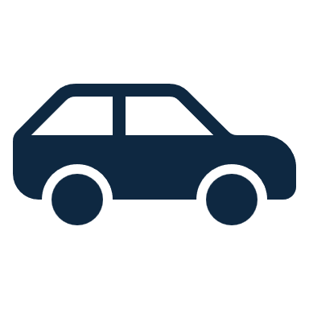
Vehicle
Market

Sales Overview
Customer Insight
Vehicle Insight

274.56M
9.78K
Chevrolet
Austin
Progressive Shippers Cooperative Association
 |  |  |  |  |  |  | Scroll BAR | 12

Total Sales Income
Total Sales Qty
Most Sold Brand
Most Sold Region
Top Dealer
 |  |  |  |  |  |  | Dealer Name | Qty
 |  |  |  |  |  |  | Hatfield Volkswagen | 262
 |  |  |  |  |  |  | Gartner Buick Hyundai Saab | 259
Revenue By Brands
Sales Trend Over Time
 |  |  |  |  |  |  | Diehl Motor CO | 259
Dealers Performance
 |  |  |  |  |  |  | Pitre Buick-Pontiac-Gmc of Scottsdale | 257
 | Total
January | 325
February | 325
March | 605
April | 660
May | 715
June | 705
July | 660
August | 550
September | 1430
October | 655
November | 1395
December | 1755
 |  |  |  |  |  |  | Capitol KIA | 253

Region-wise Sales Qty Percentage
Sales Qty By Brands

 | Percentage
Aurora | 13%
Austin | 9%
Greenville | 8%
Janesville | 10%
Middletown | 15%
Pasco | 13%
Scottsdale | 8%

Revenue by brands |  |  | Sales Qty By Brands |  | Scroll Bar | 5
Scroll VALUE |  | 13 | Brand | QTY
 |  |  | Mitsubishi | 323
Brand | Revenue |  | Chrysler | 297
Mercury | 10.0M |  | Toyota | 279
Volvo | 8.6M |  | Mercury | 253
Plymouth | 7.9M |  | Lexus | 211
BMW | 6.8M
Buick | 6.7M

Customer Insight
Vehicle
Market
Vehicle Insight
Sales Overview
Customer Insight

5.58K
Average Annual Income =
802.98K
Total Customers =

Sales Distribution By Gender
Popular Vehicle Colors

 | Color | Percentage
Black | 1867 | 33%
Pale White | 2642 | 47%
Red | 1066 | 19%
 | Percentage
Female | 21%
Male | 79%

Vehicle Insight
Vehicle
Market

Sales Overview
Customer Insight
Vehicle Insight

Top 10 Sales Vehicle Models
Auto Transmission Vehicle
Manual Transmission Vehicle
5.2K
4.6K

 | Total
Silhouette | 178
Diamante | 174
Prizm | 171
Ram Pickup | 160
Passat | 154
RL | 151
A6 | 148
Jetta | 143
LHS | 142
LS400 | 136

Sales Qty By Engine

 | Total
DoubleÂ Overhead Camshaft | 5193
Overhead Camshaft | 4587

Sales Qty By Body Styles
Vehicles Transmission Type

 | Total
Hardtop | 1.3K
Hatchback | 2.5K
Passenger | 1.6K
Sedan | 1.8K
SUV | 2.6K
 | Percentage
Auto | 53%
Manual | 47%

