Sheet1
Bug ID | Priority | Description | Pre requistes | Bug steps | Expected Result | Actual Result | Status | Test Executed By | Screenshot
tutorial_001 | High | Able to register with wrong phone number and email id | User is on the register page of the Tutorials Ninja website | 1.Open the Tutorials Ninja demo website. 2.Navigate to the register page. 3.Enter invalid Last and First Name ,Telephone number,email in the respective field. 4.Fill out the remaining required fields with valid data. 5.Check the Privacy Policy check box. 6.Click on the "Continue". | The system should display validation error messages indicating the details are invalid and prevent registration. | The user is able to register successfully with the invalid details. | Fail | Kavita | 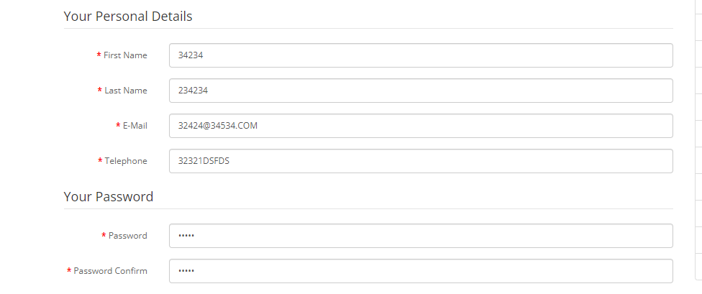
tutorial_002 | High | Canon EOS 5D product select dropdown is empty, preventing adding the camera to the cart | User is on the product page of the Canon EOS 5D camera. | 1.Open the Tutorials Ninja demo website. 2.Navigate to the Cameras page and click on the Canon EOS 5D camera. 3.Try to select an option from the Available Options select dropdown . | The product select dropdown should display available options for the Canon EOS 5D camera, allowing the user to select and add the camera to the cart. | The product select dropdown is empty, with no options available to select, thus preventing the user from adding the Canon EOS 5D camera to the cart. | Fail | Kavita | 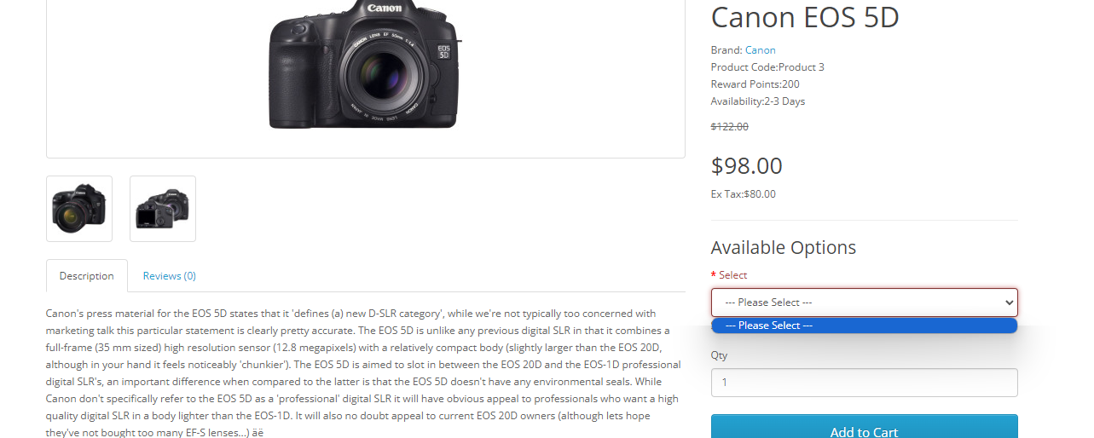
tutorial_003 | Medium | User reviews are not being displayed or added on product pages | User is logged into the Tutorials Ninja website. User is on the product page of any item. | 1.Open the Tutorials Ninja demo website. 2.Log in with valid credentials. 3.Navigate to the product page of any item. 4.Scroll down to the review section. 5.Enter a review in the review text box and submit it. 6.Refresh the product page. | The submitted review should be displayed in the review section of the product page. | The submitted review is not displayed, and it appears that the review is not being added to the product page. | Fail | Kavita | 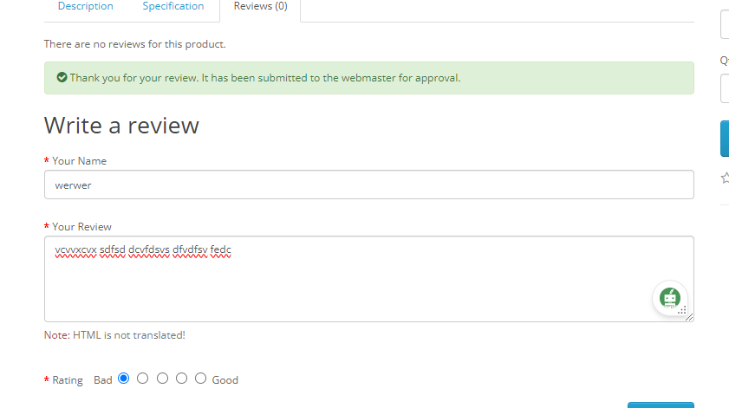
tutorial_004 | Medium | Desktop section displays MP3 players, cameras, laptops, and mobile phones | User is on the Desktops section of the Tutorials Ninja website. | 1. Open the Tutorials Ninja demo website. 2. Navigate to the Desktops section from the main menu by hovering on the desktop and clicking on Show AllDesktops. 3. Scroll through the listed products. | Only desktop computers and related accessories should be displayed in the Desktops section. | The Desktops section is displaying products from other categories, including MP3 players, cameras, laptops, and mobile phones. | Fail | Kavita | 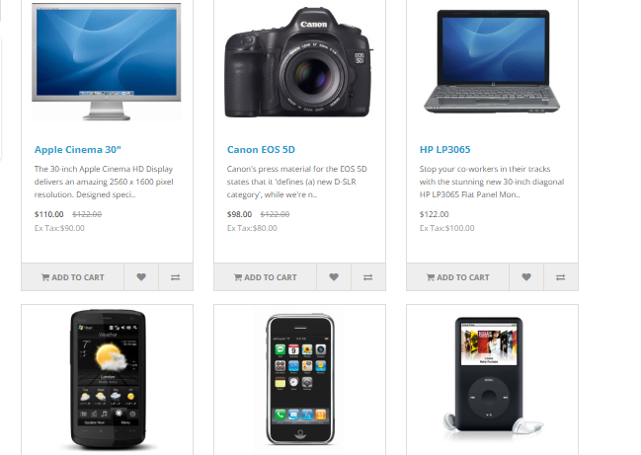
tutorial_005 | Medium | No products are listed in the Software section | User is on the Software section of the Tutorials Ninja website. | 1.Open the Tutorials Ninja demo website. 2.Navigate to the Software section from the main menu. 3.Observe the product listing area. | Relevant software products should be listed and displayed in the Software section. | No products are listed or displayed in the Software section. | Fail | Kavita | 
tutorial_006 | Medium | Incorrect images displayed on the Apple Cinema 30" product page | User is on the product page for Apple Cinema 30". | 1.Open the Tutorials Ninja demo website. 2.Navigate to the product page for Apple Cinema 30". 3.Observe the images displayed for the product. | The product page should only display images relevant to the Apple Cinema 30" monitor. | The product page displays images of a camera and a laptop instead of the Apple Cinema 30" monitor. | Fail | Kavita | 
tutorial_007 | Medium | Incorrect option labels displayed on the Apple Cinema 30" product page | User is on the product page for Apple Cinema 30". | 1.Open the Tutorials Ninja demo website. 2.Navigate to the product page for Apple Cinema 30". 3.Observe the labels for the available options. | The labels for the available options should correctly describe the selectable attributes (e.g., size, color). | The available options have labels like "radio," "checkbox," and "textarea" instead of descriptive attribute names. | Fail | Kavita | 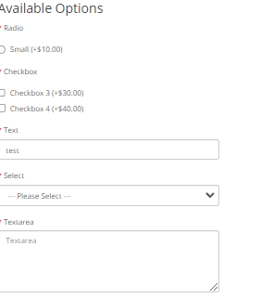
tutorial_008 | High | Able to select a previous delivery date and proceed to checkout | 1.User is logged into the Tutorials Ninja website. 2.User has items in the shopping cart. | 1.Open the Tutorials Ninja demo website. 2.Log in with valid credentials. 3.Navigate to the product page.(eg. HP LP3065) 4.Select delivery date prior to current date and Add item to the shopping cart. 5.Proceed to the checkout page. | The system should prevent users from selecting a past date for delivery and display an appropriate error message. | The system allows users to select a past delivery date and proceed to checkout without any error message. | Fail | Kavita | 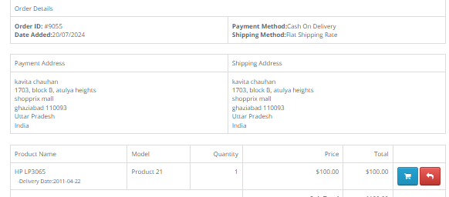
tutorial_009 | Medium | MP3 section displays incorrect category names as "test1" and "test2" | User is on the MP3 section of the Tutorials Ninja website. | Open the Tutorials Ninja demo website. Hover on the MP3 section from the main menu. Observe the category names listed. | The MP3 section should display relevant category names related to MP3 players and accessories. | The MP3 section displays incorrect category names instead of relevant MP3 categories. | Fail | Kavita | 
tutorial_010 | High | Able to register multiple accounts with the same name and phone number if the email address is different | User is on the register page of the Tutorials Ninja website | 1.Open the Tutorials Ninja demo website. 2.Navigate to the register page. 3.Enter the same name and phone number in the respective fields. 4.Enter a unique email address in the email field. 5.Complete the registration process. 6.Repeat the registration process with the same name and phone number but a different email address. | The system should prevent users from registering multiple accounts with the same name and phone number, even if the email addresses are different, or should display a warning message. | The system allows multiple registrations with the same name and phone number if the email addresses are different. | Fail | Kavita

