bug3
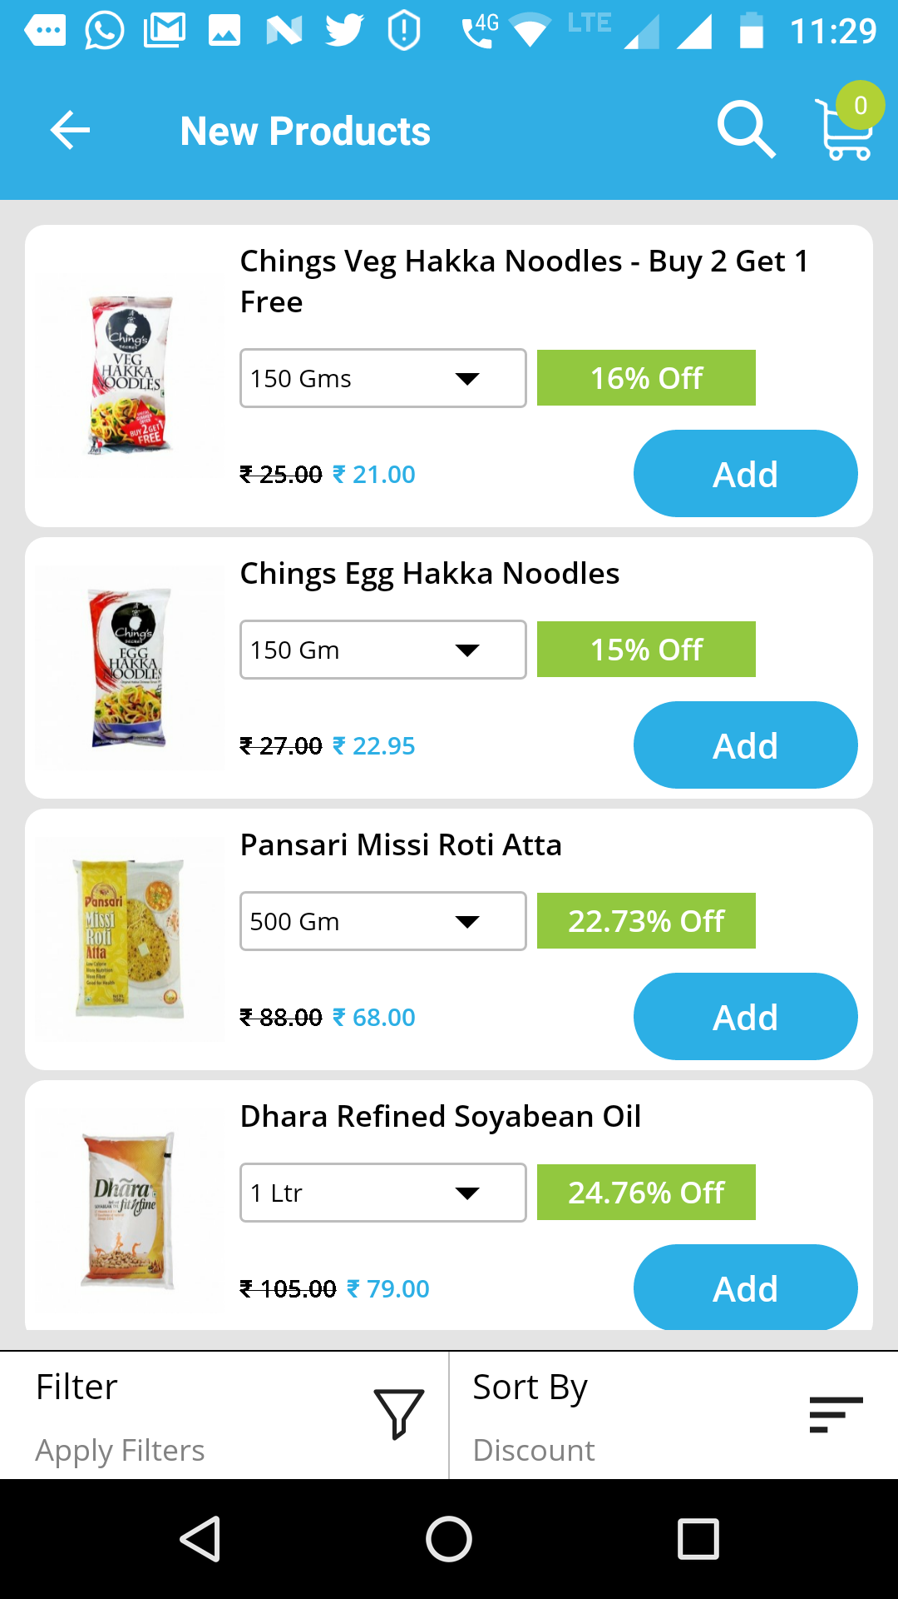
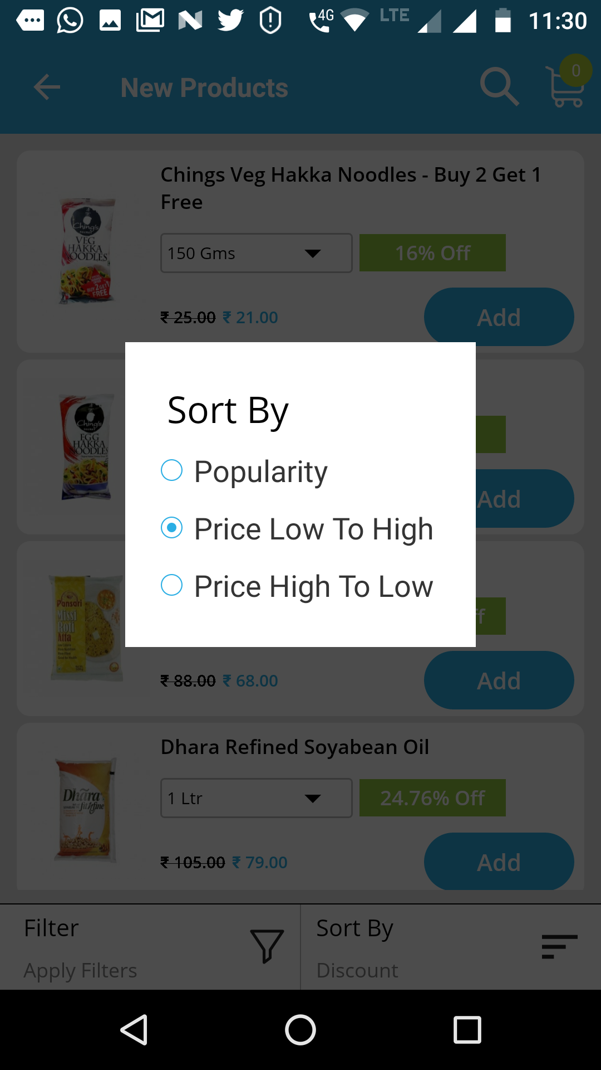

Defect Description
No Discount option is dispalyed as we click Sort By

bug4
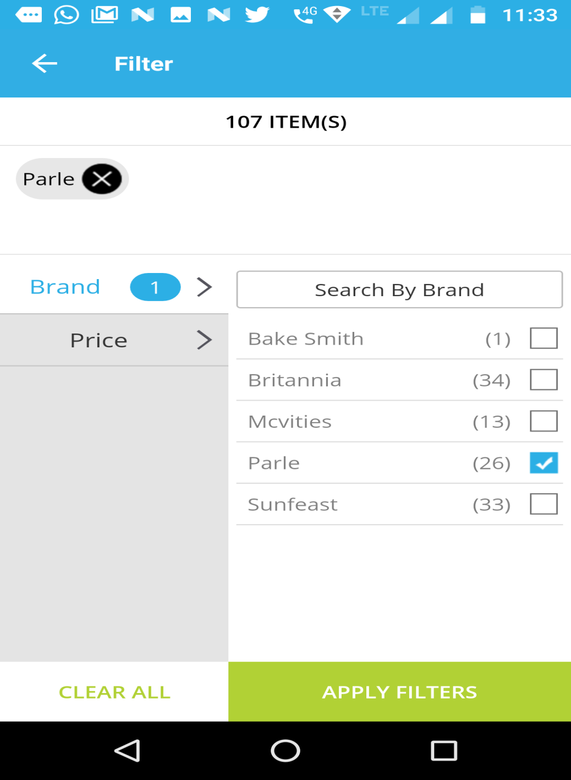
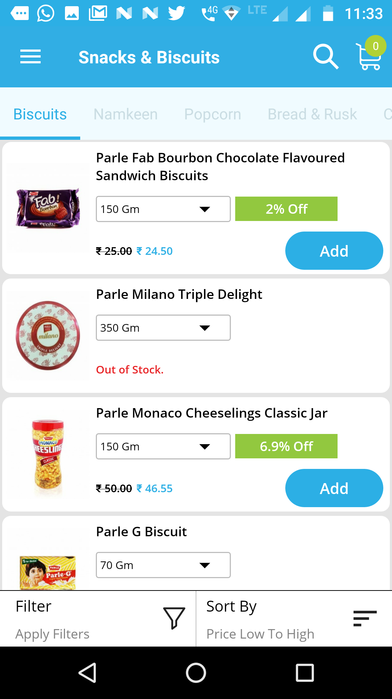

Defect Description :
Only partial no. of branded items are displayed when we select apply filter.only 20 items of parle are listed

bug5
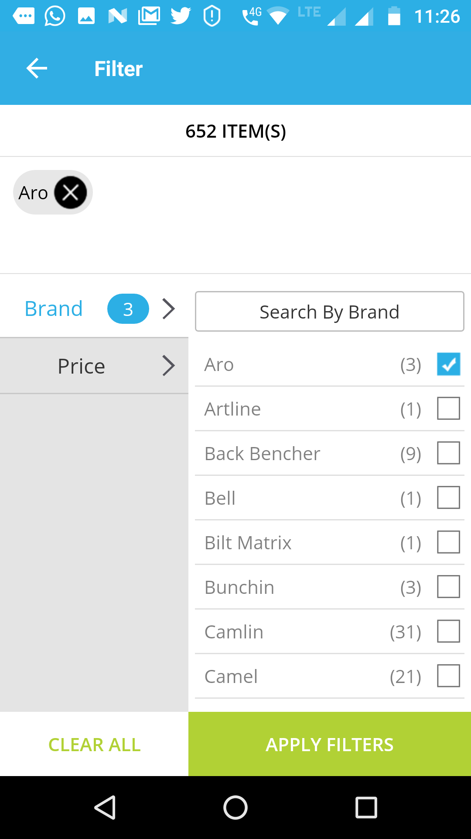
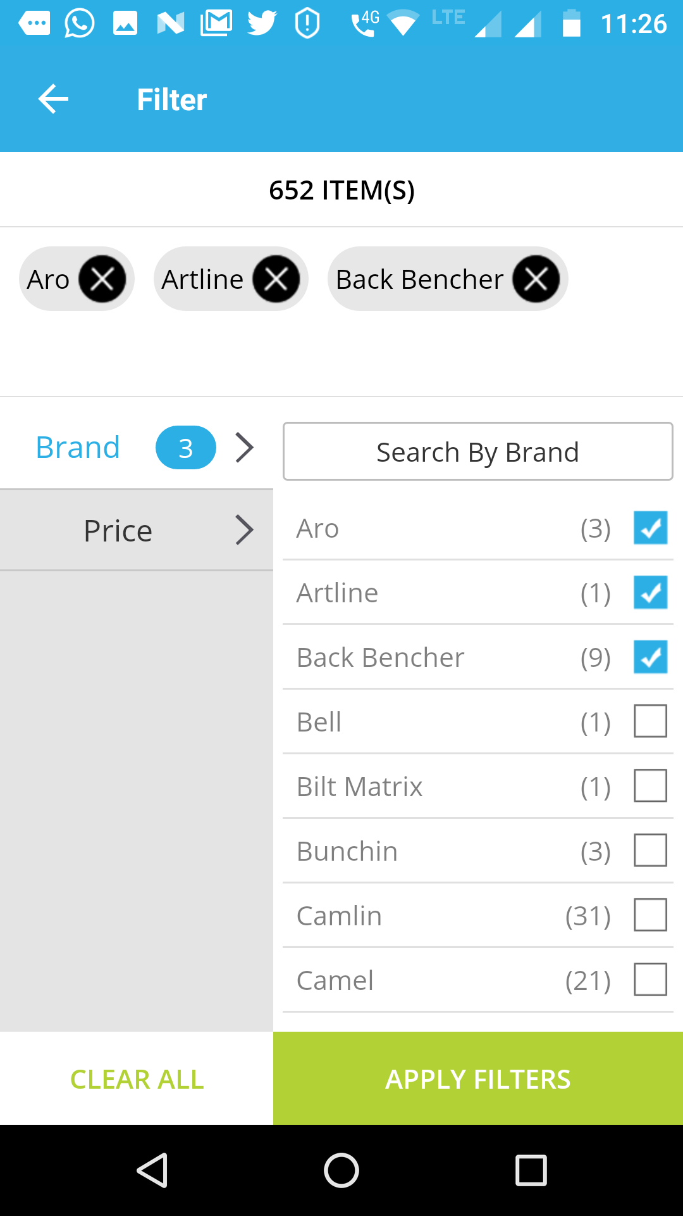
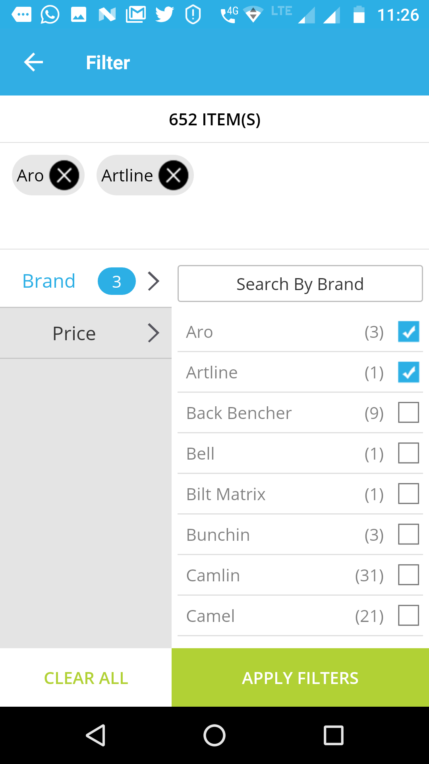

Defect Description
Item count do not update accordingly.We can observe that 3 is seen next to brand instead of 2

