Sheet1
Images | Name
 | Image1
 | Image2
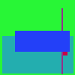 | Image3
 | Image4
 | Image5
 | Image6
 | Image7
 | Image8
 | Image9
 | Image10
 | Image11
 | Image12
 | Image13
 | Image14
 | Image15
 | Image16
 | Image17
 | Image18
 | Image19
 | Image20
 | Image21
 | Image22
 | Image23
 | Image24
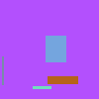 | Image25
 | Image26
 | Image27
 | Image28
 | Image29
 | Image30
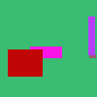 | Image31
 | Image32
 | Image33
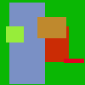 | Image34
 | Image35
 | Image36
 | Image37
 | Image38
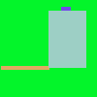 | Image39
 | Image40
 | Image41
 | Image42
 | Image43
 | Image44
 | Image45
 | Image46
 | Image47
 | Image48
 | Image49
 | Image50
 | Image51
 | Image52
 | Image53
 | Image54
 | Image55
 | Image56
 | Image57
 | Image58
 | Image59
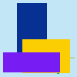 | Image60
 | Image61
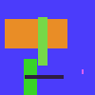 | Image62
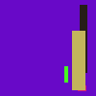 | Image63
 | Image64
 | Image65
 | Image66
 | Image67
 | Image68
 | Image69
 | Image70
 | Image71
 | Image72
 | Image73
 | Image74
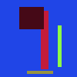 | Image75
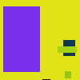 | Image76
 | Image77
 | Image78
 | Image79
 | Image80
 | Image81
 | Image82
 | Image83
 | Image84
 | Image85
 | Image86
 | Image87
 | Image88
 | Image89
 | Image90
 | Image91
 | Image92
 | Image93
 | Image94
 | Image95
 | Image96
 | Image97
 | Image98
 | Image99

