Cod_snowcrab_through2024_crab_E
 | Opilio consumed (mt/day during summer BT survey) by Pacific cod, EBS survey area. Includes unidentified Chionocetes sp. in diets
1985 | 1469.98433
1986 | 1047.459612
1987 | 1478.694487
1988 | 568.5782501
1989 | 1086.195119
1990 | 778.973744
1991 | 834.1878014
1992 | 415.2201725
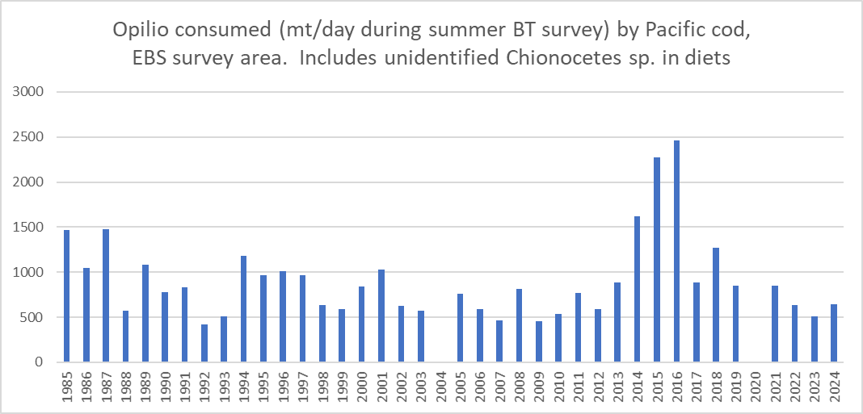
1993 | 510.150023
1994 | 1180.12318
1995 | 961.2682523
1996 | 1006.150806
1997 | 969.4965701
1998 | 636.5264587
1999 | 590.8750287
2000 | 838.0194819
2001 | 1029.906175
2002 | 628.4280435
2003 | 569.4210404
2004 | NA
2005 | 757.7630959
2006 | 587.6786085
2007 | 460.5743008
2008 | 811.4490193
2009 | 457.1986459
2010 | 536.0678374
2011 | 765.7946377
2012 | 591.9983053
2013 | 881.0137639
2014 | 1619.85503
2015 | 2274.760466
2016 | 2461.77267
2017 | 882.7881558
2018 | 1271.157933
2019 | 847.1734437
2020 | NA
2021 | 847.3627587
2022 | 631.1497839
2023 | 511.8427485
2024 | 642.46942114

