Sheet1
model | WGOA

Sum of tot_vonb_tons | Column Labels
Row Labels | POP | Walleye_pollock | Arrowtooth_flounder | Pacific_cod | Pacific_halibut | Sablefish | Grand Total
1990 | 58874.011128 | 882294.40665 | 965423.53377 | 292037.73437 | 77272.263071 | 171295.98855 | 2447197.9375
1993 | 289012.03359 | 813648.20498 | 828151.61441 | 329939.68414 | 162262.69226 | 257309.61331 | 2680323.8427
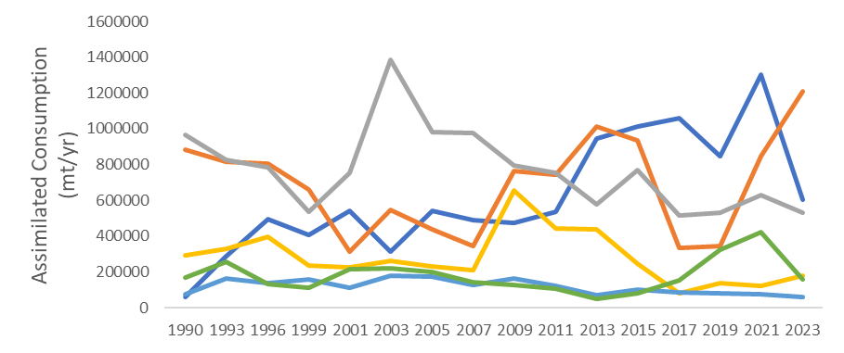
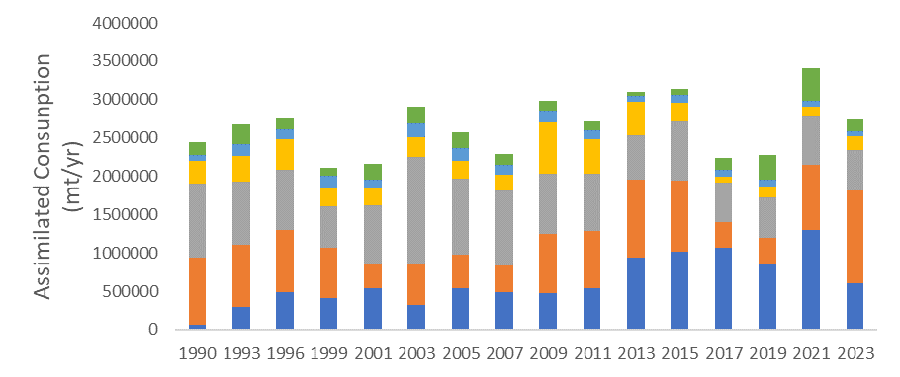
1996 | 493082.22583 | 804932.14727 | 784729.74103 | 395227.02509 | 137975.02287 | 131574.02225 | 2747520.1843
1999 | 407632.61431 | 662560.38428 | 538109.73414 | 235562.02616 | 160831.04217 | 109832.14089 | 2114527.942
2001 | 544368.28392 | 313884.24843 | 756064.09847 | 226051.74365 | 111161.84778 | 214228.74939 | 2165758.9716
2003 | 315187.40919 | 546441.23487 | 1385723.4663 | 260696.8816 | 179107.24556 | 220161.57322 | 2907317.8107
2005 | 542520.90742 | 437591.98497 | 980491.93233 | 233142.38383 | 176677.32659 | 198878.39507 | 2569302.9302
2007 | 490668.72657 | 346114.86916 | 974696.34554 | 213253.84622 | 125600.84052 | 142376.37689 | 2292711.0049
2009 | 477100.22563 | 764273.98665 | 795032.05928 | 657943.88255 | 164394.11761 | 126735.71076 | 2985479.9825
2011 | 537686.77348 | 742147.66156 | 755471.19182 | 445487.69792 | 121311.21146 | 105968.08458 | 2708072.6208
2013 | 943398.38933 | 1014938.0974 | 579245.36724 | 435931.7276 | 71768.624874 | 51432.823722 | 3096715.0302
2015 | 1010534.1612 | 935312.21859 | 768797.62275 | 244504.83856 | 101456.02821 | 79911.565713 | 3140516.435
2017 | 1059839.6483 | 336790.8019 | 514410.06372 | 82388.010268 | 86197.435068 | 155771.98748 | 2235397.9467
2019 | 849607.51178 | 345837.81755 | 532774.49481 | 140101.55177 | 80359.605271 | 323564.7687 | 2272245.7499
2021 | 1303103.0226 | 848524.00092 | 627515.10952 | 124191.59411 | 76190.708797 | 423096.37312 | 3402620.809
2023 | 605682.34844 | 1208468.8855 | 529790.87011 | 177747.03836 | 62160.388004 | 161483.52936 | 2745333.0598
Grand Total | 9928298.2927 | 11003760.951 | 12316427.245 | 4494207.6662 | 1894726.4001 | 2873621.703 | 42511042.258

model | WGOA

Sum of tot_vonb_tons | Column Labels
 | POP | Walleye_pollock | Arrowtooth_flounder | Pacific_cod | Pacific_halibut | Sablefish
1990 | 58874.011128 | 882294.40665 | 965423.53377 | 292037.73437 | 77272.263071 | 171295.98855
1993 | 289012.03359 | 813648.20498 | 828151.61441 | 329939.68414 | 162262.69226 | 257309.61331
1996 | 493082.22583 | 804932.14727 | 784729.74103 | 395227.02509 | 137975.02287 | 131574.02225
1999 | 407632.61431 | 662560.38428 | 538109.73414 | 235562.02616 | 160831.04217 | 109832.14089
2001 | 544368.28392 | 313884.24843 | 756064.09847 | 226051.74365 | 111161.84778 | 214228.74939
2003 | 315187.40919 | 546441.23487 | 1385723.4663 | 260696.8816 | 179107.24556 | 220161.57322
2005 | 542520.90742 | 437591.98497 | 980491.93233 | 233142.38383 | 176677.32659 | 198878.39507
2007 | 490668.72657 | 346114.86916 | 974696.34554 | 213253.84622 | 125600.84052 | 142376.37689
2009 | 477100.22563 | 764273.98665 | 795032.05928 | 657943.88255 | 164394.11761 | 126735.71076
2011 | 537686.77348 | 742147.66156 | 755471.19182 | 445487.69792 | 121311.21146 | 105968.08458
2013 | 943398.38933 | 1014938.0974 | 579245.36724 | 435931.7276 | 71768.624874 | 51432.823722
2015 | 1010534.1612 | 935312.21859 | 768797.62275 | 244504.83856 | 101456.02821 | 79911.565713
2017 | 1059839.6483 | 336790.8019 | 514410.06372 | 82388.010268 | 86197.435068 | 155771.98748
2019 | 849607.51178 | 345837.81755 | 532774.49481 | 140101.55177 | 80359.605271 | 323564.7687
2021 | 1303103.0226 | 848524.00092 | 627515.10952 | 124191.59411 | 76190.708797 | 423096.37312
2023 | 605682.34844 | 1208468.8855 | 529790.87011 | 177747.03836 | 62160.388004 | 161483.52936

 | Column Labels
 | Sablefish | Pacific halibut | Pacific cod | Arrowtooth flounder | Walleye pollock | Pacific Ocean perch
1990 | 158874.01113 | 882294.40665 | 965423.53377 | 292037.73437 | 77272.263071 | 171295.98855
1993 | 289012.03359 | 813648.20498 | 828151.61441 | 329939.68414 | 162262.69226 | 257309.61331
1996 | 493082.22583 | 804932.14727 | 784729.74103 | 395227.02509 | 137975.02287 | 131574.02225
1999 | 407632.61431 | 662560.38428 | 538109.73414 | 235562.02616 | 160831.04217 | 109832.14089
2001 | 544368.28392 | 313884.24843 | 756064.09847 | 226051.74365 | 111161.84778 | 214228.74939
2003 | 315187.40919 | 546441.23487 | 1385723.4663 | 260696.8816 | 179107.24556 | 220161.57322
2005 | 542520.90742 | 437591.98497 | 980491.93233 | 233142.38383 | 176677.32659 | 198878.39507
2007 | 490668.72657 | 346114.86916 | 974696.34554 | 213253.84622 | 125600.84052 | 142376.37689

Sheet2
model | WGOA

 |  | Values
species_name | year | Sum of tot_vonb_tons | Sum of tot_bioen_tons
Arrowtooth_flounder | 1990 | 965423.53377 | 17165.37379
 | 1993 | 828151.61441 | 15857.655114
 | 1996 | 784729.74103 | 14329.43609
 | 1999 | 538109.73414 | 9127.0781651
 | 2001 | 756064.09847 | 14297.200578
 | 2003 | 1385723.4663 | 27047.654743
 | 2005 | 980491.93233 | 18117.338914
 | 2007 | 974696.34554 | 16308.145992
 | 2009 | 795032.05928 | 13098.716377
 | 2011 | 755471.19182 | 13475.944159
 | 2013 | 579245.36724 | 10171.013024
 | 2015 | 768797.62275 | 14705.643778
 | 2017 | 514410.06372 | 8859.4991416
 | 2019 | 532774.49481 | 9943.6973671
 | 2021 | 627515.10952 | 10774.402218
 | 2023 | 529790.87011 | 9276.9456101
Pacific_cod | 1990 | 292037.73437 | 3461.2202886
 | 1993 | 329939.68414 | 4152.6476987
 | 1996 | 395227.02509 | 4848.9120775
 | 1999 | 235562.02616 | 2589.1784329
 | 2001 | 226051.74365 | 2726.3529718
 | 2003 | 260696.8816 | 3370.7671955
 | 2005 | 233142.38383 | 3030.8139591
 | 2007 | 213253.84622 | 2264.319947
 | 2009 | 657943.88255 | 7259.1079883
 | 2011 | 445487.69792 | 4973.087646
 | 2013 | 435931.7276 | 5008.9430801
 | 2015 | 244504.83856 | 2967.1580239
 | 2017 | 82388.010268 | 1008.8250048
 | 2019 | 140101.55177 | 1819.0336472
 | 2021 | 124191.59411 | 1551.5834319
 | 2023 | 177747.03836 | 2112.14966
Pacific_halibut | 1990 | 77272.263071 | 3784.5059622
 | 1993 | 162262.69226 | 7882.5831338
 | 1996 | 137975.02287 | 6622.6914001
 | 1999 | 160831.04217 | 7195.0698603
 | 2001 | 111161.84778 | 5487.7885374
 | 2003 | 179107.24556 | 8930.7831935
 | 2005 | 176677.32659 | 8328.2343597
 | 2007 | 125600.84052 | 5036.2627315
 | 2009 | 164394.11761 | 6388.2895778
 | 2011 | 121311.21146 | 5118.7108352
 | 2013 | 71768.624874 | 3014.3064505
 | 2015 | 101456.02821 | 4851.4664573
 | 2017 | 86197.435068 | 3901.2714021
 | 2019 | 80359.605271 | 3848.544185
 | 2021 | 76190.708797 | 3119.8609156
 | 2023 | 62160.388004 | 2444.0029118
POP | 1990 | 58874.011128 | 1869.7719299
 | 1993 | 289012.03359 | 11861.626257
 | 1996 | 493082.22583 | 18739.862213
 | 1999 | 407632.61431 | 14571.288382
 | 2001 | 544368.28392 | 22818.589593
 | 2003 | 315187.40919 | 13943.09611
 | 2005 | 542520.90742 | 21594.177256
 | 2007 | 490668.72657 | 16691.311873
 | 2009 | 477100.22563 | 17075.717081
 | 2011 | 537686.77348 | 20822.68575
 | 2013 | 943398.38933 | 36158.318813
 | 2015 | 1010534.1612 | 46025.210698
 | 2017 | 1059839.6483 | 44036.356732
 | 2019 | 849607.51178 | 40390.737163
 | 2021 | 1303103.0226 | 52467.760224
 | 2023 | 605682.34844 | 24814.800783
Sablefish | 1990 | 171295.98855 | 5193.5829708
 | 1993 | 257309.61331 | 7510.7357666
 | 1996 | 131574.02225 | 3869.862629
 | 1999 | 109832.14089 | 2948.5745717
 | 2001 | 214228.74939 | 6134.5888566
 | 2003 | 220161.57322 | 6252.0438067
 | 2005 | 198878.39507 | 5636.7042942
 | 2007 | 142376.37689 | 3921.260555
 | 2009 | 126735.71076 | 3536.4377037
 | 2011 | 105968.08458 | 2973.8653659
 | 2013 | 51432.823722 | 1450.650759
 | 2015 | 79911.565713 | 2098.4058244
 | 2017 | 155771.98748 | 3865.3661935
 | 2019 | 323564.7687 | 8317.9166809
 | 2021 | 423096.37312 | 10337.05033
 | 2023 | 161483.52936 | 4068.2892971
Walleye_pollock | 1990 | 882294.40665 | 3288.3164617
 | 1993 | 813648.20498 | 3118.9131963
 | 1996 | 804932.14727 | 3010.5759008
 | 1999 | 662560.38428 | 2203.3113759
 | 2001 | 313884.24843 | 1389.3981188
 | 2003 | 546441.23487 | 2208.1525089
 | 2005 | 437591.98497 | 1736.2529733
 | 2007 | 346114.86916 | 1300.1759012
 | 2009 | 764273.98665 | 2730.8320516
 | 2011 | 742147.66156 | 2776.3478033
 | 2013 | 1014938.0974 | 3758.1871063
 | 2015 | 935312.21859 | 3745.0940204
 | 2017 | 336790.8019 | 1315.5524596
 | 2019 | 345837.81755 | 1442.4252851
 | 2021 | 848524.00092 | 3356.3531937
 | 2023 | 1208468.8855 | 4647.7604522
Grand Total |  | 42511042.258 | 885678.5133

