1 Year Proforma + 30 year
PROPERTY HAS A 1 YEAR WARRANTY
Contact: Melissa@NoradaRealEstate.com

2337 Colonial Hills, Southaven, MS 38671
Gorgeous Colonial Hills Subdivision and Southaven Schools!
Address: 2337 Colonial Hills Purchase Price: $144,900 Rent Range: $1095 – $1295/month
Property Type: Residential Single Family Beds/Baths: 3 beds, 1 bath with detached garage # of Units: 1 Square Feet: 1350(est) Occupancy Status: All work included in price, see scope of work for details. Year Built: 1975(est) Yearly Property Tax: $1200/annually(estimated)
PROPERTY DESCRIPTION Brick, all new HVAC, water tank, flooring,new bathrooms, New dimensional roof.
1 year home warranty, 60 day bumper to bumper warranty once first tenant moves in.
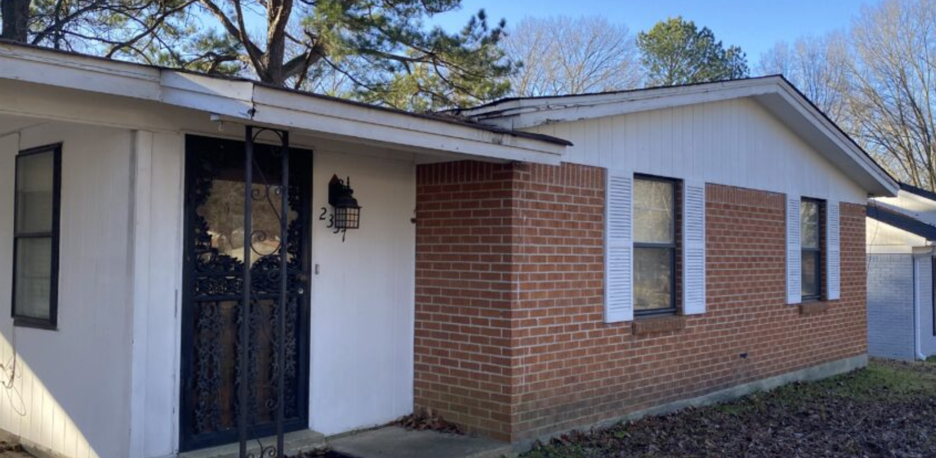
1 Year Performance Projection
Square Feet
Initial Market Value | $144,900
Purchase Price | $144,900
Downpayment | $28,980
Loan Origination Fees | $0
Depreciable Closing Costs | $4,347 | *Estimated closing costs
Other Closing Costs and Fixup
Initial Cash Invested | $33,327

Income | Monthly | Annual
Gross Rent | $1,295.00 | $15,540
Vacancy Losses | $0 | $0
Operating Income | $1,295 | $15,540

Expenses | Monthly | Annual
Property Taxes | ($100) | ($1,200)
Insurance | ($46) | ($550)
Management Fees | ($104) | ($1,640)
Leasing/Advertising Fees | $0 | $0
Association Fees | $0 | $0 | Cash Flow and Equity Accumulation | YEAR 1 | YEAR 2 | YEAR 3 | YEAR 4 | YEAR 5 | YEAR 10 | YEAR 20 | YEAR 30
Maintenance | $0 | $0 | Gross Scheduled Income | $15,540.00 | $16,006.20 | $16,486.39 | $16,980.98 | $17,490.41 | $20,276.18 | $27,249.48 | $36,621.03
Other |  | $0 | less Vacancy Allowance | $0.00 | $0.00 | $0.00 | $0.00 | $0.00 | $0.00 | $0.00 | $0.00
Operating Expenses | ($249) | ($3,390) | Total Operating Income | $15,540.00 | $16,006.20 | $16,486.39 | $16,980.98 | $17,490.41 | $20,276.18 | $27,249.48 | $36,621.03

Net Performance | Monthly | Annual | Property Taxes | $1,200.00 | $1,236.00 | $1,273.08 | $1,311.27 | $1,350.61 | $1,565.73 | $2,104.21 | $2,827.88
Net Operating Income | $1,046 | $12,150 | Insurance | $550.00 | $566.50 | $583.50 | $601.00 | $619.03 | $717.63 | $964.43 | $1,296.11
- Mortgage Payments | ($479) | ($5,753) | Homeowners Association | $0.00 | $0.00 | $0.00 | $0.00 | $0.00 | $0.00 | $0.00 | $0.00
= Cash Flow | $566 | $6,397 | Maintenance Reserve | $0.00 | $0.00 | $0.00 | $0.00 | $0.00 | $0.00 | $0.00 | $0.00
+ Principal Reduction | $128 | $1,530 | Property Management | $1,640.00 | $1,689.20 | $1,739.88 | $1,792.07 | $1,845.83 | $2,139.83 | $2,875.75 | $3,864.77
+ First-Year Appreciation | $604 | $7,245 | Other | $0.00 | $0.00 | $0.00 | $0.00 | $0.00 | $0.00 | $0.00 | $0.00
= Gross Equity Income | $1,297 | $15,569 | Total Operating Expenses | $3,390.00 | $3,491.70 | $3,596.45 | $3,704.34 | $3,815.47 | $4,423.18 | $5,944.39 | $7,988.76
+ Tax Savings | $88 | $1,054
= GEI w/Tax Savings | $1,385 | $16,623 | Net Operating Income (NOI) | $12,150.00 | $12,514.50 | $12,889.94 | $13,276.63 | $13,674.93 | $15,852.99 | $21,305.10 | $28,632.27
 |  |  | less Mortgage Expense | $5,752.75 | $5,752.75 | $5,752.75 | $5,752.75 | $5,752.75 | $5,752.75 | $5,752.75 | $5,752.75
Mortgage Info | First | Second | ANNUAL CASH FLOW | $6,397.25 | $6,761.75 | $7,137.19 | $7,523.88 | $7,922.18 | $10,100.25 | $15,552.35 | $22,879.52
Loan-to-Value Ratio | 80.0% | 0.0% | MONTHLY CASH FLOW | $533.10 | $563.48 | $594.77 | $626.99 | $660.18 | $841.69 | $1,296.03 | $1,906.63
Loan Amount | $115,920 | $0
Monthly Payment | ($479) | $0 | TAX BENEFITS | YEAR 1 | YEAR 2 | YEAR 3 | YEAR 4 | YEAR 5 | YEAR 10 | YEAR 20 | YEAR 30
Loan Type | Amortizing Fixed |  | Depreciation | $4,215.27 | $4,215.27 | $4,215.27 | $4,215.27 | $4,215.27 | $4,215.27 | $4,215.27 | $4,215.27
Term | 30 Years |  | Mortgage Interest | $3,271.47 | $3,199.83 | $3,126.11 | $3,050.27 | $2,972.23 | $2,546.93 | $1,491.21 | $87.83
Interest Rate | 2.85% | $0
Monthly PMI |  |  | EQUITY ACCUMULATION | YEAR 1 | YEAR 2 | YEAR 3 | YEAR 4 | YEAR 5 | YEAR 10 | YEAR 20 | YEAR 30
 |  |  | Property Value | $152,145.00 | $159,752.25 | $167,739.86 | $176,126.86 | $184,933.20 | $236,026.83 | $384,462.84 | $626,249.45
Assumptions |  |  | less Mortgage Balance | $113,438.73 | $110,885.81 | $108,259.17 | $105,556.69 | $102,776.17 | $87,621.88 | $49,139.80 | $0.00
Real Estate Appreciation Rate | 5.0% |  | EQUITY (WEALTH) | $38,706.27 | $48,866.44 | $59,480.69 | $70,570.17 | $82,157.03 | $148,404.95 | $335,323.04 | $626,249.45
Vacancy Rate | 0.0%
Management Fee | 8.0% |  | FINANCIAL PERFORMANCE | YEAR 1 | YEAR 2 | YEAR 3 | YEAR 4 | YEAR 5 | YEAR 10 | YEAR 20 | YEAR 30
Maintenance Percentage | 0.0% |  | Capitalization (Cap) Rate | 8.39% | 8.64% | 8.90% | 9.16% | 9.44% | 10.94% | 14.70% | 19.76%
Rental income increase | 3.00% |  | Cash on Cash Return (COC) | 19.20% | 20.29% | 21.42% | 22.58% | 23.77% | 30.31% | 46.67% | 68.65%
Appreciation | 5.00% |  | Return on Investment (ROI) | 41.63% | 73.15% | 106.06% | 140.43% | 176.33% | 381.29% | 957.62% | 1851.37%

Please consult CPA for Proper Tax Savings calculation as we cannot give Tax or Legal advice.
Returns estimates and are not guaranteed.
Taxes shown are estimated country rates
Insurance quotes shown are estimated average policy

