Sheet2
44.948 |  | 0.0067 - val_loss: 0.0074
 |  | Epoch 20000: early stopping
49.940 |  | Loss: 0.006718101445585489
 |  | Val_loss: 0.007447794079780579
54.927 |  | 2/2 [==============================] - 0s 0s/sample - loss: 0.0045
 |  | Test Score: 0.004500822629779577
59.911 |  | 16/16 [==============================] - 0s 126us/sample - loss: 0.0067
 |  | Train Score: 0.006708506960421801
64.902

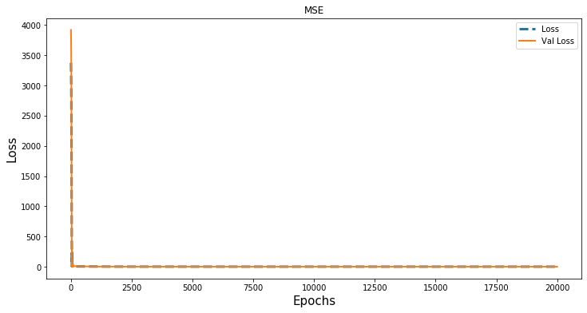
69.902

92.196

 | Loss: 2.3847294414736098e-06
 | Val_loss: 1.2749347661156207e-05
45.000 | 2/2 [==============================] - 0s 499us/sample - loss: 9.1622e-06
 | Test Score: 9.162191417999566e-06
50.003 | 16/16 [==============================] - 0s 0s/sample - loss: 3.6474e-06
 | Train Score: 3.647398443717975e-06
54.996
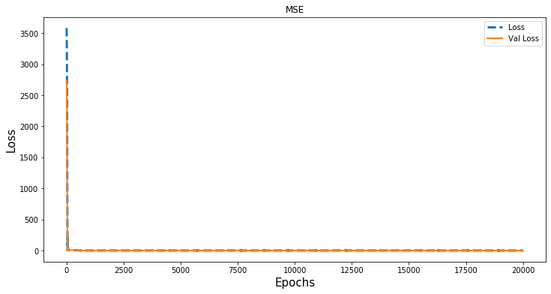
60.000

65.000

70.000

52.884

Sheet3
 | Loss: 2.8340895141809597e-07
 | Val_loss: 1.320673618465662e-06
 | 2/2 [==============================] - 0s 0s/sample - loss: 1.3207e-06
 | Test Score: 1.320673618465662e-06
 | 16/16 [==============================] - 0s 976us/sample - loss: 4.1160e-07
 | Train Score: 4.1160001273965463e-07

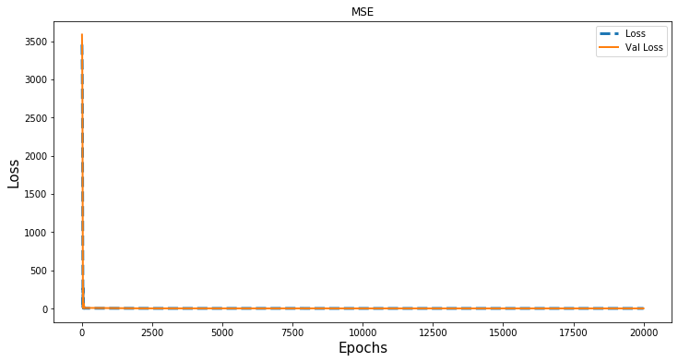
 | 45.00

 | 50.00

 | 55.00

 | 60.00

 | 65.00

 | 70.00

 | 61.16

 |  | Loss: 4.042761702294229e-06
 |  | Val_loss: 8.799848728813231e-06
 |  | 2/2 [==============================] - 0s 0s/sample - loss: 9.3220e-06
 |  | Test Score: 9.321993275079876e-06
 |  | 13/13 [==============================] - 0s 0s/sample - loss: 8.4321e-06
 |  | Train Score: 8.432082722720224e-06

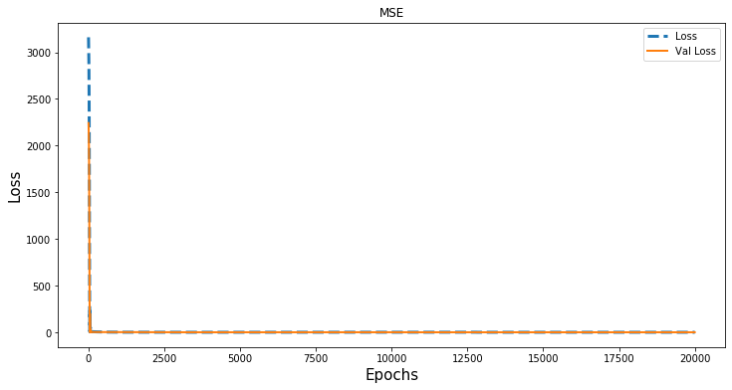

45.0023

50.0035

55.0024

60.0036

65.0025

90.8638

