Sheet2
 | Loss: 0.000474700442282483
45.019 | Val_loss: 0.0015923534519970417
 | 2/2 [==============================] - 0s 0s/sample - loss: 0.0022
50.022 | Test Score: 0.0022378088906407356
 | 16/16 [==============================] - 0s 62us/sample - loss: 9.2351e-04
55.026 | Train Score: 0.0009235122124664485

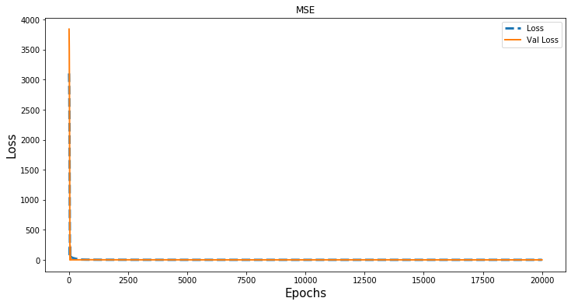
60.021

65.052

70.042

82.666

45.000 |  | Loss: 6.398269078999874e-07
 |  | Val_loss: 3.5474076867103577e-06
50.000 |  | 2/2 [==============================] - 0s 518us/sample - loss: 3.5303e-06
 |  | Test Score: 3.5302946344017982e-06
55.000 |  | 16/16 [==============================] - 0s 0s/sample - loss: 1.0021e-06
 |  | Train Score: 1.0021276466432028e-06
59.997
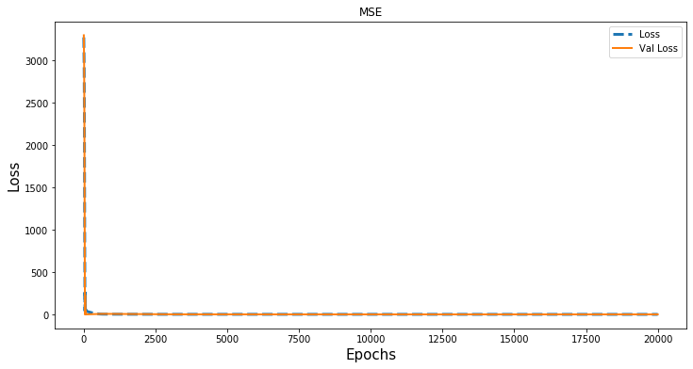
65.001

70.000

56.387

 | Loss: 0.04334527626633644
 | Val_loss: 0.06681105494499207
 | 2/2 [==============================] - 0s 0s/sample - loss: 0.0518
 | Test Score: 0.05176309496164322
 | 13/13 [==============================] - 0s 77us/sample - loss: 0.0672
 | Train Score: 0.06720581650733948

 |  | removing 70
4.52E+01
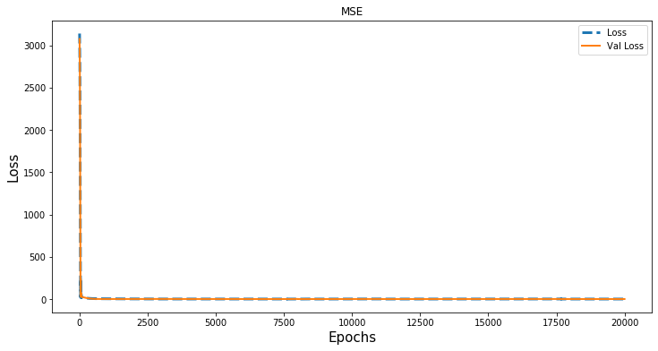
5.02E+01

5.53E+01

6.03E+01

6.53E+01

3.01E+01

5.60E+01

