1.10
1.10 Fragility is associated with coup events and particularly so in recent years

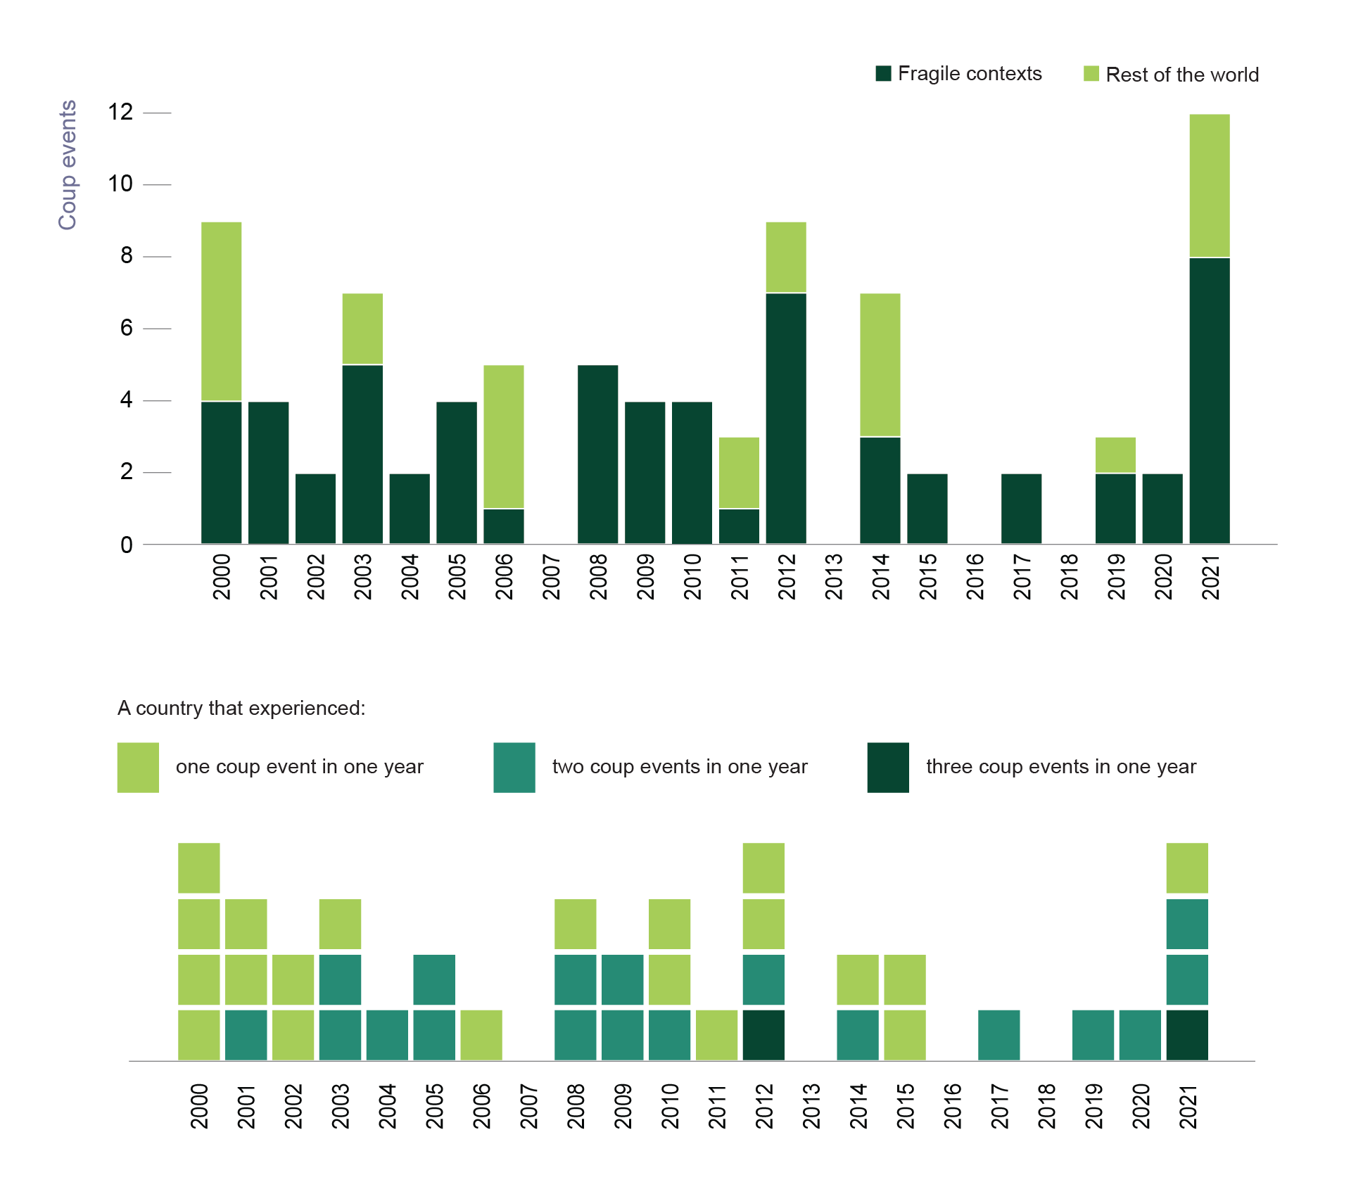

Source: Authors’ calculations based on Peyton et al. (2021[50]), Cline Center Coup D’état Project Dataset, https://doi.org/10.13012/B2IDB-9651987_V3.

year | fragility | number | year | number | countries
2000 | Fragile contexts | 4 | 2000 | 1 | 4
2000 | Rest of the world | 5 | 2001 | 1 | 2
2001 | Fragile contexts | 4 | 2001 | 2 | 1
2001 | Rest of the world | 0 | 2002 | 1 | 2
2002 | Fragile contexts | 2 | 2003 | 1 | 1
2002 | Rest of the world | 0 | 2003 | 2 | 2
2003 | Fragile contexts | 5 | 2004 | 2 | 1
2003 | Rest of the world | 2 | 2005 | 2 | 2
2004 | Fragile contexts | 2 | 2006 | 1 | 1
2004 | Rest of the world | 0 | 2008 | 1 | 1
2005 | Fragile contexts | 4 | 2008 | 2 | 2
2005 | Rest of the world | 0 | 2009 | 2 | 2
2006 | Fragile contexts | 1 | 2010 | 1 | 2
2006 | Rest of the world | 4 | 2010 | 2 | 1
2007 | Fragile contexts | 0 | 2011 | 1 | 1
2007 | Rest of the world | 0 | 2012 | 1 | 2
2008 | Fragile contexts | 5 | 2012 | 2 | 1
2008 | Rest of the world | 0 | 2012 | 3 | 1
2009 | Fragile contexts | 4 | 2014 | 1 | 1
2009 | Rest of the world | 0 | 2014 | 2 | 1
2010 | Fragile contexts | 4 | 2015 | 1 | 2
2010 | Rest of the world | 0 | 2017 | 2 | 1
2011 | Fragile contexts | 1 | 2019 | 2 | 1
2011 | Rest of the world | 2 | 2020 | 2 | 1
2012 | Fragile contexts | 7 | 2021 | 1 | 1
2012 | Rest of the world | 2 | 2021 | 2 | 2
2013 | Fragile contexts | 0 | 2021 | 3 | 1
2013 | Rest of the world | 0
2014 | Fragile contexts | 3
2014 | Rest of the world | 4
2015 | Fragile contexts | 2
2015 | Rest of the world | 0
2016 | Fragile contexts | 0
2016 | Rest of the world | 0
2017 | Fragile contexts | 2
2017 | Rest of the world | 0
2018 | Fragile contexts | 0
2018 | Rest of the world | 0
2019 | Fragile contexts | 2
2019 | Rest of the world | 1
2020 | Fragile contexts | 2
2020 | Rest of the world | 0
2021 | Fragile contexts | 8
2021 | Rest of the world | 4

