1.11
1.11 By 2030, 86% of the world’s extreme poor are projected to be living in fragile contexts, with extremely fragile contexts accounting for one out of every three people living in extreme poverty

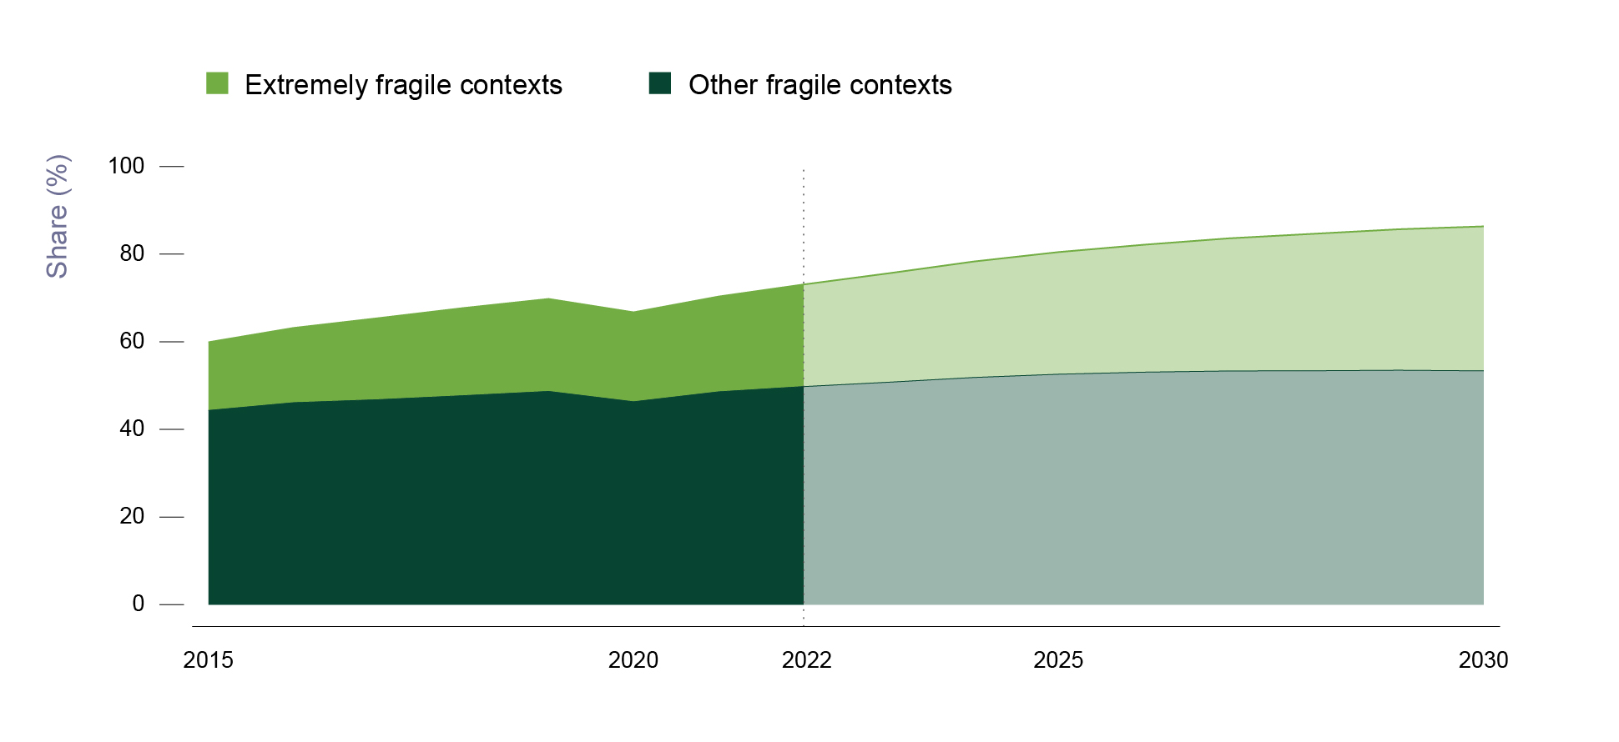

Notre: Estimates after 2022 are projections from the source data. This figure assumes the same cohort of 60 fragile contexts on the latest edition of the OECD’s multidimensional fragility framework.
Source: Authors’ calculations based on estimates in Gerszon Mahler et al. (2021[1]), “Updated estimates of the impact of COVID-19 on global poverty: Turning the corner on the pandemic in 2021?”, https://blogs.worldbank.org/opendata/updated-estimates-impact-covid-19-global-poverty-turning-corner-pandemic-2021.

year | group | poor19_share
2015 | Extremely fragile contexts | 15.573007716
2015 | Other fragile contexts | 44.326246622
2016 | Extremely fragile contexts | 17.061260348
2016 | Other fragile contexts | 46.095949589
2017 | Extremely fragile contexts | 18.610503055
2017 | Other fragile contexts | 46.786746605
2018 | Extremely fragile contexts | 20.005936446
2018 | Other fragile contexts | 47.700002071
2019 | Extremely fragile contexts | 21.109285834
2019 | Other fragile contexts | 48.672042231
2020 | Extremely fragile contexts | 20.419710858
2020 | Other fragile contexts | 46.309240652
2021 | Extremely fragile contexts | 21.74983862
2021 | Other fragile contexts | 48.574448859
2022 | Extremely fragile contexts | 23.30385049
2022 | Other fragile contexts | 49.775687221
2023 | Extremely fragile contexts | 24.860242603
2023 | Other fragile contexts | 50.773621787
2024 | Extremely fragile contexts | 26.46747767
2024 | Other fragile contexts | 51.852664637
2025 | Extremely fragile contexts | 27.879534819
2025 | Other fragile contexts | 52.599086053
2026 | Extremely fragile contexts | 29.084798091
2026 | Other fragile contexts | 53.066461302
2027 | Extremely fragile contexts | 30.269287431
2027 | Other fragile contexts | 53.342754168
2028 | Extremely fragile contexts | 31.265914068
2028 | Other fragile contexts | 53.388070635
2029 | Extremely fragile contexts | 32.181180303
2029 | Other fragile contexts | 53.507283116
2030 | Extremely fragile contexts | 32.977618734
2030 | Other fragile contexts | 53.364588614

