1.13
1.13 The gender digital divide within fragile contexts is significant, and men have greater access to the Internet than women in most contexts for which data are available

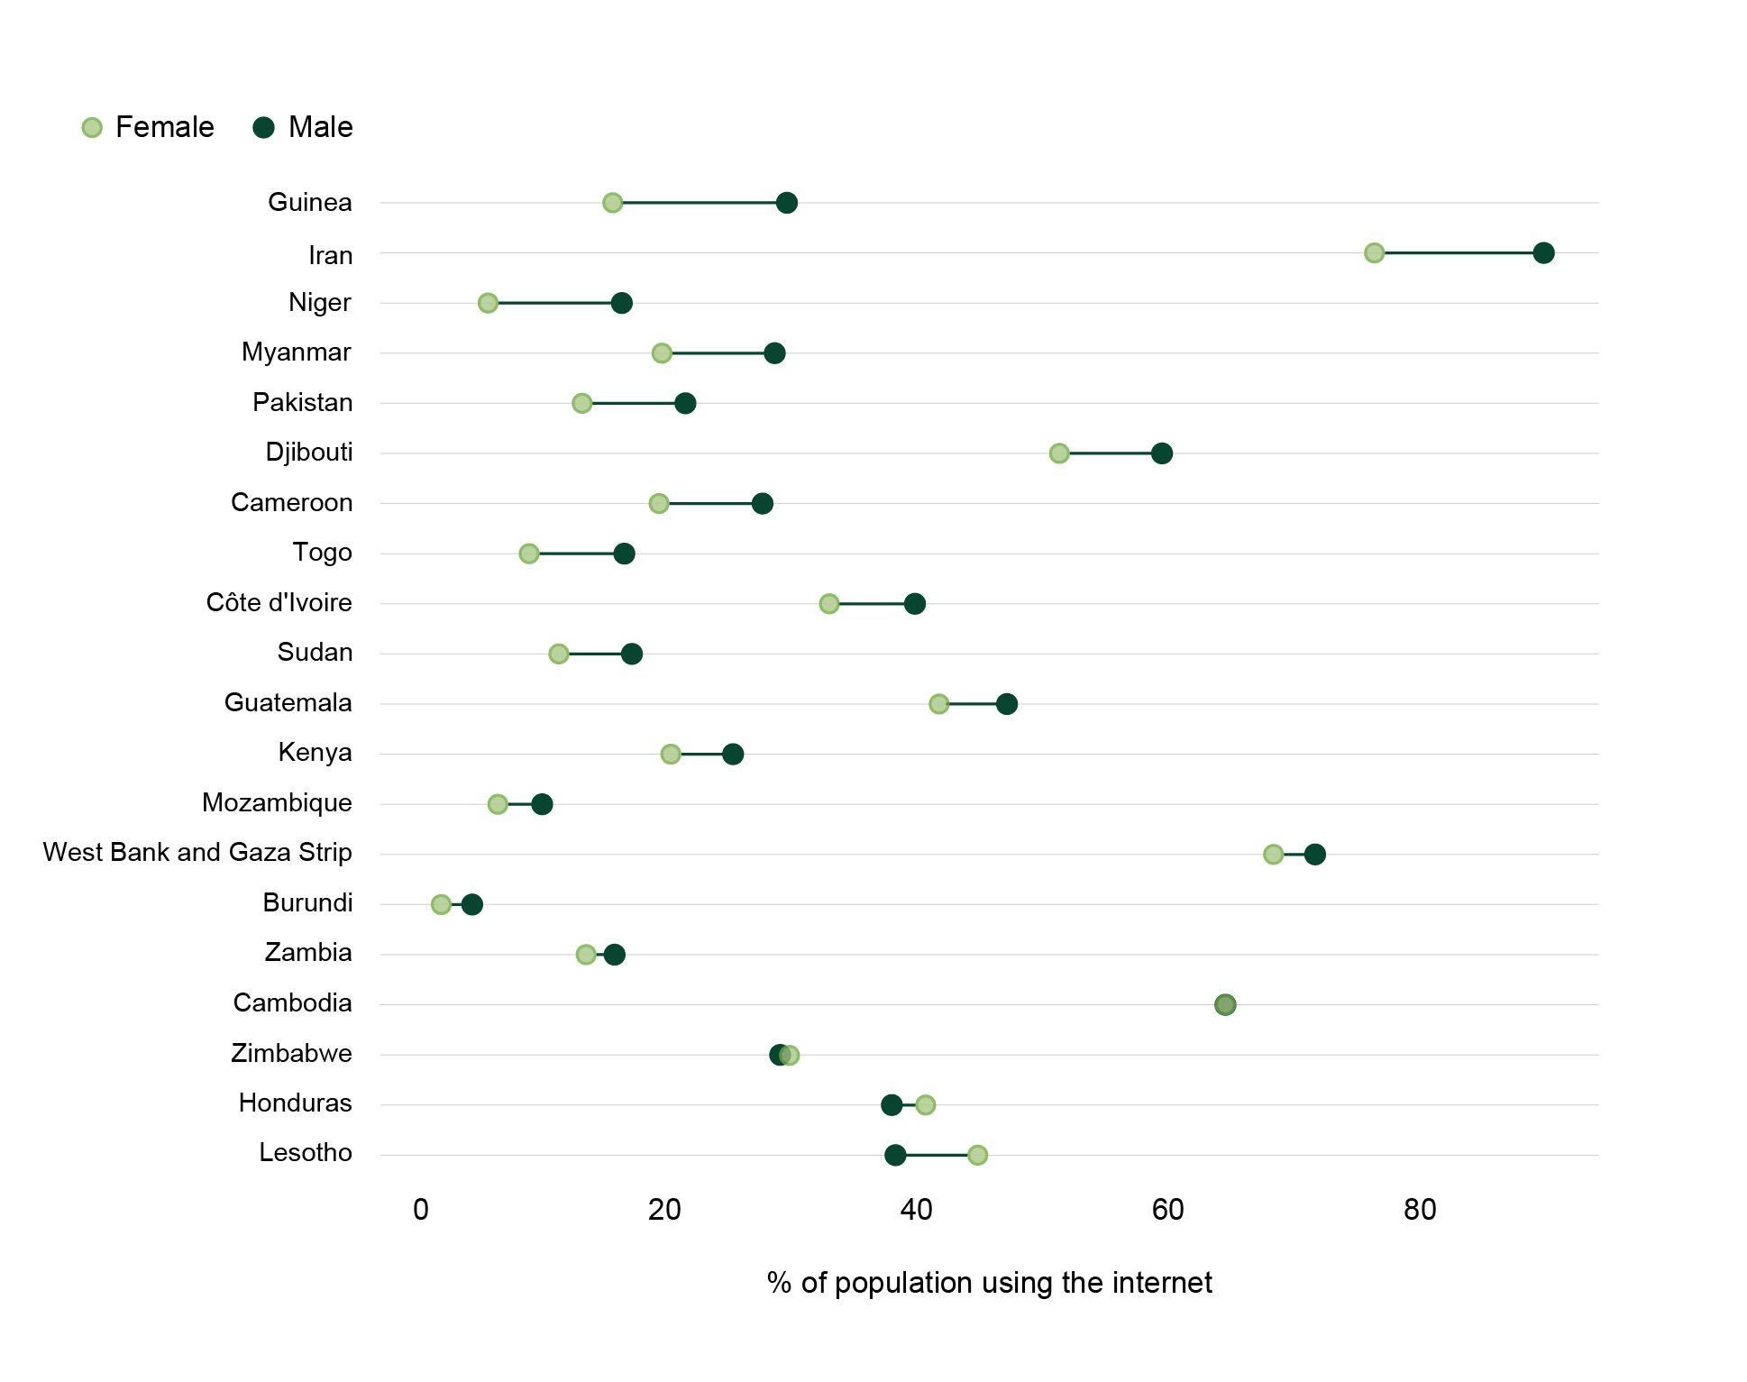

Note: In Cambodia, the proportions of male and female population using the Internet were both 65%. Only fragile contexts for which data were available for both men and women are included.
Source: World Bank (2022[80]), Individuals using the Internet, (% of population) (database), https://data.worldbank.org/indicator/IT.NET.USER.ZS

economy_name | gender | value | gender_gap
Burundi | Male | 3.9 | 2.4
Burundi | Female | 1.5 | 2.4
Cambodia | Male | 65 | 0
Cambodia | Female | 65 | 0
Cameroon | Male | 27.4 | 8.2
Cameroon | Female | 19.2 | 8.2
Côte d'Ivoire | Male | 39.8 | 6.9
Côte d'Ivoire | Female | 32.9 | 6.9
Djibouti | Male | 59.9 | 8.3
Djibouti | Female | 51.6 | 8.3
Guatemala | Male | 47.3 | 5.5
Guatemala | Female | 41.8 | 5.5
Guinea | Male | 29.4 | 14
Guinea | Female | 15.4 | 14
Honduras | Male | 38 | -2.7
Honduras | Female | 40.7 | -2.7
Iran (Islamic Republic of) | Male | 90.9 | 13.8
Iran (Islamic Republic of) | Female | 77.1 | 13.8
Kenya | Male | 25.1 | 5
Kenya | Female | 20.1 | 5
Lesotho | Male | 38.3 | -6.6
Lesotho | Female | 44.9 | -6.6
Mozambique | Male | 9.6 | 3.5
Mozambique | Female | 6.1 | 3.5
Myanmar | Male | 28.6 | 9.2
Myanmar | Female | 19.4 | 9.2
Niger | Male | 16 | 10.7
Niger | Female | 5.3 | 10.7
Pakistan | Male | 21.3 | 8.4
Pakistan | Female | 12.9 | 8.4
Palestine | Male | 72.3 | 3.4
Palestine | Female | 68.9 | 3.4
Sudan | Male | 16.9 | 5.9
Sudan | Female | 11 | 5.9
Togo | Male | 16.3 | 7.7
Togo | Female | 8.6 | 7.7
Zambia | Male | 15.5 | 2.3
Zambia | Female | 13.2 | 2.3
Zimbabwe | Male | 28.9 | -0.8
Zimbabwe | Female | 29.7 | -0.8

