1.15
1.14 Fragile contexts generate forced displacement and host refugees and internally displaced persons

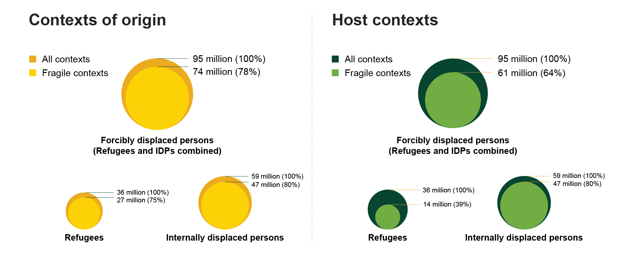

Note: Forced displacement refers to the totality of IDPs and refugees at the end of 2021, including the following population groups: refugees, asylum seekers, Venezuelans displaced abroad, refugees under the UN Relief and Works Agency for Palestine Refugees in the Near East mandate, conflict IDPs and disaster-related IDPs.
Source: International Displacement Monitoring Centre (2022[108]) “Global Internal Displacement database”, https://www.internal-displacement.org/database/displacement-data; UNHCR (2022[109]) “Refugee Data Finder”, https://www.unhcr.org/refugee-statistics/download/?url=2z1B08

Origin |  |  |  | Host
type | group | number | proportion | type | group | number | proportion
Forcibly displaced persons | Fragile contexts | 74456307 | 78.2 | Forcibly displaced persons | Fragile contexts | 61277913 | 64.3
Forcibly displaced persons | Rest of the World | 20769831 | 21.8 | Forcibly displaced persons | Rest of the World | 33948225 | 35.7
Refugees | Fragile contexts | 27150485 | 75.1 | Refugees | Fragile contexts | 13972091 | 38.7
Refugees | Rest of the World | 8998993 | 24.9 | Refugees | Rest of the World | 22177387 | 61.3
Internally displaced persons | Fragile | 47305822 | 80.1 | Internally displaced persons | Fragile | 47305822 | 80.1
Internally displaced persons | Rest of the World | 11770838 | 19.9 | Internally displaced persons | Rest of the World | 11770838 | 19.9

