1.2
1.2 Deaths from violent conflict increased sharply from 2020 to 2021 in fragile contexts, reversing a declining trend

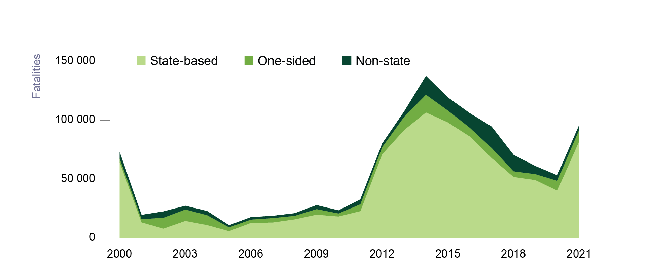

Note: The Uppsala Conflict Data Program definitions of state-based, one-sided and non-state violent conflict are available at https://www.pcr.uu.se/research/ucdp/definitions/.
Source: Davies, Pettersson and Öberg (2022[21]), “Organized violence 1989-2021 and drone warfare”, https://doi.org/10.1177/00223433221108428; Sundberg and Melander (2013[23]), "Introducing the UCDP Georeferenced Event Dataset”, https://doi.org/10.1177%2F0022343313484347.

year | type_of_violence | number
2000 | Non-state | 5436
2000 | One-sided | 3167
2000 | State-based | 64312
2001 | Non-state | 3550
2001 | One-sided | 2739
2001 | State-based | 13308
2002 | Non-state | 5295
2002 | One-sided | 9190
2002 | State-based | 8032
2003 | Non-state | 3206
2003 | One-sided | 9661
2003 | State-based | 14535
2004 | Non-state | 3441
2004 | One-sided | 8360
2004 | State-based | 11006
2005 | Non-state | 1718
2005 | One-sided | 3226
2005 | State-based | 5913
2006 | Non-state | 2056
2006 | One-sided | 2765
2006 | State-based | 12889
2007 | Non-state | 1891
2007 | One-sided | 3721
2007 | State-based | 13213
2008 | Non-state | 2168
2008 | One-sided | 2999
2008 | State-based | 15850
2009 | Non-state | 3432
2009 | One-sided | 4721
2009 | State-based | 19792
2010 | Non-state | 2573
2010 | One-sided | 2558
2010 | State-based | 18266
2011 | Non-state | 4073
2011 | One-sided | 5932
2011 | State-based | 22786
2012 | Non-state | 2992
2012 | One-sided | 6079
2012 | State-based | 71150
2013 | Non-state | 4504
2013 | One-sided | 11236
2013 | State-based | 91643
2014 | Non-state | 15893
2014 | One-sided | 15035
2014 | State-based | 106642
2015 | Non-state | 11027
2015 | One-sided | 10156
2015 | State-based | 98141
2016 | Non-state | 12320
2016 | One-sided | 7459
2016 | State-based | 86232
2017 | Non-state | 18047
2017 | One-sided | 8569
2017 | State-based | 67961
2018 | Non-state | 14002
2018 | One-sided | 4774
2018 | State-based | 51892
2019 | Non-state | 6801
2019 | One-sided | 5028
2019 | State-based | 49221
2020 | Non-state | 4582
2020 | One-sided | 8371
2020 | State-based | 40270
2021 | Non-state | 3916
2021 | One-sided | 9865
2021 | State-based | 82132

