1.5
1.3 Though fragility is global, it is concentrated in the 60 fragile contexts across its six dimensions

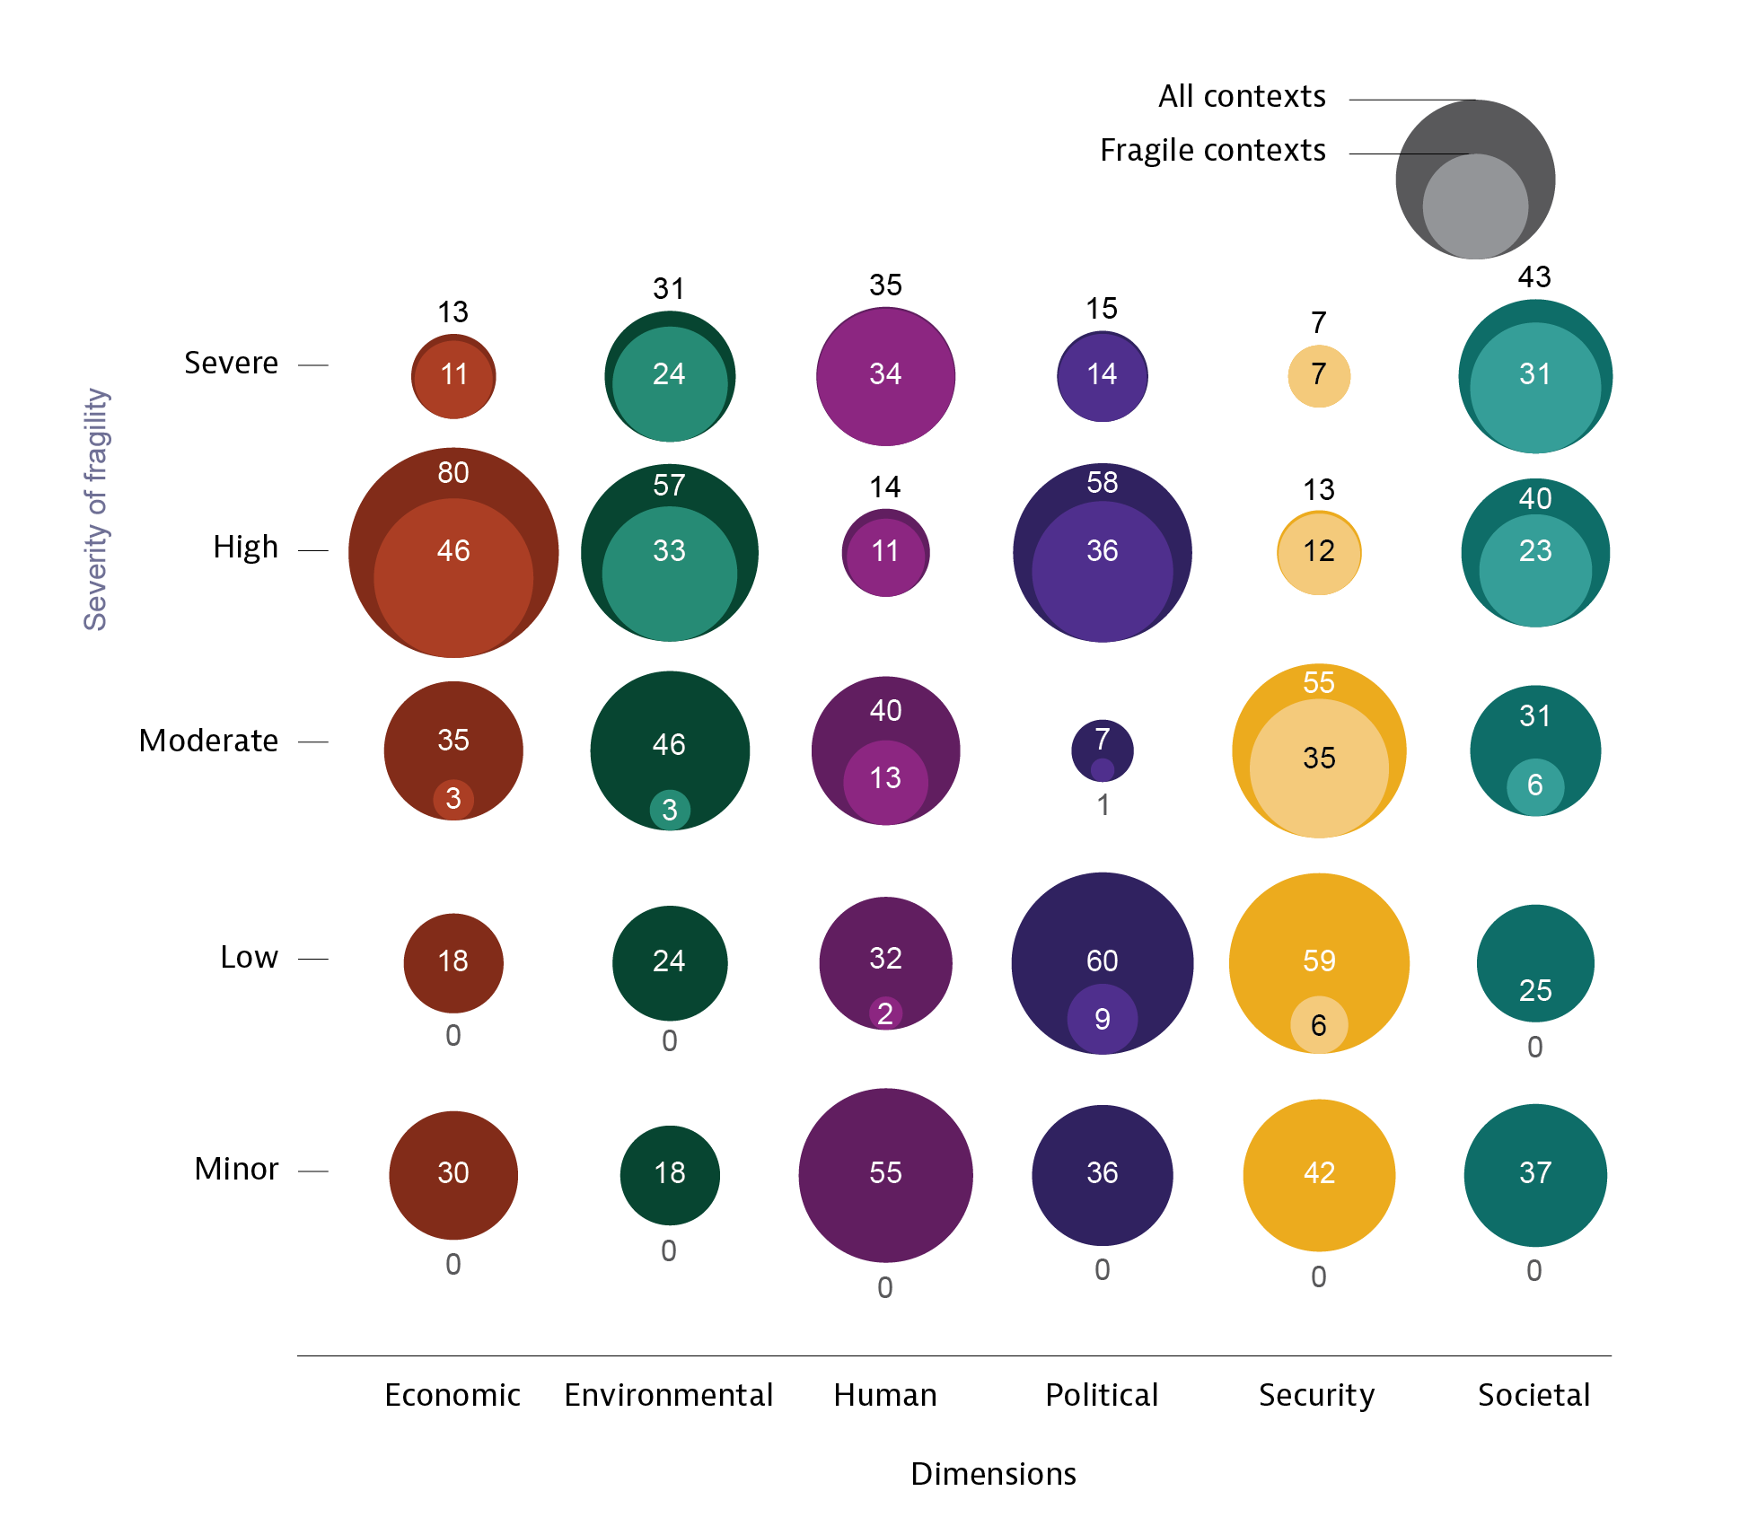

Note: For further information on the methodology for clustering countries and contexts according to their degree of fragility, see oe.cd/states-of-fragility-platform.

dimension | degree_of_fragility | number_of_contexts
Economic | High | 80
Economic | Low | 18
Economic | Minor | 30
Economic | Moderate | 35
Economic | Severe | 13
Environmental | High | 17
Environmental | Low | 22
Environmental | Minor | 26
Environmental | Moderate | 59
Environmental | Severe | 52
Human | High | 14
Human | Low | 35
Human | Minor | 55
Human | Moderate | 37
Human | Severe | 35
Political | High | 58
Political | Low | 60
Political | Minor | 36
Political | Moderate | 7
Political | Severe | 15
Security | High | 13
Security | Low | 59
Security | Minor | 42
Security | Moderate | 55
Security | Severe | 7
Societal | High | 40
Societal | Low | 29
Societal | Minor | 33
Societal | Moderate | 31
Societal | Severe | 43

