g1.4
1.4 Fragility increased systematically in fragile contexts from 2019 to 2021 across all six dimensions

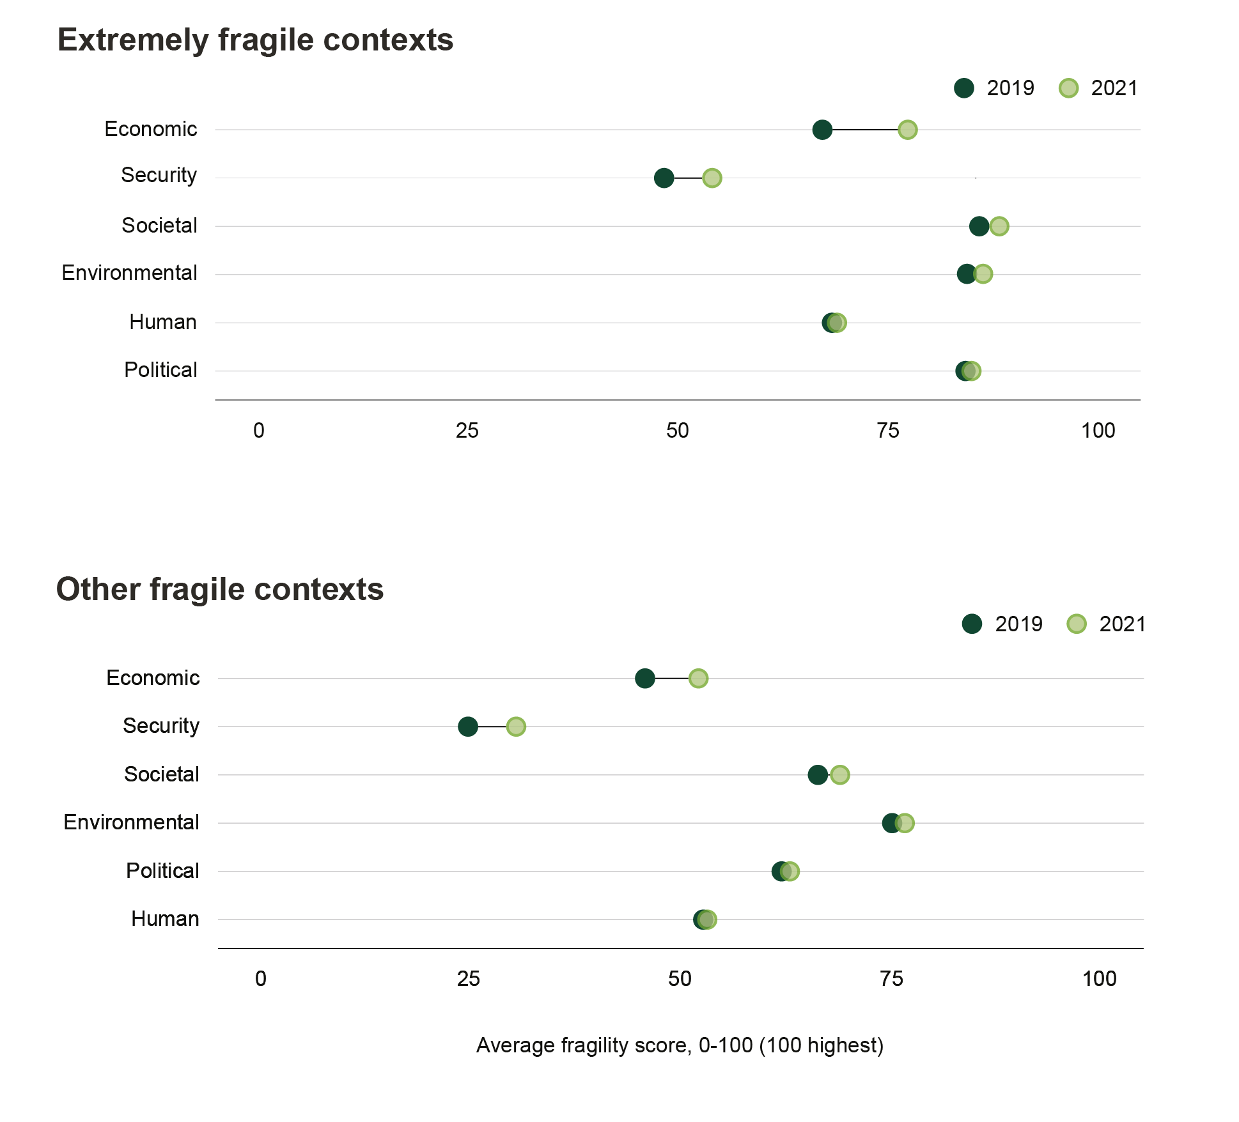

Note: The fragility score for each dimension is calculated using a weighted average (by population) of the fragility scores of the countries and territories in each grouping. Dimensions are ordered by the magnitude of change within each grouping of fragile contexts, by descending order.
Source: UN DESA (2019[2]), 2019 Revision of World Population Prospects (database), https://population.un.org/wpp/.

Extremely fragile contexts |  |  | Other fragile contexts
dimension | year | value | dimension | year | value
Political | 2019 | 84.489152 | Human | 2019 | 52.64872448
Political | 2021 | 84.6155632 | Human | 2021 | 52.93377812
Human | 2019 | 68.6712651 | Political | 2019 | 61.998838761
Human | 2021 | 68.9569623 | Political | 2021 | 62.980005727
Environmental | 2019 | 84.3788636 | Environmental | 2019 | 75.121617399
Environmental | 2021 | 86.1904407 | Environmental | 2021 | 76.203256986
Societal | 2019 | 85.8807087 | Societal | 2019 | 66.340755471
Societal | 2021 | 88.0581429 | Societal | 2021 | 68.764743123
Security | 2019 | 48.1341577 | Security | 2019 | 24.271844874
Security | 2021 | 54.0943722 | Security | 2021 | 29.829345555
Economic | 2019 | 67.1253504 | Economic | 2019 | 45.772303431
Economic | 2021 | 77.2603465 | Economic | 2021 | 52.126185235

