1.5
1.5 Across dimensions at the context level, there were significant oscillations in fragility from 2019 to 2021 even as fragility increased on average in extremely fragile contexts

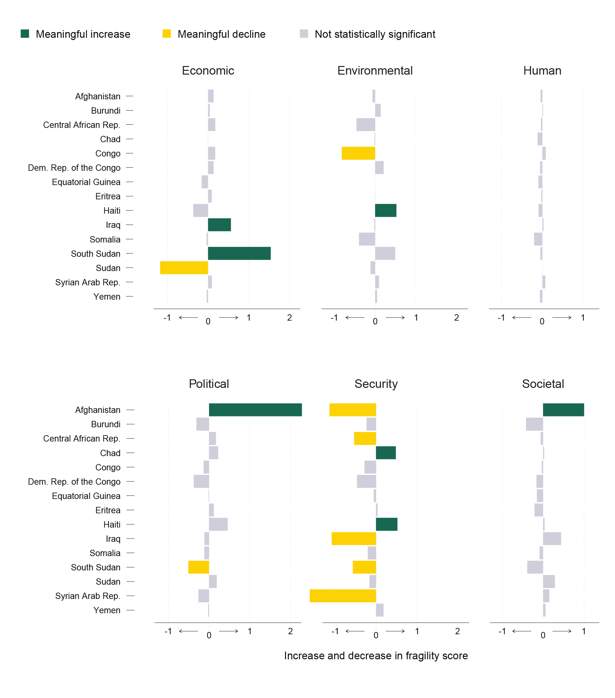

Note: This figure depicts the change in the fragility score across all dimensions of the 15 extremely fragile contexts on the 2022 edition of the OECD’s multidimensional fragility framework. A meaningful increase/decline represents an increase/decline in the fragility score from 2019 to 2021 of 0.5 points or more.

country | dimension | absolute.diff
Afghanistan | Political | -2.252
South Sudan | Economic | -1.523
Afghanistan | Societal | -0.995
Haiti | Security | -0.589
Iraq | Economic | -0.557
Chad | Security | -0.54
Haiti | Environmental | -0.519
South Sudan | Environmental | -0.49
Haiti | Political | -0.451
Iraq | Societal | -0.436
Sudan | Societal | -0.286
Chad | Political | -0.222
Dem. Rep. of the Congo | Environmental | -0.207
Yemen | Security | -0.207
Sudan | Political | -0.186
Central African Rep. | Economic | -0.175
Congo | Economic | -0.174
Central African Rep. | Political | -0.165
Syrian Arab Rep. | Societal | -0.143
Burundi | Environmental | -0.135
Dem. Rep. of the Congo | Economic | -0.133
Afghanistan | Economic | -0.132
Eritrea | Political | -0.112
Syrian Arab Rep. | Economic | -0.094
Syrian Arab Rep. | Environmental | -0.094
Eritrea | Economic | -0.092
Congo | Human | -0.083
Syrian Arab Rep. | Human | -0.071
Yemen | Societal | -0.058
Yemen | Environmental | -0.046
Burundi | Economic | -0.043
Eritrea | Security | -0.039
Haiti | Societal | -0.038
Iraq | Human | -0.027
Chad | Societal | -0.025
Burundi | Human | -0.016
Sudan | Human | -0.001
Equatorial Guinea | Environmental | 0.001
Eritrea | Environmental | 0.002
Chad | Economic | 0.004
Equatorial Guinea | Political | 0.012
Chad | Environmental | 0.013
Iraq | Environmental | 0.019
Yemen | Political | 0.022
Eritrea | Human | 0.027
Central African Rep. | Human | 0.034
Yemen | Economic | 0.034
Somalia | Economic | 0.035
Congo | Societal | 0.037
Afghanistan | Human | 0.044
South Sudan | Human | 0.048
Central African Rep. | Societal | 0.053
Dem. Rep. of the Congo | Human | 0.055
Equatorial Guinea | Security | 0.06
Yemen | Human | 0.06
Afghanistan | Environmental | 0.063
Somalia | Societal | 0.086
Haiti | Human | 0.093
Equatorial Guinea | Human | 0.095
Iraq | Political | 0.114
Sudan | Environmental | 0.114
Somalia | Political | 0.115
Chad | Human | 0.115
Congo | Political | 0.133
Equatorial Guinea | Societal | 0.15
Equatorial Guinea | Economic | 0.154
Dem. Rep. of the Congo | Societal | 0.158
Sudan | Security | 0.17
Somalia | Human | 0.202
Eritrea | Societal | 0.208
Somalia | Security | 0.218
Burundi | Security | 0.243
Syrian Arab Rep. | Political | 0.258
Congo | Security | 0.293
Burundi | Political | 0.306
Haiti | Economic | 0.361
Dem. Rep. of the Congo | Political | 0.372
South Sudan | Societal | 0.381
Somalia | Environmental | 0.396
Burundi | Societal | 0.411
Central African Rep. | Environmental | 0.455
Dem. Rep. of the Congo | Security | 0.488
South Sudan | Political | 0.502
Central African Rep. | Security | 0.562
South Sudan | Security | 0.594
Congo | Environmental | 0.813
Sudan | Economic | 1.165
Iraq | Security | 1.288
Afghanistan | Security | 1.368
Syrian Arab Rep. | Security | 2.396

