1.8
1.8 The percentage of people who feel less safe in 2019 than they did in 2014 varies across fragile contexts, underscoring that fragility and conflict, while related, are not synonymous

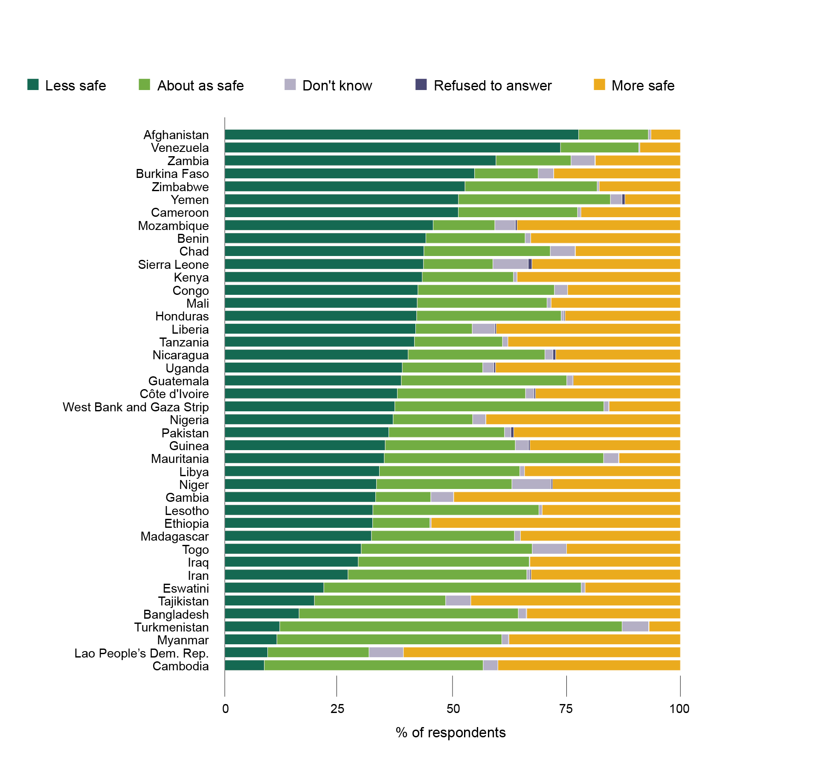

Notes: Estimates are based on a survey of over 150,000 interviews across 142 countries in 2019; the figure only shows fragile contexts for which sufficient data were available for analysis.
Source: Lloyd’s Register Foundation (2021[37]), “World Risk Poll 2021”, https://wrp.lrfoundation.org.uk/data-resources/.

iso3c | response | proportion | name_in_lists
AFG | More safe | 6.4834106733 | Afghanistan
AFG | Less safe | 77.66583897 | Afghanistan
AFG | About as safe | 15.299345135 | Afghanistan
AFG | Don't know | 0.55140522163 | Afghanistan
AFG | Refused to answer |  | Afghanistan
VEN | More safe | 8.8898029789 | Venezuela
VEN | Less safe | 73.685593598 | Venezuela
VEN | About as safe | 17.190030239 | Venezuela
VEN | Don't know | 0.21078259298 | Venezuela
VEN | Refused to answer | 0.023790591426 | Venezuela
ZMB | More safe | 18.681322316 | Zambia
ZMB | Less safe | 59.541907785 | Zambia
ZMB | About as safe | 16.473346341 | Zambia
ZMB | Don't know | 5.2226120034 | Zambia
ZMB | Refused to answer | 0.080811555791 | Zambia
BFA | More safe | 27.791069863 | Burkina Faso
BFA | Less safe | 54.83125377 | Burkina Faso
BFA | About as safe | 13.959009023 | Burkina Faso
BFA | Don't know | 3.3686017585 | Burkina Faso
BFA | Refused to answer | 0.050065585777 | Burkina Faso
ZWE | More safe | 17.835663964 | Zimbabwe
ZWE | Less safe | 52.728041554 | Zimbabwe
ZWE | About as safe | 29.024275698 | Zimbabwe
ZWE | Don't know | 0.41201878365 | Zimbabwe
ZWE | Refused to answer |  | Zimbabwe
YEM | More safe | 12.197386257 | Yemen
YEM | Less safe | 51.294104892 | Yemen
YEM | About as safe | 33.349974248 | Yemen
YEM | Don't know | 2.5190939329 | Yemen
YEM | Refused to answer | 0.63944066903 | Yemen
CMR | More safe | 21.844121517 | Cameroon
CMR | Less safe | 51.252657217 | Cameroon
CMR | About as safe | 26.185189741 | Cameroon
CMR | Don't know | 0.58876476146 | Cameroon
CMR | Refused to answer | 0.12926676313 | Cameroon
MOZ | More safe | 35.86627141 | Mozambique
MOZ | Less safe | 45.722762598 | Mozambique
MOZ | About as safe | 13.555548515 | Mozambique
MOZ | Don't know | 4.4834296993 | Mozambique
MOZ | Refused to answer | 0.37198777772 | Mozambique
BEN | More safe | 32.871996663 | Benin
BEN | Less safe | 44.145080089 | Benin
BEN | About as safe | 21.78513605 | Benin
BEN | Don't know | 1.1977871981 | Benin
BEN | Refused to answer |  | Benin
TCD | More safe | 23.061612218 | Chad
TCD | Less safe | 43.723627115 | Chad
TCD | About as safe | 27.726080733 | Chad
TCD | Don't know | 5.4334410862 | Chad
TCD | Refused to answer | 0.055238847285 | Chad
SLE | More safe | 32.605440149 | Sierra Leone
SLE | Less safe | 43.622684216 | Sierra Leone
SLE | About as safe | 15.226986958 | Sierra Leone
SLE | Don't know | 7.7593611063 | Sierra Leone
SLE | Refused to answer | 0.78552756993 | Sierra Leone
KEN | More safe | 35.83117826 | Kenya
KEN | Less safe | 43.349592046 | Kenya
KEN | About as safe | 20.028679236 | Kenya
KEN | Don't know | 0.74348756852 | Kenya
KEN | Refused to answer | 0.04706288973 | Kenya
COG | More safe | 24.771865171 | Congo
COG | Less safe | 42.399199766 | Congo
COG | About as safe | 29.962478157 | Congo
COG | Don't know | 2.8664569065 | Congo
COG | Refused to answer |  | Congo
MLI | More safe | 28.397031369 | Mali
MLI | Less safe | 42.23895429 | Mali
MLI | About as safe | 28.486377548 | Mali
MLI | Don't know | 0.87763679231 | Mali
MLI | Refused to answer |  | Mali
HND | More safe | 25.331269796 | Honduras
HND | Less safe | 42.123965074 | Honduras
HND | About as safe | 31.70934494 | Honduras
HND | Don't know | 0.61366823279 | Honduras
HND | Refused to answer | 0.22175195629 | Honduras
LBR | More safe | 40.432414096 | Liberia
LBR | Less safe | 41.880107402 | Liberia
LBR | About as safe | 12.439048314 | Liberia
LBR | Don't know | 4.946247451 | Liberia
LBR | Refused to answer | 0.30218273659 | Liberia
TZA | More safe | 37.861325605 | Tanzania
TZA | Less safe | 41.635860409 | Tanzania
TZA | About as safe | 19.317781238 | Tanzania
TZA | Don't know | 1.1850327476 | Tanzania
TZA | Refused to answer |  | Tanzania
NIC | More safe | 27.386540741 | Nicaragua
NIC | Less safe | 40.238368462 | Nicaragua
NIC | About as safe | 30.033557763 | Nicaragua
NIC | Don't know | 1.730466405 | Nicaragua
NIC | Refused to answer | 0.611066629 | Nicaragua
UGA | More safe | 40.589441439 | Uganda
UGA | Less safe | 38.958910752 | Uganda
UGA | About as safe | 17.663169147 | Uganda
UGA | Don't know | 2.4279298353 | Uganda
UGA | Refused to answer | 0.36054882591 | Uganda
GTM | More safe | 23.523086235 | Guatemala
GTM | Less safe | 38.742462512 | Guatemala
GTM | About as safe | 36.321005585 | Guatemala
GTM | Don't know | 1.2629807544 | Guatemala
GTM | Refused to answer | 0.15046491369 | Guatemala
CIV | More safe | 31.799932822 | Côte d’Ivoire
CIV | Less safe | 37.861558108 | Côte d’Ivoire
CIV | About as safe | 28.154517214 | Côte d’Ivoire
CIV | Don't know | 1.8461316903 | Côte d’Ivoire
CIV | Refused to answer | 0.33786016526 | Côte d’Ivoire
PSE | More safe | 15.649048589 | West Bank and Gaza Strip
PSE | Less safe | 37.331297267 | West Bank and Gaza Strip
PSE | About as safe | 45.874042575 | West Bank and Gaza Strip
PSE | Don't know | 1.0402919528 | West Bank and Gaza Strip
PSE | Refused to answer | 0.10531961558 | West Bank and Gaza Strip
NGA | More safe | 42.696925379 | Nigeria
NGA | Less safe | 36.957615972 | Nigeria
NGA | About as safe | 17.44691677 | Nigeria
NGA | Don't know | 2.8519617795 | Nigeria
NGA | Refused to answer | 0.046580099256 | Nigeria
PAK | More safe | 36.585278785 | Pakistan
PAK | Less safe | 35.983179539 | Pakistan
PAK | About as safe | 25.424974027 | Pakistan
PAK | Don't know | 1.3733929372 | Pakistan
PAK | Refused to answer | 0.63317471245 | Pakistan
GIN | More safe | 33.046533887 | Guinea
GIN | Less safe | 35.21444167 | Guinea
GIN | About as safe | 28.547885819 | Guinea
GIN | Don't know | 2.8788343373 | Guinea
GIN | Refused to answer | 0.31230428671 | Guinea
MRT | More safe | 13.462377026 | Mauritania
MRT | Less safe | 34.999655531 | Mauritania
MRT | About as safe | 48.134045275 | Mauritania
MRT | Don't know | 3.2820448734 | Mauritania
MRT | Refused to answer | 0.12187729409 | Mauritania
LBY | More safe | 34.214547695 | Libya
LBY | Less safe | 33.939313201 | Libya
LBY | About as safe | 30.81046224 | Libya
LBY | Don't know | 1.0356768637 | Libya
LBY | Refused to answer |  | Libya
NER | More safe | 28.084615952 | Niger
NER | Less safe | 33.306132013 | Niger
NER | About as safe | 29.722759258 | Niger
NER | Don't know | 8.6071778959 | Niger
NER | Refused to answer | 0.27931488058 | Niger
GMB | More safe | 49.755153073 | Gambia
GMB | Less safe | 33.107958039 | Gambia
GMB | About as safe | 12.115781471 | Gambia
GMB | Don't know | 4.9631525639 | Gambia
GMB | Refused to answer | 0.057954853263 | Gambia
LSO | More safe | 30.366239542 | Lesotho
LSO | Less safe | 32.504635365 | Lesotho
LSO | About as safe | 36.440531245 | Lesotho
LSO | Don't know | 0.68859384819 | Lesotho
LSO | Refused to answer |  | Lesotho
ETH | More safe | 54.706918898 | Ethiopia
ETH | Less safe | 32.462960856 | Ethiopia
ETH | About as safe | 12.560079426 | Ethiopia
ETH | Don't know | 0.27004081906 | Ethiopia
ETH | Refused to answer |  | Ethiopia
MDG | More safe | 35.119891487 | Madagascar
MDG | Less safe | 32.202455326 | Madagascar
MDG | About as safe | 31.370094662 | Madagascar
MDG | Don't know | 1.3075585249 | Madagascar
MDG | Refused to answer |  | Madagascar
TGO | More safe | 24.986287175 | Togo
TGO | Less safe | 29.962201351 | Togo
TGO | About as safe | 37.524464995 | Togo
TGO | Don't know | 7.52704648 | Togo
TGO | Refused to answer |  | Togo
IRQ | More safe | 33.018621998 | Iraq
IRQ | Less safe | 29.291724129 | Iraq
IRQ | About as safe | 37.551028804 | Iraq
IRQ | Don't know | 0.1386250687 | Iraq
IRQ | Refused to answer |  | Iraq
IRN | More safe | 32.794488495 | Iran
IRN | Less safe | 27.059030021 | Iran
IRN | About as safe | 39.241492745 | Iran
IRN | Don't know | 0.65162816757 | Iran
IRN | Refused to answer | 0.25336057178 | Iran
SWZ | More safe | 20.932761168 | Eswatini
SWZ | Less safe | 21.747283968 | Eswatini
SWZ | About as safe | 56.494060876 | Eswatini
SWZ | Don't know | 0.82589398733 | Eswatini
SWZ | Refused to answer |  | Eswatini
TJK | More safe | 46.008542217 | Tajikistan
TJK | Less safe | 19.673310529 | Tajikistan
TJK | About as safe | 28.82212261 | Tajikistan
TJK | Don't know | 5.4960246433 | Tajikistan
TJK | Refused to answer |  | Tajikistan
BGD | More safe | 33.73917183 | Bangladesh
BGD | Less safe | 16.312196752 | Bangladesh
BGD | About as safe | 48.102623031 | Bangladesh
BGD | Don't know | 1.7286116585 | Bangladesh
BGD | Refused to answer | 0.11739672875 | Bangladesh
TKM | More safe | 6.8784254935 | Turkmenistan
TKM | Less safe | 12.079763119 | Turkmenistan
TKM | About as safe | 75.119031382 | Turkmenistan
TKM | Don't know | 5.8259250972 | Turkmenistan
TKM | Refused to answer | 0.096854908001 | Turkmenistan
MMR | More safe | 37.628718242 | Myanmar
MMR | Less safe | 11.436595231 | Myanmar
MMR | About as safe | 49.349406878 | Myanmar
MMR | Don't know | 1.4716988092 | Myanmar
MMR | Refused to answer | 0.11358083915 | Myanmar
LAO | More safe | 60.79470716 | Lao People’s Dem. Rep.
LAO | Less safe | 9.4105404832 | Lao People’s Dem. Rep.
LAO | About as safe | 22.240996781 | Lao People’s Dem. Rep.
LAO | Don't know | 7.5537555756 | Lao People’s Dem. Rep.
LAO | Refused to answer |  | Lao People’s Dem. Rep.
KHM | More safe | 40.072053296 | Cambodia
KHM | Less safe | 8.6780195023 | Cambodia
KHM | About as safe | 48.039892925 | Cambodia
KHM | Don't know | 3.2100342769 | Cambodia
KHM | Refused to answer |  | Cambodia

