1.9
1.9 Volatile protest events from 2019 to 2022 reflect, in part, underlying fragilities and reaction to COVID-19 movement restrictions

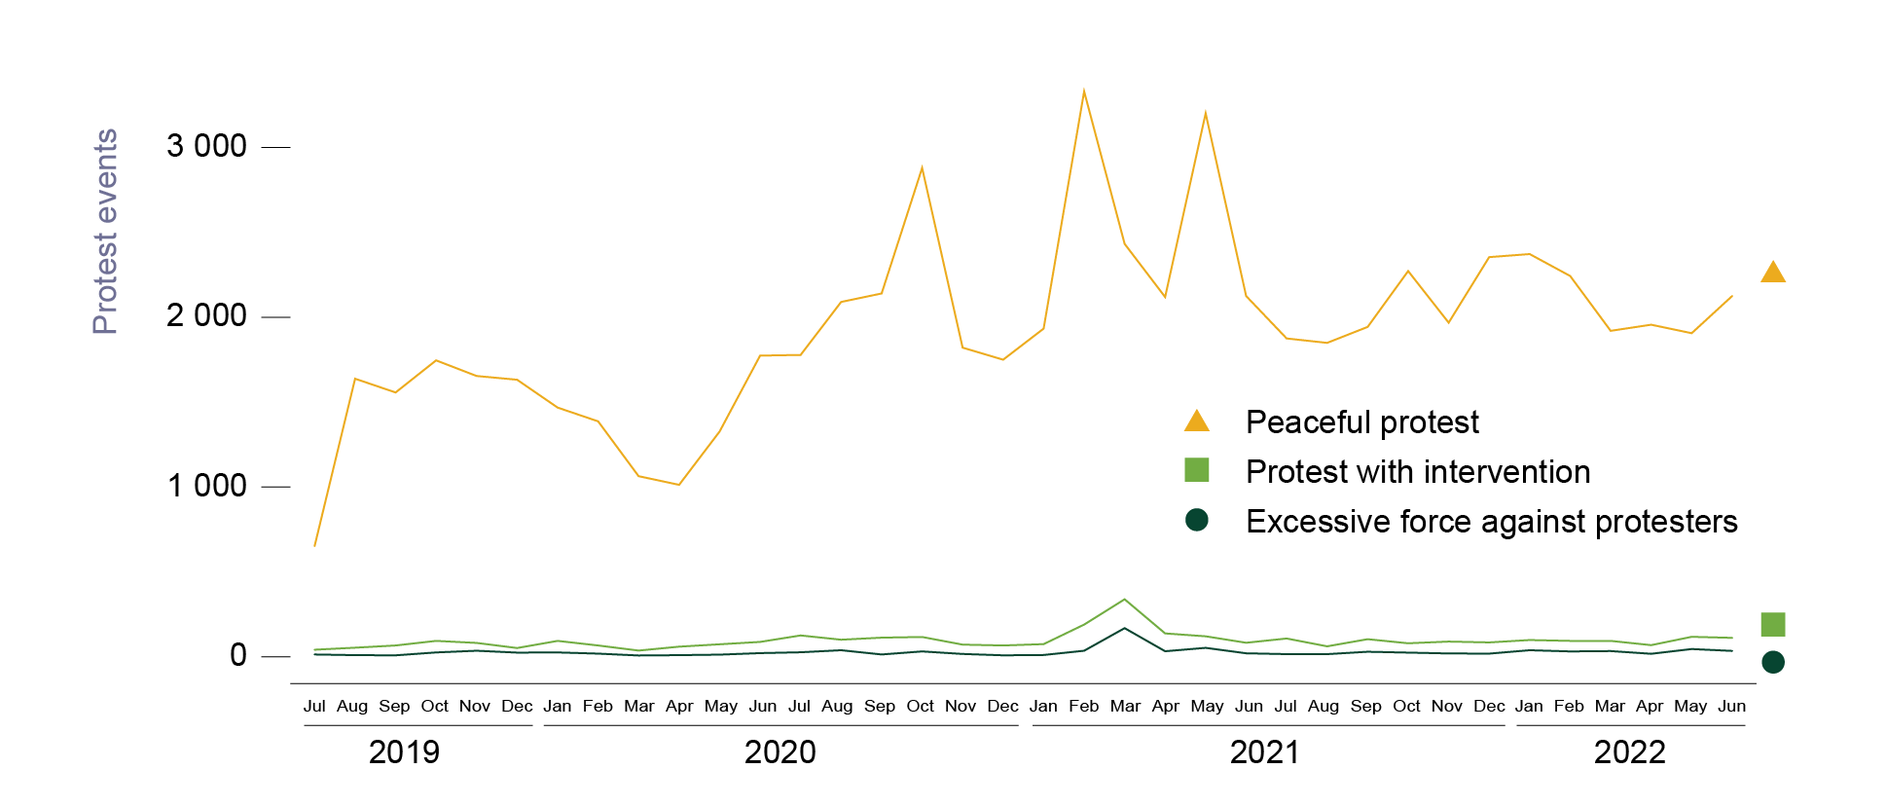

Note: For further information on the definitions of the categories of protests, see https://acleddata.com/acleddatanew/wp-content/uploads/dlm_uploads/2020/10/ACLED_USA-Methodology_v2-Feb2021.pdf.
Source: Raleigh et al. (2010[43]), “Introducing ACLED-Armed Conflict Location and Event Data”, https://doi.org/10.1177/0022343310378914.

sub_event_type | event_month | number
Excessive force against protesters | Apr 2020 | 10
Excessive force against protesters | Apr 2021 | 33
Excessive force against protesters | Apr 2022 | 18
Excessive force against protesters | Aug 2019 | 10
Excessive force against protesters | Aug 2020 | 39
Excessive force against protesters | Aug 2021 | 16
Excessive force against protesters | Dec 2019 | 25
Excessive force against protesters | Dec 2020 | 9
Excessive force against protesters | Dec 2021 | 19
Excessive force against protesters | Feb 2020 | 19
Excessive force against protesters | Feb 2021 | 36
Excessive force against protesters | Feb 2022 | 32
Excessive force against protesters | Jan 2020 | 26
Excessive force against protesters | Jan 2021 | 11
Excessive force against protesters | Jan 2022 | 39
Excessive force against protesters | Jul 2019 | 14
Excessive force against protesters | Jul 2020 | 27
Excessive force against protesters | Jul 2021 | 16
Excessive force against protesters | Jun 2020 | 22
Excessive force against protesters | Jun 2021 | 21
Excessive force against protesters | Jun 2022 | 35
Excessive force against protesters | Mar 2020 | 8
Excessive force against protesters | Mar 2021 | 169
Excessive force against protesters | Mar 2022 | 34
Excessive force against protesters | May 2020 | 13
Excessive force against protesters | May 2021 | 53
Excessive force against protesters | May 2022 | 46
Excessive force against protesters | Nov 2019 | 36
Excessive force against protesters | Nov 2020 | 17
Excessive force against protesters | Nov 2021 | 20
Excessive force against protesters | Oct 2019 | 26
Excessive force against protesters | Oct 2020 | 32
Excessive force against protesters | Oct 2021 | 25
Excessive force against protesters | Sep 2019 | 9
Excessive force against protesters | Sep 2020 | 14
Excessive force against protesters | Sep 2021 | 30
Peaceful protest | Apr 2020 | 1013
Peaceful protest | Apr 2021 | 2119
Peaceful protest | Apr 2022 | 1956
Peaceful protest | Aug 2019 | 1638
Peaceful protest | Aug 2020 | 2090
Peaceful protest | Aug 2021 | 1849
Peaceful protest | Dec 2019 | 1632
Peaceful protest | Dec 2020 | 1750
Peaceful protest | Dec 2021 | 2354
Peaceful protest | Feb 2020 | 1387
Peaceful protest | Feb 2021 | 3330
Peaceful protest | Feb 2022 | 2243
Peaceful protest | Jan 2020 | 1468
Peaceful protest | Jan 2021 | 1933
Peaceful protest | Jan 2022 | 2372
Peaceful protest | Jul 2019 | 652
Peaceful protest | Jul 2020 | 1778
Peaceful protest | Jul 2021 | 1875
Peaceful protest | Jun 2020 | 1774
Peaceful protest | Jun 2021 | 2125
Peaceful protest | Jun 2022 | 2125
Peaceful protest | Mar 2020 | 1064
Peaceful protest | Mar 2021 | 2432
Peaceful protest | Mar 2022 | 1920
Peaceful protest | May 2020 | 1327
Peaceful protest | May 2021 | 3201
Peaceful protest | May 2022 | 1906
Peaceful protest | Nov 2019 | 1654
Peaceful protest | Nov 2020 | 1821
Peaceful protest | Nov 2021 | 1968
Peaceful protest | Oct 2019 | 1746
Peaceful protest | Oct 2020 | 2879
Peaceful protest | Oct 2021 | 2272
Peaceful protest | Sep 2019 | 1557
Peaceful protest | Sep 2020 | 2140
Peaceful protest | Sep 2021 | 1943
Protest with intervention | Apr 2020 | 60
Protest with intervention | Apr 2021 | 138
Protest with intervention | Apr 2022 | 69
Protest with intervention | Aug 2019 | 54
Protest with intervention | Aug 2020 | 101
Protest with intervention | Aug 2021 | 62
Protest with intervention | Dec 2019 | 52
Protest with intervention | Dec 2020 | 67
Protest with intervention | Dec 2021 | 85
Protest with intervention | Feb 2020 | 67
Protest with intervention | Feb 2021 | 190
Protest with intervention | Feb 2022 | 94
Protest with intervention | Jan 2020 | 94
Protest with intervention | Jan 2021 | 75
Protest with intervention | Jan 2022 | 99
Protest with intervention | Jul 2019 | 42
Protest with intervention | Jul 2020 | 126
Protest with intervention | Jul 2021 | 108
Protest with intervention | Jun 2020 | 88
Protest with intervention | Jun 2021 | 83
Protest with intervention | Jun 2022 | 112
Protest with intervention | Mar 2020 | 37
Protest with intervention | Mar 2021 | 339
Protest with intervention | Mar 2022 | 94
Protest with intervention | May 2020 | 74
Protest with intervention | May 2021 | 121
Protest with intervention | May 2022 | 118
Protest with intervention | Nov 2019 | 82
Protest with intervention | Nov 2020 | 72
Protest with intervention | Nov 2021 | 90
Protest with intervention | Oct 2019 | 94
Protest with intervention | Oct 2020 | 117
Protest with intervention | Oct 2021 | 80
Protest with intervention | Sep 2019 | 67
Protest with intervention | Sep 2020 | 113
Protest with intervention | Sep 2021 | 104

