2.1
2.1 The recent surge of official development assistance to fragile contexts, and particularly extremely fragile contexts, is targeted towards the humanitarian pillar of the triple nexus

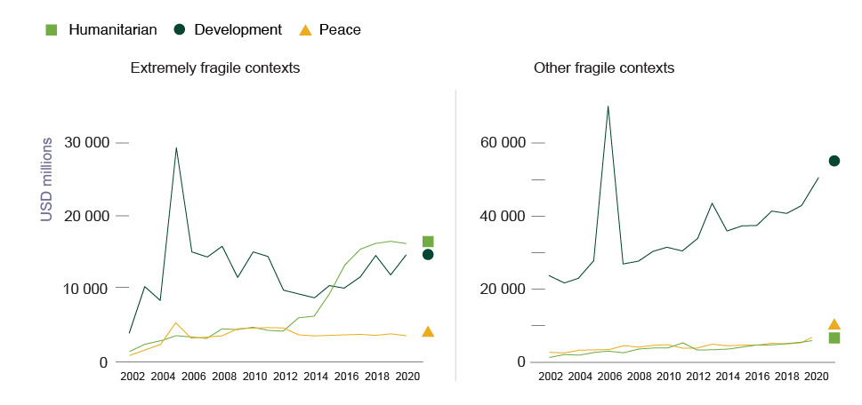

Source: OECD (2022[86]), “Creditor Reporting System: Aid activities”, https://doi.org/10.1787/data-00061-en.

Extremely fragile contexts |  |  | Other fragile contexts

year | hdp_code | value | year | hdp_code | value
2002 | Development | 3794.772453 | 2002 | Development | 23411.430391
2002 | Humanitarian | 1283.884484 | 2002 | Humanitarian | 1142.41503
2002 | Peace | 708.779596 | 2002 | Peace | 2632.455665
2003 | Development | 10229.471226 | 2003 | Development | 21544.675976
2003 | Humanitarian | 2287.015068 | 2003 | Humanitarian | 1835.393172
2003 | Peace | 1506.716083 | 2003 | Peace | 2410.490308
2004 | Development | 8213.128356 | 2004 | Development | 22801.471664
2004 | Humanitarian | 2747.484479 | 2004 | Humanitarian | 1780.967024
2004 | Peace | 2253.264352 | 2004 | Peace | 3000.176186
2005 | Development | 29344.495475 | 2005 | Development | 27860.044912
2005 | Humanitarian | 3467.414113 | 2005 | Humanitarian | 2415.770096
2005 | Peace | 5269.510657 | 2005 | Peace | 3050.034909
2006 | Development | 15094.1063 | 2006 | Development | 70265.821561
2006 | Humanitarian | 3210.781268 | 2006 | Humanitarian | 2813.909513
2006 | Peace | 3155.093094 | 2006 | Peace | 3226.844013
2007 | Development | 14313.077873 | 2007 | Development | 26652.74337
2007 | Humanitarian | 3064.924733 | 2007 | Humanitarian | 2354.842652
2007 | Peace | 3212.21054 | 2007 | Peace | 4345.540039
2008 | Development | 15746.559117 | 2008 | Development | 27424.922267
2008 | Humanitarian | 4404.830579 | 2008 | Humanitarian | 3368.954689
2008 | Peace | 3430.600669 | 2008 | Peace | 3917.937835
2009 | Development | 11476.642094 | 2009 | Development | 30263.96443
2009 | Humanitarian | 4310.02276 | 2009 | Humanitarian | 3667.649127
2009 | Peace | 4417.507272 | 2009 | Peace | 4373.715805
2010 | Development | 14993.588376 | 2010 | Development | 31329.410443
2010 | Humanitarian | 4617.961987 | 2010 | Humanitarian | 3808.777829
2010 | Peace | 4470.612151 | 2010 | Peace | 4591.704942
2011 | Development | 14450.656012 | 2011 | Development | 30443.061919
2011 | Humanitarian | 4211.754281 | 2011 | Humanitarian | 5085.179292
2011 | Peace | 4576.943598 | 2011 | Peace | 3746.251747
2012 | Development | 9732.309162 | 2012 | Development | 33689.745674
2012 | Humanitarian | 4084.007279 | 2012 | Humanitarian | 3268.492288
2012 | Peace | 4517.451903 | 2012 | Peace | 3736.769587
2013 | Development | 9227.146753 | 2013 | Development | 43344.890895
2013 | Humanitarian | 5911.725772 | 2013 | Humanitarian | 3186.508914
2013 | Peace | 3574.998812 | 2013 | Peace | 4700.925274
2014 | Development | 8706.233129 | 2014 | Development | 35719.999117
2014 | Humanitarian | 6134.315976 | 2014 | Humanitarian | 3431.583685
2014 | Peace | 3450.171446 | 2014 | Peace | 4297.392749
2015 | Development | 10436.276455 | 2015 | Development | 37299.115884
2015 | Humanitarian | 9266.339315 | 2015 | Humanitarian | 3930.884438
2015 | Peace | 3511.590006 | 2015 | Peace | 4406.820529
2016 | Development | 10055.924842 | 2016 | Development | 37285.777272
2016 | Humanitarian | 13166.47341 | 2016 | Humanitarian | 4343.630993
2016 | Peace | 3576.363296 | 2016 | Peace | 4371.648568
2017 | Development | 11538.867925 | 2017 | Development | 41220.993563
2017 | Humanitarian | 15341.094339 | 2017 | Humanitarian | 4555.561214
2017 | Peace | 3641.303316 | 2017 | Peace | 4912.910898
2018 | Development | 14512.946115 | 2018 | Development | 40724.423158
2018 | Humanitarian | 16168.596376 | 2018 | Humanitarian | 4739.766908
2018 | Peace | 3468.332461 | 2018 | Peace | 4824.840283
2019 | Development | 11811.7595 | 2019 | Development | 42686.859977
2019 | Humanitarian | 16465.885563 | 2019 | Humanitarian | 5297.136939
2019 | Peace | 3710.141519 | 2019 | Peace | 5098.517872
2020 | Development | 14620.502475 | 2020 | Development | 51854.368654
2020 | Humanitarian | 16145.543934 | 2020 | Humanitarian | 5612.921457
2020 | Peace | 3460.550379 | 2020 | Peace | 6546.427336

