2.2
2.2 Low tax-to-GDP ratios are linked to fragility

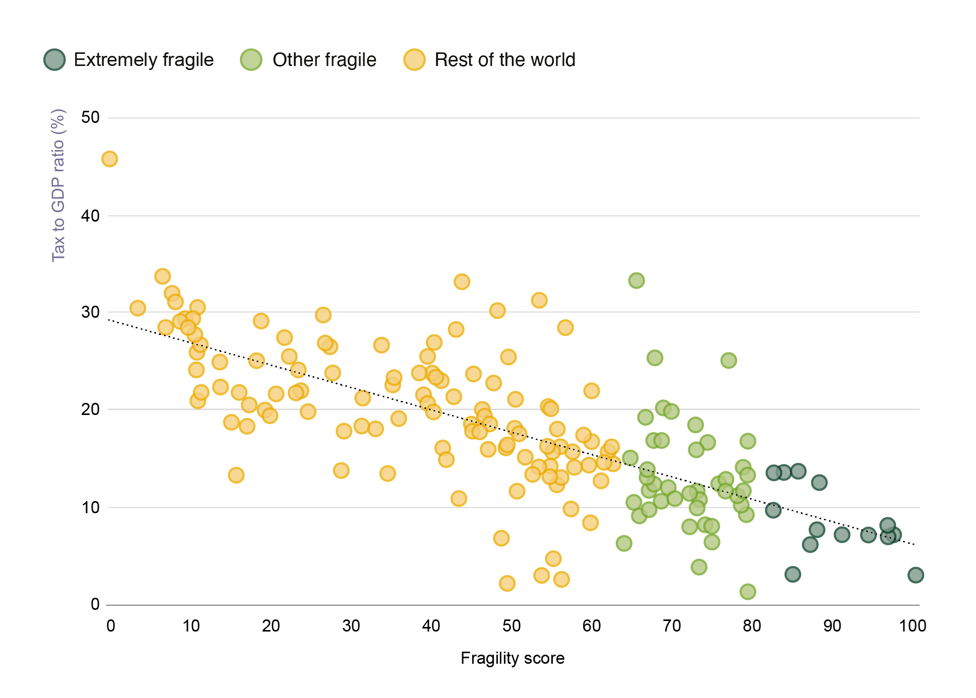

Note: The fragility score for each country or territory has been rescaled from 0 to 100.
Source: Authors’ calculations based on the findings of the latest edition of the OECD’s fragility framework; UNU-WIDER (2021[119]), Government Revenue Dataset, https://www.wider.unu.edu/project/grd-%E2%80%93-government-revenue-dataset.

country | fragility score | tax-to-GDP ratio | fragility
Somalia | 100 | 3.1222267043 | Extremely fragile
Afghanistan | 97.364053216 | 7.1146298828 | Extremely fragile
Yemen | 96.78954471 | 7.0387725646 | Extremely fragile
Central African Republic (the) | 96.665398095 | 8.172389883 | Extremely fragile
Congo (the Democratic Republic of the) | 94.295856357 | 7.081151741 | Extremely fragile
Chad | 90.807462993 | 7.1337002148 | Extremely fragile
Syrian Arab Republic (the) | 88.050335548 | 12.56303 | Extremely fragile
Congo (the) | 87.724633097 | 7.8084890775 | Extremely fragile
Haiti | 86.683316038 | 6.0867942679 | Extremely fragile
Burundi | 85.414587215 | 13.665471924 | Extremely fragile
Sudan (the) | 84.678220086 | 3.0532637803 | Extremely fragile
Eritrea | 83.766419359 | 13.53832 | Extremely fragile
Iraq | 82.661964262 | 13.43851 | Extremely fragile
Equatorial Guinea | 82.344993543 | 9.5883259701 | Extremely fragile
Libya | 79.332361143 | 1.1925228815 | Other fragile
Angola | 79.122101763 | 16.792334519 | Other fragile
Cameroon | 79.078661497 | 13.387123241 | Other fragile
Niger (the) | 78.733448706 | 9.3358466025 | Other fragile
Mali | 78.554086741 | 14.075712934 | Other fragile
Liberia | 78.553862969 | 11.605670953 | Other fragile
Madagascar | 78.224154934 | 10.231630444 | Other fragile
Uganda | 77.788344518 | 11.165543183 | Other fragile
Mozambique | 76.823133718 | 25.052624098 | Other fragile
Guinea | 76.320199096 | 11.905380401 | Other fragile
Nigeria | 76.20087986 | 12.51411 | Other fragile
Papua New Guinea | 75.793555703 | 12.460181328 | Other fragile
Myanmar | 74.800913336 | 6.4392728777 | Other fragile
Guinea-Bissau | 74.625757131 | 8.0577243724 | Other fragile
Zambia | 74.250252337 | 16.677607548 | Other fragile
Comoros (the) | 73.97693027 | 8.1465772566 | Other fragile
Mauritania | 73.270320716 | 10.813874331 | Other fragile
Timor-Leste | 73.198188092 | 3.870029098 | Other fragile
Zimbabwe | 73.014831109 | 11.63061177 | Other fragile
Burkina Faso | 72.862255319 | 15.925699837 | Other fragile
Ethiopia | 72.854284627 | 9.9770695903 | Other fragile
Tajikistan | 72.717391623 | 18.418278958 | Other fragile
Bangladesh | 72.172609708 | 7.900540285 | Other fragile
Pakistan | 71.940883876 | 11.402571583 | Other fragile
Sierra Leone | 70.207800094 | 10.905436497 | Other fragile
Cambodia | 69.734111481 | 19.998263282 | Other fragile
Côte d'Ivoire | 69.245969377 | 12.048809721 | Other fragile
Venezuela (Bolivarian Republic of) | 68.839908467 | 20.187865611 | Other fragile
Solomon Islands | 68.526890875 | 16.725531748 | Other fragile
Djibouti | 68.476875099 | 10.582926918 | Other fragile
Eswatini | 67.806491072 | 25.328146234 | Other fragile
Turkmenistan | 67.498017463 | 16.77613 | Other fragile
Lao People's Democratic Republic (the) | 67.421893508 | 12.24326615 | Other fragile
Guatemala | 67.024663471 | 9.5869557181 | Other fragile
Tanzania, the United Republic of | 66.970984855 | 11.697718348 | Other fragile
Kenya | 66.755948541 | 13.618505128 | Other fragile
Togo | 66.749196531 | 13.154904506 | Other fragile
Nicaragua | 66.561838235 | 19.229325029 | Other fragile
Benin | 65.809524717 | 9.1517337761 | Other fragile
Lesotho | 65.431855568 | 33.217139821 | Other fragile
Gambia (the) | 65.194945332 | 10.406122449 | Other fragile
Honduras | 64.703649547 | 14.995389424 | Other fragile
Iran (Islamic Republic of) | 63.852687817 | 6.1615173674 | Other fragile
Philippines (the) | 62.518810268 | 14.489544394 | Rest of the world
Rwanda | 62.359664237 | 16.167302621 | Rest of the world
Malawi | 61.799124464 | 15.768518786 | Rest of the world
Gabon | 61.335004799 | 14.57519 | Rest of the world
Egypt | 60.954595429 | 12.70847079 | Rest of the world
Nepal | 59.806972774 | 21.908582383 | Rest of the world
Indonesia | 59.739341553 | 8.3127341018 | Rest of the world
Senegal | 59.734738012 | 16.752671781 | Rest of the world
Azerbaijan | 59.431017263 | 14.256314198 | Rest of the world
India | 58.812161294 | 17.348052551 | Rest of the world
Algeria | 57.88835947 | 14.107712357 | Rest of the world
Lebanon | 57.562302796 | 15.588802221 | Rest of the world
Paraguay | 57.348553117 | 9.8243128007 | Rest of the world
South Africa | 56.658923364 | 28.471689233 | Rest of the world
Oman | 56.109146895 | 2.5286369788 | Rest of the world
Colombia | 55.848885166 | 16.15483 | Rest of the world
Sao Tome and Principe | 55.804437585 | 12.834224599 | Rest of the world
Ghana | 55.505334761 | 12.283351142 | Rest of the world
El Salvador | 55.465178794 | 17.986529993 | Rest of the world
Saudi Arabia | 55.109911106 | 4.7466322564 | Rest of the world
Türkiye | 54.796791511 | 15.838095778 | Rest of the world
Uzbekistan | 54.780202264 | 20.147252207 | Rest of the world
Peru | 54.706789789 | 14.168056167 | Rest of the world
Mexico | 54.573933969 | 13.148222821 | Rest of the world
Kyrgyzstan | 54.436274716 | 20.310960915 | Rest of the world
Suriname | 54.415591763 | 16.020112164 | Rest of the world
Bahrain | 53.706658615 | 3.0258187504 | Rest of the world
Ecuador | 53.420270372 | 14.039304214 | Rest of the world
Namibia | 53.33527287 | 31.28000506 | Rest of the world
Dominican Republic (the) | 52.490693409 | 13.302764237 | Rest of the world
Viet Nam | 51.704776604 | 15.078137372 | Rest of the world
Vanuatu | 50.769044745 | 17.711694552 | Rest of the world
Sri Lanka | 50.577262533 | 11.556190083 | Rest of the world
Maldives | 50.418830309 | 18.027234396 | Rest of the world
Guyana | 50.39012365 | 20.991796464 | Rest of the world
Botswana | 49.46896359 | 25.513983309 | Rest of the world
Bhutan | 49.419678122 | 16.398187642 | Rest of the world
Kuwait | 49.399014717 | 2.1177467175 | Rest of the world
Thailand | 49.253460145 | 16.131596659 | Rest of the world
Panama | 48.673122248 | 6.7221749972 | Rest of the world
Fiji | 48.089865558 | 30.216588386 | Rest of the world
Bosnia and Herzegovina | 47.694933211 | 22.70535477 | Rest of the world
Bolivia (Plurinational State of) | 47.167948611 | 18.502290976 | Rest of the world
Jordan | 46.991913003 | 15.917347866 | Rest of the world
Albania | 46.384286117 | 19.397055582 | Rest of the world
Morocco | 46.225576967 | 20.018527096 | Rest of the world
Kazakhstan | 45.581056808 | 17.940929357 | Rest of the world
Brazil | 45.266720174 | 23.663200716 | Rest of the world
Qatar | 45.063688275 | 17.92854 | Rest of the world
China | 45.040698583 | 18.523755352 | Rest of the world
Cuba | 43.674634065 | 33.122543979 | Rest of the world
Malaysia | 43.387844737 | 10.832697363 | Rest of the world
Belize | 42.990103405 | 28.221463923 | Rest of the world
Cabo Verde | 42.696382165 | 21.27488051 | Rest of the world
United Arab Emirates (the) | 41.809045519 | 14.776451306 | Rest of the world
North Macedonia | 41.492560808 | 15.993759121 | Rest of the world
Argentina | 41.143973641 | 22.930954313 | Rest of the world
Russian Federation (the) | 40.621215305 | 23.306024205 | Rest of the world
Jamaica | 40.224856999 | 26.961458091 | Rest of the world
Mauritius | 40.17471444 | 19.725271748 | Rest of the world
Serbia | 40.172587689 | 23.694393575 | Rest of the world
Ukraine | 39.446311453 | 25.458118635 | Rest of the world
Mongolia | 39.422894202 | 20.731332804 | Rest of the world
Trinidad and Tobago | 38.820172619 | 21.505299957 | Rest of the world
Belarus | 38.589847499 | 23.800295351 | Rest of the world
Moldova (the Republic of) | 35.88174409 | 19.064441049 | Rest of the world
Georgia | 35.259782559 | 23.181938156 | Rest of the world
Tunisia | 35.117807329 | 22.588110164 | Rest of the world
Costa Rica | 34.608914254 | 13.430071351 | Rest of the world
Montenegro | 33.775726831 | 26.709554444 | Rest of the world
Armenia | 33.072657474 | 17.960323078 | Rest of the world
Brunei Darussalam | 31.525640285 | 18.31593902 | Rest of the world
Bulgaria | 31.427879609 | 21.204064389 | Rest of the world
Chile | 29.11837781 | 17.800879418 | Rest of the world
Hong Kong | 28.79634002 | 13.808939304 | Rest of the world
Hungary | 27.76782577 | 23.771468187 | Rest of the world
Barbados | 27.38704937 | 26.600115185 | Rest of the world
Croatia | 26.907117785 | 26.854838245 | Rest of the world
Seychelles | 26.448249915 | 29.719278863 | Rest of the world
Slovakia | 24.72162618 | 19.81936398 | Rest of the world
Poland | 23.70767942 | 21.953237693 | Rest of the world
Cyprus | 23.397228599 | 24.206488087 | Rest of the world
Uruguay | 23.177907695 | 21.82489523 | Rest of the world
Malta | 22.325611322 | 25.5008093 | Rest of the world
Greece | 21.698491004 | 27.387916887 | Rest of the world
Slovenia | 20.665037166 | 21.673301924 | Rest of the world
Czechia | 19.875214217 | 19.457876308 | Rest of the world
Korea (the Republic of) | 19.341563031 | 20.00552568 | Rest of the world
Italy | 18.887670005 | 29.137299854 | Rest of the world
Israel | 18.3121223 | 25.184131438 | Rest of the world
Lithuania | 17.249222432 | 20.469852655 | Rest of the world
Ireland | 17.164190359 | 18.237043699 | Rest of the world
United States of America (the) | 17.052811678 | 18.365143145 | Rest of the world
Latvia | 16.135980461 | 21.687278525 | Rest of the world
Singapore | 15.764758851 | 13.244569854 | Rest of the world
Japan | 14.928971941 | 18.670350951 | Rest of the world
Spain | 13.880733429 | 22.400845136 | Rest of the world
Portugal | 13.719373211 | 24.945972171 | Rest of the world
United Kingdom | 11.325659174 | 26.525912173 | Rest of the world
Estonia | 11.259540525 | 21.489758822 | Rest of the world
Switzerland | 11.028450443 | 20.972731845 | Rest of the world
Netherlands (the) | 10.949088033 | 25.846439419 | Rest of the world
France | 10.80790362 | 30.471750592 | Rest of the world
Germany | 10.772597562 | 24.116785782 | Rest of the world
Austria | 10.581985684 | 27.704746274 | Rest of the world
Australia | 10.414342857 | 29.395666867 | Rest of the world
Canada | 9.6110835823 | 28.683463524 | Rest of the world
Belgium | 9.3542282358 | 29.435431034 | Rest of the world
Norway | 8.9218666619 | 29.150649154 | Rest of the world
New Zealand | 8.217226713 | 31.238945269 | Rest of the world
Iceland | 7.8784121812 | 31.901839647 | Rest of the world
Luxembourg | 6.9090179434 | 28.447257384 | Rest of the world
Sweden | 6.7358750008 | 33.647112194 | Rest of the world
Finland | 3.5448095172 | 30.464369998 | Rest of the world
Denmark | 0 | 45.888849422 | Rest of the world

