2.3
2.3 Fragility is not limited to low-income economies

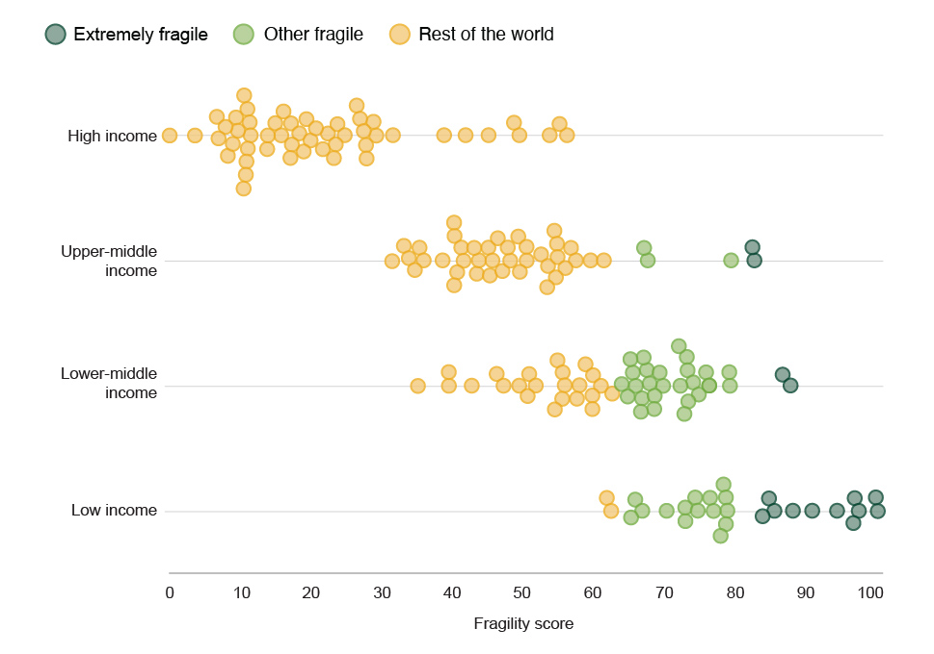

Source: World Bank (2022[121]), World Bank Country and Lending Groups, https://datahelpdesk.worldbank.org/knowledgebase/articles/906519.

iso3c | context | group | fragility score | income_group
SOM | Somalia | Extremely fragile | 100 | Low income
SSD | South Sudan | Extremely fragile | 99.782296649 | Low income
AFG | Afghanistan | Extremely fragile | 97.364053216 | Low income
YEM | Yemen | Extremely fragile | 96.78954471 | Low income
CAF | Central African Republic (the) | Extremely fragile | 96.665398095 | Low income
COD | Congo (the Democratic Republic of the) | Extremely fragile | 94.295856357 | Low income
TCD | Chad | Extremely fragile | 90.807462993 | Low income
SYR | Syrian Arab Republic (the) | Extremely fragile | 88.050335548 | Low income
COG | Congo (the) | Extremely fragile | 87.724633097 | Lower middle income
HTI | Haiti | Extremely fragile | 86.683316038 | Lower middle income
BDI | Burundi | Extremely fragile | 85.414587215 | Low income
SDN | Sudan (the) | Extremely fragile | 84.678220086 | Low income
ERI | Eritrea | Extremely fragile | 83.766419359 | Low income
IRQ | Iraq | Extremely fragile | 82.661964262 | Upper middle income
GNQ | Equatorial Guinea | Extremely fragile | 82.344993543 | Upper middle income
LBY | Libya | Other fragile | 79.332361143 | Upper middle income
AGO | Angola | Other fragile | 79.122101763 | Lower middle income
CMR | Cameroon | Other fragile | 79.078661497 | Lower middle income
NER | Niger (the) | Other fragile | 78.733448706 | Low income
MLI | Mali | Other fragile | 78.554086741 | Low income
LBR | Liberia | Other fragile | 78.553862969 | Low income
MDG | Madagascar | Other fragile | 78.224154934 | Low income
UGA | Uganda | Other fragile | 77.788344518 | Low income
MOZ | Mozambique | Other fragile | 76.823133718 | Low income
GIN | Guinea | Other fragile | 76.320199096 | Low income
NGA | Nigeria | Other fragile | 76.20087986 | Lower middle income
PNG | Papua New Guinea | Other fragile | 75.793555703 | Lower middle income
MMR | Myanmar | Other fragile | 74.800913336 | Lower middle income
GNB | Guinea-Bissau | Other fragile | 74.625757131 | Low income
ZMB | Zambia | Other fragile | 74.250252337 | Low income
COM | Comoros (the) | Other fragile | 73.97693027 | Lower middle income
MRT | Mauritania | Other fragile | 73.270320716 | Lower middle income
TLS | Timor-Leste | Other fragile | 73.198188092 | Lower middle income
ZWE | Zimbabwe | Other fragile | 73.014831109 | Lower middle income
BFA | Burkina Faso | Other fragile | 72.862255319 | Low income
ETH | Ethiopia | Other fragile | 72.854284627 | Low income
TJK | Tajikistan | Other fragile | 72.717391623 | Lower middle income
BGD | Bangladesh | Other fragile | 72.172609708 | Lower middle income
PAK | Pakistan | Other fragile | 71.940883876 | Lower middle income
SLE | Sierra Leone | Other fragile | 70.207800094 | Low income
KHM | Cambodia | Other fragile | 69.734111481 | Lower middle income
CIV | Côte d'Ivoire | Other fragile | 69.245969377 | Lower middle income
SLB | Solomon Islands | Other fragile | 68.526890875 | Lower middle income
DJI | Djibouti | Other fragile | 68.476875099 | Lower middle income
SWZ | Eswatini | Other fragile | 67.806491072 | Lower middle income
TKM | Turkmenistan | Other fragile | 67.498017463 | Upper middle income
LAO | Lao People's Democratic Republic (the) | Other fragile | 67.421893508 | Lower middle income
GTM | Guatemala | Other fragile | 67.024663471 | Upper middle income
TZA | Tanzania, the United Republic of | Other fragile | 66.970984855 | Lower middle income
KEN | Kenya | Other fragile | 66.755948541 | Lower middle income
TGO | Togo | Other fragile | 66.749196531 | Low income
NIC | Nicaragua | Other fragile | 66.561838235 | Lower middle income
BEN | Benin | Other fragile | 65.809524717 | Lower middle income
PRK | Korea (the Democratic People's Republic of) | Other fragile | 65.796265309 | Low income
LSO | Lesotho | Other fragile | 65.431855568 | Lower middle income
GMB | Gambia (the) | Other fragile | 65.194945332 | Low income
PSE | Palestine, State of | Other fragile | 65.121874357 | Lower middle income
HND | Honduras | Other fragile | 64.703649547 | Lower middle income
IRN | Iran (Islamic Republic of) | Other fragile | 63.852687817 | Lower middle income
PHL | Philippines (the) | Rest of the world | 62.518810268 | Lower middle income
RWA | Rwanda | Rest of the world | 62.359664237 | Low income
MWI | Malawi | Rest of the world | 61.799124464 | Low income
GAB | Gabon | Rest of the world | 61.335004799 | Upper middle income
EGY | Egypt | Rest of the world | 60.954595429 | Lower middle income
NPL | Nepal | Rest of the world | 59.806972774 | Lower middle income
IDN | Indonesia | Rest of the world | 59.739341553 | Lower middle income
SEN | Senegal | Rest of the world | 59.734738012 | Lower middle income
AZE | Azerbaijan | Rest of the world | 59.431017263 | Upper middle income
IND | India | Rest of the world | 58.812161294 | Lower middle income
DZA | Algeria | Rest of the world | 57.88835947 | Lower middle income
LBN | Lebanon | Rest of the world | 57.562302796 | Lower middle income
PRY | Paraguay | Rest of the world | 57.348553117 | Upper middle income
ZAF | South Africa | Rest of the world | 56.658923364 | Upper middle income
OMN | Oman | Rest of the world | 56.109146895 | High income
COL | Colombia | Rest of the world | 55.848885166 | Upper middle income
STP | Sao Tome and Principe | Rest of the world | 55.804437585 | Lower middle income
GHA | Ghana | Rest of the world | 55.505334761 | Lower middle income
SLV | El Salvador | Rest of the world | 55.465178794 | Lower middle income
SAU | Saudi Arabia | Rest of the world | 55.109911106 | High income
TUR | Türkiye | Rest of the world | 54.796791511 | Upper middle income
UZB | Uzbekistan | Rest of the world | 54.780202264 | Lower middle income
PER | Peru | Rest of the world | 54.706789789 | Upper middle income
MEX | Mexico | Rest of the world | 54.573933969 | Upper middle income
KGZ | Kyrgyzstan | Rest of the world | 54.436274716 | Lower middle income
SUR | Suriname | Rest of the world | 54.415591763 | Upper middle income
BHR | Bahrain | Rest of the world | 53.706658615 | High income
ECU | Ecuador | Rest of the world | 53.420270372 | Upper middle income
NAM | Namibia | Rest of the world | 53.33527287 | Upper middle income
DOM | Dominican Republic (the) | Rest of the world | 52.490693409 | Upper middle income
VNM | Viet Nam | Rest of the world | 51.704776604 | Lower middle income
VUT | Vanuatu | Rest of the world | 50.769044745 | Lower middle income
LKA | Sri Lanka | Rest of the world | 50.577262533 | Lower middle income
MDV | Maldives | Rest of the world | 50.418830309 | Upper middle income
GUY | Guyana | Rest of the world | 50.39012365 | Upper middle income
BWA | Botswana | Rest of the world | 49.46896359 | Upper middle income
BTN | Bhutan | Rest of the world | 49.419678122 | Lower middle income
KWT | Kuwait | Rest of the world | 49.399014717 | High income
THA | Thailand | Rest of the world | 49.253460145 | Upper middle income
PAN | Panama | Rest of the world | 48.673122248 | High income
FJI | Fiji | Rest of the world | 48.089865558 | Upper middle income
BIH | Bosnia and Herzegovina | Rest of the world | 47.694933211 | Upper middle income
BOL | Bolivia (Plurinational State of) | Rest of the world | 47.167948611 | Lower middle income
JOR | Jordan | Rest of the world | 46.991913003 | Upper middle income
ALB | Albania | Rest of the world | 46.384286117 | Upper middle income
MAR | Morocco | Rest of the world | 46.225576967 | Lower middle income
KAZ | Kazakhstan | Rest of the world | 45.581056808 | Upper middle income
BRA | Brazil | Rest of the world | 45.266720174 | Upper middle income
QAT | Qatar | Rest of the world | 45.063688275 | High income
CHN | China | Rest of the world | 45.040698583 | Upper middle income
CUB | Cuba | Rest of the world | 43.674634065 | Upper middle income
MYS | Malaysia | Rest of the world | 43.387844737 | Upper middle income
BLZ | Belize | Rest of the world | 42.990103405 | Upper middle income
CPV | Cabo Verde | Rest of the world | 42.696382165 | Lower middle income
ARE | United Arab Emirates (the) | Rest of the world | 41.809045519 | High income
MKD | North Macedonia | Rest of the world | 41.492560808 | Upper middle income
ARG | Argentina | Rest of the world | 41.143973641 | Upper middle income
RUS | Russian Federation (the) | Rest of the world | 40.621215305 | Upper middle income
JAM | Jamaica | Rest of the world | 40.224856999 | Upper middle income
MUS | Mauritius | Rest of the world | 40.17471444 | Upper middle income
SRB | Serbia | Rest of the world | 40.172587689 | Upper middle income
UKR | Ukraine | Rest of the world | 39.446311453 | Lower middle income
MNG | Mongolia | Rest of the world | 39.422894202 | Lower middle income
TTO | Trinidad and Tobago | Rest of the world | 38.820172619 | High income
BLR | Belarus | Rest of the world | 38.589847499 | Upper middle income
MDA | Moldova (the Republic of) | Rest of the world | 35.88174409 | Upper middle income
GEO | Georgia | Rest of the world | 35.259782559 | Upper middle income
TUN | Tunisia | Rest of the world | 35.117807329 | Lower middle income
CRI | Costa Rica | Rest of the world | 34.608914254 | Upper middle income
MNE | Montenegro | Rest of the world | 33.775726831 | Upper middle income
ARM | Armenia | Rest of the world | 33.072657474 | Upper middle income
BRN | Brunei Darussalam | Rest of the world | 31.525640285 | High income
BGR | Bulgaria | Rest of the world | 31.427879609 | Upper middle income
CHL | Chile | Rest of the world | 29.11837781 | High income
HKG | Hong Kong | Rest of the world | 28.79634002 | High income
ROM | Romania | Rest of the world | 27.822587502 | High income
HUN | Hungary | Rest of the world | 27.76782577 | High income
BRB | Barbados | Rest of the world | 27.38704937 | High income
HRV | Croatia | Rest of the world | 26.907117785 | High income
SYC | Seychelles | Rest of the world | 26.448249915 | High income
SVK | Slovakia | Rest of the world | 24.72162618 | High income
POL | Poland | Rest of the world | 23.70767942 | High income
CYP | Cyprus | Rest of the world | 23.397228599 | High income
URY | Uruguay | Rest of the world | 23.177907695 | High income
MLT | Malta | Rest of the world | 22.325611322 | High income
GRC | Greece | Rest of the world | 21.698491004 | High income
SVN | Slovenia | Rest of the world | 20.665037166 | High income
CZE | Czechia | Rest of the world | 19.875214217 | High income
KOR | Korea (the Republic of) | Rest of the world | 19.341563031 | High income
ITA | Italy | Rest of the world | 18.887670005 | High income
ISR | Israel | Rest of the world | 18.3121223 | High income
LTU | Lithuania | Rest of the world | 17.249222432 | High income
IRL | Ireland | Rest of the world | 17.164190359 | High income
USA | United States of America (the) | Rest of the world | 17.052811678 | High income
LVA | Latvia | Rest of the world | 16.135980461 | High income
SGP | Singapore | Rest of the world | 15.764758851 | High income
JPN | Japan | Rest of the world | 14.928971941 | High income
ESP | Spain | Rest of the world | 13.880733429 | High income
PRT | Portugal | Rest of the world | 13.719373211 | High income
GBR | United Kingdom | Rest of the world | 11.325659174 | High income
EST | Estonia | Rest of the world | 11.259540525 | High income
CHE | Switzerland | Rest of the world | 11.028450443 | High income
NLD | Netherlands (the) | Rest of the world | 10.949088033 | High income
FRA | France | Rest of the world | 10.80790362 | High income
DEU | Germany | Rest of the world | 10.772597562 | High income
AUT | Austria | Rest of the world | 10.581985684 | High income
AUS | Australia | Rest of the world | 10.414342857 | High income
CAN | Canada | Rest of the world | 9.6110835823 | High income
BEL | Belgium | Rest of the world | 9.3542282358 | High income
NOR | Norway | Rest of the world | 8.9218666619 | High income
NZL | New Zealand | Rest of the world | 8.217226713 | High income
ISL | Iceland | Rest of the world | 7.8784121812 | High income
LUX | Luxembourg | Rest of the world | 6.9090179434 | High income
SWE | Sweden | Rest of the world | 6.7358750008 | High income
FIN | Finland | Rest of the world | 3.5448095172 | High income
DNK | Denmark | Rest of the world | 0 | High income

