2.4
2.4 Foreign direct investment is highly variable in fragile contexts, with significant outflows between 2011 and 2020

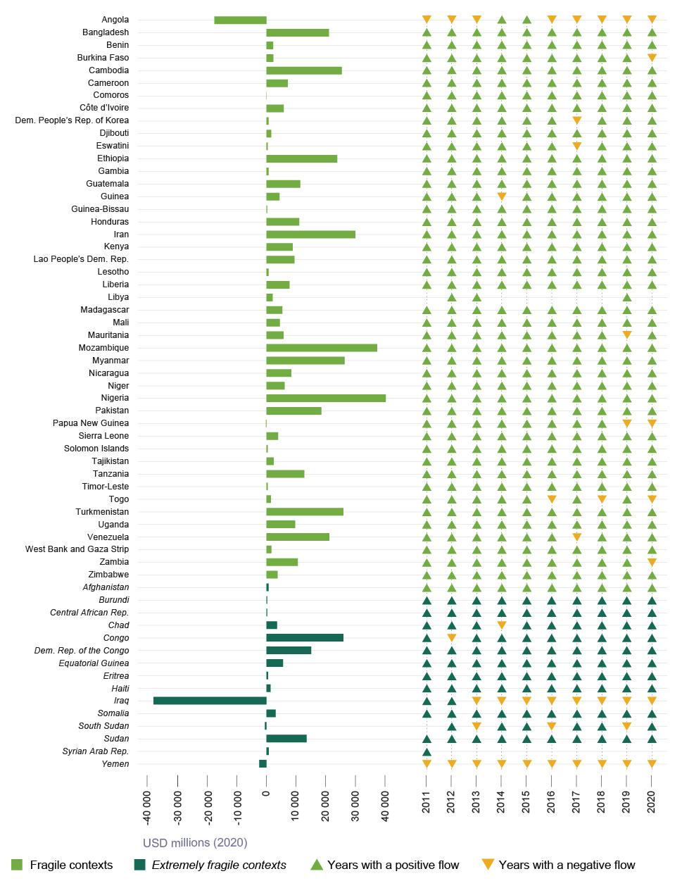

Source: World Bank (2022[123]), Foreign direct investment, net inflows (BoP, current US$), https://data.worldbank.org/indicator/BX.KLT.DINV.CD.WD.

Aggregate |  |  | Annaul flow

country | value | type | country_short | year | flow
Afghanistan | 683.68440145 | Extremely fragile contexts | Afghanistan | 2011 | Positive
Angola | -17530.72408 | Other fragile contexts | Afghanistan | 2012 | Positive
Burundi | 255.50915483 | Extremely fragile contexts | Afghanistan | 2013 | Positive
Benin | 2266.1104462 | Other fragile contexts | Afghanistan | 2014 | Positive
Burkina Faso | 2275.4883474 | Other fragile contexts | Afghanistan | 2015 | Positive
Bangladesh | 21005.833268 | Other fragile contexts | Afghanistan | 2016 | Positive
Central African Rep. | 205.32642513 | Extremely fragile contexts | Afghanistan | 2017 | Positive
Côte d'Ivoire | 5799.5294756 | Other fragile contexts | Afghanistan | 2018 | Positive
Cameroon | 7156.4722043 | Other fragile contexts | Afghanistan | 2019 | Positive
Dem. Rep. of the Congo | 15026.420415 | Extremely fragile contexts | Afghanistan | 2020 | Positive
Congo | 25860.962577 | Extremely fragile contexts | Angola | 2011 | Negative
Comoros | 67.702645224 | Other fragile contexts | Angola | 2012 | Negative
Djibouti | 1610.0336005 | Other fragile contexts | Angola | 2013 | Negative
Eritrea | 534.81560272 | Extremely fragile contexts | Angola | 2014 | Positive
Ethiopia | 23791.479443 | Other fragile contexts | Angola | 2015 | Positive
Guinea | 4396.4356118 | Other fragile contexts | Angola | 2016 | Negative
Gambia | 725.86537564 | Other fragile contexts | Angola | 2017 | Negative
Guinea-Bissau | 243.47250598 | Other fragile contexts | Angola | 2018 | Negative
Equatorial Guinea | 5566.4464855 | Extremely fragile contexts | Angola | 2019 | Negative
Guatemala | 11370.266382 | Other fragile contexts | Angola | 2020 | Negative
Honduras | 10994.262052 | Other fragile contexts | Burundi | 2011 | Positive
Haiti | 1341.3896773 | Extremely fragile contexts | Burundi | 2012 | Positive
Iran | 29869.945355 | Other fragile contexts | Burundi | 2013 | Positive
Iraq | -38001.63211 | Extremely fragile contexts | Burundi | 2014 | Positive
Kenya | 8833.675654 | Other fragile contexts | Burundi | 2015 | Positive
Cambodia | 25297.146468 | Other fragile contexts | Burundi | 2016 | Positive
Lao People's Dem. Rep. | 9411.2257677 | Other fragile contexts | Burundi | 2017 | Positive
Liberia | 7763.2166781 | Other fragile contexts | Burundi | 2018 | Positive
Libya | 2056.4447019 | Other fragile contexts | Burundi | 2019 | Positive
Lesotho | 707.96570704 | Other fragile contexts | Burundi | 2020 | Positive
Madagascar | 5342.550096 | Other fragile contexts | Benin | 2011 | Positive
Mali | 4502.3889164 | Other fragile contexts | Benin | 2012 | Positive
Myanmar | 26235.512709 | Other fragile contexts | Benin | 2013 | Positive
Mozambique | 37176.213837 | Other fragile contexts | Benin | 2014 | Positive
Mauritania | 5705.7675364 | Other fragile contexts | Benin | 2015 | Positive
Niger | 6114.4949818 | Other fragile contexts | Benin | 2016 | Positive
Nigeria | 40093.128314 | Other fragile contexts | Benin | 2017 | Positive
Nicaragua | 8317.1656708 | Other fragile contexts | Benin | 2018 | Positive
Pakistan | 18443.448032 | Other fragile contexts | Benin | 2019 | Positive
Papua New Guinea | -183.32986969 | Other fragile contexts | Benin | 2020 | Positive
Dem. People's Rep. of Korea | 677.22562391 | Other fragile contexts | Burkina Faso | 2011 | Positive
West Bank and Gaza Strip | 1672.5840076 | Other fragile contexts | Burkina Faso | 2012 | Positive
Sudan | 13509.767927 | Extremely fragile contexts | Burkina Faso | 2013 | Positive
Solomon Islands | 395.54556401 | Other fragile contexts | Burkina Faso | 2014 | Positive
Sierra Leone | 3921.6571439 | Other fragile contexts | Burkina Faso | 2015 | Positive
Somalia | 3096.937398 | Extremely fragile contexts | Burkina Faso | 2016 | Positive
South Sudan | -536.17432295 | Extremely fragile contexts | Burkina Faso | 2017 | Positive
Eswatini | 430.94889863 | Other fragile contexts | Burkina Faso | 2018 | Positive
Syrian Arab Rep. | 761.45640607 | Extremely fragile contexts | Burkina Faso | 2019 | Positive
Chad | 3525.5723049 | Extremely fragile contexts | Burkina Faso | 2020 | Negative
Togo | 1467.2707416 | Other fragile contexts | Bangladesh | 2011 | Positive
Tajikistan | 2441.969092 | Other fragile contexts | Bangladesh | 2012 | Positive
Turkmenistan | 25864.308328 | Other fragile contexts | Bangladesh | 2013 | Positive
Timor-Leste | 427.7090407 | Other fragile contexts | Bangladesh | 2014 | Positive
Tanzania | 12698.135076 | Other fragile contexts | Bangladesh | 2015 | Positive
Uganda | 9627.584475 | Other fragile contexts | Bangladesh | 2016 | Positive
Venezuela | 21104.430001 | Other fragile contexts | Bangladesh | 2017 | Positive
Yemen | -2422.488959 | Extremely fragile contexts | Bangladesh | 2018 | Positive
Zambia | 10549.17326 | Other fragile contexts | Bangladesh | 2019 | Positive
Zimbabwe | 3721.6433746 | Other fragile contexts | Bangladesh | 2020 | Positive
 |  |  | Central African Rep. | 2011 | Positive
 |  |  | Central African Rep. | 2012 | Positive
 |  |  | Central African Rep. | 2013 | Positive
 |  |  | Central African Rep. | 2014 | Positive
 |  |  | Central African Rep. | 2015 | Positive
 |  |  | Central African Rep. | 2016 | Positive
 |  |  | Central African Rep. | 2017 | Positive
 |  |  | Central African Rep. | 2018 | Positive
 |  |  | Central African Rep. | 2019 | Positive
 |  |  | Central African Rep. | 2020 | Positive
 |  |  | Côte d'Ivoire | 2011 | Positive
 |  |  | Côte d'Ivoire | 2012 | Positive
 |  |  | Côte d'Ivoire | 2013 | Positive
 |  |  | Côte d'Ivoire | 2014 | Positive
 |  |  | Côte d'Ivoire | 2015 | Positive
 |  |  | Côte d'Ivoire | 2016 | Positive
 |  |  | Côte d'Ivoire | 2017 | Positive
 |  |  | Côte d'Ivoire | 2018 | Positive
 |  |  | Côte d'Ivoire | 2019 | Positive
 |  |  | Côte d'Ivoire | 2020 | Positive
 |  |  | Cameroon | 2011 | Positive
 |  |  | Cameroon | 2012 | Positive
 |  |  | Cameroon | 2013 | Positive
 |  |  | Cameroon | 2014 | Positive
 |  |  | Cameroon | 2015 | Positive
 |  |  | Cameroon | 2016 | Positive
 |  |  | Cameroon | 2017 | Positive
 |  |  | Cameroon | 2018 | Positive
 |  |  | Cameroon | 2019 | Positive
 |  |  | Cameroon | 2020 | Positive
 |  |  | Dem. Rep. of the Congo | 2011 | Positive
 |  |  | Dem. Rep. of the Congo | 2012 | Positive
 |  |  | Dem. Rep. of the Congo | 2013 | Positive
 |  |  | Dem. Rep. of the Congo | 2014 | Positive
 |  |  | Dem. Rep. of the Congo | 2015 | Positive
 |  |  | Dem. Rep. of the Congo | 2016 | Positive
 |  |  | Dem. Rep. of the Congo | 2017 | Positive
 |  |  | Dem. Rep. of the Congo | 2018 | Positive
 |  |  | Dem. Rep. of the Congo | 2019 | Positive
 |  |  | Dem. Rep. of the Congo | 2020 | Positive
 |  |  | Congo | 2011 | Positive
 |  |  | Congo | 2012 | Negative
 |  |  | Congo | 2013 | Positive
 |  |  | Congo | 2014 | Positive
 |  |  | Congo | 2015 | Positive
 |  |  | Congo | 2016 | Positive
 |  |  | Congo | 2017 | Positive
 |  |  | Congo | 2018 | Positive
 |  |  | Congo | 2019 | Positive
 |  |  | Congo | 2020 | Positive
 |  |  | Comoros | 2011 | Positive
 |  |  | Comoros | 2012 | Positive
 |  |  | Comoros | 2013 | Positive
 |  |  | Comoros | 2014 | Positive
 |  |  | Comoros | 2015 | Positive
 |  |  | Comoros | 2016 | Positive
 |  |  | Comoros | 2017 | Positive
 |  |  | Comoros | 2018 | Positive
 |  |  | Comoros | 2019 | Positive
 |  |  | Comoros | 2020 | Positive
 |  |  | Djibouti | 2011 | Positive
 |  |  | Djibouti | 2012 | Positive
 |  |  | Djibouti | 2013 | Positive
 |  |  | Djibouti | 2014 | Positive
 |  |  | Djibouti | 2015 | Positive
 |  |  | Djibouti | 2016 | Positive
 |  |  | Djibouti | 2017 | Positive
 |  |  | Djibouti | 2018 | Positive
 |  |  | Djibouti | 2019 | Positive
 |  |  | Djibouti | 2020 | Positive
 |  |  | Eritrea | 2011 | Positive
 |  |  | Eritrea | 2012 | Positive
 |  |  | Eritrea | 2013 | Positive
 |  |  | Eritrea | 2014 | Positive
 |  |  | Eritrea | 2015 | Positive
 |  |  | Eritrea | 2016 | Positive
 |  |  | Eritrea | 2017 | Positive
 |  |  | Eritrea | 2018 | Positive
 |  |  | Eritrea | 2019 | Positive
 |  |  | Eritrea | 2020 | Positive
 |  |  | Ethiopia | 2011 | Positive
 |  |  | Ethiopia | 2012 | Positive
 |  |  | Ethiopia | 2013 | Positive
 |  |  | Ethiopia | 2014 | Positive
 |  |  | Ethiopia | 2015 | Positive
 |  |  | Ethiopia | 2016 | Positive
 |  |  | Ethiopia | 2017 | Positive
 |  |  | Ethiopia | 2018 | Positive
 |  |  | Ethiopia | 2019 | Positive
 |  |  | Ethiopia | 2020 | Positive
 |  |  | Guinea | 2011 | Positive
 |  |  | Guinea | 2012 | Positive
 |  |  | Guinea | 2013 | Positive
 |  |  | Guinea | 2014 | Negative
 |  |  | Guinea | 2015 | Positive
 |  |  | Guinea | 2016 | Positive
 |  |  | Guinea | 2017 | Positive
 |  |  | Guinea | 2018 | Positive
 |  |  | Guinea | 2019 | Positive
 |  |  | Guinea | 2020 | Positive
 |  |  | Gambia | 2011 | Positive
 |  |  | Gambia | 2012 | Positive
 |  |  | Gambia | 2013 | Positive
 |  |  | Gambia | 2014 | Positive
 |  |  | Gambia | 2015 | Positive
 |  |  | Gambia | 2016 | Positive
 |  |  | Gambia | 2017 | Positive
 |  |  | Gambia | 2018 | Positive
 |  |  | Gambia | 2019 | Positive
 |  |  | Gambia | 2020 | Positive
 |  |  | Guinea-Bissau | 2011 | Positive
 |  |  | Guinea-Bissau | 2012 | Positive
 |  |  | Guinea-Bissau | 2013 | Positive
 |  |  | Guinea-Bissau | 2014 | Positive
 |  |  | Guinea-Bissau | 2015 | Positive
 |  |  | Guinea-Bissau | 2016 | Positive
 |  |  | Guinea-Bissau | 2017 | Positive
 |  |  | Guinea-Bissau | 2018 | Positive
 |  |  | Guinea-Bissau | 2019 | Positive
 |  |  | Guinea-Bissau | 2020 | Positive
 |  |  | Equatorial Guinea | 2011 | Positive
 |  |  | Equatorial Guinea | 2012 | Positive
 |  |  | Equatorial Guinea | 2013 | Positive
 |  |  | Equatorial Guinea | 2014 | Positive
 |  |  | Equatorial Guinea | 2015 | Positive
 |  |  | Equatorial Guinea | 2016 | Positive
 |  |  | Equatorial Guinea | 2017 | Positive
 |  |  | Equatorial Guinea | 2018 | Positive
 |  |  | Equatorial Guinea | 2019 | Positive
 |  |  | Equatorial Guinea | 2020 | Positive
 |  |  | Guatemala | 2011 | Positive
 |  |  | Guatemala | 2012 | Positive
 |  |  | Guatemala | 2013 | Positive
 |  |  | Guatemala | 2014 | Positive
 |  |  | Guatemala | 2015 | Positive
 |  |  | Guatemala | 2016 | Positive
 |  |  | Guatemala | 2017 | Positive
 |  |  | Guatemala | 2018 | Positive
 |  |  | Guatemala | 2019 | Positive
 |  |  | Guatemala | 2020 | Positive
 |  |  | Honduras | 2011 | Positive
 |  |  | Honduras | 2012 | Positive
 |  |  | Honduras | 2013 | Positive
 |  |  | Honduras | 2014 | Positive
 |  |  | Honduras | 2015 | Positive
 |  |  | Honduras | 2016 | Positive
 |  |  | Honduras | 2017 | Positive
 |  |  | Honduras | 2018 | Positive
 |  |  | Honduras | 2019 | Positive
 |  |  | Honduras | 2020 | Positive
 |  |  | Haiti | 2011 | Positive
 |  |  | Haiti | 2012 | Positive
 |  |  | Haiti | 2013 | Positive
 |  |  | Haiti | 2014 | Positive
 |  |  | Haiti | 2015 | Positive
 |  |  | Haiti | 2016 | Positive
 |  |  | Haiti | 2017 | Positive
 |  |  | Haiti | 2018 | Positive
 |  |  | Haiti | 2019 | Positive
 |  |  | Haiti | 2020 | Positive
 |  |  | Iran | 2011 | Positive
 |  |  | Iran | 2012 | Positive
 |  |  | Iran | 2013 | Positive
 |  |  | Iran | 2014 | Positive
 |  |  | Iran | 2015 | Positive
 |  |  | Iran | 2016 | Positive
 |  |  | Iran | 2017 | Positive
 |  |  | Iran | 2018 | Positive
 |  |  | Iran | 2019 | Positive
 |  |  | Iran | 2020 | Positive
 |  |  | Iraq | 2011 | Positive
 |  |  | Iraq | 2012 | Positive
 |  |  | Iraq | 2013 | Negative
 |  |  | Iraq | 2014 | Negative
 |  |  | Iraq | 2015 | Negative
 |  |  | Iraq | 2016 | Negative
 |  |  | Iraq | 2017 | Negative
 |  |  | Iraq | 2018 | Negative
 |  |  | Iraq | 2019 | Negative
 |  |  | Iraq | 2020 | Negative
 |  |  | Kenya | 2011 | Positive
 |  |  | Kenya | 2012 | Positive
 |  |  | Kenya | 2013 | Positive
 |  |  | Kenya | 2014 | Positive
 |  |  | Kenya | 2015 | Positive
 |  |  | Kenya | 2016 | Positive
 |  |  | Kenya | 2017 | Positive
 |  |  | Kenya | 2018 | Positive
 |  |  | Kenya | 2019 | Positive
 |  |  | Kenya | 2020 | Positive
 |  |  | Cambodia | 2011 | Positive
 |  |  | Cambodia | 2012 | Positive
 |  |  | Cambodia | 2013 | Positive
 |  |  | Cambodia | 2014 | Positive
 |  |  | Cambodia | 2015 | Positive
 |  |  | Cambodia | 2016 | Positive
 |  |  | Cambodia | 2017 | Positive
 |  |  | Cambodia | 2018 | Positive
 |  |  | Cambodia | 2019 | Positive
 |  |  | Cambodia | 2020 | Positive
 |  |  | Lao People's Dem. Rep. | 2011 | Positive
 |  |  | Lao People's Dem. Rep. | 2012 | Positive
 |  |  | Lao People's Dem. Rep. | 2013 | Positive
 |  |  | Lao People's Dem. Rep. | 2014 | Positive
 |  |  | Lao People's Dem. Rep. | 2015 | Positive
 |  |  | Lao People's Dem. Rep. | 2016 | Positive
 |  |  | Lao People's Dem. Rep. | 2017 | Positive
 |  |  | Lao People's Dem. Rep. | 2018 | Positive
 |  |  | Lao People's Dem. Rep. | 2019 | Positive
 |  |  | Lao People's Dem. Rep. | 2020 | Positive
 |  |  | Liberia | 2011 | Positive
 |  |  | Liberia | 2012 | Positive
 |  |  | Liberia | 2013 | Positive
 |  |  | Liberia | 2014 | Positive
 |  |  | Liberia | 2015 | Positive
 |  |  | Liberia | 2016 | Positive
 |  |  | Liberia | 2017 | Positive
 |  |  | Liberia | 2018 | Positive
 |  |  | Liberia | 2019 | Positive
 |  |  | Liberia | 2020 | Positive
 |  |  | Libya | 2011 | Zero
 |  |  | Libya | 2012 | Positive
 |  |  | Libya | 2013 | Positive
 |  |  | Libya | 2014 | Zero
 |  |  | Libya | 2015 | Zero
 |  |  | Libya | 2016 | Zero
 |  |  | Libya | 2017 | Zero
 |  |  | Libya | 2018 | Zero
 |  |  | Libya | 2019 | Positive
 |  |  | Libya | 2020
 |  |  | Lesotho | 2011 | Positive
 |  |  | Lesotho | 2012 | Positive
 |  |  | Lesotho | 2013 | Positive
 |  |  | Lesotho | 2014 | Positive
 |  |  | Lesotho | 2015 | Positive
 |  |  | Lesotho | 2016 | Positive
 |  |  | Lesotho | 2017 | Positive
 |  |  | Lesotho | 2018 | Positive
 |  |  | Lesotho | 2019 | Positive
 |  |  | Lesotho | 2020 | Positive
 |  |  | Madagascar | 2011 | Positive
 |  |  | Madagascar | 2012 | Positive
 |  |  | Madagascar | 2013 | Positive
 |  |  | Madagascar | 2014 | Positive
 |  |  | Madagascar | 2015 | Positive
 |  |  | Madagascar | 2016 | Positive
 |  |  | Madagascar | 2017 | Positive
 |  |  | Madagascar | 2018 | Positive
 |  |  | Madagascar | 2019 | Positive
 |  |  | Madagascar | 2020 | Positive
 |  |  | Mali | 2011 | Positive
 |  |  | Mali | 2012 | Positive
 |  |  | Mali | 2013 | Positive
 |  |  | Mali | 2014 | Positive
 |  |  | Mali | 2015 | Positive
 |  |  | Mali | 2016 | Positive
 |  |  | Mali | 2017 | Positive
 |  |  | Mali | 2018 | Positive
 |  |  | Mali | 2019 | Positive
 |  |  | Mali | 2020 | Positive
 |  |  | Myanmar | 2011 | Positive
 |  |  | Myanmar | 2012 | Positive
 |  |  | Myanmar | 2013 | Positive
 |  |  | Myanmar | 2014 | Positive
 |  |  | Myanmar | 2015 | Positive
 |  |  | Myanmar | 2016 | Positive
 |  |  | Myanmar | 2017 | Positive
 |  |  | Myanmar | 2018 | Positive
 |  |  | Myanmar | 2019 | Positive
 |  |  | Myanmar | 2020 | Positive
 |  |  | Mozambique | 2011 | Positive
 |  |  | Mozambique | 2012 | Positive
 |  |  | Mozambique | 2013 | Positive
 |  |  | Mozambique | 2014 | Positive
 |  |  | Mozambique | 2015 | Positive
 |  |  | Mozambique | 2016 | Positive
 |  |  | Mozambique | 2017 | Positive
...

